APPLICATIONS
M369 EARTH MOVING EQUIPMENT ENGINEERING SPREADSHEET

APPLICATIONS
 |  |  |  |  |  | John Andrew LLC
To open another, "Work Sheet Lesson" select a tab at the bottom of this spreadsheet. |  |  |  |  |  | Copyright © 12/15/2022
DISCLAIMER: The materials contained in the online course are not intended as a representation or warranty on the part of John Andrew LLC or any other person/organization named herein. The materials are for general information only. They are not a substitute for competent professional advice. Application of this information to a specific project should be reviewed by a registered professional engineer. Anyone making use of the information set forth herein does so at their own risk and assumes any and all resulting liability arising therefrom.
To unlock the cells of this spreadsheet: Home > Format > Unprotect Sheet.
To lock the cells of this spreadsheet: Home > Format > Protect Sheet.

 | http://www.cat.com/
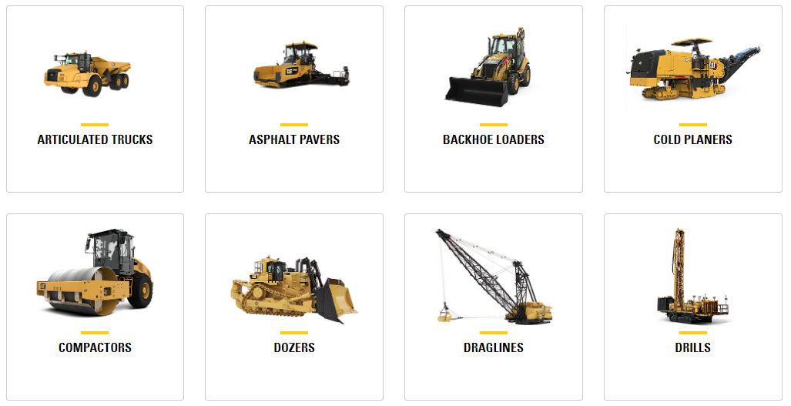

Course Outline
Step-by-step illustrated examples show how to use the spread sheet tools to optimize earth moving equipment drive calculations. This course is divided into 5 sections.
1. Applications
2. Drive Calculations
3. Diesel Engines
4. Fluid Power 5. Bucket Arm Forces
Objectives Use this course to:
1. examine earth moving equipment applications.
2. consider wheel and tractor design features.
3. link to the Caterpillar home web page.
4. solve typical earth moving equipment drive calculations.
5. analyze diesel engine performance.
6. calculate vehicle road rolling resistance.
7. determine rolling radius and tracktive force.
8. find multi-plate clutch torque capacity.
9. perform hydraulic cylinder and pump calculations.
10. calculate the strength of backhoe bucket arms.
12. use Excel’s “Goal Seek” to optimize engineering calculations.

CATAPLILLER INDUSTRY LEADER HIGH STANDARDS
"For more than 80 years, Caterpillar has been building the world’s infrastructure and, in partnership with our network of Cat® dealers worldwide, has helped drive positive and sustainable change on every continent.
We are a global company, with hundreds of locations worldwide to serve and support our customer base, and respond quickly to their needs.
The Caterpillar equipment product line, consisting of more than 300 machines, sets the standard for our industry - one that is increasingly customer--focused.
We plan to remain the leader and continue to help you meet your needs with our equipment, with the best distribution and product support system in any capital goods industry and the continual introduction and updating of products." (http://www.cat.com/ )
 | CATAPILLAR
http://www.cat.com
 |  |  | CAT - 730 EJECTOR ARTICULATED TRUCK
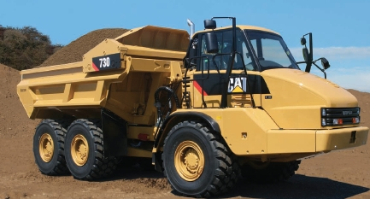

 |  |  |  |  |  | http://www.cat.com

 |  |  | CAT - 730 EJECTOR ARTICULATED TRUCK - APPLICATIONS
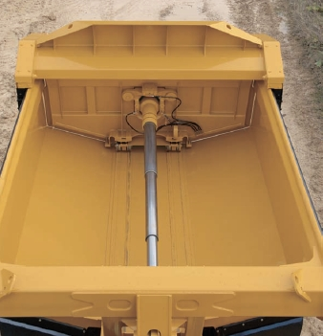

http://www.cat.com

 | Applications
» • Agriculture | Options for your beef cattle operation, dairy operation, ag input supply company or crop production operation.
» • Demolition & Scrap | From razing and scrap handling to loading and site finishing.
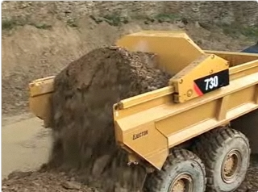
» • Forestry | From road building, mill yard and reforestation, to purpose-built machines that harvest, extract and load.
» • General Construction | Equipment designed to fit the needs of the building construction contractor.
» • Governmental/Defense | Caterpillar is committed to all branches of the military and to U.S. federal government agencies.
» • Heavy Construction | You stay focused on delivering the quality of work your reputation depends on.
» • Industrial | Equipment designed for trenchers, irrigators, chillers, fire pumps, locomotives, mining machines and more.
» • Landscaping | Solutions to help green industry professionals increase productivity, control costs and operate your business more efficiently. |  |  | CAT - 730 EJECTOR ARTICULATED TRUCK - ENGINE
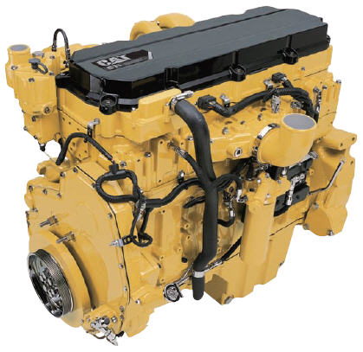
» • Marine | Marine engines and technologies provide proven power and are built to last in any marine application.
» • Mining | Broadest line of mining equipment in the industry that work harder, last longer and help move material at a lower cost.
» • Oil & Gas | Global customer focus and market leader in gas compression, drilling, and well servicing products and systems.
» • Paving | The right equipment, the right people, the right plan.
» • Pipeline | The power to match equipment to production needs, site conditions, and environmental requirements.
» • Power Generation | Diesel and gas generator sets to power supplies, automatic transfer switches and electrical switchgear.
» • Quarry & Aggregates | From wheel loaders to excavators, we have a machine to meet all the challenges. |  |  |  |  | http://www.cat.com/
» • Waste | From loading at a transfer station or recycling center, handling cover at landfills or maintaining sites.

 | http://www.cat.com |  |  |  | http://www.cat.com

"CAT - 730 EJECTOR ARTICULATED TRUCK"
"Weights
Rated Payload 28.1 tones 31 tons
Body Capacities
Heaped SAE 2:1 16.9 m3 22.1 yd^3
Struck 13.5 m3 17.7 yd^3
Transmission
Forward 1 8 km/h 5 mph
Forward 2 14 km/h 9 mph
Forward 3 22 km/h 14 mph
Forward 4 34 km/h 21 mph
Forward 5 47 km/h 29 mph
Forward 6 55 km/h 34 mph
Reverse 1 8 km/h 5 mph
Sound Levels
Interior Cab 76 dB(A)
• The operator sound exposure Leg (equivalent sound pressure level) measured according to the work cycle procedures specified in ANSI/SAE J1166 OCT 98 is 76 dB(A), for the cab offered by Caterpillar, when properly installed and maintained and tested with the doors and windows closed.
• Hearing protection may be needed when operating with an open operator station and cab (when not properly maintained or doors/windows open) for extend d periods or in noisy environments.
Operating Weights
Front Axle – Empty 13 980 kg 30,821 lb
Center Axle – Empty 5960 kg 13,140 lb
Rear Axle – Empty 5610 kg 12,368 lb
Total – Empty 25 550 kg 56,328 lb
Front Axle – Rated Load 900 kg 1,984 lb
Center Axle – Rated Load 13 610 kg 30,005 lb
Rear Axle –Rated Load 13 610 kg 30,005 lb
Total – Rated Load 28 120 kg 61,994 lb
Front Axle – Loaded 14 880 kg 32,805 lb
Center Axle – Loaded 19 570 kg 43,144 lb
Rear Axle – Loaded 19 220 kg 42,373 lb
Total – Loaded 53 670 kg 118,322 lb
Body Plate Thickness
Front 6 mm 0.24 in
Side 6 mm 0.24 in
Base 9 mm 0.35 in
Service Refill Capacities
Fuel Tank 355 L 94 gal
Cooling System 67 L 18 gal
Hydraulic System 175 L 46.5 gal
Engine Crankcase 41 L 11 gal
Transmission 36 L 9.5 gal
Final Drives/Differential 164 L 43.3 gal
Output Transfer Gear Box 18 L 4.8 gal
Ejector Cycle Times
Eject Time 12 Seconds
Retract Time 15 Seconds
Standards
Brakes ISO 3450 – 1996
Cab/FOPS ISO 3449 Level II –2005
Cab/ROPS ISO 3471 – 2008
Steering ISO 5010 – 2007"
http://www.cat.com/
"CAT - 730 EJECTOR ARTICULATED TRUCK - ENGINE"
ACERT Technology
"The Cat® C11 ACERT™ engine introduces a series of evolutionary, incremental improvements that provide breakthrough engine technology built on systems and components developed by Caterpillar with proven reliability.
Advanced Diesel Engine Management (ADEM) A4 Engine Controller
The ADEM™ A4 electronic control module manages fuel delivery and provides flexible fuel mapping, allowing the engine to respond quickly to varying application needs.
Fuel Delivery
Multiple injection fuel delivery involves a high degree of precision. Precisely shaping the combustion cycle lowers combustion chamber temperatures, generating fewer emissions and optimizing fuel combustion. This translates into more work output for your fuel cost.
Noise Reduction Technologies
Noise reduction has been achieved through design changes to the isolated top cover, oil pan, multiple injection strategy, insulated timing case cover, sculpted crankcase and gear train refinements.
Engine Model Cat® C11 ACERT™
Gross Power –SAE J1995, 242 kW 325 hp
Bore 130 mm 5.1 in
Stroke 140 mm 5.5 in
Displacement 11.15 L 680 in3
• The power ratings apply at rated speed of 1,800 rpm when tested under the conditions for the specified standard.
• The net power advertised is the power available at the flywheel when the engine is equipped with alternator, air cleaner, muffler and fan at minimum speed.
• Net power when the fan is at maximum speed is 225 kW (302 hp) per the SAE reference conditions.
• The 730 Ejector meets EPA Tier 3/EU Stage 3a emission specifications for the U.S. and Europe through 2010."
http://www.cat.com/

 |  | CAT - 730 EJECTOR ARTICULATED TRUCK - TRACTION

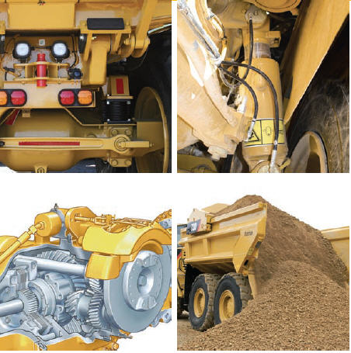

http://www.cat.com

"CAT - 730 EJECTOR ARTICULATED TRUCK"
"Front Suspension
The three-point front suspension oscillates ±6° to provide
a smooth ride, allowing the operator to travel at speed over
rough terrain and softening impact loads on structures and
components. Large bore, low pressure cylinders are purpose
designed for tough applications and offer a soft, smooth ride.
A-Frame Construction
The front suspension uses an oscillating A-frame with
a lateral tie rod to control axle sideways movement.
Rear Suspension
Features a walking beam geometry with Caterpillar designed
rear suspension mounts which provide a reliable and stable
ride for excellent load retention.
Traction Control
The traction control system is comprised of a wet
clutched inter-axle differential and wet clutched cross-axle
differentials. All differentials can be engaged and disengaged
“on-the-go” for maximum versatility. When used together,
the differentials provide 100 percent driveline locking.
Inter-Axle Differential Lock
Locks all three axles in unison and modifies torque
distribution for excellent traction in poor underfoot
conditions and on grades. It is operated by a switch located
at the footrest.
Cross-Axle Differential Locks
Provides full driveline locking – all three axles and all
six wheels – for maximum performance in the most adverse
conditions. Acts in unison with the inter-axle differential
lock when the foot switch is actuated and the dash-mounted
switch is selected.
Mounting Points
Suspension mounting points are integrated into the axle
housing, increasing reliability." http://www.cat.com/
"CAT - 730 EJECTOR ARTICULATED
TRUCK - FRAME"
Front Frame
"The front frame design features a large box section and wide, stiff frame beams to handle torque loads.
The divergent frame design decreases stress in the hitch area and optimizes suspension geometry.
The frame design makes maximum use of robotic welding for increased durability.
Rear Frame
Twin-box construction minimizes stress concentrations and provides low weight with long service life.
Suspension
The three-point oscillating axle front suspension provides unparalleled ride quality. It also protects the truck from adverse road conditions by absorbing shock loads that would reach the frame.
Articulating/Oscillating Hitch
The articulating hitch provides the truck with steering articulation, and the oscillation ensures all-wheel ground contact in rough terrain.
Hitch Construction
Two-piece construction features a durable cast steel head bolted to a hard-wearing forged steel tube.
Service Brakes
Dual-circuit, all wheel braking system. Full power hydraulic system actuates self cleaning caliper disc brakes with independent front and rear circuits and accumulators.
Parking Brake
Located on the center axle in an elevated position out of the dirt and designed to deliver higher heat capacity and abuse resistance." http://www.cat.com/

http://www.cat.com/ |  |  |  |  | http://www.cat.com
CAT - 973C LARGE TRACTOR LOADER
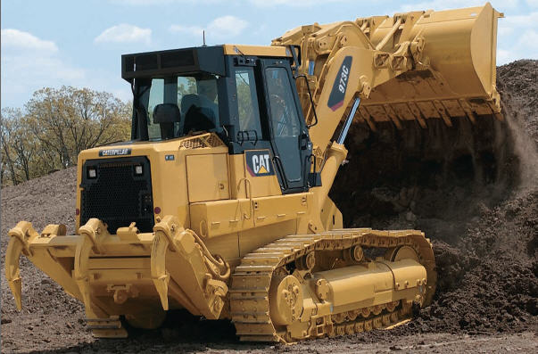

 |  |  |  |  |  | CAT - 730 EJECTOR ARTICULATED TRUCK - FRAME

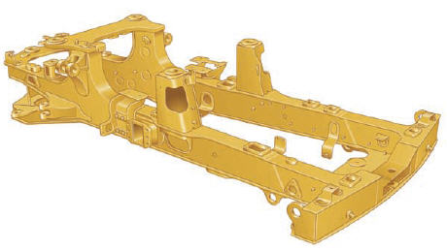

http://www.cat.com/ | D8R Track-Type Tractor operating weight is 82,850 lbs.
"CAT - 973C LARGE TRACTOR LOADER"
above Performance.
A machine designed to be productive over a wide range of tough applications — from heavy clearing to high-volume truck loading, from the slag pits of steel mills to big city landfills.
The 973C not only can master the toughest excavation but can also finish grade
with delicate precision. Reliable, durable, rugged construction, self-diagnosis of electrical and power train systems, and easy maintenance help ensure extended service life.
Special Application Arrangements
Special arrangements – Waste Handling / Demolition, Steel Mill, Wide Gauge and more, are available or can be designed on request to allow the 973C to work in the toughest conditions.
Undercarriage
Improved traction, increased machine stability and reduced frame impact are benefits of the Cat oscillating undercarriage. The Cat sealed and lubricated track reduces pin and internal bushing wear, reduces component friction and track noise, extending track life.
Caterpillar Monitoring System (CMS)
The Caterpillar Monitoring System with flashable memory, monitors the hydrostatic and electrical systems and provides the operator instant feedback on the machine conditions.
Hydrostatic Drive
The hydrostatic drive with electronic control provides precise modulation for quick, smooth operation and superior maneuverability. Shorter cycle times, high efficiency, and excellent maneuverability result in increased productivity.
Engine
The new Cat® C9 ATAAC diesel engine retains the reliability, durability and performance of it’s predecessor, while adding the benefits of Caterpillar® ACERT™ Technology for compliance with the stringent Tier 3/Stage IIIA emission standards."
http://www.cat.com/
 |  |  | Below is the image at: www.made-in-china.com/showroom/vansonix/produ...

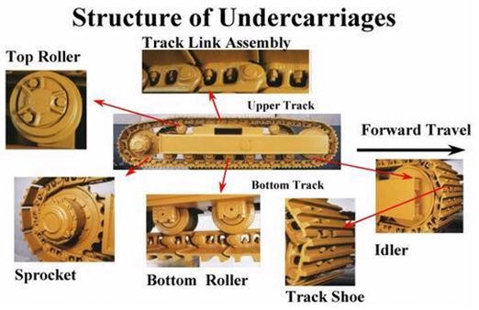

"Track-Type Tractor Construction and Operation"
"Modern tracks are built from modular chain links which compose together a closed chain. These chain links are often broad and made of manganese alloy steel for high strength, hardness, and abrasion resistance.
The links are jointed by a hinge. This allows the track to be flexible and wrap around the set of wheels to make the endless loop.
The vehicle's weight is transferred to the bottom length of track by a number of road wheels, or sets of wheels called bogies.
Road wheels are typically mounted on some form of suspension to cushion the ride over rough ground. Suspension design in military vehicles is a major area of development; the very early designs were often completely unsprung.
Transfer of power to the track is accomplished by a drive wheel , or drive sprocket driven by the motor and engaging with holes in the track links or with pegs on them to drive the track."
"Advantages"
"Tracked vehicles have better mobility than pneumatic tires over rough terrain. They smooth out the bumps, glide over small obstacles and they are capable of crossing trenches or breaks in the terrain.
Riding in a fast tracked vehicle feels like riding in a boat over heavy swells.
Tracks are tougher than tires since they cannot be punctured or torn. Tracks are much less likely to get stuck in soft ground, mud, or snow since they distribute the weight of the vehicle over a larger contact area, decreasing its ground pressure."
"Disadvantages"
"The disadvantages of tracks are lower top speed, much greater mechanical complexity, and the damage that their all-steel versions cause to what passes beneath them: they can severely damage hard terrain like asphalt pavement, but deal less damage to lawns and farm fields than wheeled vehicles."

http://www.cat.com/

 |  |  |  |  |  | http://www.cat.com

 | END OF SECTION

DRIVE CALCULATIONS
DRIVE CALCULATIONS

LEVEL ROAD ROLLING RESISTANCE
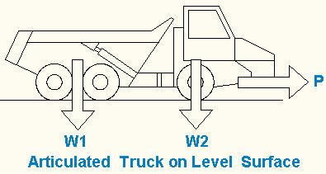

The Road Rolling Resistance (Rr) of wheeled vehicles is the force, acting parallel to a road surface and at the road surface, required to maintain a constant vehicle speed.
This case is zero acceleration.
The table, right, provides typical values for the road rolling resistance expressed in pounds per thousand pounds of vehicle gross weight traveling on a range of road surfaces . Input values below and the spreadsheet will perform the calculations.
 | Road Surface | Rf, lb/1000
 | Concrete, excellent | 10
 | Concrete, good | 15
 | Concrete, poor | 20
 | Asphalt, good | 12
 | Asphalt, fair | 17
 | Asphalt, poor | 22
 | Macadam, good | 15
 | Macadam, fair | 22
 | Macadam, poor | 37
 | Cobbles, ordinary | 55
 | Cobbles, poor | 85
 | Snow, 2 inch | 25
 | Snow, 4 inch | 37
 | Dirt, dry smooth | 25
 | Dirt, dry sandy | 37
 | Mud | 37 to 150
 | Sand, dry level soft | 60 to 150
 | Sand, dry dune | 160 to300

EXAMPLE ONLY
LEVEL ROAD ROLLING RESISTANCE (Rr)

CELLS IN THIS EXAMPLE ARE LOCKED

VEHICLE GROSS WEIGHT W IS EQUAL TO EMPTY WEIGHT PLUSS PAYLOAD
 | Input
Road Surface: | Asphalt, poor
Road rolling resistance factor, Rf = | 22 | lb/1000
Gross vehicle weight, W = W1 + W2 = | 100,000 | lb
Overall mechanical efficiency of drive train, e = | 0.70 | -
Vehicle ground speed, S = | 40 | miles/hr
 | Calculate
Level road rolling resistance, Rr = | W * Rf / 1000
= | 2200 | lb
Vehicle ground speed, s = | S*5280/60
= | 3520 | ft/min
Vehicle draw-bar pull, P = | Rr
= | 2200 | lb
Vehicle net power, HPn = | P*s / 33000
= | 234.7 | hp
Vehicle gross power, HPg = | HPn / e
= | 335 | hp

"GOAL SEEK" BELOW TO DETERMINE THE VEHICLE GROUND SPEED
THAT WILL REDUCE GROSS POWER ABOVE FROM 300 HP TO 168 HP
ANSWER: 20 mph
 | Input |  | Goal Seek Method
Road Surface: | Asphalt, poor |  | 1 - Pick Cell C82 containing a formula with value (335 hp).
Road rolling resistance factor, Rf = | 22 | lb/1000
Gross vehicle weight, W = W1 + W2 = | 100,000 | lb | 2 - Pick drop-down menu: Data > What-If Analysis > To value: (200 hp) > By changing cell: pick cell C71.
Overall mechanical efficiency of drive train, e = | 0.70 | -
Vehicle ground speed, S = | 40 | miles/hr | 3 - OK - See the "Goal Seek" dialog box below.
 | Calculate
Level road rolling resistance, Rr = | W * Rf / 1000 |  | 4 - Result: Vehicle ground speed, S =24 mph when vehicle power is 200 hp.
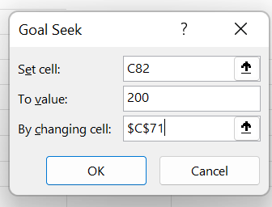
= | 2200 | lb
Vehicle ground speed, s = | S*5280/60
= | 3520 | ft/min
Vehicle draw-bar pull, P = | Rr
= | 2200 | lb
Vehicle net power, HPn = | P*s / 33000
= | 234.7 | hp
Vehicle gross power, HPg = | HPn / e
= | 335 | hp

GRADE DRIVE RESISTANCE (Rg)

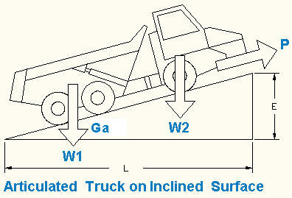

VEHICLE GROSS WEIGHT W IS EQUAL TO EMPTY WEIGHT PLUSS PAYLOAD
See Vector Diagram below | Input
Road elevation increase, E = | 2.0 | ft
Road level length, L = | 24 | ft
Gross vehicle weight, W = W1 + W2 = | 100,000 | lb
Overall mechanical efficiency of drive train, e = | 0.70 | -
Vehicle ground speed, S = | 10 | miles/hr
 | Calculate
Grade percent, Gp = | E / L
= | 8.3%
Grade angle, Ga = | 57.3*Atan(E/L)
= | 4.76 | deg
Grade drive resistance, Rg = | W * Sin(Ga deg/57.3)
= | 8305 | lb
Vehicle ground speed, s = | S*5280/60
= | 880 | ft/min
Vehicle draw-bar pull due to grade only, Pg = | Rg
= | 8305 | lb
Vehicle net power due to grade only, HPgn = | P*s / 33000
= | 221.5 | horsepower
Vehicle gross power due to grade only, HPg = | HPn / e
= | 316.4 | horsepower
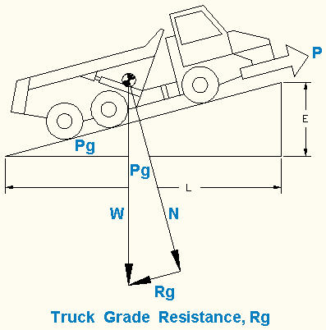

AIR DRAG

Drag Coefficient (Cd)
Object | Cd
Streamline body | 0.04
Typical four door sedan | 0.30 to 0.35
Box shaped SUV | 0.35 to 0.45
Cube | 0.80
Squared flat plate at 90 deg to air flow | 1.17
Long flat plate at 90 deg | 1.98

AIR DRAG POWER IN STILL AIR
One horsepower, 33,000 ft·lbf/min | Input
Vehicle speed, S = | 50 | mph
Front area, A = | 70 | ft^2
Drag coefficient, Cd = | 0.35
 | Calculate
Vehicle speed, v = | 1.467*S
= | 73.35 | ft/sec
Vehicle speed, V = | v*60
= | 4401 | ft/min
Standard sea level air density, d = | 0.0765 | lb/cu ft
Standard sea level air density, ρ = | d / 32.2
= | 0.002368 | slugs/cu ft
Air Drag, D = | (1/2)*ρ*v^2*A*Cd
= | 156 | lb
Air Drag Power, P = | D * V / 33000
= | 20.8 | hp

CLUTCH TORQUE CAPACITY

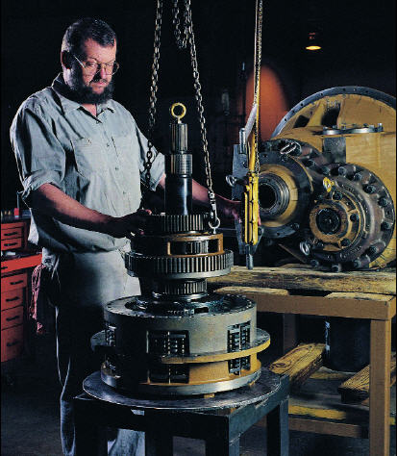

Above maintenance information may be found at: | http://www.cat.com/
Perfection Clutch - Company Headquarters
100 Perfection Way Timmonsville, SC 29161 USA Phone: 800-258-8312 http://www.perfectionclutch.com/contact.html In general, the following numbers can be used for Perfection Clutch and ZOOM Performance Clutch Products: Stock Organic Facing Material = 0.25 Carbon/Kevlar Material = 0.28 Kevlar Material = 0.36 Ceramic Material = 0.38 Steel Material = .40

MULTIPLATE CLUTCH TORQUE CAPACITY, T
 | Input
Clamp load, P = | 1000 | lb
Clutch disc outside diameter, D = | 9.50 | in
Clutch disc inside diameter, d = | 6.00 | in
Number of clutch discs, n = | 4 | -
Coefficient of friction, f = | 0.25 | -
Clutch rotational speed, N = | 1000 | revs/min
 | Calculate
Clutch disc outside radius, R = | 0.396 | ft
Clutch disc inside radius, r = | 0.250 | ft
Clutch disc radius of gyration, Rg = | ((D^2 + d^2) / 2)^(1/2)
= | 0.331 | ft
Clutch torque capacity, T = | P * Rg * n * f
= | 331.0 | lb-ft
Power transmitted, P = | 2*π*N*T / 33000
= | 63.0 | hp

ENGINE TORQUE
 | Input
Engine crankshaft speed, N = | 1200 | revs/min
Engine horsepower, HP = | 200
 | Calculate
Engine torque, T = | 5252*HP / N
= | 875.3 | lb-ft

ALL WHEEL DRIVE, ENGINE TORQUE REQURED TO SLIP TIRES

 | Input
Gross vehicle weight, W = W1 + W2 = | 7000 | lb
Coefficient of friction: tires on road surface, u = | 0.5 | -
Rolling radius of driving wheels, r = | 19.5 | in
Overall gear reduction of drive train & axle, R = | 10 | -
Overall mechanical efficiency of drive train & axle, e = | 0.70 | -
 | Calculate
Wheel / Road slip torque, ST = | (W*u*r) / (R*e)
= | 9750 | lb-in
= | 813 | lb-ft

ROLLING RADIUS OF DRIVING TIRE

 | Input
Vehicle speed (mph), S = | 15 | miles/hr
Engine revolutions per minute, N = | 1327 | rev/min
Overall gear reduction of drive train & axle, R = | 10 | -
 | Calculate
Tire rotational speed, n = | N / R | equation-1
= | 132.6847906 | rev/min
Vehicle speed (fpm), s = | 88*S
= | 1320 | ft/min
Tire rolling radius circumference, C = | 2*π*r
Tire rotational speed, n = | s / C
n = | s / (2*π*r) | equation-2
Rolling radius of driving wheel, r = | s / (2*π*n)
= | 1.6 | ft
= | 19.00 | in

DRIVING WHEEL TRACTIVE FORCE
 | Input
Gross engine torque (lb-ft), T = | 200 | lb-ft
Overall gear reduction of drive train & axle, R = | 10 | -
Overall mechanical efficiency of drive train & axle, e = | 0.72 | -
Rolling radius of driving wheel, r = | 19.5 | in
 | Calculate
Gross engine torque (lb-in), t = | T * 12
= | 2400 | lb-in
Tractive force, F = | (t*R*e) / r
= | 886 | lb

OVERALL VEHICLE GEAR REDUCTION
 | Input
Vehicle speed (mph), S = | 15 | miles/hr
Engine revolutions per minute, N = | 1293 | rev/min
Rolling radius of driving wheel, r = | 19.5 | in
 | Calculate
Vehicle speed (fpm), s = | 88*S
= | 1320 | ft/min
Tire rolling radius circumference, C = | 2*π*r
= | 122.5 | in
Tire rotational speed, n = | s / C
n = | s / (2*π*(r/12))
= | 129.28 | rev/min
Overall gear reduction of drive train & axle, R = | N / n
= | 10.0

DRAW BAR PULL
 | Input
Road rolling resistance factor, Rf = | 15 | lb/1000
Gross vehicle weight, W = | 80000 | lb
Gross engine torque (lb-ft), T = | 373 | lb-ft
Overall gear reduction of drive train & axle, R = | 8
Overall mechanical efficiency of drive train & axle, e = | 0.85 | -
Rolling radius of driving wheel, r = | 19.5 | in
 | Calculate
Level road rolling resistance, Rr = | W * Rf / 1000
= | 1200 | lb
Draw bar pull, Pd = | (T*R*e) / (r/12) - Rr
= | 360 | lb

AXLE TORQUE
 | Input
Engine torque, T = | 168 | lb-ft
Gear engaged reduction, Rt = | 6.80
Axle gear reduction, Rta = | 1.50
Auxiliary transmission gear reduction, Ra = | 5.14
 | Calculate
Axle torque, Ta = | T*Rt*Rta*Ra
= | 8808 | lb-ft

TRACTOR GROUND SPEED
 | Input
Engine crankshaft speed, N = | 1800 | rev/min
Overall gear reduction, R = | 61 | -
Track laying sprocket number of teeth, T = | 41 | -
Track link length, L = | 8 | in
 | Calculate
Track sprocket pitch circle circumference, C ≈ | T * L / 12
≈ | 27.3 | ft
Feet per mile, F = | 5280 | ft/mile
Tractor ground speed, V = | 60* N * C / (R * 5280)
= | 9.165 | miles/hr

 | END OF SECTION

DIESEL ENGINES
DIESEL ENGINE POWER

DIESEL ENGINES

Air Standard Diesel Cycle
The piston in the cylinder of a diesel engine compresses the air above ignition temperature without the need for a spark.
Most diesel powered automobile engines have compression ratios of, 13.5 to 17.5:1 designed to run on No.6 heavy fuel oil, natural gas, and light distillate fuel oils.
Emissions from diesel engines include: nitrogen oxides, unburned hydrocarbons
( polycyclic aromatic hydrocarbons), and carbon monoxide as do gasoline engines.
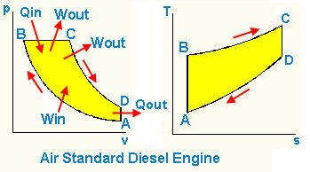

Air Standard Diesel Cycle, continued
The air standard diesel cycle is ideal but not practical. This power cycle has the highest theoretical efficiency and is used to compare efficiencies of practical diesel engines.
Btu
A British Thermal Unit (BTU) is the amount of heat energy needed to raise the temperature of one pound of water by one degree F at standard temperature and pressure.
This is the standard measurement used to state the amount of energy that a fuel has as well as the amount of output of any heat generating device.
Isothermal Process
An isothermal process is a change of a system, in which the temperature remains constant: ΔT = 0. This typically occurs when a system is in contact with an outside thermal reservoir (heat bath), and the change occurs slowly enough to allow the system to continually adjust to the temperature of the reservoir through heat exchange. Wikipedia
Enthalpy (h)
A thermodynamic quantity equivalent to the total heat content of a system. It is equal to the internal energy of the system plus the product of pressure and volume.
Entropy
Thermodynamic quantity representing the unavailability of a system's thermal energy for conversion into mechanical work, often interpreted as the degree of disorder or randomness in the system.
"the second law of thermodynamics says that entropy always increases with time"
In classical thermodynamics, the entropy is defined only for a system in thermodynamic equilibrium.
Isobaric Process
An isobaric process is a thermodynamic process in which the pressure remains constant.
This is usually obtained by allowed the volume to expand or contract in such a way to neutralize any pressure changes that would be caused by heat transfer.
In an isobaric process, there are typically internal energy changes, work is done by the system, and heat is transferred, so none of the quantities in the first law of thermodynamics readily reduce to zero.
However, the work at a constant pressure can be fairly easily calculated with the equation:
W = p + ΔV
Since W is the work, p is the pressure (always positive) and delta-V is the change in volume, we can see that there are two possible outcomes to an isobaric process:
•If the system expands (delta-V is positive), then the system does positive work (and vice versa)
•If the system contracts (delta-V is negative), then the system does negative work (and vice versa)
In a phase diagram, an isobaric process would show up as a horizontal line, since it takes place along a constant pressure.

THE DIESEL POWER CYCLE
A to B: Isentropic compression, illustrated above. In thermodynamics, an isentropic process or isentropic process is one during which the entropy of the system remains constant.
Win = cv(TB - TA)
B to C: Constant pressure heating.
Qin = c_{p}(T_{C} - T_{B})
C to D: Isentropic expansion,
Win = I c_{v}(T_{D} - T_{C}) + (C_{P} - C_{V})(T_{C} - T_{B}) I (positive values)
D to A: Constant volume cooling.
Qout = I c_{v}(T_{A} - T_{D}) I (positive values)
Diesel engines can be two-stroke or four stroke. The p-v and T-s diagrams are the same for both types. The difference is the number of power strokes.
Two stroke has one power stroke per revolution.
Four stroke has one power stroke per two revolutions.
Compression ratio, R_{v} = V_{A}/V_{B}
Cut-off volume = V_{C}
Cut-off ratio, Rc = V_{C}/V_{B} = T_{C}/T_{B}
Pressure, volume, and temperature at each point in a cycle can be calculated from the deal gas equations.
Ideal gas equation: P_{A}V_{A} / T_{A} = P_{B}V_{B} / T_{B}
Because the piston travel is fixed the temperature ratios are equal:
T_{D} / T_{C} = T_{A} / T_{B}
Pressure, volume, and temperature for the isentropic and constant volume ideal gas processes can be evaluated using air tables or the ideal gas equations.
Thermal efficiency of the diesel cycle can be found from:
η_{th} = (Qin - Qout) / Qin = (Wout - Win) / Qin
η_{th} = 1 - (T_{D} - T_{A}) / (k(T_{C} - T_{B})
Diesel engines have the highest thermal efficiency of steam and combustion engines including turbines.
EXAMPLE: Diesel Cycle
A diesel cycle with a compression ratio of 18 operates on air.
The low pressure is 200 kPa and low temperature 200 deg C.
The work output is 1000 kJ/kg.
a. Determine the diesel cycle thermal efficiency.
b. Calculate the Mean Effective Pressure MEP.
c. Find the Otto cycle efficiency operating at the same maximum pressure.
Answers:
a. Diesel cycle thermal efficiency, 62.9 %
b. MEP = 641 kPa
c. Otto cycle efficiency = 58.1%
The example below is locked.
Please use the "PROBLEM" below to solve this and similar problems.

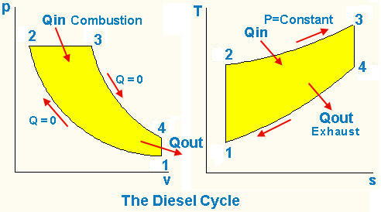

EXAMPLE: DIESEL CYCLE EFFICIENCY

CELLS IN THIS EXAMPLE ARE LOCKED - SEE PROBLEM BELOW THIS EXAMPLE
 | Input
Compression ratio, r = V1/V2 = | 18
Low temperature, t1 = | 200 | deg C
Low pressure, P1 = | 200 | kPa
Work output, Wout = | 1000 | kJ/kg
 | Calculate
Air specific heat at constant pressure, Cp = | 1.00
Air specific heat at constant volume, Cv = | 0.717
Universal gas constant, R = | 0.287
T1 = | t1 + 273
= | 473 | deg K
v1 = v4= | R*T1 / P1
= | 0.6788 | m^3/kg
v2 = | v1 / 18
= | 0.03771 | m^3/kg
Process 1-2 is isentropic
k = | 1.40
T2 = | T1*(v1 / v2)^(k-1)
= | 1503 | deg K
P2 = | P1*(v1 / v2)^k
= | 11440 | Pa
= | 11.44 | Mpa
Process 3-4 is isentropic
T4 = | T3*(v3 / v4)^(k-1)
T4/T3 = | (v3 / v4)^0.4
T4/(T3*v3^0.4) = | (1 / v4)^0.4
T4/(T3*v3^0.4) = | 1.1677
C1 = | 1.1677
0 = | C1 - T4/(T3*v3^0.4) | Eq-1
Process 2-3 is constant pressure
T3 / v3 = | T2 / v2
T3 / v3 = | 39859
C2 = | 39859
0 = | C2 - T3 / v3 | Eq-2
Work output per cycle
Work output per cycle, Wout = | Q3-4 + Q4-1
Wout = | Cp*(T3 - T2) + Cv*(T1 - T4)
Wout + Cp*T2 - Cv*T1 = | Cp*T3 - Cv*T4
(Wout + Cp*T2 - Cv*T1)/Cv = | Cp / Cv*T3 - T4
Wout/Cv + k*T2 - T1 = | k*T3 + T4
k*T3 + T4 = | Wout / Cv + k*T2 - T1
k*T3 - T4 = | 3026
C3 = | 3026
0 = | C3 - 1.4*T3 + T4 | Eq-3

Unknowns: T3 = ?, T4 = ?, v3 = ?
Combine equations: 1, 2, & 3 above to find: T3, T4, and v3.
0 = | C1 - T4/(T3*v3^0.4) | Eq-1
0 = | C2 - T3 / v3 | Eq-2
0 = | C3 - 1.4*T3 + T4 | Eq-3

T3 = | C2*v3 | Eq-2
...
EXCEL'S GOAL SEEK METHOD
Guess the value of v3 and use, "Goal Seek" to adjust v3 so that
the equation 1.4*C2*v3 - C3 - C2*v3*C1*v3^0.4 will effectively equal zero.

Click on the, "MATH TOOLS" tab below and read the "Goal Seek" method.

1. Pick the (YELLOW CELL) below containing Equation-6
2. To the right of the Data tab pick, “What-If Analysis” followed by, “Goal Seek”
3. Type in the, "To value" box as shown below.
4. Pick the "By changing cell" (GREEN CELL) box and OK.

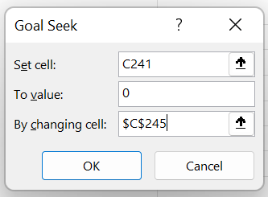
0 = | 1.4*C2*v3 - C3 - C2*C1*v3^1.4
0 = | 0.000 |  | Eq-6

"Goal Seek" will iterate v3 below until the right hand side of Eq-6 equal to 0.

Guess: v3 = | 0.0774 | m^3/kg
From above, C1 = | 1.1677
From above, C2 = | 39859
From above, C3 = | 3026

T3 = | C2*v3 | Eq-2
= | 3087 | deg K

T4 = | C1*T3*v3^0.4 | Eq-3
= | 1295.3 | deg K

Cut-Off Ratio, rc = | v3 / v2
= | 2.054
a. Diesel cycle thermal efficiency, ηt = | 1 - ((1 / (r^(k-1))*((rc^k - 1) / (k*(rc - 1)))))
...
b. Mean Effective Pressure, MEP = | Wout / (v1 - v2)
= | 1560 | kPa
Equivalent Otto cycle compression ratio, rOtto = | v1 / v3
= | 8.77
c. Otto cycle efficiency, ηOtto = | 1 - (1 / (rOtto^(k-1)))
= | 58.0%

PROBLEM: DIESEL CYCLE EFFICIENCY

CELLS IN THE PROBLEM BELOW ARE UNLOCKED
Diesel Cycle Problem
A diesel cycle with a compression ratio of 18 operates on air.
The low pressure is 200 kPa and low temperature 200 deg C.
The work output is 1000 kJ/kg.
a. Determine the diesel cycle thermal efficiency.
b. Calculate the Mean Effective Pressure MEP.
c. Find the Otto cycle efficiency operating at the same maximum pressure.
Answers:
a. 62.9 %
b. MEP = 641 kPa
c. Otto cycle efficiency = 58.1%
Use the Input and Calculation below to solve this and similar problems.

USE THIS PROBLEM
Diesel Cycle Problem | Input
Compression ratio, r = V1/V2 = | 18
Low temperature, t1 = | 200 | deg C
Low pressure, P1 = | 200 | kPa
Work output, Wout = | 1000 | kJ/kg
 | Calculate
Air specific heat at constant pressure, Cp = | 1.00
Air specific heat at constant volume, Cv = | 0.717
Universal gas constant, R = | 0.287
...
0 = | C3 - 1.4*T3 + T4 | Eq-3
T4 = | 1.4*C2*v3 - C3 | Eq-5 = T3 in Eq-2 in Eq-3

C2*v3*C1*v3^0.4 = | 1.4*C2*v3 - C3 |  | Eq-4 = Eq-5
0 = | 1.4*C2*v3 - C3 - C2*C1*v3^1.4

EXCEL'S GOAL SEEK METHOD
Guess the value of v3 and use, "Goal Seek" to adjust v3 so that
the equation 1.4*C2*v3 - C3 - C2*v3*C1*v3^0.4 will effectively equal zero.

Click on the, "MATH TOOLS" tab below and read the "Goal Seek" method.
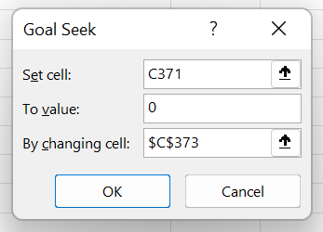
1. Pick the (YELLOW CELL) below containing Equation-6
2. To the right of the Data tab pick, “What-If Analysis” followed by, “Goal Seek”
3. Type in the, "To value" box as shown below.
4. Pick the "By changing cell" (GREEN CELL) box and OK.

0 = | 1.4*C2*v3 - C3 - C2*C1*v3^1.4
0 = | -244.301 |  | Eq-6
"Goal Seek" will iterate v3 below until the right hand side of Eq-6 equal to 0.
Guess: v3 = | 0.0700 | m^3/kg
From above, C1 = | 1.1677
From above, C2 = | 39859
From above, C3 = | 3026

T3 = | C2*v3 | Eq-2
= | 2790 | deg K

T4 = | C1*T3*v3^0.4 | Eq-3
= | 1125 | deg K
...
BRAKE SPECIFIC FUEL CONSUMPTION
"Brake Specific Fuel Consumption (or BSFC"
"is the ratio between the engine's fuel mass consumption and the crankshaft power it is producing.
To calculate the actual efficiency of an engine requires the energy density of the fuel being used.
Different fuels have different energy densities defined by the fuels heating value. The lower heating value LHV is used for internal combustion engines efficiency calculations because the heat at temperatures below 150 °C (300 °F) cannot be put to use.
Some examples of lower heating values for vehicle fuels are:
Certification gasoline = 18640 BTU/lb = 0.01204 kW·h/g Regular gasoline = 18917 BTU/lb = 0.0122225 kW·h/g Diesel fuel = 18500 BTU/lb = 0.0119531 kW·h/g Thus a diesel engine's efficiency = 1/(BSFC*0.0119531)
and a gasoline engine's efficiency = 1/(BSFC*0.0122225)"
Wikipedia
 |  |  |  | Name | HHV | LHV | HHV/LHV | LHV/HHV
 |  |  |  |  | (MJ/kg) | (MJ/kg)
 |  |  |  | Coal [note 1] | 34.1 | 33.3 | 1.024 | 0.977
 |  |  |  | CO | 10.9 | 10.9 | 1 | 1
 |  |  |  | Methane | 55.5 | 50.1 | 1.108 | 0.903
 |  |  |  | Natural gas [note 2] | 52.2 | 47.1 | 1.108 | 0.903
 |  |  |  | Propane | 48.9 | 45.8 | 1.068 | 0.937
 |  |  |  | Gasoline [note 3] | 46.7 | 42.5 | 1.099 | 0.91
 |  |  |  | Diesel [note 3] | 45.9 | 43 | 1.067 | 0.937
 |  |  |  | Hydrogen | 141.9 | 120.1 | 1.182 | 0.846

 |  |  |  |  | 1. ^ Anthracite, average
 |  |  |  |  | 2. ^ Groningen (The Netherlands)
 |  |  |  |  | 3. ^ a b Average gas station fuels

 |  |  | END OF SECTION

FLUID POWER
FLUID POWER

Below is the image at: www.beavervalleysupply.com/sectione/degblades.htm
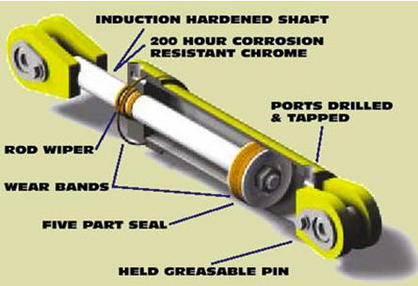

Mobile Equipment Hydraulic Cylinder above.

HYDRAULIC CYLINDER EXTENDING
One gallon = 231 cu in

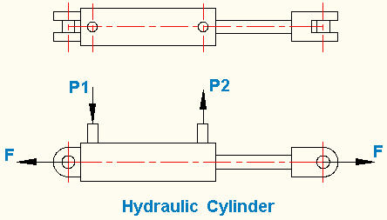

CYLINDER FORCE (+) EXTENDING, (-) RETRACTING
 | Input |  | Standard
Head end hydraulic pressure, P1 = | 1500 | psi | Cylinder
Rod end hydraulic pressure, P2 = | 30 | psi | Bores (in)
Cylinder bore, D = | 4.00 | in | 1.00
Piston rod diameter, d = | 2.00 | in | 1.50
 | Output |  | 2.00
Cylinder area extending, Ae = | π*D^2 /4 |  | 2.50
= | 12.566 | in^2 | 3.25
...

BUCKET ARM FORCES
BUCKET ARM FORCE ANALYSIS

Below is the image at: australia.cat.com/cda/layout?m=304236&x=7&f=
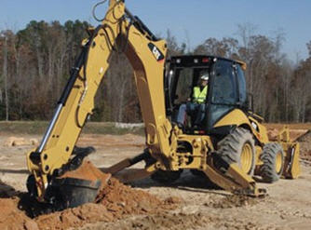

CAT BACKHOE LOADER

http://www.cat.com/

BACKHOE EXAMPLE

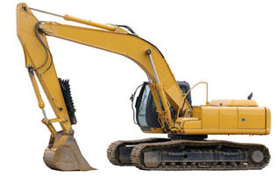

Backhoe
Above is the image in its original context on the page: www.chesterfieldgroup.co.uk/products/mobile.html

BUCKET ARM FORCES
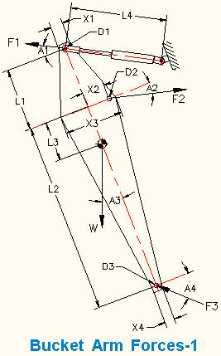

Strength and Stiffness Analysis
The strength and stiffness analysis of the backhoe begins with a "Free Body Diagram" of one of the members, shown above :
Force F1 = Hydraulic pressure x piston area.
Weight W = arm material volume x density.
Force F3 = (Moments due to F1 and W) / (L1 x cos A4)
Force F2 = ( (F1 cos A1) - (W sin A3) + (F3 cos A4) ) / cos A2
Moment Mmax = F1 x cos A1 x L1
Arm applied bending stress, S = K x Mmax D2 / (2 I)
I = arm area moment of inertial at D2 and
K = combined vibration shock factor.
Safety factor, SF = Material allowable stress / Applied stress
The applied stress and safety factor must be calculated at each high stress point.

Bucket Arm Forces
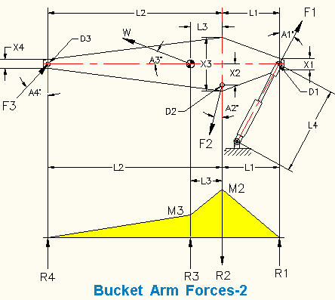

Bucket Arm Cylinder
 | Input
Bucket arm cylinder bore, D = | 6.00 | in
Bucket arm cylinder rod diameter, d = | 2.00 | in
Bucket arm cylinder length, L4 = | 100 | in
Bucket arm cylinder pressure, P = | 2000 | lb/in^2
...
D2 = | 3.00 | in
D3 = | 3.00 | in
Bucket Arm Cylinder Force | Calculate
Bucket arm cylinder force extending, +F1 = | P*(π*D^2 / 4)
= | 56549 | lb
Bucket arm cylinder force retractinging, -F1 = | P*(π*(D - d)^2 / 4)
 | 25133 | lb

Bucket Arm Weight and Center of Gravity
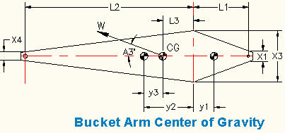

Approx. weight of 2 bucket arm side plates, Ws = | ρ*t*(2*(L1+6)*(X1 + X3)/2) + (2*(L2+6)*(X3 + X4)/2)
= | 5240 | lb
Approx. weight of arm top & bottom plates, Wtb = | ρ*t*b*2*(L1 + L2 + 14)
= | 160.632 | lb
Approximate bucket arm weight, W = | Ws + Wtb
= | 5401 | lb
y1 = | L1*(2*X1 + X3) / (3*(X1 + X3))
= | 20.83 | in
y2 = | L2*(2*X4 + X3) / (3*(X4 + X3))
...
A1 = | L1*(X1 + X3)/2
= | 1000 | in^2
A2 = | L2*(X4 + X3)/2
= | 2340 | in^2
y3 = | A1*(y1 + y2) / (A1 + A2)
 | 20.98 | in
L3 = | y2 - y3
= | 28.25 | in

Bucket Arm Force Balance
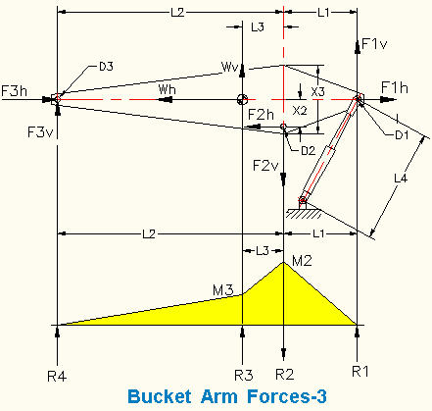

Note: Excel measures angles in radians.
Angle in radians = | Angle in degrees / 57.3
Vertical and Horizontal Vectors Replacing, F1
Vertical vector, F1v = | F1*Cos(A1/57.3)
= | 53139 | lb
Horizontal vector, F1h = | F*Sin(A1/57.3)
= | 19339 | lb
Vertical and Horizontal Vectors Replacing, W
Vertical vector, Wv = | W*Sin(A3/57.3)
...
F3v + Wv - F2v + F1v = | 0
0 | 0
Horizontal forces balance:
F3h + Wh - F2h + F1h = | 0
0 | 0

Bucket Arm Strength

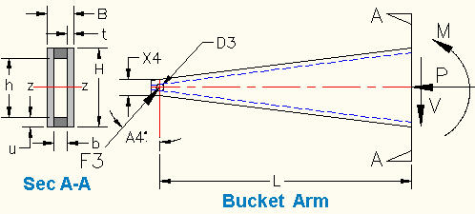

 | Input
Bucket force from above, F3 = | 27418 | lb
A4 = | 45 | deg
L = | 36.00 | in
H = | 24.00 | in
B = | 4.00 | in
Arm plate thickness, t = | 0.75 | in
Top and bottom plate thickness, u = | 2.00 | in
Allowable tensile stress, Sta = | 12000 | lb/in^2
Allowable shear stress, Ssa = | 8000 | lb/in^2
...
= | 1433 | lb/in^2
Safety Factors
Tension Safety Factor, SFt = | Sta / St
= | 1.95
Shear Safety Factor, SFs = | Ssa / S
= | 5.58

BOLTED LAP JOINT FAILURE MODES
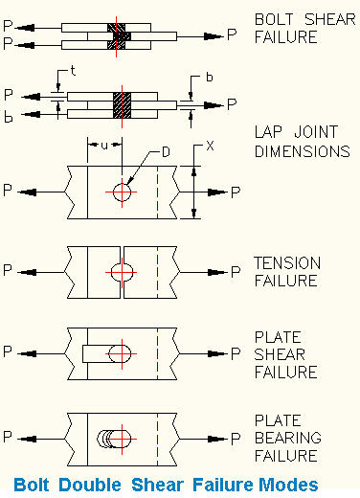

PIVOT PIN STRENGTH
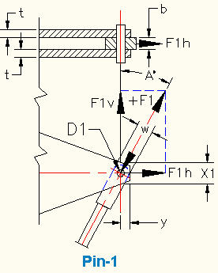

DATA
Bucket arm cylinder tension or compression, F1 = 56.55
Bucket arm cylinder force angle, A1 = 20 deg
Bolt allowable shear stress, Sbs = 17.5 kpsi
Plate allowable tension stress, Spt = 21.6 kpsi
Plate allowable shear stress, Sps = 29.0 kpsi
Plate allowable bearing stress, Spb = 58.0 kpsi
Bolt diameter, D1 = 2.000
Center plate thickness, b = 2.000
Center plate width, w = 4.000
Each side plate thickness, t = 1.500
Joint width, X1 = 4.000
Shear dimension, y = 2.000 in
Combined vibration shock factor, K = 1.5
PIN CONNECTION STRENGTH
 | Input
Bucket arm cylinder tension or compression, F1 = | 56.55 | kpsi
Bucket arm cylinder force angle, A1 = | 20 | deg
Bolt allowable shear stress, Sbs = | 17.5 | kpsi
Plate allowable tension stress, Spt = | 21.6 | kpsi
Plate allowable shear stress, Sps = | 30.0 | kpsi
Plate allowable bearing stress, Spb = | 58.0 | kpsi
Bolt diameter, D1 = | 2.500 | in
Center plate thickness, b = | 3.500 | in
Center plate width, w = | 4.000 | in
Each side plate reinforcement thickness, t = | 2.000 | in
Joint width, X1 = | 4.000 | in
Shear dimension, y = | 2.000 | in
Combined vibration shock factor, K = | 1.500
 | Calculations
Note: Pin maximum shear stress is 1.33 x average shear stress
Bolt double shear strength, Pbs = | (Sbs * 2 * Pi* D1^2/ 4) / 1.33
= | 129.2 | kips
Bolt hole diameter, Dh = | D1 + 1/6
= | 2.563 | in
Center plate tension strength, Pct = | Spt * b * ( w - Dh )
= | 108.7 | kips
Center plate shear strength, Pps = | Sps * b * 2 *((w-D1)/2)
= | 157.5 | kips
Center plate bearing strength, Ppb = | Spb * b * D1
= | 507.5 | kips
Side plate tension strength, Pct = | Spt * 2 * t * ( X1 - Dh )
= | 124.2 | kips
Side plate shear strength, Pps = | Sps * 4 * t * y
= | 480.0 | kips
Side plate bearing strength, Ppb = | Spb * 2 * t * D1
= | 580.0 | kips

MINIMUM SAFETY FACTOR
 | Input
Minimum failure load above, Pmin = | 82.70 | kips
Applied load, Pa = | 25 | kips
...

UNITS
...
 |  | MATH TOOLS
Spread Sheet Method
1. Type in values for the Input Data.
2. Excel will make the Calculations.
Excel's GOAL SEEK
Excel's, "Goal Seek" adjusts one Input value to cause a Calculated formula cell to equal a given value.
When using Excel's Goal Seek, unprotect the spread sheet by selecting:
Drop down menu: Home > Format > Unprotect Sheet > OK
When Excel's Goal Seek is not needed, restore protection with:
Drop down menu: Home > Format > Protect Sheet > OK

 |  | Unlock a worksheet with "Unprotect"
 |  | Step-1 | HOME
 |  | Step-2 | Format
 |  | Step-3 | Unprotect Sheet
 |  | Step-4 | OK
 |  | Lock a worksheet with "Protect Sheet" |  |  | Protect Sheet Box Opens
 |  | Step-5 | HOME |  | NEW EXCEL |  |  |  | OLD EXCEL
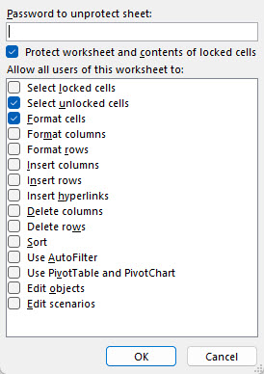
 |  | Step-6 | Format
 |  | Step-7 | Protect Sheet
 |  | Password is not required.
...
 |  | Check the "Protect Sheet" two boxes right >>
 |  |  | Select Unlocked Cells
 |  |  | Format Cells
...
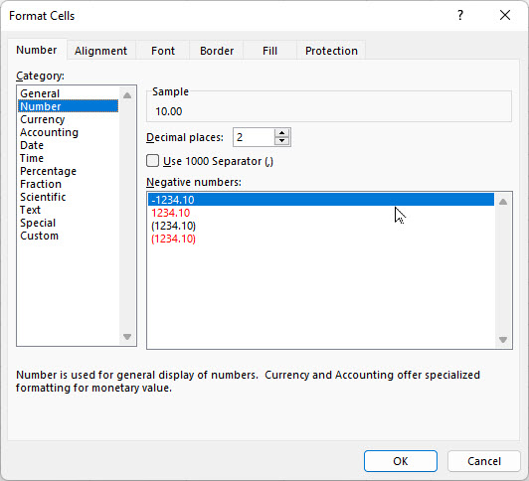
...
 |  |  |  |  |  |  |  |  | Step | Enter
 |  |  |  |  |  |  |  |  | 1 | 10
 |  |  |  |  |  | Follow Steps>> |  |  | 2 | 6
 |  | GOAL SEEK |  |  |  | H = | 10.00 | lbs | 3 | Format
 |  |  | Input |  |  | V = | 6.00 | llbs | 4 | Format Cells
 |  | Horizontal force, H = | 10.00 | lbs |  | TAN(A) = | V/H |  | 5 | Number
 |  | Vertical force, V = | 6.00 | lbs |  | = | 0.6000 | number | 6 | Decimal Places
 |  |  | Calculation |  |  | Angle A = | ATAN(V/H) |  | 7 | 2
7.375 | ft-lbf | Resultant force, R = | ( H^2 + V^2 )^(1/2) |  |  | = | 0.5404 | radians | 8 | OK
0.0095 | Btu | = | 11.7 | lbs |  | A radians = | 57.3*A | degrees | 9 | 10.00
7.3746 | ft-lbf/sec | Angle, A = | 57.30 * ATAN(V / H) |  |  | Angle A = | 57.3*A |  | 10 | 6.00
0.0095 | Btu/sec | = | 30.97 | deg |  | = | 30.97 | degrees
22.05 | lbm/sec
353.11 | ft3/sec | GOAL SEEK method
2.3883 | Btu/lbm-deg R | Step-1 Select the green cell C38 containing a formula.
4.2992 | Btu/lbm | Step-2 Select: DATA > What-If Analysis > Goal Seek
2.3883 | Btu/lbm-deg R | Step-3 To value: 14, for example
160.21 | ft3/lbm | Step-4 Pick cell containing value to be changed by Excel: C34 or C35 > OK
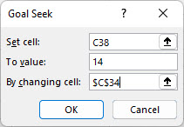
7.07 | hp
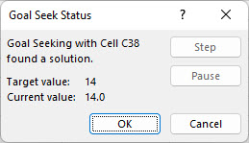
0.02 | hp
13.410 | hp

M = Mega = 106 | k = kilo = 103 |  |  |  |  |  |  |  |  | To open another, "Work Sheet Lesson" select a tab at the bottom of this spreadsheet.
 |  |  |  |  |  |  |  |  |  | To unlock the cells of this spreadsheet: Home > Format > Unprotect Sheet.
OBTAIN | UNITS |  |  |  |  |  |  |  |  | To lock the cells of this spreadsheet: Home > Format > Protect Sheet.
3.0480 | m
4.54 | kg
10.00 | s | Select > OK and "Goal Seek Status'>> will open > OK
0.9290 | m2
0.2832 | m3
3.0480 | m/s
3.0480 | m/s2
10.00 | rad/s
44.4800 | N
160.2000 | kg/m3
1571 | N/m3
...

