SUMMARY
M382 INDUSTRIAL SPRING SPREADSHEET

SUMMARY
Springs types
1. Compression & Extension Springs (Round wire & Square or Rectangular Section)
2. Torsion Springs
3. Hot Coiled Springs
4. Spiral Springs
5. Power Springs
6. Constant Force Springs
7. Flat Springs
8. Disc Springs
9. Belleville Washer
10. Wave, Curved and Serrated Washers
11. Spring Dowel Pins
12. Wire forms
13. Strip Springs
 |  |  | John Andrew LLC
 |  |  | Copyright © 12/12/2022
DISCLAIMER: The materials contained in the online course are not intended as a representation or warranty on the part of John Andrew LLC or any other person/organization named herein. The materials are for general information only. They are not a substitute for competent professional advice. Application of this information to a specific project should be reviewed by a registered professional engineer. Anyone making use of the information set forth herein does so at their own risk and assumes any and all resulting liability arising therefrom.

 |  |  |  | COMPRESSION SPRING

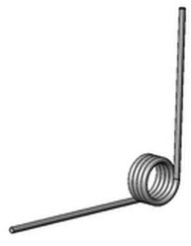

 |  |  |  | TORSION SPRING

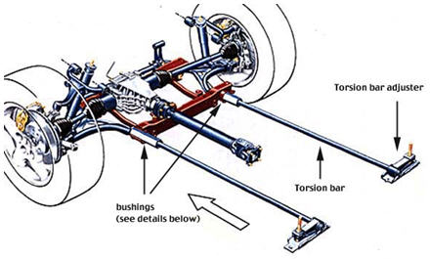
 | LINKS
McMaster-Carr
https://www.mcmaster.com/springs/

Springs Type Gallery and Selection Guide
http://www.acewirespring.com/spring-guide.html
ALL SPRING TYPES DESCRIBED

Spring Type and Configurations
http://www.acewirespring.com/configuration-chart.html

Extension Spring
Extension Springs are springs which absorb and store energy by offering resistance to a pulling force .
Typically, extension springs are made from round wire and are close wound with initial tension.
Extension applications include tape cassette players, balance scales, garage doors, washing machines and applications which requiring various types of tensioning devices.
Various types of ends are used to attach the extension spring to the source of the force.
Initial Tension
Most extension springs are wound with initial tension. This is an internal force that holds the coils tightly together.
The measure of the initial force and just start coil separation. Unlike a compression spring, which has zero load at zero deflection, an extension spring can have a prelude at zero deflection.
This build-in load, called initial tension, can be varied within limits, decreasing as the spring index increases.
There is a range of stress (and, therefore, force) for any spring index that can be held without problems.
If the designer needs an extension spring with no initial tension he should design the spring with space between the coils.
Unlike compression springs, extension springs don't have a solid stop to prevent overloading. Because of this design stress levels are lower for extension springs than for compression.
A special type of extension spring is called a drawbar spring, it has a solid stop and is a type of compression spring with special hooks.
Measuring Rate
Extend spring to a length (L1) such that definite coil separation occurs and measure the load (P1).
Extend spring further to a second length (L2) and again measure the load (P2).
Calculate rate by dividing the load difference by the length difference in:
R = (P2 - P1)/(L2- L1)
Measuring Initial Tension - Simplified Way
Establish exact initial length (Li) of spring by applying enough load to get slack out but not enough to separate coils.
Extend spring to length (L1) sufficient to open coils and measure load (P1).
Extend spring to length (L2) such that second deflection equals first deflection and measure load (P2).
Since the two deflections are equal, proof can be shown that initial tension is as follows:
Pi = 2P1 - P2

 |  |  |  |  | TORSION BAR

 |  | END OF SECTION

COIL SPRING
COIL SPRINGS

COIL SPRINGS - Round Wire

COMPRESSION AND EXTENSION SPRING FORMULAS
 | Input
Load on spring, P = | 24.00 | lbs
Wire diameter, d = | 0.188 | in
Mean coil diameter, D = | 2.000 | in
Number of active coils, n = | 10 | -
Shear modulus of elasticity, G = | 10,000,000 | psi
 | Output
Spring Rate, R = | G*d^4 / (8*n*D^3)
= | 19.52 | lb/in
Deflection, x = | P/R
= | 1.230 | in
Diameter ratio, C = | D / d
= | 10.638
Whal curvature-stress correction factor, K = | ((4*C - 1) / (4*C - 4)) + .615 / C
= | 1.136
Torsional Shear Stress, S = | K*8*P*D / (π*d^3)
= | 20890 | psi

COIL SPRINGS - Square Wire
 | Input
Load on spring, P = | 24 | lbs
Wire thickness, t = | 0.188 | in
Spring wire height, b = | 0.125 | in
Mean coil diameter, D = | 2.000 | in
Number of active coils, n = | 10 | -
Shear modulus of elasticity, G = | 10,000,000 | psi
 | Output
Spring Rate, R = | 0.180*G*t^4 / (n*D^3)
= | 28.107 | lb/in
Diameter ratio, C = | D / t
= | 10.638
Whal curvature-stress correction factor, K = | 1 + 1.2/C + 0.56/C^2 + 0.5/C^3
= | 1.1182
Torsional Shear Stress, S = | K*P*D / (0.416*t^3)
= | 19417 | psi

"COMPRESSION SPRING SOLID HEIGHT"
(www.leespring.com)
"The Solid height of a compression spring is defined as the length of the spring when under sufficient load to bring all coils into contact with the adjacent coils and additional load causes no further deflection."
COMPRESSION SPRING DIMENSIONS
"The four Formulas for calculating the: pitch, solid height, number of active and total coils, free length, and seating characteristics of the spring are given below.
The actual solid height may not be the same as the calculated value due to improper seating of coils, normal variation in wire size, and electroplating, which adds appreciably to the wire size.sic types of compression spring ends are shown below."

 |  | www.leespring.com

 |  | http://www.leespring.com/engguide4.asp?mypdfstr=C11

CLOSED AND GROUND ENDS

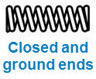
 | Input
Free Length, L = | 4.000
Wire Diameter, d = | 0.125
Number of active coils, n = | 5
Total number of coils, N = | 7
 | Output
Coil Pitch , p = | (L - 2*d) / n
= | 0.75 | in
Solid Height, H = | d * N
= | 0.875 | in

CLOSED AND NOT GROUND ENDS
 | Input
Free Length, L = | 4.000
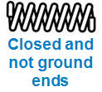
Wire Diameter, d = | 0.125
Number of active coils, n = | 5
Total number of coils, N = | 7
 | Output
Coil Pitch , p = | (L - 3*d) / n
= | 0.75 | in
Solid Height, H = | d * (N + 1)
= | 3.125 | in

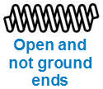
OPEN AND NOT GROUND ENDS
 | Input
Free Length, L = | 4.000
Wire Diameter, d = | 0.125
Number of active coils, n = | 5
Total number of coils, N = | 7
 | Output
Coil Pitch , p = | (L - d) / n
= | 0.775 | in
Solid Height, H = | d * (N + 1)
= | 3.125 | in

OPEN AND GROUND ENDS
 | Input
Free Length, L = | 4.000
Wire Diameter, d = | 0.125
Number of active coils, n = | 5
Total number of coils, N = | 7
 | Output
Coil Pitch , p = | L / n
= | 0.8 | in
Solid Height, H = | d * (N + 1)
= | 3.125 | in

 | END OF SECTION

TORSION
TORSION

Torsion Stress and Deflection
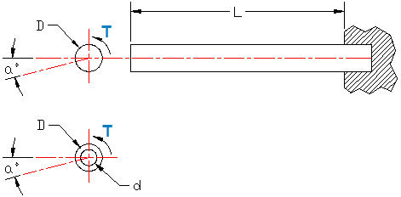
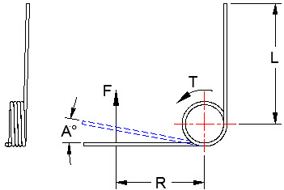

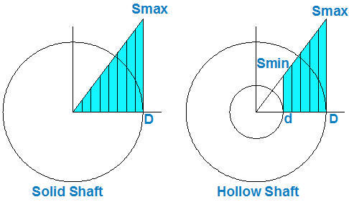
 |  |  | Coil Spring Torsion Stress "St"
Solid or Hollow Shaft with applied torque T in-lbs |  |  |  | Input
 |  |  | Torque, T = | 600 | lbf
 |  |  | Cantilever length, L = | 20 | in
 |  |  | Outside Diameter, D = | 1.5 | in
 |  |  | Inside Diameter, d = | 1 | in
 |  |  | Shear modulus of elesticity, G = | 11,500,000 | lbf/in^2
 |  |  |  | Calculation
 |  |  | π = | 3.1416 | -
 |  |  | Round Bar Area, A = | π*(D^2 - d^2) / 4
 |  |  | A = | 0.982 | in^2
 |  |  | Polar moment of inertia, J = | π*(D^4 - d^4) / 32
 |  |  | J = | 0.3988 | in^4
 |  |  | Max shear stress due to torque, St = | (4/3)*V / A | Note-1
 |  |  | = | 815 | psi
 |  |  | Max Torsion angular deflection at the free end, a = | T / (G*J)
 |  |  | = | 0.000131 | radians
 |  |  | = | 0.0075 | degrees

Solid or Hollow Shaft Torsion Stress S

Shear stress St due to Torque T is the same all sections along the length L of the shaft.
 | Input
Torque, T = | 600 | lbf
Cantilever length, L = | 20 | in
Outside Diameter, D = | 1.5 | in
Inside Diameter, d = | 1 | in
Shear modulus of elesticity, G = | 11,500,000 | lbf/in^2
 | Calculation
π = | 3.1416 | -
Round Bar Area, A = | π*(D^2 - d^2) / 4
A = | 0.982 | in^2
Polar moment of inertia, J = | π*(D^4 - d^4) / 32
J = | 0.3988 | in^4
Max shear stress due to torque, St = | 16*T*D / (π(D^4 - d^4)
= | 1135 | lbf/in^2
Max Torsion angular deflection at the free end, a = | T / (G*J)
= | 0.000131 | radians
= | 0.0075 | degrees

TORSION BAR - ROUND

 | WWW.4x4abc.com
Round Torsion Bar with applied Force F
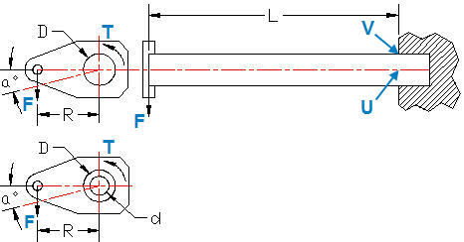

Solid (d = 0) or Hollow Torsion Bar | Input
Vertical force, F = | 600 | lbf
Cantilever length, L = | 20 | in
Force offset, R = | 3 | in
Outside Diameter, D = | 1.5 | in
Inside Diameter, d = | 1 | in
Modulus of elesticity, E = | 30,000,000 | lbf/in^2
Shear modulus of elesticity, G = | 11,500,000 | lbf/in^2
 | Calculation
π = | 3.1416 | -
Round Bar Area, A = | π*(D^2 - d^2) / 4
A = | 0.982 | in^2
Section moment of inertia, I = | π*(D^4 - d^4) / 64
I = | 0.1994 | in^4
Polar moment of inertia, J = | π*(D^4 - d^4) / 32
J = | 0.3988 | in^4
Max shear stress due to force F, Sf = | (4/3)*F / A | Note-1
= | 815 | psi
Torsional shear stress, St = | T*(D / 2) / J
= | 3385 | psi
AT POINT "U"
Combined shear stresses due to F and T, Sx = | Sf + St
= | 4200
Bending moment, M = | V*L
= | 12000 | in-lbs
Bending stress, Sb = | M*(D/2) / I
= | 45131 | psi
Torque, T = | F*R
= | 1800 | in-lbs
AT POINT "V"
Bending and torsional shear principal stress, Sx = | Sb + St
= | 48516 | psi
AT BAR FREE END
Bending deflection, Y = | F*L^3 / (3*E*I)
 | 0.2674 | in
Torsinal deflection, θ = | T / (G*J)
 | 0.00039245 | radians
 | 0.022487 | degrees

Note-1 Thin wall tubes:
Max vertical shear stress, Sv = | 2*F / A
 | 1222 | psi

TORSION BAR - RECTANGULAR

Rectangular Torsion Bar with Vertical Force F

Rectangular Torsion Bar
St. Venant was the was the first to accurately describe the shear stress distribution on the cross section of a non-circular member using the Theory of Elasticity:
Applicable statements from the theory of elasticity:
The maximum shear strain and stress occur at the centerline of the long sides of the rectangular cross section the shear strain and stress at the corners and center of the rectangular cross section are zero the strain and stress variations on the cross section are primarily nonlinear
The figure below shows St. Venant’s resulting stress zones from rectangular and square torsion members.

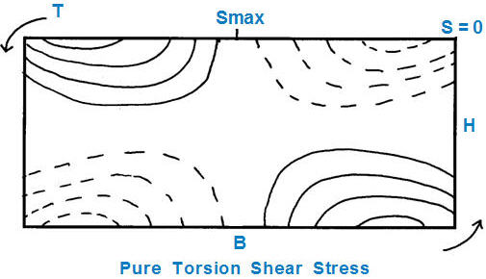

 | Input
Vertical force, F = | 600 | lbf |  |  |  | 10 | ¥
Cantilever length, L = | 20.0 | in |  |  |  | 0.313 | 0.333
Force offset, R = | 3.00 | in |  |  |  | 0.313 | 0.333
Rectangle height, H = | 1.000 | in
Rectangle width, B = | 4.000 | in
Modulus of elesticity, E = | 30,000,000 | psi
Shear modulus of elesticity, G = | 11,500,000 | psi

Properties at section A-B
NOTE: B/H must be less than or equal to 5. | Calculation
Rectangle Bar Area, A = | H*B
A = | 4.000 | in^2
Section moment of inertia, I = | B*H^3 / 12
= | 0.3333 | in^4
Torque, T = | F*R
= | 1800 | in-lbs
B/H = | 4.000
a = | -0.00005*(B/H)^4 + 0.0012*(B/H)^3 - 0.0127*(B/H)^2 + 0.0666*(B/H) + 0.1544
= | 0.282
Smax = | T / (a*B*H^2)
 | 1598 | psi
b = | 5E-05x5 - 0.0015x4 + 0.0169x3 - 0.0953x2 + 0.2753x - 0.0532
b = | 0.272
θ = | T*L / (a*b*H^3*G)
= | 0.04087 | radians
= | 2.342 | degrees

 | END OF SECTION

MATH TOOLS
MATH TOOLS

Spread Sheet Method: new Excel version
1. Type in values for the Input Data.
2. Excel will make the Calculations.
Excel's GOAL SEEK
Excel's, "Goal Seek" adjusts one Input value to cause a Calculated formula cell to equal a given value.
When using Excel's Goal Seek, unprotect the spread sheet by selecting: Drop down menu: Home > Format > Unprotect Sheet > OK
When Excel's Goal Seek is not needed, restore protection with:
Drop down menu: Home > Format > Protect Sheet > OK
Unlock a worksheet with "Unprotect"
Step-1 | HOME
Step-2 | Format
Step-3 | Unprotect Sheet
Step-4 | OK
Lock a worksheet with "Protect Sheet" |  |  | Protect Sheet Box Opens
Step-5 | HOME |  | NEW EXCEL |  |  |  | OLD EXCEL
Step-6 | Format
Step-7 | Protect Sheet
Password is not required.

Check the "Protect Sheet" two boxes right >>
 | Select Unlocked Cells
 | Format Cells

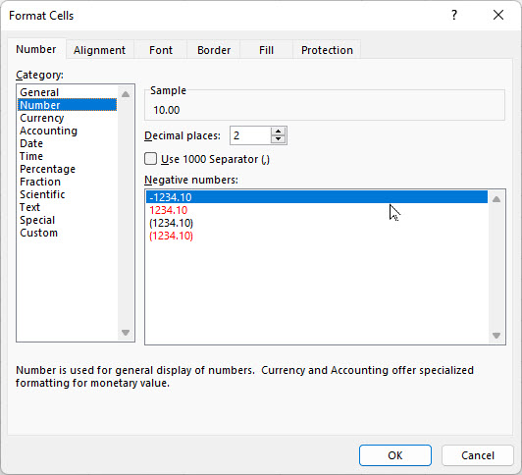
 |  |  |  |  |  |  | Step | Enter
 |  |  |  |  |  |  | 1 | 10
 |  |  |  | Follow Steps>> |  |  | 2 | 6
GOAL SEEK |  |  |  | H = | 10.00 | lbs | 3 | Format
 | Input |  |  | V = | 6.00 | llbs | 4 | Format Cells
Horizontal force, H = | 10.00 | lbs |  | TAN(A) = | V/H |  | 5 | Number
Vertical force, V = | 6.00 | lbs |  | = | 0.6000 | number | 6 | Decimal Places
 | Calculation |  |  | Angle A = | ATAN(V/H) |  | 7 | 2
Resultant force, R = | ( H^2 + V^2 )^(1/2) |  |  | = | 0.5404 | radians | 8 | OK
= | 11.7 | lbs |  | A radians = | 57.3*A | degrees | 9 | 10.00
Angle, A = | 57.30 * ATAN(V / H) |  |  | Angle A = | 57.3*A |  | 10 | 6.00
= | 30.97 | deg |  | = | 30.97 | degrees

GOAL SEEK method
Step-1 Select the green cell C38 containing a formula.
Step-2 Select: DATA > What-If Analysis > Goal Seek
Step-3 To value: 14, for example
Step-4 Pick cell containing value to be changed by Excel: C34 or C35 > OK
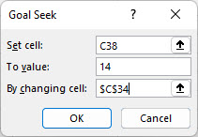
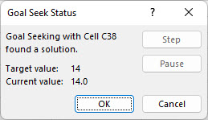

Select > OK and "Goal Seek Status'>> will open > OK

 |  | END OF SECTION

