PUMPS
M389 PROCESS PUMPS, VALVES, & PIPE SPREADSHEET ANALYSIS
© Copy Write, John Andrew P.E. 10 May 2013 | Revised 28 July 2020

This 3 PDH course includes spread sheets that can be used to calculate the: motor power required
to drive a centrifugal pump supplying liquids though: piping, fittings, and valves.

Pump Performance (See Problem: Pump Selection below)
Excel's, "Goal Seek" adjusts one input numerical value to cause a calculated formula cell to equal
the desired value that you type in the Goal Seek dialog box, To value: [ ]

When using Goal Seek unprotect the spread sheet by selecting: Drop down menu:
Tools > Protection > Unprotect Sheet > OK

Pick the cell containing formula result > Data > What If > Goal Seek >
By changing the value in the cell containing a numerical value >
Next type in the box, To value: [ ]

When Excel's Goal Seek is not needed, restore protection with drop down menu:
Tools > Protection > Protect Sheet > OK |  |  |  |  |  |  | ``

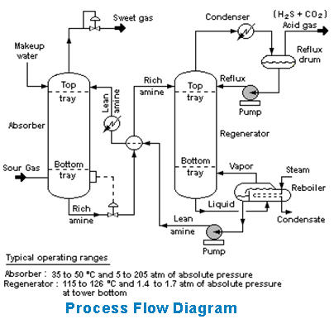

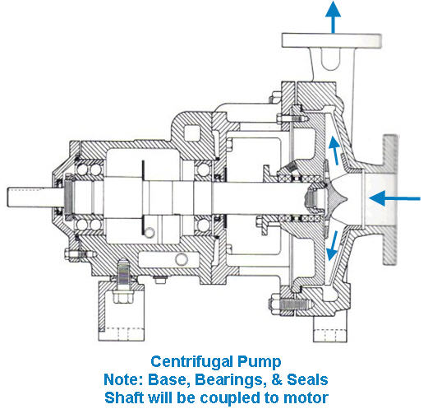
PROCESS FLOW DIAGRAMS
Above is the image at: www.absoluteastronomy.com/topics/Process_Flow...
The process flow diagram above depicts a single chemical engineering unit process known as an amine treating plant.
A process flow diagram (PFD) is a diagram commonly used in chemical
engineering.
Chemical engineering is the branch of engineering that deals with the application of physical science and life sciences with mathematics, to the process of converting raw materials or chemicals into more useful or valuable forms and process engineering.
Process engineering
Process engineering focuses on the design, operation and maintenance of chemical and other process manufacturing activities. Process engineering is often a synonym for chemical engineering but process engineers are found in a vast range of industries, such as the petrochemical, mineral processing,...
to indicate the general flow of plant processes and equipment. The PFD displays the relationship between major equipment of a plant facility and does not show minor details such as piping details and designations. Another commonly-used term for a PFD is a flow sheet.

PROCESS PUMP AND PIPING EXAMPLE
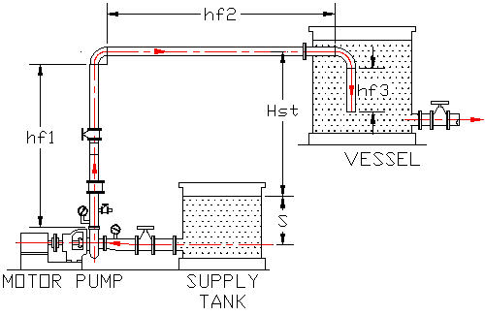

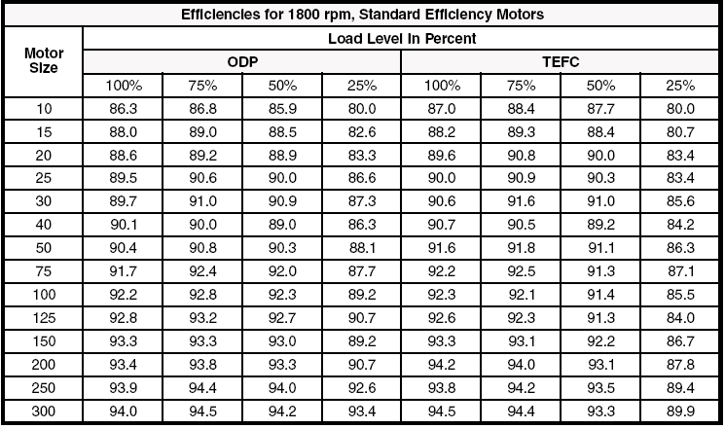

The centrifugal pump above must be flooded before starting the driver motor. An eccentric reducer at the pump suction flange prevents cavitation. Cavitation includes air bubbles and severe turbulence that can damage the pump. The gate valve between the pump and tank must not be used for throttling or controlling flow rate but must be fully open for operation or fully closed for maintenance.

Pump Specific Speed
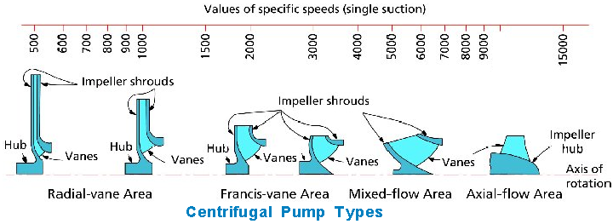

 |  |  |  | DETERMINING ELECTRIC MOTOR LOAD AND EFFICIENCY
 |  |  |  | US Department of energy
 |  |  |  | http://www1.eere.energy.gov/industry/bestpractices/pdfs/10097517.pdf

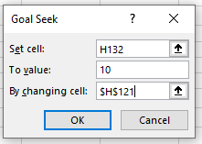
Problem: Pump Selection |  |  |  | Example: Pump Selection
 | Input |  |  | Fluid flow rate was q = 100 gpm & PM = 11.26 hp | Input
Fluid flow rate, q = | 100 | gpm |  | Fluid flow rate, q = | 89 | gpm
Pump impellor rotational speed, n = | 1750 | rpm |  | Pump impellor rotational speed, n = | 1750 | rpm
Allowable pressure head loss, H = | 250 | ft |  | Allowable pressure head loss, H = | 250 | ft
Pump efficiency, EffP = | 70% |  |  | Pump efficiency, EffP = | 70%
Drive efficiency - Gear or Belt, EffD = | 90% |  |  | Drive efficiency - Gear or Belt, EffD = | 90%
Motor efficiency see chart right, EffM = | 89% |  |  | Motor efficiency see chart right, EffM = | 89%
 | Output |  |  |  | Output
Pump specific speed, Ns = | n * q^0.5 / H^0.75 |  |  | Pump specific speed, Ns = | n * q^0.5 / H^0.75
= | 278 | dimensionless |  | = | 262 | dimensionless
Centrifugal pump type from diagram above = | Radial Vane |  |  | Centrifugal pump type from diagram above = | Radial Vane
Minimum pump drive motor power, PM = | q * H / (3960 * EffP * EffD * EffM) |  |  | Minimum pump drive motor power, PM = | q * H / (3960 * EffP * EffD * EffM)
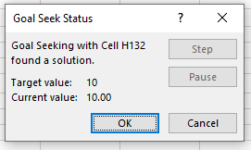
= | 11.26 | hp |  | = | 10.00 | hp
Standard motor power, PS = | 10 | hp |  | Standard motor power, PS = | 10 | hp

Pump efficiencies typically range from about 50% to 80%. See (Systems). Power that is not converted into kinetic energy is lost as heat.
 |  |  |  | Goal Seek Method
 |  |  | 1 | Pick cell with equation (Yellow Cell) C132
 |  |  | 2 | Data > What if > Goal Seek >
 |  |  | 3 | To value: 10
 |  |  | 4 | By changing cell: Pick cell C121
 |  |  | 5 | OK
The volute of a centrifugal pump is the casing that receives the fluid being pumped by the impeller, slowing down the fluid's rate of flow. A volute is a curved funnel that increases in area as it approaches the discharge port. The volute converts kinetic energy into pressure by reducing speed while increasing pressure, helping to balance the hydraulic pressure on the shaft of the pump. The volute also plays a role in pump efficiency. At specific speeds below 2000, its losses range from 1 to 2.5% but losses can approach 10% at speeds over 5000. Typically, volute design begins with the throat, as its cross sectional area will determine the flow velocity out of the volute. Flow through the throat and other portions of the casing follows the law of constant angular momentum so the designer will try to avoid abrupt changes its nearly circular geometry while gradually increasing its volume. Another critical area of the volute is the clearance between the outer circumference of the impeller and that of the volute tongue or cutwater. As this distance becomes larger, an increasing volume of pumpage escapes entry into the volute throat and is re-circulated into the volute case. The smallest distance possible, that does not give rise to pressure pulsations, will produce the best efficiency. As a rule of thumb, 5 to 10% of the impeller radius tends to be a safe value. Pump efficiency decreases when smaller impellers are installed in a pump because of the increased amount of fluid that slips through the space between the tips of the impeller blades and the pump casing.
 |  |  | 6 | Fluid Flow Rate, q = 89 gpm

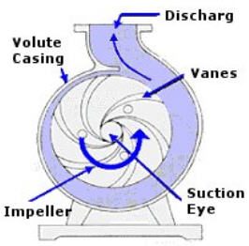

AFFINITY LAWS The affinity laws are used in hydraulics and HVAC to express the relationship between variables involved in pump or fan performance (such as head, volumetric flow rate, shaft speed, and power). They apply to pumps, fans, and hydraulic turbines. In these rotary implements, the affinity laws apply both to centrifugal and axial flows. http://en.wikipedia.org/wiki/Affinity_laws Q is the volumetric flow rate (e.g. CFM, GPM or L/s),
D is the impeller diameter (e.g. in or mm),
N is the shaft rotational speed (e.g. rpm),
H is the pressure or head developed by the fan/pump (e.g. ft or m), and
P is the shaft power (e.g. W). Law 1. With impeller diameter (D) held constant:
Law 1a. Flow is proportional to shaft speed:
Q1/Q2/ = N1/N2 H1/H2 = (N1/N2)^2 P1/P2 = (N1/N2)^3 Law 2. With impeller speed (N) held constant:
Law 1a. Flow is proportional to shaft speed:
Q1/Q2/ = D1/D2 H1/H2 = (D1/D2)^2 P1/P2 = (D1/D2)^3
Note: the above affinity laws are approximate and not exact for pumps because of the losses described above.

DISCLAIMER: The materials contained in the online course are not intended as a representation or warranty on the part of PDH Center or any other person/organization named herein. The materials are for general information only. They are not a substitute for competent professional advice. Application of this information to a specific project should be reviewed by a registered architect and/or professional engineer/surveyor. Anyone making use of the information set forth herein does so at their own risk and assumes any and all resulting liability arising therefrom.

END OF WORKSHEET

PIPING
M389 PROCESS PUMPS, VALVES, & PIPE SPREADSHEET ANALYSIS
© Copy Write, John Andrew P.E. 10 May 2013 | Revised 28 July 2020

Process Piping Pressure Head Loss
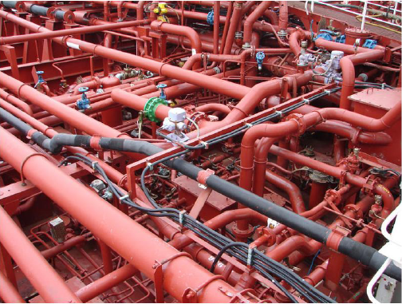

Spread Sheet Method: Excel Worksheet
1. Type in values for the Input Data.
2. Excel will make the Calculations.
Excel's GOAL SEEK
Excel's, "Goal Seek" adjusts one Input value to cause a Calculated formula cell to equal a given value.
When using Excel's Goal Seek, unprotect the spread sheet by selecting: Drop down menu: Home > Format > Unprotect Sheet > OK
When Excel's Goal Seek is not needed, restore protection with:
Drop down menu: Home > Format > Protect Sheet > OK

 |  |  |  |  |  | To scroll, roll the mouse wheel.
 |  |  |  |  |  | To zoom in, depress the Ctrl key and roll the mouse wheel away from you.
 |  |  |  |  |  | To open another, "Work Sheet Lesson" select a tab at the bottom of this spreadsheet.
http://commons.wikimedia.org/wiki/File:Piping_system_on_a_chemical_tanker.jpg |  |  |  |  |  | To unlock the cells of this spreadsheet: Home > Format > Unprotect Sheet.
 | Conversion Factors |  |  |  |  | To lock the cells of this spreadsheet: Home > Format > Protect Sheet.
 | Input | Units | Output | Units |  | To open a new spreadsheet topic click on the tabs below.
 | 10 | gallons | 1.337 | cu ft (ft^3)
 | 10 | gallons/min (gpm) | 80.21 | gallons/hr (gph)
 | 10 | gallons/min (gpm) | 0.0223 | cu ft per sec (cfs)
 | 10 | inches (in) | 0.8333 | feet (ft)
 | 10 | pounds mass (lbs) | 0.3106 | slugs
 | 10 | US Barrels | 420.0 | gallons
 | 10 | feet water | 4.33 | pounds per sq in (psi)
 | 10 | inches mercury (in ) | 4.90 | pounds per sq in (psi)

Reynolds Number, Re | Input
Fluid flow rate, q = | 269.0 | gpm
Pipe internal diameter, d = | 6.000 | in
Length of straight pipe, L = | 100 | ft
Fluid viscosity, µ = | 0.00002730 | ft^2/sec
Fluid density, ρ = | 62.47 | lbs/ft^3
Gravitational constant, g = | 32.2 | ft/sec^2
 | Output
Pipe internal diameter, D = | d/12
= | 0.5000 | ft
Pipe internal area, A= | 3.1416*D^2/4
= | 0.1964 | ft^2
Fluid flow volume, Q = | q / 448.831
= | 0.599 | ft^3/sec
Fluid flow velocity, V = | Q / A
= | 3.05 | ft/sec
Fluid mass density, ρM = | ρ / 32.2
= | 1.9400 | slugs/ft^3
Reynolds number, Re = | D * V * ρM / µ
= | 108,455 | dimensionless
= | 1.085E+05

Fluid flow when: Re = 1.629 x 10^5 is turbulent as indicated on the Moody diagram left. Diagram left is the image at: www.engineeringtoolbox.com/moody-diagram-d_61...
Moody Diagram
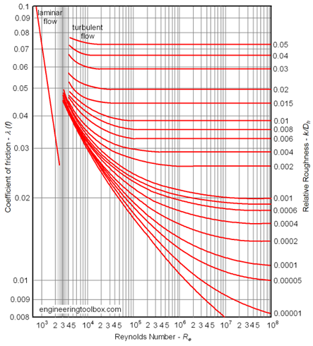

 |  | Density and Viscosity |  | Dynamic
 |  | of Water |  | Viscosity
 |  | Temp (F) | (Slugs/ft^3) | lb-sec/ft^2
 |  | 32 | 1.940 | 0.00003732
 |  | 40 | 1.940 | 0.00003228
 |  | 50 | 1.940 | 0.00002730
 |  | 60 | 1.938 | 0.00002334
 |  | 70 | 1.936 | 0.00002037

www.engineeringtoolbox.com/moody-diagram-d_61...

Normal fluid flow velocity, V = 10 ft/sec | Pipe Material | Roughness
Pressure drop, h = 4 ft per 100 ft of pipe |  | inches | feet
Laminar Flow Re < 2,100 | Drawn brass | 0.00006 | 0.000005
Turbulent Flow Re > 4,000 | Copper | 0.00006 | 0.000005
 | PVC | 0.00006 | 0.000005
 | Commercial Steel | 0.0018 | 0.000150
 | Wrought iron | 0.0018 | 0.000150
 | Asphalted cast iron | 0.0048 | 0.000400
 | Galvanized iron | 0.006 | 0.000500
 | Cast Iron | 0.0102 | 0.000850
 | Concrete | .012 to .120 | 0.001 to .01

Turbulent Fluid in Pipe, Friction
 | Input
Reynolds number, Re = | 1.00 x 10^7
= | 10,000,000
Pipe Material = | Commercial Steel
Pipe internal diameter, d = | 4.000 | in
Roughness, e = | 0.00180 | in
Pipe straight length, L = | 100 | ft
 | Output
e / d= | 0.00045
Moody fluid in pipe friction factor, f = | (1.14 + (2* Log10(d/e)))^-2
= | 0.0163

PROBLEM - Turbulent Region Fluid Static Head Loss |  |  |  |  |  | EXAMPLE - Turbulent Region Fluid Static Head Loss
Moody turbulent fluid in pipe friction factor, f is a function of roughness only. |  |  |  |  |  | Moody turbulent fluid in pipe friction factor, f is a function of roughness only.
 | Input |  |  |  |  |  | Input
Fluid flow rate, q = | 2000.0 | gpm |  |  |  | Fluid flow rate, q = | 273.2 | gpm
Pipe internal diameter, d = | 14.000 | in |  |  |  | Pipe internal diameter, d = | 6.000 | in
Roughness, e = | 0.0018 | in |  |  |  | Roughness, e = | 0.0018 | in
Length of straight pipe, L = | 100 | ft |  |  |  | Length of straight pipe, L = | 100 | ft
Fluid viscosity, µ = | 0.00002730 | ft^2/sec |  |  |  | Fluid viscosity, µ = | 0.00002730 | ft^2/sec
Fluid density, ρ = | 62.47 | lbs/ft^3 |  |  |  | Fluid density, ρ = | 62.47 | lbs/ft^3
Gravitational constant, g = | 32.2 | ft/sec^2 |  |  |  | Gravitational constant, g = | 32.2 | ft/sec^2
 | Output |  |  |  |  |  | Output
Pipe internal diameter, D = | d/12 |  |  |  |  | Pipe internal diameter, D = | d/12
= | 1.1667 | ft |  |  |  | = | 0.5000 | ft
Relative roughness, e / d= | 0.00013 |  |  |  |  | Relative roughness, e / d= | 0.00030
Pipe internal area, A= | 3.1416*D^2/4 |  |  |  |  | Pipe internal area, A= | 3.1416*D^2/4
= | 1.0690 | ft^2 |  |  |  | = | 0.1964 | ft^2
Fluid flow volume, Q = | q / 448.831 |  |  |  |  | Fluid flow volume, Q = | q / 448.831
= | 4.456 | ft^3/sec |  |  |  | = | 0.609 | ft^3/sec
Fluid flow velocity, V = | Q / A |  |  |  |  | Fluid flow velocity, V = | Q / A
= | 4.17 | ft/sec |  |  |  | = | 3.10 | ft/sec
Fluid mass density, ρM = | ρ / 32.2 |  |  |  |  | Fluid mass density, ρM = | ρ / 32.2
= | 1.9400 | slugs/ft^3 |  |  |  | = | 1.9400 | slugs/ft^3
Reynolds number, Re = | D * V * ρ / µ |  |  |  |  | Reynolds number, Re = | D * V * ρ / µ
= | 345,580 |  |  |  |  | = | 110,147
= | 3.456E+05 |  |  |  |  | = | 1.101E+05
Moody fluid in pipe friction factor, f = | (1.14 + (2* Log10(d/e)))^-2 |  |  |  |  | Moody fluid in pipe friction factor, f = | (1.14 + (2* Log10(d/e)))^-2
is a function of roughness only. = | 0.0126 |  |  |  |  | is a function of roughness only. = | 0.0149
Darcy Weisbach pressure head loss, hL = | f * (L/D) * (V^2 / (2 * g) |  |  |  |  | Darcy Weisbach pressure head loss, hL = | f * (L/D) * (V^2 / (2 * g)
= | 0.291 | ft |  |  |  | = | 0.445 | ft
Straight Pipe flow friction pressure drop, ΔP = | ρM * g * hL |  |  |  |  | Pipe flow friction pressure drop, ΔP = | ρM * g * hL
= | 18.1 | lbs/ft^2 |  |  |  | = | 27.8 | lbs/ft^2
Straight Pipe flow friction pressure drop, Δp = | ΔP / 144 |  |  |  |  | Pipe flow friction pressure drop, Δp = | ΔP / 144
= | 0.126 | psi |  |  |  | = | 0.193 | psi
MOODY DIAGRAM for conditions above:
From the Moody diagram, the point for Re = 1.10 x 10^5 and Roughness ε/D = 0.00030, is in the turbulent region and the friction factor, f, is approximately: f = 0.015 and 0.0149 by the Darcy Weisbach formula.
MOODY DIAGRAM for conditions above:
From the Moody diagram, the point for Re = _____________and Roughness ε/D = _____________, is in the _______________ region and the friction factor, f, is approximately: f = ___________ and ___________ by the Darcy Weisbach formula.

PROBLEM - Transition Region Fluid Static Head Loss: Re is between 2,100 and 4000 |  |  |  |  |  | EXAMPLE - Transition Region Fluid Static Head Loss: Re is between 2,100 and 4000
 | Input |  |  |  |  |  | Input
Fluid flow rate, q = | 6.0 | gpm |  |  |  | Fluid flow rate, q = | 6.0 | gpm
Pipe internal diameter, d = | 4.000 | in |  |  |  | Pipe internal diameter, d = | 4.000 | in
Roughness, e = | 0.0018 | in |  |  |  | Roughness, e = | 0.0018 | in
Length of straight pipe, L = | 100 | ft |  |  |  | Length of straight pipe, L = | 100 | ft
Fluid viscosity, µ = | 0.00002730 | ft^2/sec |  |  |  | Fluid viscosity, µ = | 0.00002730 | ft^2/sec
Fluid density, ρ = | 62.47 | lbs/ft^3 |  |  |  | Fluid density, ρ = | 62.47 | lbs/ft^3
Gravitational constant, g = | 32.2 | ft/sec^2 |  |  |  | Gravitational constant, g = | 32.2 | ft/sec^2
 | Output |  |  |  |  |  | Output
Pipe internal diameter, D = | d/12 |  |  |  |  | Pipe internal diameter, D = | d/12
= | 0.3333 | ft |  |  |  | = | 0.3333 | ft
e / d= | 0.0054 |  |  |  |  | e / d= | 0.0054
Pipe internal area, A= | 3.1416*D^2/4 |  |  |  |  | Pipe internal area, A= | 3.1416*D^2/4
= | 0.0873 | ft^2 |  |  |  | = | 0.0873 | ft^2
Fluid flow volume, Q = | q / 448.831 |  |  |  |  | Fluid flow volume, Q = | q / 448.831
= | 0.013 | ft^3/sec |  |  |  | = | 0.013 | ft^3/sec
Fluid flow velocity, V = | Q / A |  |  |  |  | Fluid flow velocity, V = | Q / A
= | 0.153 | ft/sec |  |  |  | = | 0.153 | ft/sec
Fluid mass density, ρM = | ρ / 32.2 |  |  |  |  | Fluid mass density, ρM = | ρ / 32.2
= | 1.9400 | slugs/ft^3 |  |  |  | = | 1.9400 | slugs/ft^3
Reynolds number, Re = | D * V * ρM / µ |  |  |  |  | Reynolds number, Re = | D * V * ρ / µ
= | 3,629 | Re<4,000 OK |  |  |  | = | 3,629 | Re<4,000 OK
= | 3.629E+03 |  |  |  |  | = | 3.629E+03
Moody fluid in pipe friction factor, f = | (1.14 + (2* Log10(d/e)))^-2 |  |  |  |  | Moody fluid in pipe friction factor, f = | (1.14 + (2* Log10(d/e)))^-2
is a function of roughness only. = | 0.0163 |  |  |  |  | is a function of roughness only. = | 0.0163
NOTE: Moody fluid in pipe friction factor, f above applies to turbulent flow only.

Laminar/turbulent transition region friction f equation Re is between 2,100 and 4000 |  |  |  |  |  | Laminar/turbulent transition region friction f equation Re is between 2,100 and 4000
Equation is: f = ((-2 * Log((e/D) / 3.7)) + (2.51 / (Re * f^0.5)))^-2 Divide both sides of the friction equation by f. Now 1 = Right side of the equation / f Pick Cell containing formula result, C200 > Data > What If > Goal Seek > > by changing the value in the cell containing the guessed value of f in C197.
Equation is: f = ((-2 * Log((e/D) / 3.7)) + (2.51 / (Re * f^0.5)))^-2 Divide both sides of the friction equation by f. Now 1 = Right side of the equation / f Pick Cell containing formula result, C200 > Data > What If > Goal Seek > > by changing the value in the cell containing the guessed value of f in C197.

Guess transition friction factor, f = | 0.0310 |  |  |  |  | Guess transition friction factor, f = | 0.0310
Transition friction formula, f = | ((-2 * Log((e/D) / 3.7)) + (2.51 / (Re * f^0.5)))^-2 |  |  |  |  | Transition friction formula, f = | ((-2 * Log((e/D) / 3.7)) + (2.51 / (Re * f^0.5)))^-2
Divide both sides of friction equation by f, 1 = | [((-2 * Log((e/D) / 3.7)) + (2.51 / (Re * f^0.5)))^-2] / f |  |  |  |  | Divide both sides of friction equation by f, 1 = | [((-2 * Log((e/D) / 3.7)) + (2.51 / (Re * f^0.5)))^-2] / f
Data > What If > Goal Seek > C200 = 1: 1 = | 1.000 |  |  |  |  | Data > What If > Goal Seek > C200 = 1: 1 = | 1.000
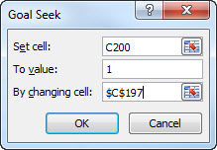
by changing the value in cell C197 |  |  |  |  |  | by changing the value in cell C197

Transition friction factor f from above |  |  |  |  |  | Chosen friction factor f from above
 | Input from above |  |  |  |  |  | Input from above
Transition friction factor, f = | 0.0310 |  |  |  |  | Transition friction factor, f = | 0.0310
 | Output |  |  |  |  |  | Output
Darcy Weisbach pressure head loss, hL = | f * (L/D) * (V^2 / (2 * g) |  |  |  |  | Darcy Weisbach pressure head loss, hL = | f * (L/D) * (V^2 / (2 * g)
= | 0.0034 | ft |  |  |  | = | 0.0034 | ft
Straight Pipe flow friction pressure drop, ΔP = | ρM * g * hL |  |  |  |  | Pipe flow friction pressure drop, ΔP = | ρM * g * hL
= | 0.212 | lbs/ft^2 |  |  |  | = | 0.212 | lbs/ft^2
Straight Pipe flow friction pressure drop, Δp = | ΔP / 144 |  |  |  |  | Pipe flow friction pressure drop, Δp = | ΔP / 144
= | 0.001 | psi |  |  |  | = | 0.001 | psi

Smooth Pipe - turbulent flow friction f
 | Input
Fluid flow rate, q = | 269.3 | gpm
Pipe internal diameter, d = | 3.000 | in
Roughness, e = | 0.0005 | ft
Length of straight pipe, L = | 100 | ft
Fluid viscosity, µ = | 0.00002730 | ft^2/sec
Fluid density, ρ = | 62.47 | lbs/ft^3
Gravitational constant, g = | 32.2 | ft/sec^2
 | Output
Pipe internal diameter, D = | d/12
= | 0.2500 | ft
e / d= | 0.0020
Pipe internal area, A= | 3.1416*D^2/4
= | 0.0491 | ft^2
Fluid flow volume, Q = | q / 448.831
= | 0.600 | ft^3/sec
Fluid flow velocity, V = | Q / A
= | 12.223 | ft/sec
Fluid mass density, ρM = | ρ / 32.2
= | 1.9400 | slugs/ft^3
Reynolds number, Re = | D * V * ρM / µ
= | 217,150
= | 2.171E+05
Smooth Pipe turbulent flow friction factor, f = | .316 / (Re^0.25)
= | 0.0146
Darcy Weisbach pressure head loss, hL = | f * (L/D) * (V^2 / (2 * g)
= | 13.58 | ft
Straight Pipe flow friction pressure drop, ΔP = | ρM * g * hL
= | 848.57 | lbs/ft^2
Straight Pipe flow friction pressure drop, Δp = | ΔP / 144
= | 5.893 | psi

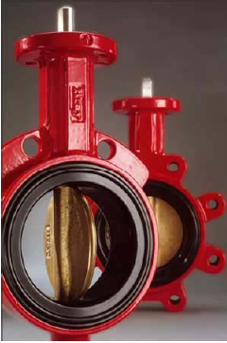
Pipe Fittings and Valves
Loss Factor K is the number of velocity heads (V^2 / 2g) lost by flow though a fitting or valve.
 |  |  | Input
 | Standard Fitting | Factor K | Fitting Quantity N | N*K
 | Elbow, 90 deg long radius | 0.45 | 5 | 2.250
 | Elbow, 90 deg short radius | 0.75 | 0 | 0.000
 | Elbow, 45 deg long radius | 0.20 | 0 | 0.000
 | Elbow, 45 deg short radius | 0.35 | 0 | 0.000
 | Bend, 180 deg close return | 1.50 | 0 | 0.000
 | Tee, branch blocked | 1.00 | 0 | 0.000
 | Tee, used as elbow | 1.00 | 0 | 0.000
 | Coupling | 0.04 | 0 | 0.000
 | Union | 0.04 | 0 | 0.000
 | Gate Valve, full open | 0.17 | 0 | 0.000
 | Gate Valve, 3/4 open | 0.90 | 0 | 0.000
 | Gate Valve, 1/2 open | 4.50 | 5 | 22.500
 | Gate Valve, 1/4 open | 24.0 | 0 | 0.000
 | Glob Valve, full open | 6.00 | 0 | 0.000
 | Glob Valve, 1/2 open | 9.50 | 5 | 47.500
 | Y or Blow-off, open | 3.00 | 0 | 0.000
 | Butterfly valve angle, 5 deg | 0.24 | 0 | 0.000
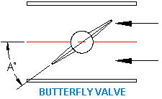
 | Butterfly valve angle, 10 deg | 0.52 | 0 | 0.000
 | Butterfly valve angle, 20 deg | 1.54 | 0 | 0.000
 | Butterfly valve angle, 40 deg | 10.50 | 5 | 52.500
 | Butterfly valve angle, 60 deg | 118.0 | 0 | 0.000
 | Check valve, swing | 2.00 | 0 | 0.000
 | Check valve, disk | 10.0 | 0 | 0.000
 | Check valve, ball | 70.0 | 0 | 0.000
 |  | Number of fittings, ΣN = | 20 | 124.750 | =Σ(N*K)

13. Calculate the sum of fitting head loss factors given: 5 Elbows 90 deg long radius, 5 Glob Valves, 1/2 open, and 5 Gate Valves 1/2 open, and 5 Butterfly valves angle, 40 deg. and a flow rate of 300 gpm in 4.00 internal diameter pipe? REV 28 DEC 2013
TOTAL VALVE & FITTING PRESSURE HEAD LOSS
 | Input
Fluid flow rate, q = | 300.0 | gpm
Pipe internal diameter, d = | 4.000 | in
Fluid density, ρ = | 62.4 | lbs/ft^3
 | Output
Pipe internal diameter, D = | d/12
= | 0.3333 | ft
Pipe internal area, A= | 3.1416*D^2/4
= | 0.0873 | ft^2
Fluid flow volume, Q = | q / 448.831
= | 0.668 | ft^3/sec
Average fluid flow velocity, V = | Q / A
= | 7.659 | ft/sec
 | Input
Sum of velocity head factors above, ΣNK = | 124.300
 | Output
Sum of fitting head loses, hF = | Σ(N*K) * (V^2 / (2*g))
= | 113.23 | ft
Fitting flow friction pressure drop, ΔP = | ρ * hL
= | 7065.61 | lbs/ft^2
Fitting flow friction pressure drop, Δp = | ΔP / 144
= | 49.067 | psi

TOTAL PIPE, VALVE, & FITTING PRESSURE HEAD LOSS
Input loss from above. | Input
Sum of straight pipe head loses from above, h = | 13.58 | ft
Sum of fitting head loses, hF = | 7.25 | ft
 | Output
TOTAL Pipe and Fittings pressure drop, H = | h + hF
= | 20.83 | ft

Laminar Fluid Flow in Pipe Head Loss f
 | Input
Fluid flow rate, q = | 5.0 | gpm
Pipe internal diameter, d = | 6.000 | in
Length of straight pipe, L = | 100 | ft
Fluid viscosity, µ = | 0.00002730 | ft^2/sec
Fluid density, ρ = | 62.47 | lbs/ft^3
Gravitational constant, g = | 32.2 | ft/sec^2
 | Output
Pipe internal diameter, D = | d/12
= | 0.5000 | ft
Pipe internal area, A= | 3.1416*D^2/4
= | 0.1964 | ft^2
Fluid flow volume, Q = | q / 448.831
= | 0.011 | ft^3/sec
Fluid flow velocity, V = | Q / A
= | 0.06 | ft/sec
Fluid mass density, ρM = | ρ / 32.2
= | 1.9400 | slugs/ft^3
Reynolds number, Re = | D * V * ρ / µ
= | 2,016 | Re<2,100 Laminar OK

Revise flow rate, pipe diameter until Re < 2,100 for laminar flow
Laminar Fluid Flow in Pipe Head Loss, f = | 64 / Re
= | 0.03175
Darcy Weisbach pressure head loss, hL = | f * (L/D) * (V^2 / (2 * g)
is a function of Reynolds number only. = | 0.000317 | ft
 | Negligible

Taylor Engineering - Publications
http://www.taylor-engineering.com/publications/design_guides.shtml
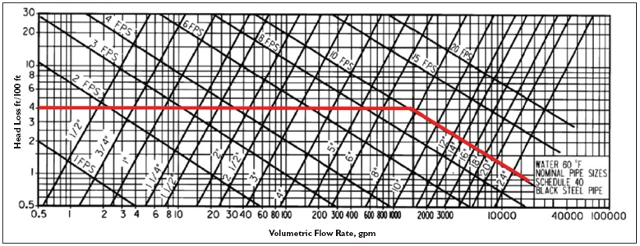

Schedule 40 pipe size VS friction pressure loss graph.

Process Industry Rules of Thumb - (repeated from above)
Normal fluid flow velocity, V = 10 ft/sec
Pressure drop, h = 4 ft per 100 ft of pipe
Laminar Flow Re < 2,100
Turbulent Flow Re > 4,000

PIPE EXPANSION LOOP

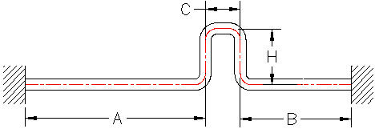

CONVERT MERTIC TO US UNITS
 | Input: meters |  | Sch 40
Pipe length meters, L = | 10 | m | Nominal Diameter | Wall thick in
Pipe diameter millimeters, D = | 50 | mm | 4 | 0.237
Temperature Centigrade, T = | 100 | deg C | 6 | 0.280
 | Output: ft |  | 8 | 0.322
Pipe length feet, L = | 32.81 | ft | 10 | 0.365
Pipe diameter inches, D = | 1.969 | in | 12 | 0.406
Temperature Fahrenheit, T = | 212 | deg F | 14 | 0.437
 |  |  | 16 | 0.500
Pipe Section Properties (inch units) |  |  | 18 | 0.562
See "PIPE & FITTINGS" tab below. | Input |  | 20 | 0.593
PIPE: | SCH 40, Steel |  | 24 | 0.687
Nominal Pipe Diameter, Dn = | 8 | in
Pipe (ID 1 to 12 in) or (OD 14 in and larger) dia, D = | 8.000 | in
Pipe wall thickness, w = | 0.320 | in
Pipe (ID 1 to 12 in) | Output
Pipe internal diameter, D1 = | 8.000 | in | D<=12, OK
Pipe external diameter, D2 = | 8.640 | in
Pipe cross section area, Ap = | π*(DX^2 - DI^2)/4
= | 8.364 | sq in
Pipe section modulus, Ix = | π*(D2^4 - D1^4)/ 64
= | 72.481 | in^4
Pipe (ID 14 in and larger)
Pipe internal diameter, D1 = | 7.360 | in
Pipe external diameter, D2 = | 8.000 | in | D=<12, Not OK
...
Pipe Anchor Force due to Thermal Expansion
Pipe compressive force with expansion loop, Fe = | 12*E*I*(Y) / (12*H)^3
= | 11644 | lbs
Pipe D moment, M = | Fe*E*12 / 2
= | 516,407 | in-lbs
Pipe D bending stress, Sb = | M*(D2/2) / Ix
= | 31,002 | lbs/sq in
Pipe safety factor = | Applied Stress / Allowable Stress
= | 2.00 | <<< Use "GOAL SEEK" to adjust H ft to
 |  | obtain the desired safety factor.
Pipe Bending Stress With Expansion Loop
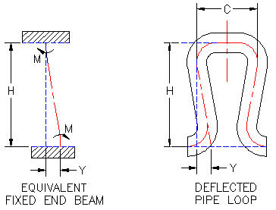

Enter "OK" pipe section values from above:

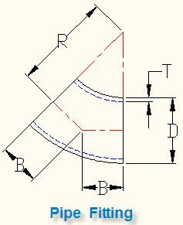
PIPE TRAVEL WITH RUN & SET
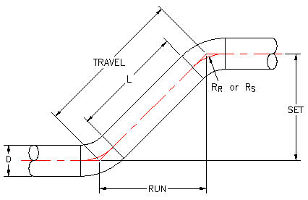

CALCULATE PIPE TRAVEL | INPUT
Pipe nominal diameter (12 or less) (14 or more) D = | 10 | in
SET = | 36.000 | in
 | CALCULATIONS
45 deg long radius Elbow, RL = | 1.5*D
= | 15 | in
45 deg short radius Elbow, RS = | D
= | 10 | in
RUN = | SET
= | 36.000 | in
TRAVEL = | (RUN^2 + SET^2)^(1/2)
= | 50.912 | in
Long radius Pipe spool travel length, LL = | TRAVEL - 2*(RL*SIN(22.5 / 57.3))
= | 39.432 | in
Short radius Pipe spool travel length, LS = | TRAVEL - 2*(RS*SIN(22.5 / 57.3))
= | 43.259 | in

PIPE TRAVEL WITH ROLLING OFFSET
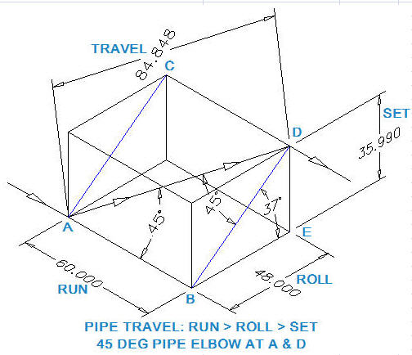

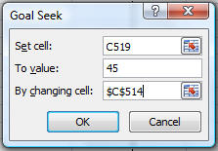
CALCULATE TRAVEL | INPUT |  |  |  |  | TRAVEL EXAMPLE ONLY | INPUT
RUN = | 60.000 | in |  |  |  | RUN = | 60.000 | in
ROLL = | 48.000 | in |  |  |  | ROLL = | 48.000 | in
SET = | 24.000 | in |  |  |  | SET = | 35.991 | in
 | CALCULATIONS |  |  |  |  |  | CALCULATIONS
AC = BD = | (ROLL^2 + SET^2)^(1/2) |  |  |  |  | AC = BD = | (ROLL^2 + SET^2)^(1/2)
= | 53.666 | in |  |  |  | = | 59.995 | in
ELBOW ANGLE, DAB = | 57.30*ATAN(BD / RUN) |  |  |  |  | ELBOW ANGLE, DAB = | 57.30*ATAN(BD / RUN)
= | 41.8 | deg |  |  |  | = | 45.0 | deg
TRAVEL = | (RUN^2 + BD^2)^(1/2) |  |  |  |  | TRAVEL = | (RUN^2 + BD^2)^(1/2)
= | 80.498 | in |  |  |  |  | 84.849 | in
ELBOW ANGLE, DBE = | 57.30*ATAN(SET / ROLL) |  |  |  |  | ELBOW ANGLE, DBE = | 57.30*ATAN(SET / ROLL)
 | 26.57 | deg |  |  |  |  | 36.87 | deg
TRAVEL CALCULATION METHOD
1 AB must equal BD for a 45 degree triangle.
2 Given any two dimensions from RUN, ROLL, and SET
3 Type a trial value for the third unknown dimension.
4 Use "Goal Seek" to make angle DAB = 45 degress and find the third dimension.
Pick the cell with a formula: C544
Data > What-If Analysis > Goal Seek
Pick the "To value" box > Type 45
...

SYSTEMS
M389 PROCESS PUMPS, VALVES, & PIPE SPREADSHEET ANALYSIS
© Copy Write, John Andrew P.E. 10 May 2013 | Revised 28 July 2020

Pump and Piping Systems
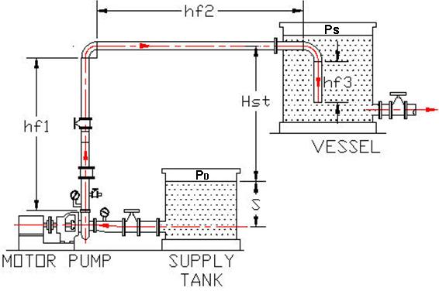

Net Positive Suction Head NPSH
Pipe and fittings heads Hfd and Hfs are calculated under "PIPING" tab below.

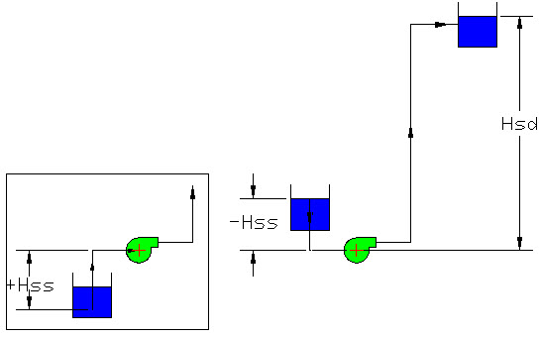
System Head = total discharge head - total suction head
System Head, H = Hd - Hs
Total discharge head, Hd = Hsd + Hpd + Hfd
Total suction head, Hs = Hss + Hps = Hfs

LIQUID | Input
Liquid name is: | Water
Fluid spedific gravity, SG = | 1.00
Liquid teperature, t = | 68 | deg F
DISCHARGE
Discharge static head , Hsd = | 40 | ft
Discharge surface pressure, Hpd = | 3.00 | psig
Discharge friction head (pipe and fittings), Hfd = | 26.00 | ft
SUCTION
Absolute pressure in liquid suction tank, Ps = | 14.7 | psia
Suction static head, Hss = | -10 | ft
Suction surface pressure, Hps = | 2.00 | psig
Suction friction head (pipe and fittings), Hfs = | 3 | ft
 | Output
Total discharge head, Hd = | Hsd + Hpd + Hfd |  | Suction static head, Hss |  | Discharge static head , Hsd
= | 69.00 | ft
Total suction head, Hs = | Hss + Hps + Hfs |  |  |  | 2.31 ft = 1 psi
= | -5.00 | ft
Pumping System Head, H = | Hd + Hs
= | 64.00 | ft

Available NPSH is "the difference between the total suction head and
the vapor pressure of the liquid, in feet of liquid, at the suction flange."
...
 | Pipe Internal Roughness
 | PVC | 0.00006 | 0.000005
 | Commercial Steel | 0.0018 | 0.000150
 | Wrought iron | 0.0018 | 0.000150
 | Asphalted cast iron | 0.0048 | 0.000400
 | Galvanized iron | 0.006 | 0.000500
 | Cast Iron | 0.0102 | 0.000850
 | Concrete | .012 to .120 | 0.001 to .01

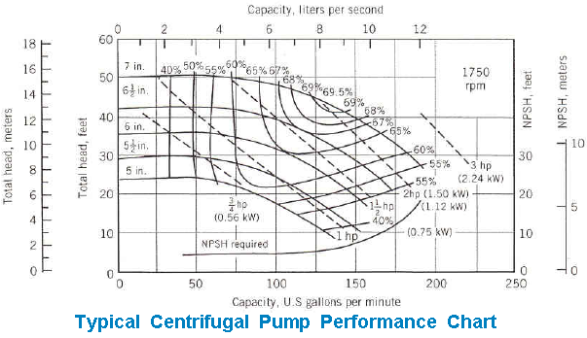

PROBLEM - TURBULENT Region Fluid Static Head Loss |  |  |  |  | EXAMPLE - TURBULENT Region Fluid Static Head Loss
Use this calculation | Input |  |  |  | Example only | Input
Fluid flow rate, q = | 130.0 | gpm |  |  | Fluid flow rate, q = | 130.0 | gpm
Pipe internal diameter, d = | 2.000 | in |  |  | Pipe internal diameter, d = | 2.000 | in
Roughness, e = | 0.0018 | ft |  |  | Roughness, e = | 0.0018 | ft
Suction + Discharge length of straight pipe, L = | 143.0 | ft |  |  | Suction + Discharge length of straight pipe, L = | 143.0 | ft
Fluid viscosity, µ = | 0.00002730 | ft^2/sec |  |  | Fluid viscosity, µ = | 0.00002730 | ft^2/sec
Fluid density, ρ = | 62.47 | lbs/ft^3 |  |  | Fluid density, ρ = | 62.47 | lbs/ft^3
Gravitational constant, g = | 32.2 | ft/sec^2 |  |  | Gravitational constant, g = | 32.2 | ft/sec^2
...
Reynolds number, Re = | D * V * ρ / µ |  |  |  | Reynolds number, Re = | D * V * ρ / µ
= | 157,239 |  |  |  | = | 157,239
= | 1.572E+05 |  |  |  | = | 1.572E+05
Moody fluid in pipe friction factor, f = | (1.14 + (2* Log10(d/e)))^-2 |  |  |  | Moody fluid in pipe friction factor, f = | (1.14 + (2* Log10(d/e)))^-2
= | 0.0191 |  |  |  | = | 0.0191
Darcy Weisbach friction pressure head loss, Hfd or Hfs = | f * (L/D) * (V^2 / (2 * g) |  |  |  | Darcy Weisbach pressure head loss, hL = | f * (L/D) * (V^2 / (2 * g)
= | 44.9 | ft |  |  | = | 44.9 | ft
Minimum motor power, PM = | q * H / (3960 * EffP * EffD * EffM) |  |  |  | Minimum motor power, PM = | q * H / (3960 * EffP * EffD * EffM)
= | 2.60 | hp |  |  | = | 2.60 | hp

System Head Loss VS Flow Rate
System Head Loss VS Flow Rate
 |  |  | GPM | Head Loss (ft) |  |  | GPM | Head Loss (ft)
 |  |  | 0 | 0 |  |  | 0 | 0
 |  |  | 10 | 0.3 |  |  | 10 | 0.3
 |  |  | 40 | 4.3 |  |  | 40 | 4.3
 |  |  | 70 | 13.0 |  |  | 70 | 13.0
 |  |  | 100 | 26.6 |  |  | 100 | 26.6
 |  |  | 130 | 44.9 |  |  | 130 | 44.9

The above Darcy Weisbach liquid in pipe friction pressure head loss, Hf = f * (L/D) * (V^2 / (2 * g) |  |  |  |  | The above Darcy Weisbach pressure head loss, hL = f * (L/D) * (V^2 / (2 * g) was used to obtain values
was used to obtain values to create the System Head Loss VS Flow Rate graph. |  |  |  |  | to create the System Head Loss VS Flow Rate graph.

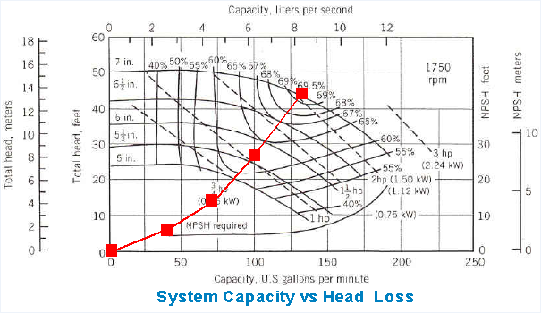

 |  |  |  |  | The above Darcy Weisbach pressure head loss curve has been plotted on the pump performance graph.
The above Darcy Weisbach pressure head loss curve has been plotted on the pump performance graph.

The amount of fluid power that a system consumes is a product of head and flow, according to this equation:
Fluid power = QH (s.g.)
3,960
where
H = head (ft)
Q = flow rate (gallons per minute [gpm])
sg = specific gravity of the fluid
3,960 is a units conversion to state fluid power in terms of horsepower.

 | Input
Fluid flow rate, Q = | 50 | gpm
Head, H = | 100 | ft
Specific gravity of the fluid, sg = | 1
 | Calculate
Fuid power, P = | Q*H*sg / 3960
= | 1.26 | hp

END OF WORKSHEET

SOFTWARE
M389 PROCESS PUMPS, VALVES, & PIPE SPREADSHEET ANALYSIS
© Copy Write, John Andrew P.E. 10 May 2013 |  |  |  | Revised 28 July 2020

Vendor Piping System Software
http://www.cranepumps.com/pumpselector.php |  |  |  |  | http://www.cranepumps.com/pumpselector.php
CRANE PUMPS AND SYSTEMS
PUMP CALCULATOR
http://www.cranepumps.com/ > PRODUCTS > MENTOR PUMP SELECTION > MENTOR ONLINE > BARNS > Start Pump Selection > Enter; GPM, Head (feet of water), Pump Type, Speed, etc.
http://www.pump-flo.com/select/centrifugal/headcalc.aspx
Mentor, is an electronic guide for selecting and evaluating Crane's centrifugal pump product lines. Mentor is available for CP&S centrifugal pump product lines including: Barnes, Deming and Weinman and International products.
Pump Calculator may be found under menu option:
Products > Mentor Pump Selection.

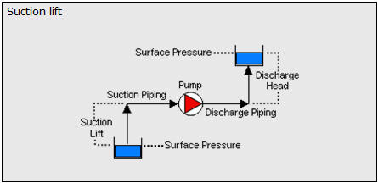

 |  | SELECT FLOW SYSTEM
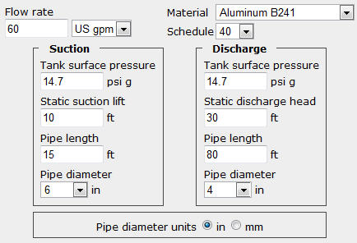

 |  | ENTER FLOW PARAMETERS
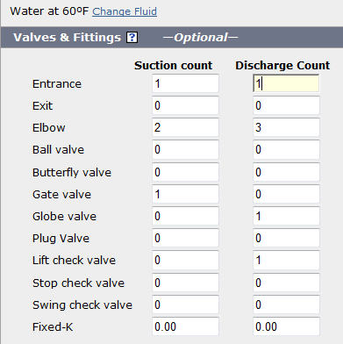

 |  | ADD PIPE FITTINGS

 |  | CALCULATED VALUES
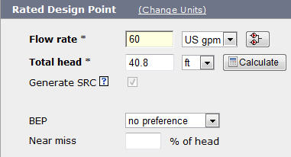

 |  | RATED DESIGN POINT

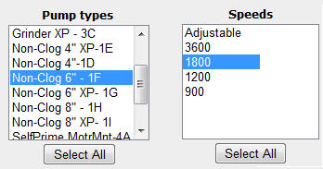

 |  |  | Click on “SEARCH”.
Click on the pump row to select a pump. Click on a column header to sort the list.
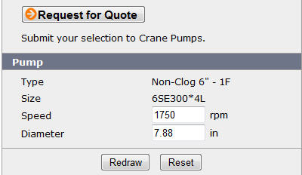

 |  | SELECTED PUMP: 6SE300*4L
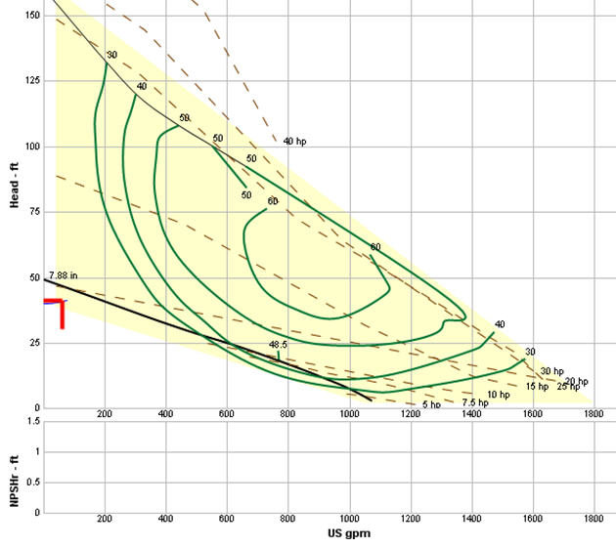

SELECTED PUMP: 6SE300*4L PERFORMANCE CURVES

The red arrow above is the operating point 60 GPM (Gallons per Minute) and 40.8 feet head ( Effective distance water is lifted).
Note: Pump efficiency in this example is less than 30% and maximum efficiency is 80%. See efficiency curves above.

 | END OF WORKSHEET

CALCULATOR
PROCESS PUMPS, VALVES, & PIPE SPREADSHEET ANALYSIS
© Copy Write, John Andrew P.E. 10 May 2013 |  |  | Revised 28 July 2020

Pressure Drop Calculator

Pressure Drop Calculator download at:
http://www.pressure-drop.com/Online-Calculator/ |  |  |  | http://www.pressure-drop.com/Online-Calculator/

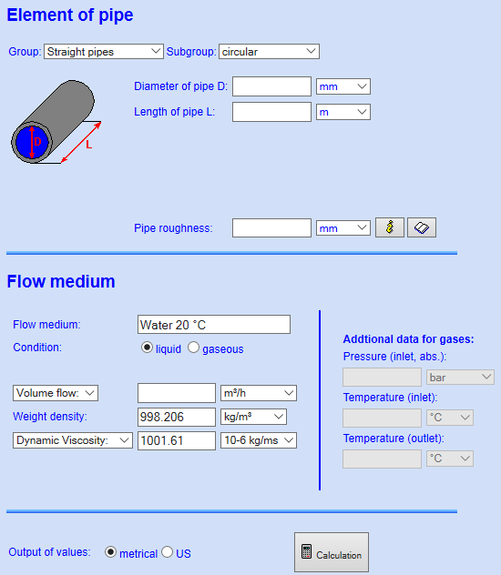

Conversion Factors
 | Input | Output
Length (ft) = | 100 | 30.48 | (m)
Pipe Internal Diameter (in) = | 12 | 0.30480370641 | (m)
Roughness (in) = | 0.001 | 0.00002540 | (mm)
Inlet Flow (gpm) = | 60 | 0.003785 | (m^3/s)

END OF WORKSHEET

LINKS
M389 PROCESS PUMPS, VALVES, & PIPE SPREADSHEET ANALYSIS
© Copy Write, John Andrew P.E. 10 May 2013 |  | Revised 28 July 2020

Pipe Sizing Based on First Costs and Future Energy Costs

 | Taylor Engineering - Publications
 | http://www.taylor-engineering.com/publications/design_guides.shtml

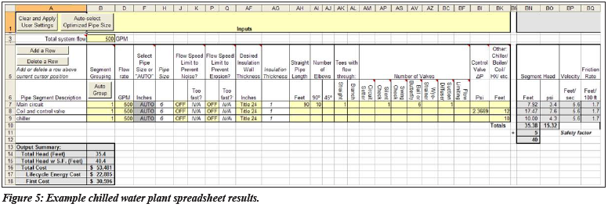

A free spreadsheet has been developed as part of the CoolTools™ Chilled Water Plant Design Guide, funded by California utility customers through Energy Design Resources (www.energydesignresources. com). The spreadsheet provides these basic functions:
Pipe sizing based on a balance between first costs and future energy costs, with optional velocity limits for erosion and noise generation; and
Pump head calculations including all fittings, valves, and devices.
The spreadsheet is fast and easy to use—calculations for most systems can be done in a few hours.

WATER CONVERSION TABLE
http://dnrc.mt.gov/wrd/water_rts/wr_general_info/wrforms/615.pdf

Darcy-Weisbach Formula vs. Hazen-Williams
http://www.vikinggroupinc.com/techarticles/frictionloss.pdf

END OF WORKSHEET

PIPE & FITTINGS
...
STANDARD FITTINGS

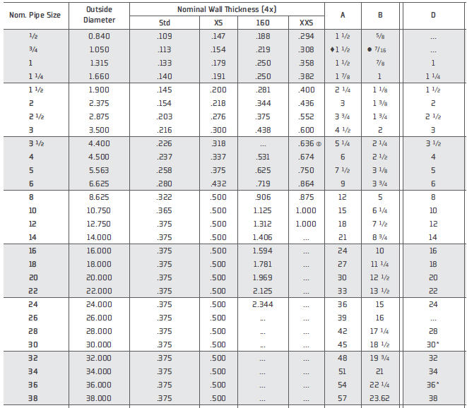

 | Hackney Ladish link to dimensions of pipe fittings above:
 | http://pccenergygroup.com/PDFs/PCC-materials/Conversion%20Booklet.pdf

 | END OF WORKSHEET

