VIBRATION
M390 VIBRATION AND SHOCK LOAD SPREADSHEET
Spread Sheet Method: new Excel version
1. Type in values for the Input Data.
2. Excel will make the Calculations.
Excel's GOAL SEEK
Excel's, "Goal Seek" adjusts one Input value to cause a Calculated formula cell to equal a given value.
When using Excel's Goal Seek, unprotect the spread sheet by selecting: Drop down menu: Home > Format > Unprotect Sheet > OK
When Excel's Goal Seek is not needed, restore protection with:
Drop down menu: Home > Format > Protect Sheet > OK
DISCLAIMER: The materials contained in the online course are not intended as a representation or warranty on the part of John Andrew LLC or any other person/organization named herein. The materials are for general information only. They are not a substitute for competent professional advice. Application of this information to a specific project should be reviewed by a registered professional engineer. Anyone making use of the information set forth herein does so at their own risk and assumes any and all resulting liability arising therefrom.
DAMPED VIBRATION with FORCING FUNCTION |  |  |  | John Andrew LLC
 |  |  |  | Copyright © 11/15/2022
The inertia forces of rotating and oscillating machinery
cause elastic supports to vibrate.

Vibration amplitudes can be reduced by installing
vibration damping mounting pads or springs.

Simple Vibrating Systems

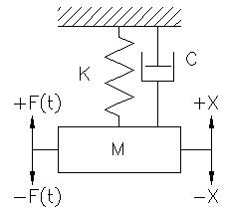
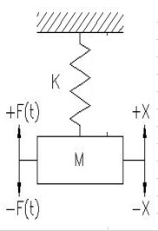
External forcing function F(t) varies with time and is externally applied to the mass M.
We will assume, F(t) = Fm*Sin(ωt)
Fm is the maximum applied force.
M is the mass of the vibration object that is equal to W/g.
Omega, ω is the angular frequency as defined below.
g is the gravitational constant, 32.2 ft/sec^2.
X is the displacement from the equilibrium position.
C is the damping constant force per second velocity.
and is proportional to velocity.
K is the spring stiffness force per inch.
Frequency of vibration f is cycles per second or Hz.

Undamped Vibrations |  |  |  | Undamped Vibrations - Example Only
If the mass M shown above is displaced through distance x and released it will vibrate freely. |  |  |  | If the mass M shown above is displaced through distance x and released it will vibrate freely.
Undamped vibrations are called free vibrations. Both x and g are measured in inch units. |  |  |  | Undamped vibrations are called free vibrations. Both x and g are measured in inch units.
 | Input |  |  |  | Input
Weight, W = | 10.00 | lb |  | Weight, W = | 10.00 | lb |  | Goal Seek Method
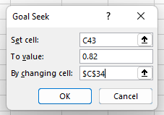
Spring stiffness, k = | 80 | lb/in |  | Spring stiffness, k = | 99 | lb/in
 | Calculation |  |  |  | Calculation
Gravitational Content, g = | 32.2 | ft/sec^2 |  | Gravitational Content, g = | 32.2 | ft/sec^2
π = | 3.142 |  |  | π = | 3.142
Static Deflection, x = | W / k |  |  | Static Deflection, x = | W / k
= | 0.13 | in |  | = | 0.10 | in
Mass, M = | W / g |  |  | Mass, M = | W / g
= | 0.311 | lbm-sec^2/in |  | = | 0.311 | lbm-sec^2/in
Natural Frequency, fn = | 1/ (2*π)*((k/12)*/M))^.5 |  | Hz | Natural Frequency, fn = | 1/(2*π)*((k/12)*/M))^.5 | Hz |  | 1 | Pick Cell C43 (Equation Cell)
= | 0.74 |  | Hz | = | 0.82 | Hz |  | 2 | Data
Angular frequency, ω = | 2*π*fn |  |  | Angular frequency, ω = | 2*π*fn |  |  | 3 | What-If Analysis
= | 4.6 | radn/sec |  | = | 5.2 | radn/sec |  | 4 | Goal Seek
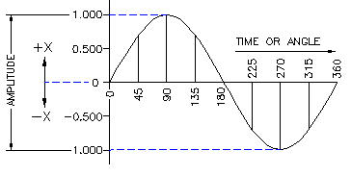
 |  |  |  |  |  |  |  | 5 | To value: 0.82
 |  |  |  |  |  |  |  | 6 | By changing cell: C34
 |  |  |  |  |  |  |  | 7 | OK
 |  |  |  |  |  |  |  | See more at "Math Tools" tab below.
Displacement vs Time Graph
Displacement vs Time Graph

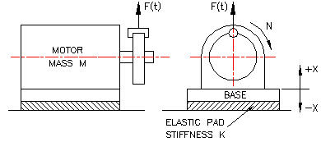

Forced Un-damped Vibrations | Input
Motor weight, W = | 50 | lb
Motor speed, N = | 1150 | rpm
Gravitational content (ft), g = | 32.2 | ft/sec^2
Gravitational content (in), g = | 386.4 | in/sec^2
Periodic disturbing force, Fd = | 840 | lb
Motor mount stiffness, k = | 500 | lb/in
 | Calculation
Angular natural frequency, fn = | (k*g / W)^.5
= | 62.2 | rad/sec
Disturbing force frequency, f = | N
= | 1150 | cycles/min
Disturbing force angular frequency, fd = | f*2*π / 60 | rad/sec |  |  | Undamped Vibration
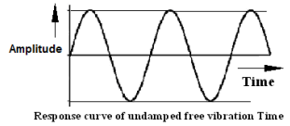
= | 120.4 | rad/sec
Pseudo-static deflection, x = | Fd / k | in
= | 1.68000 | in
Amplitude magnification factor, B = | 1 / ( (1 - (fa / fn)^2)
= | 0.363
Vibration amplitude = | B*(Fd / k) | in
Pick cell B84, Tools, Goal Seek, | 0.610 | in | "Math Tools" tab.

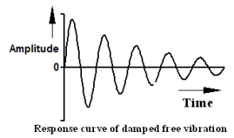
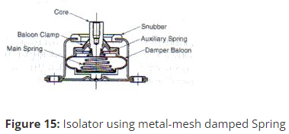
 |  |  |  |  | Damped Vibration
Damped, (Viscous) Forced Vibrations
 | Input
Motor Weight, W = | 500 | lbm
Motor Speed, N = | 1750 | rpm
Gravitational Content (ft), g = | 32.2 | ft/sec^2
Gravitational Constant (in), g = | 386.4 | in/sec^2
Isolation mount combined stiffness, k = | 20000 | lb/in
Rotating imbalance mass, Wi = | 40 | lbm
Rotating imbalance eccentricity, e = | 1.5 | in
Viscous damping ratio, C = | 0.2 | -
 | Calculation
Static deflection of the mounts, d = | W / k | in |  |  |  |  | Go to the Barry Controls
"Most elastomeric isolators cannot be constantly subjected to large strains."
"An isolator with a large static deflection may give satisfactory performance temporarily but it tends to drift or creep excessively over a relatively short period of time.
Opinions on maximum permissible static strain vary widely, but it may be taken as a conservative limitation that elastomers should not be continuously strained more than 10 to 15% in compression, nor more than 25 to 50% in shear.
These rules of thumb are often used to determine the maximum load capacity of a given isolator."
= | 0.0250 | in |  |  |  |  | http://www.barrycontrols.com/
"For applications where all metal isolators are desired because of temperature extremes or other environmental factors, damping can be added to a load carrying spring by use of metal mesh insterts."
Undamped natural frequency, fn = | (1 / 2*π)*(g / d)^.5
= | 19.784 | Hz
Disturbing force frequency, f = | N / 60 | Hz
= | 29.17 | Hz
Disturbing force angular frequency, fa = | 2*π*f | rad/sec
= | 183.3 | rad/sec
Out of balance force F due to rotating mass
F = | Wi*fa^2*e / g
= | 5216 | lbf
Forcing frequency / Natural frequency = r = | f / fn
= | 1.474
Amplitude magnification factor, MF = | 1/( (1 -r^2)+ (2*Cr)^2)
= | 0.761
Vibration amplitude, x = | (MF)*(F / k) | in
= | 0.1986 | in
Transmissibility, TR = | (MF)*(1 + (2*r*C)^2)^.5
= | 0.884
Transmissibility Force, Ftr = | (TR)*F
= | 4611 | lbf

Critical Damping
Critical damping occurs when the vibration amplitude is stable:
C = | Damping Coefficient
Ccrit = | Critical Damping Coeff.
Ccrit = | 2*(K*M)^.5
K = | System stiffness
M = | Vibrating Mass
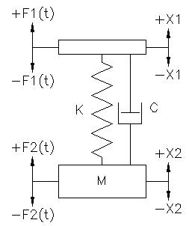

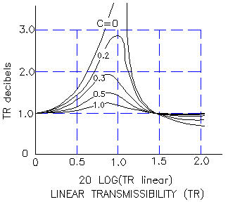
Transmissibility (TR)
Transmissibility is the ratio of the force
transmitted to a machine's supports
due to a periodic imbalance in an; engine,
pump, compressor, pulverizer, motor, etc.

The amplitude of vibrations in machinery
mountings can be reduced with resilient
pads or springs called isolators.

The isolated system must have a natural
frequency less than 0.707 x the disturbing
periodic imbalance force.

The vibration amplitude will increase if the
isolated system has a natural frequency
higher than 0.707 x the disturbing frequency.

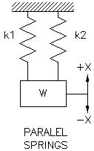
Transmissibility ratio is equal to the, mass displacement amplitude / base displacement amplitude.
TR = | X2 / X1
The transmissibility ratio TR, is the vibration amplitude reduction.

 | Input
Disturbing force frequency, fd = | 16.0 | Hz
Undamped natural frequency, fn = | 12.0 | Hz
 | Calculation
Transmissibility, TR = | 1/(1-(fd/fn)^2)
TR = | -1.286 | -
If mounting damper pad natural frequency is known:
 | Input
Transmissibility, TR = | 0.5 | -
Disturbing force frequency, fd = | 14 | Hz
 | Calculations
System natural frequency, fn = | fd / (1+(1/TR))^0.5
Answer: fn = | 8.1 | Hz
Springs are employed as vibration isolators.

Series Springs Combined Stiffness | Input
k1 = | 10 | lbf/in
k2 = | 15 | lbf/in
 | Calculation
1 / k = | 1 / k1 + 1 / k2
k = | (k1*k2) / (k1 + k2)
Answer: k = | 6 | lbf/in

Parallel Springs Combined Stiffness
 | Input
k1 = | 12 | lbf/ in
k2 = | 24 | lbf/ in
 | Calculation
Answer: k = | k1 + k2
k = | 36 | lbf/ in

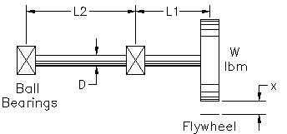
Critical Speed of Rotating Shaft
The critical speed of a shaft is its
natural frequency. The amplitude of
any vibrating system will increase
if an applied periodic force has the
same or nearly same frequency.

Resonance occurs at the critical
speed.

 | Input
Flywheel mass, W = | 50 | lbm
Shaft diameter, D = | 1.000 | in
Steel Shaft, E = | 29000000 | lb/sq in
Bearing center distance, L2 = | 20 | in
Flywheel overhang, L1 = | 8 | in
Gravitational constant (ft), g = | 32.2 | ft/sec^2
Gravitational constant (in), g = | 386.4 | in/sec^2
 | Calculation
Shaft radius, r = | D / 2 | in
= | 0.500 | in

Shaft section moment of inertia, I = | π*r^4 / 4 | in^4
= | 0.0491 | in^4

The ball bearings act as pivoting supports
Flywheel static deflection is;
x = | W*L1^2*(L1+L2) /3*E*I | in
= | 0.021 | in

Natural frequency, f = | (1 / 2*π)*(g / x)^.5 | Hz
= | 21.6 | Hz

Beam Stiffness (k), Deflection (x), and Natural Frequency ( f )
Cantilever, load W at Free End | Input
Load at Free End, W = | 600 | lbf
Length, L = | 30 | in
Young's Modulus, E = | 29000000 | lb/sq in
Moment of Inertia, I = | 4.000 | in^4
 | Calculation
Deflection, x = | W*L^3 / (3*E*I) | in
Answer: x = | 0.047 | in
Stiffness, k = | 3*E*I/L^3 | lbf/in
Answer: k = | 12889 | lbf/in
Natural frequency, f = | (1/2π)*(g / x)^0.5
f = | 1321 | Hz
Cantilever, Uniform Load w | Input
Uniform Load, w = | 450 | lbf/in
Length, L = | 4 | in
Young's Modulus, E = | 29000000 | lb/sq in
Moment of Inertia, I = | 2.000 | in^4
 | Calculation
Deflection, x = | w*L^4 / (8*E*I) | in
Answer: x = | 0.001 | in
Stiffness, k = | 8*E*I/L^3 | lbf/in
Natural frequency, f = | (1/2π)*(g / x)^0.5
f = | 92887 | Hz

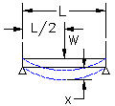
Beam, Pinned ends, W at Mid Span | Input
Load at Mid Span, W = | 400 | lbf
Length, L = | 60 | in
Young's Modulus, E = | 29000000 | lb/sq in
Moment of Inertia, I = | 3.000 | in^4
 | Calculation
Deflection, x = | W*L^3 / (48*E*I) | in
Answer: x = | 0.021 | in
Stiffness, k = | 48*E*I/L^3 | lbf/in
Answer: k = | 19333.333333 | lbf/in
Natural frequency, f = | (1/2π)*(g / x)^0.5
f = | 2972 | Hz
Beam, Pinned ends, Uniform Load w | Input
Uniform Load, w = | 500 | lbf/in
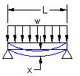
Length, L = | 40 | in
Young's Modulus, E = | 29000000 | lb/sq in
Moment of Inertia, I = | 2.000 | in^4
 | Calculation
Deflection, x = | 5*w*L^4 / (384*E*I) | in
Answer: x = | 0.287 | in
Stiffness, k = | 384*E*I/(5*L^3) | lbf/in
Answer: k = | 69600 | lbf/in
Natural frequency, f = | (1/2π)*(g / x)^0.5
f = | 214 | Hz

Beam, Fixed Ends, Load W at Mid Span | Input
Load at Mid Span, W = | 700 | lbf
Length, L = | 80 | in
Young's Modulus, E = | 29000000 | lb/sq in
Moment of Inertia, I = | 2.000 | in^4
 | Calculation
Deflection, x = | W*L^3 / (192*E*I) | in
Answer: x = | 0.032 | in
Stiffness, k = | 192*E*I/L^3 | lbf/in
Answer: k = | 21750 | lbf/in
Natural frequency, f = | (1/2π)*(g / x)^0.5
f = | 1911 | Hz
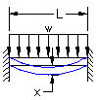
Beam, Fixed ends, Uniform Load w | Input
Uniform Load, w = | 600 | lbf/in
Length, L = | 50 | in
Young's Modulus, E = | 29000000 | lb/sq in
Moment of Inertia, I = | 2.000 | in^4
 | Calculation
Deflection, x = | w*L^4 / (384*E*I) | in
Answer: x = | 0.168 | in
Stiffness, k = | 384*E*I/(L^3) | lbf/in
Answer: k = | 178176 | lbf/in
Natural frequency, f = | (1/2π)*(g / x)^0.5
f = | 365 | Hz

Plate Natural Frequency (f)
Rectangular plate natural frequency, f = | (K / 2*π)*((D*g)/(w*a^4))
Rectangular Plate, simply supported edges = | K, ss
Rectangular Plate, fixed edges = | K, fixed
 | Vibration Coefficients
Circular Stiffness Factors
Circular Plate, simply supported edges, K = 4.99.
Circular Plate, fixed supported edges, K = 10.2.
 | a / b | K, ss | K, fixed
 | 1.0 | 19.7 | 36.0
 | 0.8 | 16.2 | 29.9
 | 0.6 | 13.4 | 25.9
 | 0.4 | 11.5 | 23.6
 | 0.2 | 10.3 | 22.6
 | 0.0 | 9.87 | 22.4
Rectangular Plate Natural Frequency (f)
 | Input
Modulus of elasticity, E = | 2.90E+07 | lbf/in^2
Plate thickness, t = | 0.5 | in
Poisson's ratio, v = | 0.3
Plate short side, a = | 36 | in
Plate long side, b = | 45.0 | in
From the table above, K,ss or Kfixed = | 16.2
Load per unit area, w = | 50 | lb/in^2
 | Calculation
Answer: a / b = | 0.80
D = | E*t^3 / (12*(1 - ν^2))
Answer: D = | 331960
π = | 3.142
Gravitational acceleration, g = | 386.4 | in/sec^2
Rectangular Plates, f = | (K / 2*π)*((D*g)/(w*a^4))
Answer: f = | 3.938 | Hz

Circular Plate Natural Frequency (f) | Input
Load per unit area, w = | 50 | lb/in^2
Modulus of elasticity, E = | 2.90E+07 | lb/in^2
Plate thickness, t = | 0.5
Poisson's ratio, v = | 0.3
Plate radius, r = | 36 | in
From the table above, K,ss = | 4.99
Kfixed = | 10.2
 | Calculation
π = | 3.142
g = | 386.4 | in/sec^2
D = | E*t^3 / (12*(1 - ν^2))
Answer: D = | 331960

Simply supported edges, f = | (K / 2*π)*((D*g)/(w*r^4))
Answer: f = | 1.213 | Hz

Fixed edges, f = | (K / 2*π)*((D*g)/(w*r^4))
Answer: f = | 2.479 | Hz

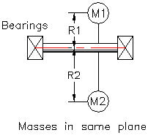
Balancing Rotating Shafts

Masses in the Same Plane
For static balance:
Two masses, M1 and M2 must be in the
same plane and 180 degrees out of
phase and moments must balance:

Σmi*Ri = 0

M1*R1+ M2*R2 = 0

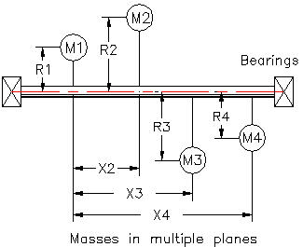
Masses in Different Planes
For static and dynamic balance there must
be no unbalanced moments and couples.

When the masses are in the same plane
static and dynamic balance occurs when:

Σmi*Ri*Xi = 0

M2*R2*X2+ M3*R3*X3 + M4*R4*X4 = 0

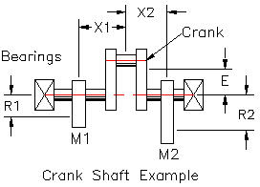

The crank (Mc) is statically and dynamically
balanced by two counter weights, M1 & M2,
all three masses are in the same plane.
Find the masses of the two counterweights.

 | Input |  | Example only
Mass 1 C.G. radius, R1 = | 10 | in | 12
X1 = | 16 | in | 18
Mass 2 C.G. radius, R2 = | 14 | in | 12
X2 = | 30 | in | 36
Crank Mass, Mc = | 450 | lbm | 570
Crank Mass Eccentricity, E = | 2.5 | in | 3.96
Dynamic balance about mass M1: | Calculation
Mc*E*X1 = | M2*R2*(X1+X2)
M2 = | Mc*E*X1 / R2*(X1+X2)
Answer: M2 = | 27.950310559 | lbm
Condition for static balance:
Σmi*Ri = | 0
0 = | M1*R1+M2*R2-Mc*E
Mass required to balance Mc, M1 = | (-M2*R2+Mc*E) / R1
Answer: M1 = | 73.369565217 | lbm

Forced, Steady State Vibration Example
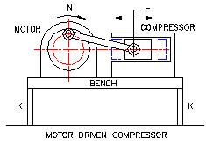

Calculate the two spring support stiffness
(k) if the horizontal vibration amplitude is to
be no more than 0.25 inches.
Estimated friction is 5% of the critical
damping factor (Cc).

 | Input
Motor speed, N = | 360 | rpm
Motor+Compressor+Table Mass, W = | 80 | lbm
Critical damping coefficient = | Cc
Friction damping coefficient = | Cf
(Friction/ Critical) damping factor ratio, DR = | Cf / Cc
 | 0.05
Allowable vibration amplitude, Y = | 0.25 | in
 | Calculation
Motor speed, ω = | 2*π*N / 60
Answer: ω = | 37.704 | rad / sec
g = | 386.4 | in/sec^2
M = | W / g
Answer: M = | 0.2070 | lbm-sec^2/in
Total spring support stiffness, Kt = | 2*K
Kt = | M*ω^2
Answer: Kt = | 294.3 | lbf / in
K = | Kt / 2
Answer: K = | 147.2 | lbf / in
Critical value of damping factor, Cc = | 2*(Kt*M)^.5
Answer: Cc = | 15.61
Friction damping factor, Cf = | Cc*DR
Answer: Cf = | 0.781
The motor periodic imbalance force, F = | Fo*Sin(ω*t) | lbf
The motor peak imbalance force, Fo = | Cf*ω*Y | lbf
At resonance, Y = | Fo / Cc*ω | in
Fo = | Cf*ω*Y
Answer: Fo = | 7.36 | lbf

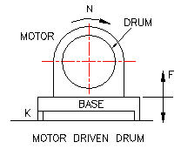

Vertical Vibration Damper Selection
A metal tumbling drum driven by an electric
motor-gear, right, rotates at 1080 rpm causing
a disturbing vibration to the floor on which it is
mounted.

The loaded drum, motor, and support base .
weigh 400 lbm.

Vibration Isolator Selection
Select 4 vibration isolators that will provide
80% vibration reduction applied to the floor. | Input
System weight, W = | 200 | lbm
Number of isolators, N = | 4
Vibration reduction, VR = | 0.80
Disturbing frequency, Fd = | 1080 | rpm
 | Calculation
Weight per isolator, w = | W / N | lbm
Answer: w = | 50
Transmissibility, T = | 1 - VR
Answer: T = | 0.20
Answer: Fd = | 18 | rps
Transmissibility, T = | (1 / (1-(Fd / Fn)^.5)
System natural frequency, Fn = | Fd / (1 +(1/T))^.5
Answer: Fn = | 7.35 | Hz
g = | 386.4 | ft / sec^2
Stiffness, K = | W / x
Deflection, x = | W / K
Undamped natural frequency, Fn = | (1 / 2π)*(K*g / W)^.5 | Hz
Fn = | (1 / 2π)*(g / x)^.5
Fn = | 3.128*(1 / x)^.5
Solving for deflection in the above, x = | (3.128)^2 / (Fn)^2
Answer: x = | 0.181 | in

Suggested max transmissibility, Tmax = | 10
Ref. "Engineered Solutions" a Barry Controls publication.

At resonance transmissibility, T = | 1/ (2*C / Ccrit)
C / Ccrit = | 1/ (2*T)
Answer: C / Ccrit = | 0.05

 | END OF SECTION

SHOCK LOAD
SHOCK LOADS

A shock load is caused by a nearly instantaneous
rise and fall of acceleration.
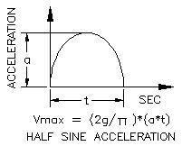
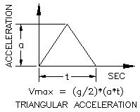

Shock input pulse is normally
expressed in g's.

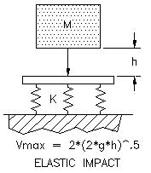
Free Fall Impact Shock
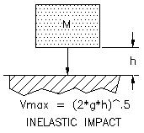

A typical free fall shock test is an 11
millisecond second half sine waveform
with a peak acceleration of 15 g.

The above graph shows a static load of 100 lbs produces a natural frequency of 7.2 Hz.

Shock Impulse Deflection

An electronic device is to be subjected to a
15g half sine shock lasting 11 milliseconds.
The unit is mounted on a 10 Hz natural
frequency isolation system.
Determine the maximum shock transmission
 | Input
Half sine shock acceleration, a = | 12 | g
Shock pulse time, t = | 0.018 | sec
g = | 386.4 | in/ sec^2
Isolator natural frequency, Fn = | 20 | Hz

 | Calculation
Half sine pulse max peak velocity, Vmax = | 2*g*a*t / π
Answer: Vmax = | 53.13 | in/ sec^2
Max acceleration, G = | Vmax*(2*π*Fn)/ g
Answer: G = | 17.3 | g's
Dynamic isolator deflection: Dd = | Vmax/ (2*π*Fn)
Answer: Dd = | 0.423 | in

Transmissibility Ratio, TR = | Ftransmitted/ Fapplied
TR = | Bd*(1+(2*r*C)^2)^.5

Notes:
Magnification factor Bd must be greater
than 1.00 or vibrations will be amplified.
Magnification factor, Bd = | 1/((1-r^2)^2+(2*C*r)^2)^.5
Bd = | D /(Fo / K)
D = | Vibration amplitude
Fo = | Peak disturbing force
K = | Support stiffness

Isolator Selection
http://www.baldor.com/support/product_specs/generators/Vibration_Isolators/01_Korfund_Catalog.pdf

 | Input
Equipment Weight, W = | 13.3 | lbm
Number of Isolators, N = | 4
Applied Vertical Shock Acceleration, Gv = | 50 | g
Shock Half Sine Pulse time, t = | 0.003 | sec
Allowable sway space, Xv = | 1.4 | in
Isolator Roll Stiffness, Kr = | 0 | lbf/in | Flexmount CB1260-39
Isolator Shear Stiffness, Kh = | 0 | lbf/in | "
Isolator Compression Stiffness, Kv = | 133 | lbf/in | "
Isolator Combined Total Stiffness, Kt = | 133 | lbf/in | "
Equipment Fragility g Limit, Af = | 10 | g

 | Calculation
Load per Isolator, Wi = | W / N | lbm
Answer: Wi = | 3.317 | lbm
Required Isolation Factor, If = | Af / Gv
Answer: If = | 20.00 | %

Required Transmissibility, Tr = | 1 - (If /1000)
Answer: Tr = | 0.8000

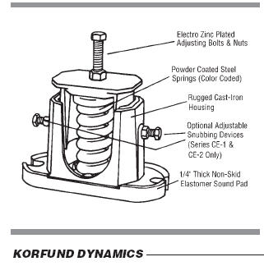

The spring type vibration and shock isolator
information shown here may be found at:
http://www.baldor.com
Korfund division of Baldor Motor corp.
and at the direct link above.

"Effective vibration control for loads up to
. Static deflections up to 1.36". Available
with, or without adjustable snubbing."

"Applications include: Stationary equipment,
HVAC, Compressors, Pumps, Motor
Generators, Fans, Blowers, etc."

Vibration Damper Selection
 | Calculations continued
Gravitational constant, g = | 386 | in/sec^2
Isolator Vertical Natural frequency, Fn = | 3.13*(Kv / Wi)^.5
Answer: Fn = | 19.8 | Hz
Half Sine Shock Pulse Frequency, Fp = | 1/ (2 * t)
Answer: Fp = | 166.7 | Hz

Shock Absorber Selection
Max Vertical Shock Transmitted, Gv = | Wi *(2*π*Fn)/ g
Answer: Gv = | 9.0 | g

Required Average Spring Rate, Ks = | (2*π*Fn)^2*(W/g)
Answer: Ks = | 133 | lb/in

Combined Isolator Vertical Frequency, Fc = | 3.13*(Ks / Wi)
Answer: Fc = | 19.8 | Hz

Maximum Dynamic Travel, Dt = | Gv*g / (2*π*Fs)^2
Answer: Dt = | 0.22 | in

Max Half Sine Pulse Velocity, Vv = | 2*g*Gv*t / π
Answer: Vv = | 36.9 | in/sec

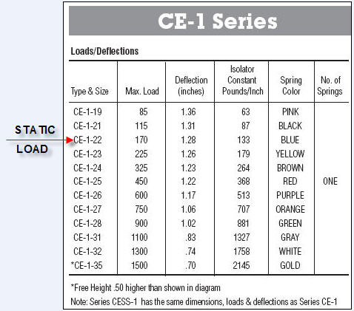

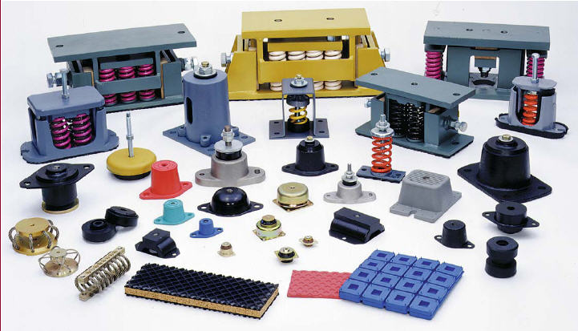

Above: Korfund division of Baldor Motor corp.

 | END OF SECTION

MATERIALS
VIBRATION MATERIALS

 | Vibration Isolator Vendors

 |  |  | Isolator Selected: | Go to the Barry Controls home page at:
 |  |  | 4 Barry Controls vibration isolators | http://www.barrycontrols.com/

 | Part No. 633A-100
 | Graphical Values
 |  |  | Deflection due to static load of 100 lb = | 0.275 | in
 |  |  | Isolator frequency = | 7.2 | Hz

 |  |  |  |  |  | The spring type vibration and shock isolator
 |  |  |  |  |  | information shown here may be found at:
 |  |  |  |  |  | http://www.baldor.com
 |  |  |  |  |  | Korfund division of Baldor Motor corp.
 |  |  |  |  |  | and at the direct link above.

 |  |  |  |  |  | "Effective vibration control for loads up to
 |  |  |  |  |  | . Static deflections up to 1.36". Available
 |  |  |  |  |  | with, or without adjustable snubbing."

 |  |  |  |  |  | "Applications include: Stationary equipment,
 |  |  |  |  |  | HVAC, Compressors, Pumps, Motor
 |  |  |  |  |  | Generators, Fans, Blowers, etc."

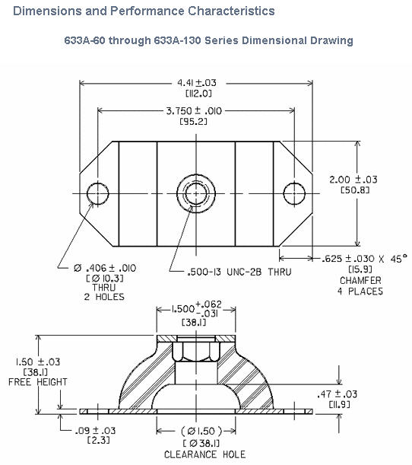

 |  |  |  |  |  |  | Above: Korfund division of Baldor Motor corp.

 |  | The "Barry Controls" information presented here may be found on the web at:
 |  |  | www.barrycontrols.com

 |  | "Barry 633A Series Mounts are medium weight mounts normally
 |  | used for vertically applied loads to prevent transmission of noise
 |  | and vibration caused by rotation of imbalanced equipment
 |  | (i.e. generators, blowers, pumps, etc...)
 |  | Low-profile, low frequency elastomeric noise and vibration
 |  | isolators for medium weight industrial equipment."
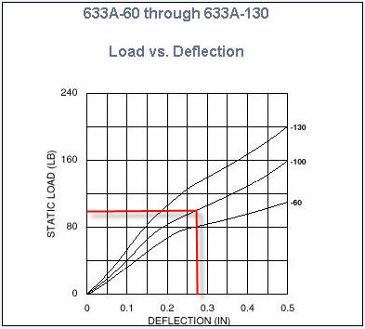

 |  | The above graph shows a static load of 100 lbs produces a deflection of 0.275 inches.
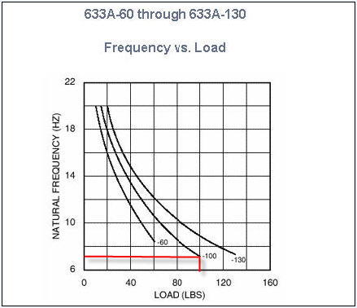

 |  |  |  | END OF SECTION

MATH TOOLS
MATH TOOLS

Unlock a worksheet with "Unprotect"
Step-1 | HOME
Step-2 | Format
Step-3 | Unprotect Sheet
Step-4 | OK
Lock a worksheet with "Protect Sheet" |  |  | Protect Sheet Box Opens
Step-5 | HOME |  | NEW EXCEL |  |  |  | OLD EXCEL
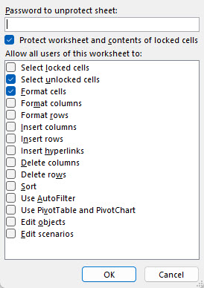
Step-6 | Format
Step-7 | Protect Sheet
Password is not required.

Check the "Protect Sheet" two boxes right >>
 | Select Unlocked Cells
 | Format Cells

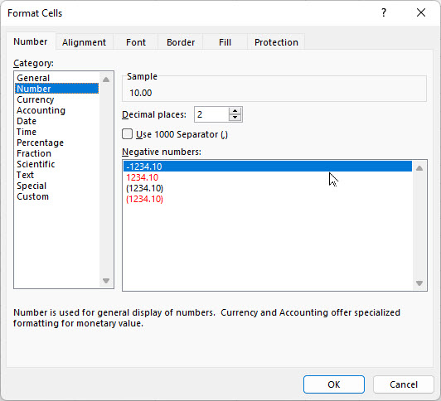
 |  |  |  |  |  |  | Step | Enter
 |  |  |  |  |  |  | 1 | 10
 |  |  |  | Follow Steps>> |  |  | 2 | 6
GOAL SEEK |  |  |  | H = | 10.00 | lbs | 3 | Format
 | Input |  |  | V = | 6.00 | llbs | 4 | Format Cells
Horizontal force, H = | 10.00 | lbs |  | TAN(A) = | V/H |  | 5 | Number
Vertical force, V = | 6.00 | lbs |  | = | 0.6000 | number | 6 | Decimal Places
 | Calculation |  |  | Angle A = | ATAN(V/H) |  | 7 | 2
Resultant force, R = | ( H^2 + V^2 )^(1/2) |  |  | = | 0.5404 | radians | 8 | OK
= | 11.7 | lbs |  | A radians = | 57.3*A | degrees | 9 | 10.00
Angle, A = | 57.30 * ATAN(V / H) |  |  | Angle A = | 57.3*A |  | 10 | 6.00
= | 30.97 | deg |  | = | 30.97 | degrees

GOAL SEEK method
Step-1 Select the green cell C38 containing a formula.
Step-2 Select: DATA > What-If Analysis > Goal Seek
Step-3 To value: 14, for example
Step-4 Pick cell containing value to be changed by Excel: C34 or C35 > OK

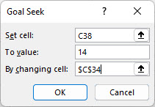
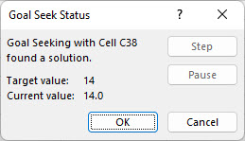

Select > OK and "Goal Seek Status'>> will open > OK

