Cover
http://www.engineering-spreadsheets.com

M391 MACHINE DESIGN | 2023-12-21

ENGINEERING SPREADSHEETS R4
1-Machine Design
2-Bolted Connections
3-Weldment Strength
4-Beam Strength
5-Metal Fatigue
6-Heat Transfer
7-Industrial Insulation
8-Steam and Combustion Power
9-Dust Collection
10-Manufacturing Operations
11-Jigs and Fixtures for Automation
12-Belt Conveyor
13-Bucket Elevator Design
14-Chain Drives and Drag Conveyor
15-Screw Conveyors
16-Six Sigma Quality Control-1
17-Six Sigma Quality Control-2
18-Six Sigma Quality Control-3
19-Business Plan
20-Process Pumps and Pipe
21-Vibration and Shock Load Analysis
22-ASME Boiler & Fuel Cell Pressure Vessels 23-Fluid Power

DISCLAIMER: The materials contained in these spreadsheets are not intended as a representation or warranty on the part of John R. Andrew or any other person/organization named herein. The materials are for general information only. They are not a substitute for competent professional advice. Application of this information to a specific project should be reviewed by a registered architect and/or professional engineer/surveyor. Anyone making use of the information set forth herein does so at their own risk and assumes any and all resulting liability arising therefrom.

To scroll, roll the mouse wheel.
To zoom in, depress the Ctrl key and roll the mouse wheel away from you.
To open another, "Work Sheet Lesson" select a tab at the bottom of this spreadsheet.
To unlock the cells of this spreadsheet: Home > Format > Unprotect Sheet.
To lock the cells of this spreadsheet: Home > Format > Protect Sheet.
To open a new spreadsheet topic click on the tabs below.
Spread Sheet Method: Excel Worksheet - New Version
1. Type in values for the Input Data.
2. Excel will make the Calculations.
Excel's GOAL SEEK
Excel's, "Goal Seek" adjusts one Input value to cause a Calculated formula cell to equal a given value.
When using Excel's Goal Seek, unprotect the spread sheet by selecting: Drop down menu: Home > Format > Unprotect Sheet > OK
When Excel's Goal Seek is not needed, restore protection with:
Drop down menu: Home > Format > Protect Sheet > OK

Spread Sheet Method: Excel-97 2003 - Old Version
1. Type in values for the input data.
2. Excel will make the calculations.
Excel's GOAL SEEK
Excel's, "Goal Seek" adjusts one Input value to cause a Calculated formula cell to equal a given value.
When using Excel's Goal Seek, unprotect the spread sheet by selecting: Drop down menu: Tools > Protection > Unprotect Sheet > OK
When Excel's Goal Seek is not needed, restore protection with:
Drop down menu: Tools > Protection > Protect Sheet > OK

1 Machines
M391 MACHINE DESIGN SPREADSHEET ANALYSIS |  |  | 5 PDH

1-MACHINE DESIGN |  | Revised: 29 Nov 2013

Machine Design
This 5 PDH machine design course uses Excel's calculating and optimizing capabilities. Machine design includes:
1. A description of the needed machine in a written specification.
2. Feasibility studies comparing alternate designs and focused research.
3. Preliminary; sketches, scale CAD drawings, materials selection, appearance and styling.
4. Functional analysis; strength, stiffness, vibration, shock, fatigue, temperature, wear, lubrication. Customer endurance and maintenance cost estimate.
5. Producibility; machine tools, joining methods, material supply and handling, manual vs automated manufacture.
6. Cost to design and manufacture one or more models in small and large quantities.
7. Market place: present competition and life expectancy of the product.
8. Customer service system and facilities.
9. Outsource part or all; engineering, manufacturing, sales, warehousing, customer service.

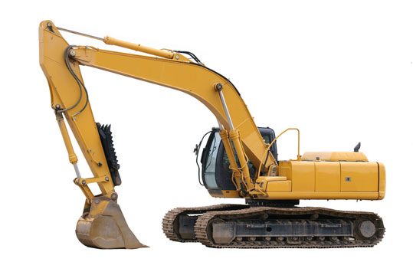

Backhoe
Above is the image in its original context on the page: www.chesterfieldgroup.co.uk/products/mobile.html

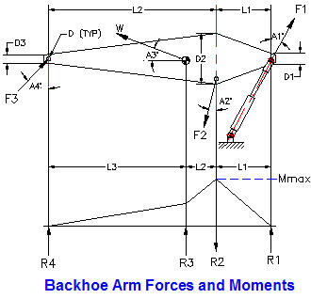

Strength and Stiffness Analysis
The strength and stiffness analysis of the backhoe begins with a, "Free Body Diagram" of one of the members, shown above :
Force F1 = Hydraulic pressure x piston area.
Weight W = arm material volume x density.
Force F3 = (Moments due to F1 and W) / (L1 x cos A4)
Force F2 = ( (F1 cos A1) - (W sin A3) + (F3 cos A4) ) / cos A2
Moment Mmax = F1 x cos A1 x L1
Arm applied bending stress, S = K x Mmax D2 / (2 I)
I = arm area moment of inertial at D2 and
K = combined vibration shock factor.
Safety factor, SF = Material allowable stress / Applied stress
The applied stress and safety factor must be calculated at each high stress point.

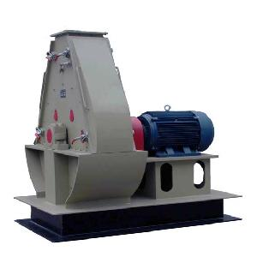

The replicable bearings have seals to keep the grease or oil lubricant in and the dust and grit out.
Quick release access panels are provided for clearing jams and cutter replacement.
A large, steel rod reinforced concrete pad, foundation is usually provided for absorbing dynamic shredding forces and shock loads.

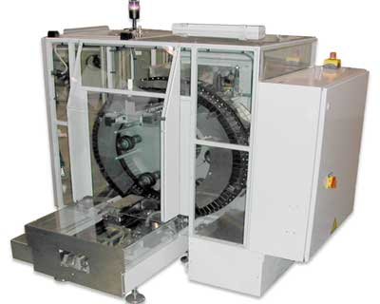

Above is the image in its original context on the page: www.mardenedwards.com/custom-packaging-machine
Automated Packaging Machine
The relatively high cost of labor in the United States requires automated manufacturing and assembly to be price and quality competitive in the world market. The product packaging machine above is one example.

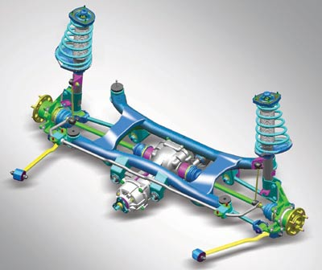

Automobile Independent Front Suspension
Above is the image in its original context on the page: www.hyundai.co.in/tucson/tucson.asp?pageName=...
Coil springs absorb shock loads on bumps and rough roads in the front suspension above. Double acting shock absorbers dampen suspension oscillations. Ball joints in the linkage provide swiveling action that allows the wheel and axle assembly to pivot while moving up and down. The lower arm pivots on a bushing and shaft assembly attached to the frame cross member. These components are applied in many other mechanisms.
Spur Gears
Below is the image in its original context on the page: www.usedmills.net/machinery-equipment/feed/
Select the, "Gears" tab at the bottom of the Excel Worksheet
for more information about spur gears.

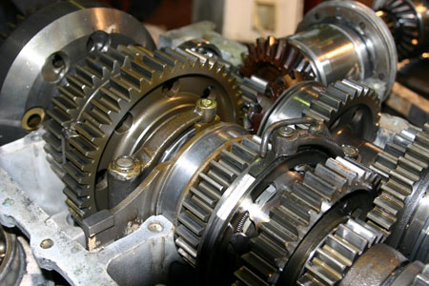

Wheel and Worm Gears
Typical, "C-face worm gearbox below. C-face refers to the round flange used to attach a mating motor flange. Worm gears offer higher gear ratios in a smaller package than any other mechanism. A 40 to 1 ratio increases torque by a factor of 40 while reducing worm gear output shaft speed to 1/40 x input speed.
The worm may have a single, double, or more thread. The axial pitch of the worm is equal to the circular pitch of the wheel. Select the, "Gears" tab at the bottom of the Excel Worksheet for more information about worm gears.

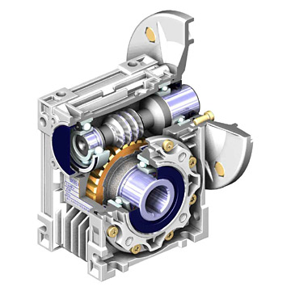

Worm gear
Above is the image in its original context on the page: www.global-b2b-network.com/b2b/17/25/751/gear...

 | This is the end of this worksheet.

2 Stress
M391 MACHINE DESIGN SPREADSHEET ANALYSIS |  |  |  |  | 0

2-Stress Analysis

* Machine components are designed to withstand: applied direct forces, moments and torsion.
* These loads may be applied gradually, suddenly, and repeatedly.
* Design load is equal to the applied load multiplied by a combined shock and fatigue factor, Ks.
* The average applied design stress must be multiplied by a stress concentration factor K.
* Calculated deflections are compared with required stiffness.
* The material strength is compared with the maximum stress due to combinations of loads.

To scroll, roll the mouse wheel.
To zoom in, depress the Ctrl key and roll the mouse wheel away from you.
To unlock the cells of this spreadsheet: Home > Format > Unprotect Sheet.
To lock the cells of this spreadsheet: Home > Format > Protect Sheet.
To open a new spreadsheet topic click on the tabs below.

 |  | Math Symbols
 | A x B = | A*B | A / B = | A / B
 | 2 x 3 = | 2 * 3 | 3 / 2 = | 3 / 2
Spread Sheet Method: | = | 6 | = | 1.5
1. Type in values for the input data.
2. Enter. | A + B = | A + B | Xn = | X^n
3. Answer: X = will be calculated. | 2 + 3 = | 2 + 3 | 23 = | 2^3
4. Automatic calculations are bold type. | = | 5 | = | 8

When using Excel's Goal Seek, unprotect the spread sheet by selecting:
Drop down menu: Tools > Protection > Unprotect Sheet > OK
When Excel's Goal Seek is not needed, restore protection with:
Drop down menu: Tools > Protection > Protect Sheet > OK
Click on thw GOAL SEEK tab below for more

TENSION AND COMPRESSION
As shown below, + P = | Tension
- P = | Compression
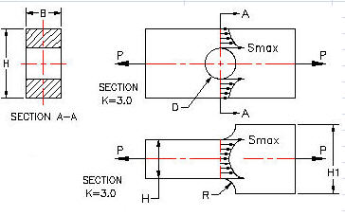

Reference: Design of Machine Elements, by V.M. Faires, published by: The Macmillan Company, New York/Collier-Macmillan Limited, London, England.

Stress Concentration Factor, K = 3.0 for metal plate example above.

Two machine components, shown above, are subjected to loads P at each end.
The force P is resisted by internal stress S which is not uniform.
At the hole diameter D and the fillet radius R stress is 3 times the average value.
This is true for tension +P and compression -P.

Metal Plate with Hole | Use if: D/H < 0.25
Refer to the diagram above: | Input
External force, ± P = | 2,000 | lbf
Hole diameter, D = | 0.750 | in
Section height, H = | 4.000 | in
Section width, B = | 1.000 | in
Original length, L = | 5.000 | in
Stress concentration factor, K = | 3.0 | -
Combined shock and fatigue factor, Ks = | 3.0 | -
 | Calculations
Diameter / Height, D / H = | 0.19 | D/H is OK
Section area, A = | H*B
= | 4 | in^2
Maximum direct stress, Smax = | K*Ks*P / A
= | 4,500 | lbf/in^2
Safety factor, SF = | Sa / Smax
= | 4.89 | -

Material | E x 10^6 lbf/in^2 | G x 10^6
Brass | 15.0 | 5.80
Bronze | 16.0 | 6.50
ASTM A47-52 Malleable Cast Iron | 25.0 | 10.70
Duralumin | 10.5 | 4.00
Monel Metal | 26.0 | 10.00
ASTM A-36 (Mild Steel) | 29.0 | 11.50
Nickel-Chrome Steel | 28.0 | 11.80

Tension and Compression

 | Input
Tension ( + ) Compression ( - ), P = | 22,000 | lbf/in^2
Section Area, A = | 2.00 | in^2
Original length, L = | 10 | in
Original height, H = | 3 | in
Material modulus of elasticity, E = | 29,000,000 | lbf/in^2 | See table above.
 | Calculation
Stress (tension +) (compression -), S = | P / A
= | 11,000 | lbf/in^2
Strain, e = | S / E
= | 0.00038 | -
Extension (+), Compression ( - ), X = | L*e
= | 0.0038 | in
Poisson's Ratio, Rp = 0.3 = | ((H - Ho) / H) / e | For most metals
Transverse (contraction +) (expansion -) = | (H - Ho)
= | 0.3*e*H
= | 0.00034 | in

Shear Stress Distribution
Shear Stress
A stress element at the center of the beam reacts to the vertical load P with a vertical up shear stress vector at the right end and down at the other. This is balanced by horizontal right acting top and left acting bottom shear stress vectors. A stress element at the top or bottom surface of the beam cannot have a vertical stress vector. The shear stress distribution is parabolic.
Reference: Mechanical Engineering Reference Manual (for the PE exam), by M.R. Lindeburg, Published by, Professional Publications, Inc. Belmont, CA.

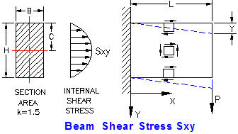

 | Input
External shear force, P = | 20,000 | lbf
Section height, H = | 4.000 | in
Section width, B = | 1.000 | in
Shear modulus, G = | 4,000,000 | lbf/in^2
Length, L = | 10 | in
 | Calculation
Section area, A = | H*B
A = | 4 | in^2
Shear stress concentration factor, k = | 1.5 | -
Maximum shear stress, Sxy = | k*P / A
= | 7,500 | lbf/in^2
Shear strain, e = | Fs / G | -
= | 0.00188 | -
Shear deflection, v = | e*L
= | 0.0188 | in

Shear Stress in Round Section Beams
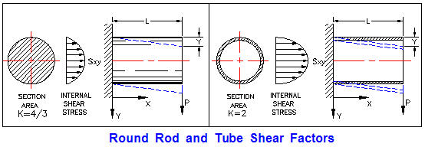

Refer to the diagram above:
Solid shafts: K = 4/3 = 1.33 & d = 0.
Thin wall tubes: K = 2.0
 | Input
External shear force, P = | 20,000 | lbf
Section outside diameter, D = | 1.500 | in
Section inside diameter, d = | 0.000 | in
Shear stress concentration factor, k = | 1.33 | -
Shear modulus, G = | 11,500,000 | lbf/in^2
Length, L = | 10 | in
 | Calculation
Section area, A = | π*( D^2 - d^2 )/ 4
A = | 1.7674 | in^2
Maximum shear stress, Fs = | k*P / A
Fs = | 15051 | lbf/in^2
Shear strain, e = | Fs / G | -
e = | 0.00131 | -
Shear deflection, v = | e*L
v = | 0.0131 | in

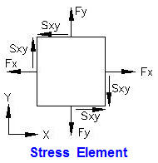
Compound Stress

Stress Element
The stress element right is at the point of interest in the machine part subjected to operating: forces, moments, and torques.
Direct Stresses:
Horizontal, +Fx = tension, -Fx = compression.
Vertical, +Fy = tension, -Fy = compression.
Shear stress:
Shear stress, Sxy = normal to x and y planes.
Principal Stress Plane:
The vector sum of the direct and shear stresses, called the principal stress F1, acts on the principal plane angle A degrees, see right. There is zero shear force on a principal plane. Angle A may be calculated from the equation:
Tan 2A = 2 x Sxy / ( Fy - Fx)

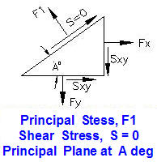

Principal Stresses:
Two principal stresses, F1 and F2 are required to balance the horizontal and vertical applied stresses, Fx, Fy, and Sxy.
The maximum shear stress acts at 45 degrees to the principal stresses, shown right. The maximum shear stress is given by:
Smax = ( F2 - F1 ) / 2
The principal stress equations are given below.
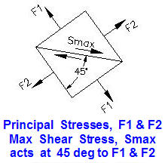

Principal Stresses
Principal stress, F1 = | (Fx+Fy)/2 + [ ((Fx-Fy)/2)^2 + Sxy^2 )^0.5 ]

Principal stress, F2 = | (Fx+Fy)/2 - [ ((Fx-Fy)/2)^2 + Sxy^2 )^0.5 ]

Max shear stress, Sxy = | [Fn(max) - Fn(min)] / 2

Principal plane angle, A = | ( ATAN(2*Sxy / (Fy - Fx) ) / 2

 | Input
Stress in x direction, Fx = | 30,000 | psi
Stress in y direction, Fy = | 20,000 | psi
Shear stress, Sxy = | 10,000 | psi
 | Calculation
Principal stress, F1 = | (Fx+Fy)/2 + (((Fx - Fy)^2 + (4*Sxy^2) )^0.5 )/2
 | 36,180
Principal stress, F2 = | (Fx+Fy)/2 - (((Fx - Fy)^2 + (4*Sxy^2) )^0.5 )/2
 | 13,820
Max shear stress, Smax = | (F1 - F2) / 2
 | 11,180
Principal plane angle, A
TAN 2*A = | 2*Sxy /(Fx - Fy)
Shear = 0 at A = | (ATAN(2*Sxy /(Fx - Fy))) / 2
A = | 0.5536 | radians
A = | 31.7 | degrees
or Shear = 0 at A = | A + 90
A = | 121.7 | degrees

Shell Longitudinal Joint Equating internal pressure force and shell stress force: P*D*L = SL*2*t*L SL= P*D / 2*t = P*R / t Shell Circumferential Joint P*π*R^2 = SC*t*2*π*R SC = P*R / t Head Circumferential Joint P*π*R^2 = SC*t*2*π*R SC = P*R / t
Thin Wall Pressure Vessel Stress
 | Input
Internal design pressure , P = | 200 | psi
Inside Radius of cylinder, R = | 36 | in
Cylindrical shell thickness , ts = | 0.667 | in
Spherical head thickness , th = | 0.333 | in
 | Calculate
Shell Longitudinal stress, SL = | P*R / (2*t)
= | 5,400 | psi
Shell Circumferential stress, SC = | P*R / t
= | 10,800 | psi
Spherical head stress, SH = | P*R /(2* t)
(Design using maximum stress) = | 10,811 | psi

Note: In cylindrical vessels, the stress set up by the pressure on the longitudinal joints
is equal to twice the stress on the circumferential joints.

Power Shaft with: Torque T, Vertical Load V, & Horizontal Load H

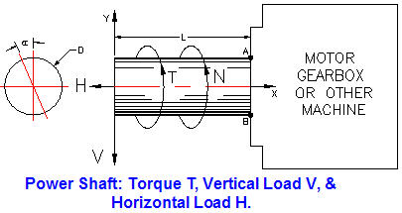

See Math Tools tab below for Excel's Goal Seek.
Use Excel's, "Goal Seek" to optimize shaft diameter.
 | Input
Horizontal force, H = | 3,000 | lbf
Vertical force, V = | 600 | lbf
Torsion, T = | 2,000 | in-lbf
Cantilever length, L = | 10 | in
Diameter, D = | 2 | in
Properties at section A-B | Calculation
π = | 3.1416 | -
Area, A = | π*D^2 / 4
A = | 3.142 | in^2
Section moment of inertia, I = | π*D^4 / 64
I = | 0.7854 | in^4
Polar moment of inertia, J = | π*D^4 / 32
J = | 1.5708 | in^4
AT POINT "A"
Horizontal direct stress, Fd = | H / A
Fd = | 955 | lbf/in^2
Bending stress, Fb = | M*c / I
Fb = | 7639 | lbf/in^2
Combined direct and bending, Fx = | H/A + M*c / I
Fx = | 8594 | lbf/in^2
Direct stress due to, "V", Fy = | 0 | lbf/in^2
Torsional shear stress, Sxy = | T*(D / 2) / J
Sxy = | 1273 | lbf/in^2

Max normal stress at point A, F1 = | (Fx+Fy)/2 + [ ((Fx-Fy)/2)^2 + Sxy^2 )^0.5 ]
F1 = | 8779 | lbf/in^2
Min normal stress at point A, F2 = | (Fx+Fy)/2 - [ ((Fx-Fy)/2)/2)^2 + Sxy^2 )^0.5 ]
F2 = | -185 | lbf/in^2
Max shear stress at point A, Sxy = | [Fn(max) - Fn(min)] / 2
= | 4482 | lbf/in^2

AT POINT "B"
Horizontal direct stress, Fd = | H/A
Fd = | 955 | lbf/in^2
Bending stress, Fb = | -M*c / I
Fb = | -7,639 | lbf/in^2
Combined direct and bending, Fx = | H/A + M*c / I
Fx = | -6,684 | lbf/in^2
Direct stress due to, "V", Fy = | 0 | lbf/in^2
Torsional shear stress, Sxy = | T*D / (2*J)
Sxy = | 1,273 | lbf/in^2

Max normal stress at B, F1 = | (Fx+Fy)/2 + [ ((Fx-Fy)/2)^2 + Sxy^2 )^0.5 ]
F1 = | 234 | lbf/in^2
Min normal stress at B, F2 = | (Fx+Fy)/2 - [ ((Fx-Fy)/2)^2 + Sxy^2 )^0.5 ]
F2 = | -6,919 | lbf/in^2
Max shear stress at B, Sxy(max) = | [Fn(max) - Fn(min)] / 2
 | 3,577 | lbf/in^2

Curved Beams

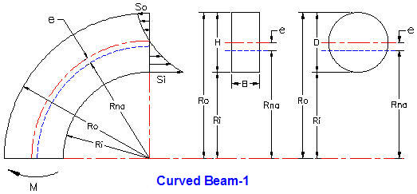

Curved Beam-Rectangular Section
 | Input
Outside radius, Ro = | 8.500 | in
Inside radius, Ri = | 7.000 | in
Section width, B = | 1.500 | in
Applied moment, M = | 5,000 | in-lbf
 | Calculation
Section height, H = | Ro - Ri | in
= | 1.500 | in
Section area, A = | H*B
= | 2.250 | in^2
Section neutral axis radius, Rna = | Rna
= | H / Ln(Ro / Ri)
= | 7.726 | in
e = | Ri + H/2 - Rna |  | ((Ro - Ri)/2) - Rna
= | 0.0243 | in | 0.0243
Inside fiber bending stress, Si = | M*(Rna-Ri) / (A*e*Ri)
= | 9,499 | lbf/in^2
Outside fiber bending stress, So = | M*(Ro-Rna) / (A*e*Ri)
= | 10,134 | lbf/in^2

Curved Beams-Circular Section

Curved Beam-Section diameter, D = | Ro - Ri
= | 1.500 | in
Section radius of neutral axis, Rna = | 0.25*(Ro^0.5 + Ri^0.5)^2
= | 7.732 | in
e = | Ri + D/2 - Rna
= | 0.018 | in
Inside fiber bending stress, Si = | M*(Rna-Ri) / (A*e*Ri)
= | 16,262 | lbf/in^2
Outside fiber bending stress, So = | M*(Ro-Rna) / (A*e*Ro)
= | 14,058 | lbf/in^2

Curved Beam-2 Circular Section

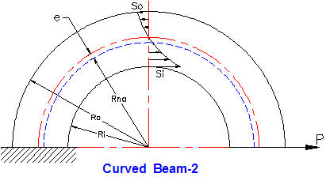

 | Input
Outside radius, Ro = | 6.000 | in
Inside radius, Ri = | 4.000 | in
Applied moment, M = | 175 | in-lbf
 | Calculation
Curved Beam-Section diameter, D = | Ro - Ri
D = | 2 | in
Section radius of neutral axis, Rna = | 0.25*(Ro^0.5 + Ri^0.5)^2
Rna = | 4.949 | in
e = | Ri + D/2 - Rna
e = | 0.051 | in
Inside fiber bending stress, Si = | (P*(Rna+e))*(Rna-Ri) / (A*e*Ri)
= | 1,309 | lbf/in^2
Fo = | M*(Ro-Rna) / (A*e*Ro)
= | 193 | lbf/in^2

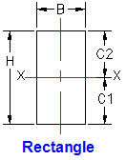
Rectangular Section Properties
 | Input
Breadth, B = | 1.250 | in
Height, H = | 3.500 | in
 | Calculation
Section moment of inertia, Ixx = | B*H^3 / 12
= | 4.466 | in^4
Center of area, C1 = C2 = | H / 2
= | 1.75 | in

Section Modulus - 1

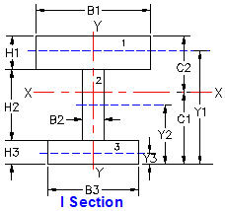

 | I and C Sections
 | Input |  | Calculation
 | Bn | Hn | A | Yn
1 | 9 | 2 | 18 | 11
2 | 1.5 | 7 | 10.5 | 6.5
3 | 6 | 3 | 18 | 1.5
 |  | ΣA = | 46.5

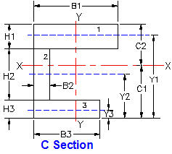
 |  | Calculation
 | Yn | A*Yn | A*Yn^2 | Icg
1 | 11.000 | 198.00 | 2178.00 | 6.00
2 | 6.500 | 68.25 | 443.63 | 42.88
3 | 1.500 | 27.00 | 40.50 | 13.50
 | Σ = | 293.25 | 2662.13 | 62.38

 |  | Calculation
 | Section modulus, Ixx = | ΣA*Yn^2 + ΣIcg
 | = | 2724.50 | in^4
 | Center of area, C1 = | ΣA*Yn/ΣA
 | = | 6.306 | in
 | C2 = | Y1 + H1/2
 | = | 12.000 | in

Beam Moment Calculation

 | Input
P = | 2,200 | lbf
L = | 24 | in
a = | 8 | in
 | Calculation
b = | L - a
 | 16
Cantilever, MMAX at B = | P * L
Ref: AISC Manual of Steel Construction.
 | 52,800 | in-lbs
Fixed ends, MMAX, at C ( a < b ) = | P * a * b^2 / L^2
 | 7,822 | in-lbs
Pinned ends, MMAX, at C = | P * a * b / L
 | 11,733 | in-lbs

Enter value of applied moment MMAX from above:
Bending stress will be calculated.
 | Input
Bending shock & fatigue factor, Kb = | 3.00 | -
Applied moment from above, MMAX = | 13,200 | in-lbf
Larger of: C1 and C2 = C = | 1.750 | in
Section moment of inertia, Ixx = | 4.66 | in^4
Bending shock & fatigue factor, Kb = | 1.00 | -
 | Calculation
Max moment stress, Sm = | Kb*M*C / I
= | 4,957 | lb/in^2

Section Modulus - 2

 | Input |  | Calculation
 | Bn | Hn | A | Yn
1 | 2 | 9 | 18.00 | 1.00
2 | 7 | 1.5 | 10.50 | 3.50
3 | 3 | 6 | 18.00 | 1.50
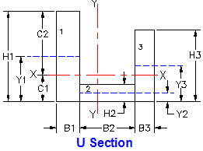
 |  | ΣA = | 46.5

 |  | Calculations
 | Yn | A*Yn | A*Yn^2 | Icg
 | 1.000 | 9.00 | 4.50 | 121.50
 | 3.500 | 18.38 | 32.16 | 1.97
 | 1.500 | 13.50 | 10.13 | 54.00
 | Σ = | 40.88 | 46.78 | 177.47

 | Section modulus, Ixx = | ΣA*h^2 + ΣIcg
 | = | 224.25 | in^4
 | Center of area, C1 = | ΣA*Yn/ΣA
 | = | 0.879 | in
 | C2 = | B1 - C1
 | = | 1.121 | in

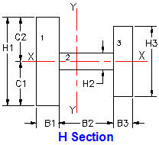
 | Symmetrical H Section Properties
 | Input |  | Calculation
 | Bn | Hn | A | Icg
1 | 2 | 9 | 18.00 | 6
2 | 7 | 1.5 | 10.50 | 43
3 | 3 | 6 | 18.00 | 14
 |  | ΣA = | 46.5 | 62

 | Center of gravity, Ycg = | B1 / 2
 | = | 1.000 | in
 | Section modulus, Ixx = | ΣIcg
 | = | 62 | in^4
 | Center of area, C1 = C2 = | B1 / 2
 | = | 1.000

Enter value of applied moment MMAX from above:
 | Input
P = | 8,000 | lbf
L = | 12 | in
a = | 3 | in
 | Calculation
b = | L - a
= | 9
Cantilever, MMAX at B = | P * (L - a)
Ref: AISC Manual of Steel Construction.
= | 72,000 | in-lb
Fixed ends, MMAX, at C ( a < b ) = | P * a * b^2 / L^2
= | 13,500 | in-lb
Pinned ends, MMAX, at C = | P * a * b / L
 | 18,000 | in-lb

Enter values for applied moment at a beam section given: C, Ixx and Ycg.

Bending stress will be calculated. | Input
Applied moment from above, MMAX = | 13200 | in-lbf
Larger of: C1 and C2 = C = | 1.750 | in
Section moment of inertia, Ixx = | 4.466 | in^4
Bending shock & fatigue factor, Kb = | 1.5 | -
Shaft material elastic modulus, E = | 29000000 | lb/in^2
 | Calculation
Beam length from above, L = | 12 | in
Beam load from above, P = | 8000 | lbf
Max moment stress, Sm = | Kb*M*C / I
= | 7759 | lb/in^2
Cantilever deflection at A, Y = | P*L^3 / (3*E*I)
 | 0.0356 | in
Fixed ends deflection at C, Y = | P*a^3 * b^3 / (3*E*I*L^3)
 | 0.000235 | in
Pinned ends deflection at C, Y = | P*a^2 * b^2 / (3*E*I*L)
 | 0.001251 | in

 |  | This is the end of this worksheet

3 Shaft
M391 MACHINE DESIGN SPREADSHEET ANALYSIS

3-POWER TRANSMISSION SHAFTING
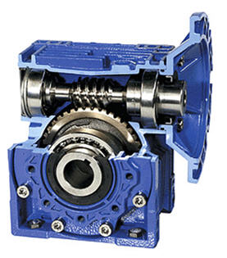

Above image may be found at: | www.speedreducer.org

Design of Power Transmission Shafting
The objective is to calculate the shaft size having the strength and rigidity required to transmit an applied torque. The strength in torsion, of shafts made of ductile materials are usually calculated on the basis of the maximum shear theory.
ASME Code states that for shaft made of a specified ASTM steel:
Ss(allowable) = 30% of Sy but not over 18% of Sult for shafts without keyways. These values are to be reduced by 25% if the shafts have keyways.
Shaft design includes the determination of shaft diameter having the strength and rigidity to transmit motor or engine power under various operating conditions. Shafts are usually round and may be solid or hollow.
Shaft torsional shear stress: Ss = T*R / J
Polar moment of area: J = π*D^4 / 32 for solid shafts
J = π*(D^4 - d^4) / 32 for hollow shafts
Shaft bending stress: Sb = M*R / I
Moment of area: I = π*D^4 / 64 for solid shafts
I = π*(D^4 - d^4) / 64 for hollow shafts
The ASME Code equation for shafts subjected to: torsion, bending, axial load, shock, and fatigue is:
Shaft diameter cubed,
D^3 = (16/π*Ss(1-K^4))*[ ( (KbMb + (α*F_{α}*D*(1+K^2)/8 ]^2 + (Kt*T)^2 ]^0.5
Shaft diameter cubed with no axial load,
D^3 = (16/π*Ss)*[ (KbMb)^2 + (Kt*T)^2 ]^0.5
K = D/d D = Shaft outside diameter, d = inside diameter
Kb = combined shock & fatigue bending factor
Kt = combined shock & fatigue torsion factor
α = column factor = 1 / (1 - 0.0044*(L/k)^2 for L/k < 115
L = Shaft length k = (I/A)^0.5 = Shaft radius of gyration
A = Shaft section area
For rotating shafts: Kb = 1.5, Kt = 1.0 for gradually applied load
Kb = 2.0, Kt = 1.5 for suddenly applied load & minor shock
Kb = 3.0, Kt = 3.0 for suddenly applied load & heavy shock
Input shaft data for your problem below and Excel will calculate the answers, Excel' "Goal Seek" may be used to optimize the design of shafts, see the Math Tools tab below.

Power Transmission Shaft Design Calculations

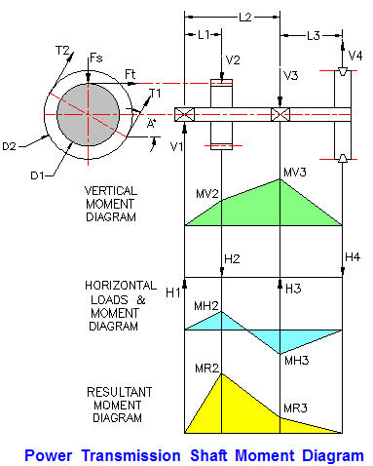

Shaft Material Ultimate & Yield Stresses
 | Input
Su = | 70,000 | lbf/in^2
Sy = | 46,000 | lbf/in^2
ASME Code Shaft Allowable Stress | Calculate
Allowable stress based on Su, Sau = | 18% * Su
 | 12600 | lbf/in^2
Allowable stress based on Sy, Say = | 30% * Sy
 | 13800 | lbf/in^2
Allowable shear stress based on Su, Ss = | 75% * Sau
 | 9450 | lbf/in^2

Shaft Power & Geometry
 | Input
Lowest of Sau, Say, & Ss: Sa = | 9,450 | lbf/in^2
Power transmitted by V-Belt, HP = | 20 | hp
Shaft speed, N = | 600 | rpm
T1 / T2 = | 3
A = | 60 | deg
L1 = | 10 | in
L2 = | 30 | in
L3 = | 10 | in
D1 = | 8 | in
D2 = | 18 | in
V-Pulley weight, Wp = | 200 | lbs
Spur gear pressure angle, (14 or 20 deg) B = | 20 | deg
Kb = | 1.5 | -
Kt = | 1 | -
 | Calculate
Shaft torque, T = | HP * 63000 / N
= | 2,100 | in-lbf
T2 / T1 = B = | 3
T1 - T2 = | T / (D2 / 2)
T2 = | -( T / (D2 / 2) ) / (1 - B)
= | 117 | lbf
T1 = | B * T2
= | 350 | lbf
Vertical Forces
V2 = Fs = | Ft * Tan( A )
= | 191 | lbf
V4 = | ( (T1 + T2) * Sin( A ) )-Wp
= | 204 | lbf
V3 = | ( (V4*(L2 + L3)) - (V2*L1) ) / L2
 | 208 | lbf
V1 = | V2 + V3 - V4
...
Shaft Power & Geometry
Larger of: Mr2 & Mr3 = Mb = | 3,351 | lbf-in
Calculate Shaft Diameter | Calculate
ASME Code for shaft with keyway, D^3 = | (16 / (π*Sa) ) * ( (Kb*Mb)^2 + ( Kt*T)^2 )^0.5
= | 3 | in^3
D = | 1.431 | in^3

Shaft with 3 Diameters

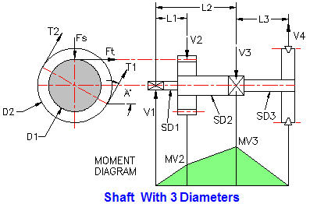

Shaft Material Ultimate & Yield Stresses | Input
Su = | 70,000 | lbf/in^2
Sy = | 46,000 | lbf/in^2
ASME Code Shaft Allowable Stress | Calculate
Allowable stress based on Su, Sau = | 18% * Su
 | 12600 | lbf/in^2
Allowable stress based on Sy, Say = | 30% * Sy
 | 13800 | lbf/in^2
Allowable shear stress based on Su, Ss = | 75% * Sau
...
Shaft Power & Geometry | Input
Larger of: Mr2 & Mr3 = Mb = | 6,742 | lbf-in

Calculate Shaft Diameter | Calculate
ASME Code for shaft with keyway, D^3 = | (16 / (π*Sa) ) * ( (Kb*Mb)^2 + ( Kt*T)^2 )^0.5
= | 5.567 | in^3
D = | 1.771 | in^3

Power Shaft Torque
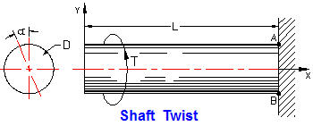

Shaft Design Torque
 | Input
Motor Power, HP = | 7.5 | hp
Shaft speed, N = | 1,750 | rpm
Torque shock & fatigue factor, Kt = | 3
Shaft diameter, D = | 1.000 | in
Shaft length, L = | 5 | in
Shaft material shear modulus, G = | 11,500,000 | psi
 | Calculation
...
Drive Shaft Torque Twist Angle
= | 0.098 | in^4
Shear stress due to Td, ST = | Td*D / (2*J)
= | 2,241 | lbf/in^2 | < GOAL SEEK
Shaft torsion deflection angle, a = | Td*L / (J*G)
= | 0.0039 | radians
= | 0.22 | degrees

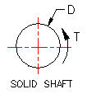
Shaft Polar Moment of Area and Shear Stress
Solid Shaft
 | Input
Torsion, T = | 360 | in-lbf
Round solid shaft diameter, D = | 2.000 | in
 | Calculation
Section polar moment of inertia, J = | π*D^4 / 32
= | 1.571 | in^4
Torsion stress, Ft = | T*(D/2) / J
= | 229 | lb/in^2

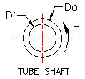
Hollow Shaft | Input
Torsion, T = | 1,000 | in-lbf
Hollow shaft outside dia, Do = | 2.250 | in
Hollow shaft inside dia, Di = | 1.125 | in
 | Calculation
Section polar moment of inertia, J = | π*(Do^4 - Di^4) / 32
J = | 2.359 | in^4
Torsion stress, Ft = | T*(Do/2) / J
= | 477 | lb/in^2

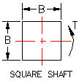
Square Shaft
 | Input
Torsion, T = | 1,000 | in-lbf
Square shaft breadth = height, B = | 1.750 | in
 | Calculation
Section polar moment of inertia, J = | B^4 / 6
= | 1.563 | in^4
Torsion stress, Ft = | T*(B/2) / J
= | 560 | lb/in^2

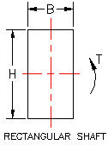
Rectangular Shaft

 | Input
Torsion, T = | 1,000 | in-lbf
Rectangular shaft breadth, B = | 1.250 | in
Height, H = | 3.500 | in
 | Calculation
Section polar moment of inertia, J = | B*H*(B^2 + H^2)/ 12
= | 5.036 | in^4
Torsion stress, Ft = | T*(B/2) / J
= | 124 | lb/in^2

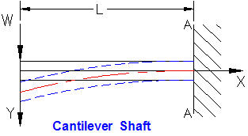
Cantilever shaft bending moment

 | Input
Shaft transverse load, W = | 740 | lbf
Position in shaft, x = | 5 | in
Bending shock & fatigue factor, Km = | 3
Shaft diameter, D = | 1.000 | in
 | Calculation
Moment at x, Mx = | W*x | in-lbs
Design moment at x, Md = | Km*Mx
= | 11100 | in-lbs
Section moment of inertia, I = | π*D^4 / 64
...
Cantilever shaft bending deflection | Input
Moment at x, M = | Km*W*x
= | 11100 | in-lbf
Bending stress at x: Sb = | M*(D/2) / I
 | 113,063 | lbf/in^2 | < GOAL SEEK
Cantilever bend'g deflection at x, Yx = | (-W*x^2/(6*E*I))*((3*L) - x)
= | -0.0541 | in
Bending deflection at x = 0, Y = | -W*L^3 / (3*E*I)
Y = | -0.1733 | in

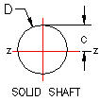
Round Shaft Section Moment of Inertia | Input
Round solid shaft diameter, D = | 1.000 | in
 | Calculations
Section moment of inertia, Izz = | π*D^4 / 64
Answer: Izz = | 0.049 | in^4

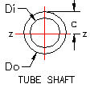
Hollow Shaft Section moment of Inertia | Input
Hollow shaft diameter, Do = | 1.750 | in
Di = | 1.5 | in
 | Calculation
Section polar moment of inertia, Izz = | π*(Do^4 - Di^4) / 64
Answer: Izz = | 0.212 | in^4

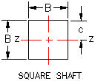
Square Shaft Section moment of Inertia | Input
Square shaft breadth = height, B = | 1.750
 | Calculation
Section moment of inertia, Izz = | B^4 / 12
Answer: Izz = | 0.782 | in^4

Shaft Bending Stress
Enter values for applied moment at a beam section, c, Izz and Kb. Bending stress will be calculated.
 | Input
Applied moment at x, M = | 1,000 | in-lbf
c = | 1.000 | in
Section moment of inertia, Izz = | 2.5 | in^4
Bending shock & fatigue factor, Kb = | 3 | -
 | Calculation
Max bending stress, Fb = | Kb*M*c / I
Answer: Fb = | 1,200 | lb/in^2

Bulk Material Belt Conveyor - Coal and Limestone Application
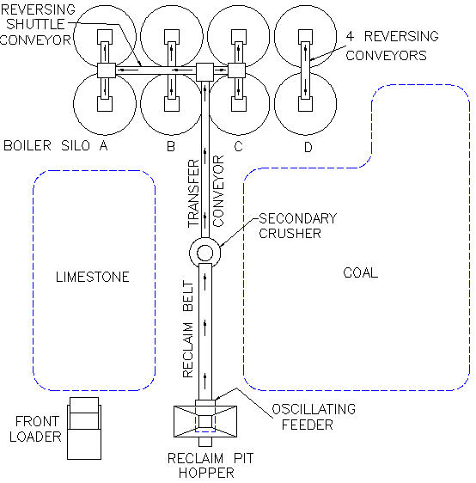

TYPICAL BULK MATERIAL BELT CONVEYOR SHAFTING SPECIFICATION
See PDHonline courses: M262 an M263 by the author of this course for more information.
1.1 Pulley Shafts:
1.2 All shafts shall have one fixed type bearing; the balance on
the shaft shall be expansion type.
1.3 Pulleys and pulley shafts shall be sized for combined torsional and bending static and fatigue stresses.
1.4 Shaft keys shall be the square parallel type and keyways adjacent to bearings shall be round end, all other keyways may be the run-out type.
2.1 Pulleys:
2.2 The head pulley on the Reclaim Conveyor shall be welded 304-SS so as not to interfere with tramp metal removal by the magnet.
2.3 All pulleys shall be welded steel crown faced, selected in accordance with ratings established by the Mechanical Power Transmission Association Standard No.301-1965 and U.S.A.
Standard No.B105.1-1966. In no case shall the pulley shaft loads as listed in the rating tables of these standards be exceeded.
2.4 All pulleys shall be crowned.
2.5 All drive pulleys shall be furnished with 1/2 inch thick vulcanized herringbone grooved lagging.
2.6 Snub pulleys adjacent to drive pulleys shall have a minimum diameter of 16 inches. End of example.

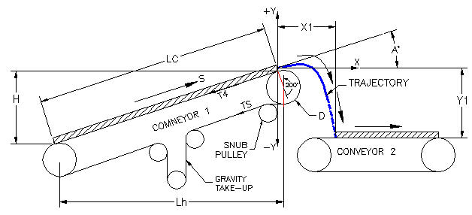

This is the end of this worksheet

4 Coupling
M391 MACHINE DESIGN SPREADSHEET ANALYSIS

4-COUPLINGS

Riged Coupling Design
Couplings are used to connect rotating shafts continuously. Clutches are used to connect rotating shafts temporarily.
Rigid couplings are used for accurately aligned shafts in slow speed applications. Refer to ASME code and coupling vendor design values.

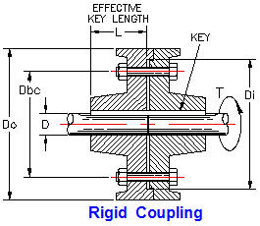

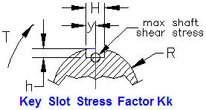

KEY SLOT STRESS FACTOR
 | A | B | C | D
0.2 | 2.01 | 1.91 | 1.77 | 1.62
0.4 | 1.59 | 1.50 | 1.40 | 1.30
0.6 | 1.41 | 1.32 | 1.25 | 1.18
0.8 | 1.37 | 1.28 | 1.19 | 1.10
1.0 | 1.35 | 1.25 | 1.17 | 1.07

 |  | Legend | h / R | Y/H | 0.40 | 0.60
 |  | A | 0.2 |  | A | B
 |  | B | 0.3 | 0.2 | 2.01 | 1.91
 |  | C | 0.4 | 0.4 | 1.59 | 1.50
 |  | D | 0.5 | 0.6 | 1.41 | 1.32
 |  |  |  | 0.8 | 1.37 | 1.28
 |  |  |  | 1.0 | 1.35 | 1.25

Design Stress
Coupling Design Shear Stress = | Design allowable average shear stress.
 | Input
Material ultimate tensile stress, Ft = | 85,000 | lbf/in^2
Shaft material yield stress, Fy = | 45,000 | lbf/in^2
 | Calculation
...
Use the smaller design shear stress of Fsu and Fsy above.

1. Shaft Torsion Shear Strength | Input
Shaft diameter, D = | 2.000 | in
Key slot total width = H = | 0.375 | in
Key slot depth, h = | 0.25 | in
 | Calculation
Key slot half width, y = | 0.188
Apply to graph above.
Key slot half width / Slot depth, y / h = | 0.75
Slot depth / Shaft radius, h / R = | 0.25
 | Input
Motor Power, HP = | 60 | hp
Shaft speed, N = | 300 | rpm
Allowable shaft stress from above, Ssu or Ssy = | 13,500 | lbf/in^2
Torque shock load factor, Kt = | 3.00 | -
< From above graph.
Key slot stress factor from graph above, Kk = | 1.38
 | Calculation
Motor shaft torque, Tm = | 12*33000*HP / (2*π*N)
= | 12,603 | in-lbf
Section polar moment of inertia, J = | π*D^4 / 32
= | 1.5710 | in^4
Allowable shaft torque, Ts = | Ss*J / (Kt*Kk*Ds/2)
= | 5,123 | in-lbf
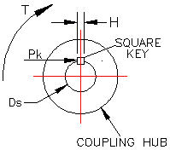
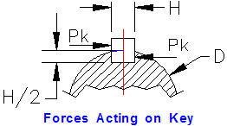

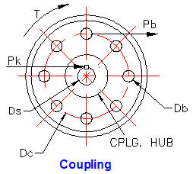

2. Square Key Torsion Shear Strength | Input
Key Width = Height, H = | 0.375 | in
Key Length, L = | 3.00 | in
REV 5Nov2011 18. How much torque will a hub, with a 2.000 inch bore 3.00 inches deep, withstand mounted on a 2.000 inch diameter shaft having a key .375 inch square and an effective length of 3.00 inch, if the allowable stress is 85,000 lbf/in^2 and bearing stress is 150,000 lbf/in^2 of the key, shaft, and hub?
Shaft diameter, Ds = | 2.000 | in
Allowable shaft stress from above, Ssu or Ssy = | 85,000 | lbf/in^2
Allowable key bearing stress, Sb = | 150,000 | lbf/in^2
 | Calculation
Key shear area, A = | H*L
= | 1.125 | in^2
Key stress factor, K = | 0.75
Key shear strength, Pk = | K*Fs*A
= | 71,719 | lbf/in^2
Key torsion shear strength, Tk = | Pk*Ds/2
= | 71,719 | in-lbf
Key bearing strength, Tk = | Sb*L*(D/2 - H/4)*(H/2)
= | 76,465 | in-lbf

3. Coupling Friction Torsion Strength | Input
Outer contact diameter, Do = | 10.00 | in
Inner contact diameter, Di = | 9.00 | in
Pre-load in each bolt, P = | 500 | lbf
Number of bolts, Nb = | 6 | -
...
4. Coupling Bolts Torsion Strength
A = | 0.196 | in
Shear stress concentration factor, Ks = | 1.33 | -
Shear strength per bolt, Pb = | Fs*A / (Kt*Ks)
Answer: Pb = | 295 | lbf

Total coupling bolts torque capacity, Tb = | Pb*(Dc/2)*(Nb / 2)
Answer: Tb = | 1,919 | in-lbf

Hub - Shaft Interference Fits
These ridged or, "shrink fits" are used for connecting hubs to shafts, sometimes in addition to keys. Often the computed stress is allowed to approach the yield stress because the stress decreases away from the bore.

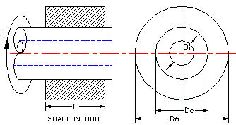

Shaft in Hub
The hub is the outer ring, Do to Dc. The shaft is the inner ring, Dc to Di

 | .

 | Input
Hub outside diameter, Do = | 14.000 | in
Shaft outside diameter, Dc = | 4.000 | in
Shaft inside diameter, Di = | 0.000 | in
Hub length, L = | 8 | in
Max tangential stress, Ft = | 5,000 | lbf/in^2
Hub modulus, Eh = | 1.50E+07 | lbf/in^2
Shaft modulus, Es = | 3.00E+07 | lbf/in^2
Coefficient of friction, f = | 0.12 | -
Hub Poisson's ratio, μh = | 0.3 | -
...

5 Actuator
M391 MACHINE DESIGN SPREADSHEET ANALYSIS

5-Linear Actuators
Linear Actuators Motor driven: linear actuators, screw jacks, and clamps are examples of power screws.
The essential components are a nut engaging the helical screw threads of a shaft.
A nut will advance one screw thread pitch per one 360 degree rotation on a single pitch screw. A nut will advance two screw thread pitches per one 360 degree rotation on a double pitch screw, etc.
The actuator nut below advances or retreats as the motor shaft turns clockwise or ant-clockwise. The nut is prevented from rotating by the upper and lower guide slots. The control system of a stepper motor rotates the shaft through a series of small angles very accurately repeatedly. The linear travel of the lug & nut is precise and lockable.

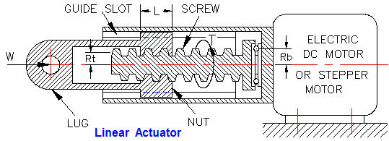

Pitch (P) is the distance from a point on one thread to the corresponding point on the next thread.
Lead (n*P) is the distance a nut advances each complete revolution.
Multiple pitch number (n) refers to single (n=1), double (n=2), triple (n=3) pitch screw.
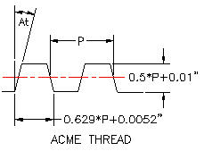
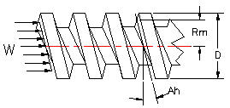

Motor Shaft Torque | Input
Motor Power, HP = | 30 | hp
Shaft speed, N = | 1,750 | rpm
 | Calculation
Motor shaft torque, Tm = | 12*33000*HP / (2*π*N)
Answer: Tm = | 1080 | in-lbf

Power Screw Torque | Input |  | Quiz | Lesson | 14-Oct-11
Screw outside diameter, D = | 2.250 | in | 2.25 | 3.000
Screw thread turns per inch, TPI = | 3 | threads/in | 3 | 3
Thread face angle, At = | 14.5 | degrees | 14.5 | 5.86
Thread multiple pitch lead number, n = | 2 |  | 2 | 2
Thread friction coefficient, Ft = | 0.15
REV 5Nov2011 21. A double lead Acme thread has: a thread face angle of 14.5 degrees, 3 turns per inch, and an outside diameter of 2.25 inches. What is the mean thread radius?
a. 1.037 inches
b. 1.237 inches
c. 1.437 inches
REV 5Nov2011 22. Calculate the thread helix angle for a 3 T.P.I double lead screw having a 2.25 outside diameter of question 21. 17.
a. 5.66 degrees
b. 5.86 degrees
c. 5.70 degrees
Bearing friction coefficient, Fb = | 0
Bearing mean radius, Rb = | 2 | in
Load to be raised by power screw, W = | 500 | lbf
 | Calculation
Acme thread depth, H = | 0.5*(1/ TPI )+0.01
Answer: H = | 0.177 | in
Thread mean radius, Rm = | (D - H) / 2
Rm = | 1.037 | in

Thread helix angle, Tan (Ah) = | n*(1/ TPI ) / (2*π*Rm)
Answer: Tan (Ah) = | 0.1023
Answer: Ah = | 5.86 | degrees

Thread normal force angle, Tan (An) = | Tan (At)*Cos (Ah)
Answer: Tan (An) = | 0.1018
Answer: An = | 5.83 | degrees

X = | (Tan (Ah) + Ft/ Cos (An))
 | 0.2535
Y = | (1- Ft*Tan (Ah)/ Cos (An))
 | 0.9845
Power screw torque, T = | W*(Rm*( X / Y) + Fb*Rb)
Answer: T = | 133 | in-lbf

Force W will cause the screw to rotate (overhaul) if, (-Tan (Ah) + Ft/ Cos (An)) is negative.
(-Tan (Ah) + Ft/ Cos (An)) = | 0.0481

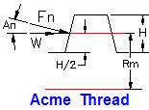

SCREW THREAD AVERAGE PRESSURE | Input
Load to be raised by power screw, W = | 2,000 | lbf
Nut length, L = | 4 | in
Screw thread turns per inch, TPI = | 3 | threads/in
Thread height, H = | 0.18 | in
Thread mean radius, Rm = | 0.9
 | Calculation
Screw thread average pressure, P = | W / (2*π*L*Rm*H*TPI)
Answer: P = | 164 | lbf/in^2

This is the end of this spread sheet.

6 Brake
M391 MACHINE DESIGN SPREADSHEET ANALYSIS

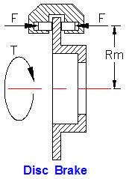
6-Brakes

DISC BRAKE
A sectional view of a generic disc brake with calipers is illustrated right.
Equal and opposite clamping forces, F lbf acting at mean radius Rm inches provide rotation stopping torque T in-lbf.

Calculate Brake Torque Capacity | Input
Clamping force, F = | 50 | lbf
Coefficient of friction, μ = | 0.2 | -
Caliper mean radius, Rd = | 7.00 | in
Number of calipers, N = | 1 | -

 | Calculation
Braking torque, T = | 2*μ*F*N*Rm
 | 140 | in-lbf

Shoe Brake
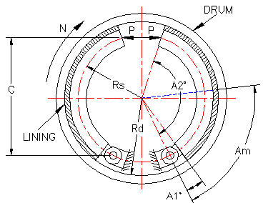

Brake stopping capacity is proportional to the normal force of brake shoe against the drum and coefficient of friction.

Calculate Brake Torque Capacity
 | Input
Coefficient of friction, f = | 0.2
Brake shoe face width, w = | 2 | in
Drum internal radius, Rd = | 6 | in
Shoe mean radius, Rs = | 5 | in
Shoe heel angle, A1 = | 0 | degrees
Shoe angle, A2 = | 130 | degrees
...

7 V-Belt
M391 MACHINE DESIGN SPREADSHEET ANALYSIS

7 V-BELT DRIVES
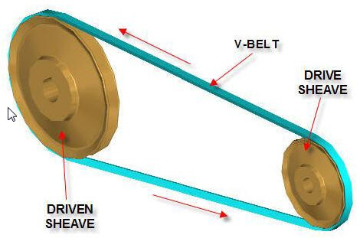

Gates Standard V-Belt Sheaves

V-Belts
V-belts are used to transmit power from motors to machinery.
Sheaves have a V-groove. Pulleys have a flat or slightly convex circumference.
A V-belt may be used in combination with a drive sheave on a motor shaft and a pulley on the driven shaft.

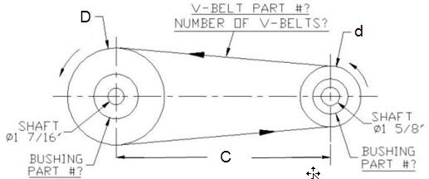

Total V-belt Length, VBL | Input
Small sheave pitch circle diameter, d = | 5.443 | in
Large sheave pitch circle diameter, D = | 5.843 | in
Center distance, C = | 18.600 | in
 | Calculation
Minimum center distance, Cmin = | D + d/2
= | 8.564 | in
Calculated V-Belt length, Lc = | 2C + 1.57(D + d) + (D – d)2 / 4C
= | 54.9 | in
...
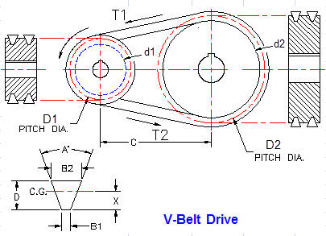

V-Belt Drive or Gear Belt | Input
Drive power, HP = | 10 | hp
Service factor, F = | 1.5 | -
Motor speed, N = | 1,750 | rpm
 | Calculate
Design power, DP = | HP*F
= | 15 | hp

From chart right V-Belt type; 3V, 5V, or 8V: | 5V | << FROM CHART RIGHT
...

8 Gear-Belt
...
 |  |  | GATES GEABELT CATALOG

Gear Belts Gear belts also known as Timing belts are used in many kinds of machinery and equipment because they easily and efficiently synchronize
one shaft speed to another. They are ideal for inaccessible drives that require no lubrication and minimal
maintenance.

Total Gear-Belt Length, L | Input
Small sheave pitch circle diameter, D1 = | 7.118 | in << TABLE RIGHT
Small pulley number of grooves, NG1 = | 40
Large sheave pitch circle diameter, D2 = | 14.036 | in << TABLE RIGHT
Large pulley number of grooves, NG2 = | 80
Center distance, C = | 30.12 | in
 | Calculation
Initial gearbelt length, L = | 2*C + 1.57*(D + d) + (D - d)^2 / (4*C)
= | 93.85 | in
...

9 Gears
...
Gear Tooth Interference
Gear pitch circle radius, AG = | PCg / 2
= | 1.875 | in
GX = | AG*SIN(φ/57.30)
= | 0.6412
Pinion pitch circle radius, BE = | PCp/2
= | 0.625 | in
EX = | BE*SIN(φ/57.30)
= | 0.2137 | in
GE = | GX + EX
= | 0.8550 | in
UNDERCUTTING When the number of teeth in a gear is small, the tip of the mating gear tooth may interfere with the lower portion of the tooth profile.
To prevent this, the generating process removes material at this point. This results in loss of a portion of the involute adjacent to the tooth base, reducing tooth contact and tooth strength. On 14-1/2°PA gears undercutting occurs where a number of teeth is less than 32 and for 20°PA less than 18. Since this condition becomes more severe as tooth numbers decrease, it is recommended that the minimum number of teeth be 16 for 14-1/2°PA and 13 for 20°PA.
Gear addendum radius, AE = | (AG^2 + GE^2)^0.5
= | 2.061 | in
Gear addendum radius, AE = | AG + A
= | 2.000 | in | <<No interference

Pinion / Gear Speed Ratio and Center Distance

CENTER DISTANCE Stock spur gears are cut to operate at standard center distances.
The standard center distance being defined by:
Standard Center Distance = (Pinion PD + Gear PD) / 2
- BACKLASH
When mounted at this center distance, stock spur gears will
have the following average backlash:
 |  | Input
 | Pinion speed, Sp = | 800 | rpm | PINION AND GEAR CENTER DISTANCE
 | Desired Gear speed, Sg = | 200 | rpm
 | Guess Pinion pitch circle diameter, Dp = | 3.000
 | Choose a diametral pitch of pinion & gear, P = | 5 | (Whole Number)
 |  | Calculation
 | Pinion teeth, Np = | Dp*P
 | = | 15 | -
 | Gear speed ratio, R = | Sg / Sp
 | = | 4.000 | Input gear
 | Gear teeth, Ng = | R*Np | Ng teeth
 | = | 60.0 | 60
 | Gear pitch circle diameter, Dg = | Ng / P
 | = | 12.000
 | Actual Gear speed, Sag = | Sp / R
 | = | 200.0 | rpm
 | Pinion and Gear center distance, C = | (Dp+Dg)/2
 | = | 7.500
...
Bevel Pinion or Gear Data | Input-1
 | Whole Numbers
Bevel pinion number of teeth, t = | 24 | -
Bevel pinion diametral pitch, PD = | 6 | -
Bevel gear number of teeth, T = | 24 | -
 | Calculation-1
Answers must be 3 decimal places.
Bevel gear diametral pitch, PD = | PD
= | 6
Bevel pinion pitch circle diameter, pcd = | t / Pp
= | 4.000 | in
Bevel gear pitch circle diameter, PCD = | T / PD
= | 4.000 | in
Pinion pitch cone angle, pca = | 57.3*ATAN(t / T)
= | 45.003 | degrees
Gear pitch cone angle, PCA = | 57.3*ATAN(T / t)
= | 45.003 | degrees
pca + PCA = | 90.007 | degrees
Pinion pitch cone radius, pcr = | pd / (2*SIN(pca/57.3)
= | 2.828 | in
Gear pitch cone radius, PCR = | PD / (2*SIN(PCA/57.3)
= | 2.828 | in
...

10 Goal Seek
Spread Sheet Method: Excel Worksheet - New Version
1. Type in values for the Input Data.
2. Excel will make the Calculations.
Excel's GOAL SEEK
Excel's, "Goal Seek" adjusts one Input value to cause a Calculated formula cell to equal a value typed by you.
When using Excel's Goal Seek, unprotect the spread sheet by selecting: Drop down menu: Home > Format > Unprotect Sheet > OK
When Excel's Goal Seek is not needed, restore protection with:
Drop down menu: Home > Format > Protect Sheet > OK
M391 MACHINE DESIGN SPREADSHEET ANALYSIS
Copy write, © Machine Design Spreadsheet calculations by John R Andrew, 2 June 2011

10 EXCEL's GOAL SEEK

When using Excel's Goal Seek, unprotect the spread sheet by selecting:
Drop down menu: Tools > Protection > Unprotect Sheet > OK
When Excel's Goal Seek is not needed, restore protection with:
Drop down menu: Tools > Protection > Protect Sheet > OK
What if Calculations
Excel will make a, “What if" calculation using, "Goal Seek" when the calculated formula value needs to be changed.
Insert the Microsoft Office CD for Add-Ins
If Excel's, "Goal Seek" or "Solver" are not installed you will need to select drop-down menu: Tools > Add-Ins > Goal Seek
Tools > Add-Ins > Solver
To open select Tools.

Spread Sheet Method: Excel-97 2003 - Old Version
1. Type in values for the input data.
2. Excel will make the calculations.
Excel's GOAL SEEK
Excel's, "Goal Seek" adjusts one Input value to cause a Calculated formula cell to equal a given value.
When using Excel's Goal Seek, unprotect the spread sheet by selecting: Drop down menu: Tools > Protection > Unprotect Sheet > OK
When Excel's Goal Seek is not needed, restore protection with:
Drop down menu: Tools > Protection > Protect Sheet > OK
Excel's Goal Seek Example

Drive Shaft Design - Problem |  |  | Drive Shaft Design - Example | Input
 | Input |  | Motor Power, HP = | 5 | hp
Motor Power, HP = | 5.0 | hp | Shaft speed, N = | 1750 | rpm
Shaft speed, N = | 1750 | rpm | Torque shock & fatigue factor, Kt = | 3
Torque shock & fatigue factor, Kt = | 3 | - | Shaft diameter, D = | 0.500 | in
Shaft diameter, D = | 0.612 | in | Shaft length, L = | 10 | in
Shaft length, L = | 10 | in | Material shear modulus, G = | 11500000 | psi
Material shear modulus, G = | 11500000 | psi |  | Calculation
 | Calculation |  | Applied motor shaft torque, Ta = | 12*33000*HP / (2*π*N)
...

