INTRODUCTION
M393 ASME Boiler & Fuel Cell Pressure Vessel Spreadsheets |  |  | 4 PDH
© Copy Write John Andrew P.E. 6 July 2011 |  | Revised 12 December 2015

INTRODUCTION

BASIC BOILER
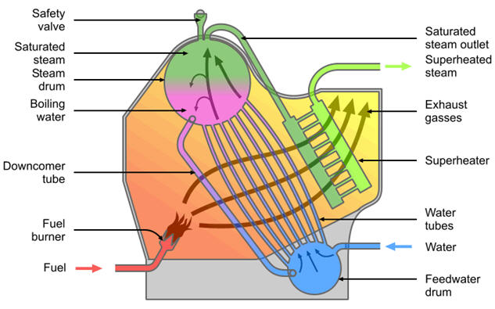

 | www.reference.findtarget.com
PRESSURE VESSELS Pressure vessels used in industry are leak-tight pressure containers, usually cylindrical or spherical in shape, with different head configurations. They are usually made from carbon or stainless steel and assembled by welding. Early operation of pressure vessels and boilers resulted in numerous explosions, causing loss of life and considerable property damage.
Some 80 years ago, the American Society of Mechanical Engineers formed a committee for the purpose of establishing minimum safety rules of construction for boilers. In 1925 the committee issued a set of rules for the design and construction of unfired pressure vessels. The ASME committee rules is the "Boiler and Pressure Vessel Committee" BPVC Rules.
Most states have laws mandating that these Code rules be met. Enforcement of these rules is accomplished via a third party employed by the state or the insurance company. These Codes are living documents in that they are constantly being revised and updated by committees composed of individuals knowledgeable on the subject. Keeping current requires that the revised Codes be published every three years with addenda's issued every year. This chapter covers a very generalized approach to pressure vessel design based on the ASME Boiler and Pressure Vessel Code, Section VIII, Division 1: Pressure Vessels.

DISCLAIMER: The materials contained in the online course are not intended as a representation or warranty on the part of PDH Center or any other person/organization named herein. The materials are for general information only. They are not a substitute for competent professional advice. Application of this information to a specific project should be reviewed by a registered professional engineer. Anyone making use of the information set forth herein does so at their own risk and assumes any and all resulting liability arising therefrom.

PORTABLE BOILER
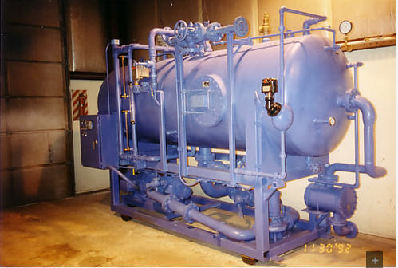

Image above may be found at: | http://coolingtower-design.com/category/boiler/

PORTABLE BOILER - SECTION VIEW
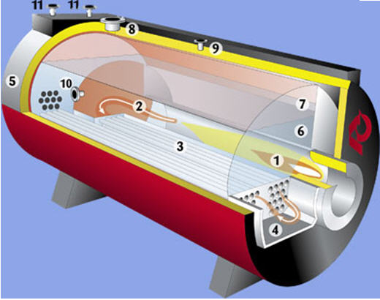

Image above may be found at: | www.machinetec.blogspot.com

BASIC STEAM ENGINE BOILER
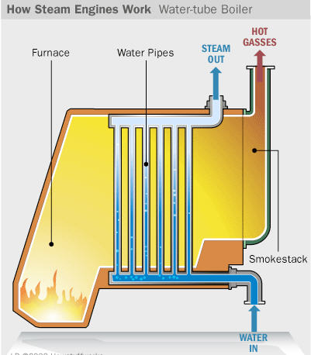

 | www.science.howstuffworks.com

POWER BOILER
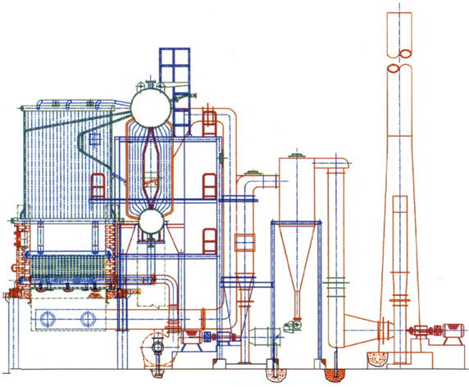

 | www.industrial-boilers.org

FUEL CELL CARS
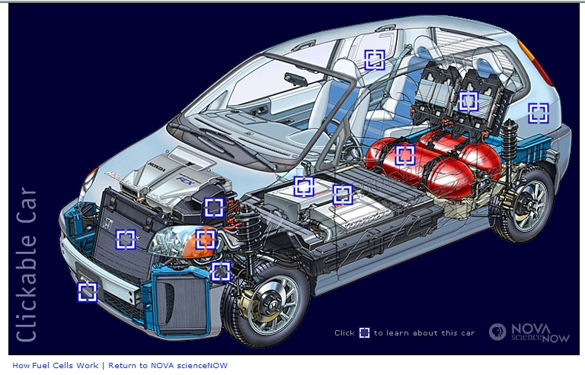

The fuel cell car above runs on hydrogen gas in tanks at 5,000 psi.
http://www.pbs.org/wgbh/nova/tech/fuel-cell-car.html
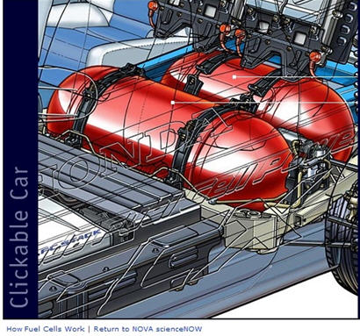

GM's HY-Wire Fuel Cell Car
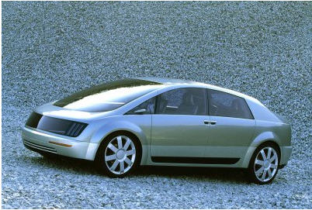

GM's Fuel Cell Car
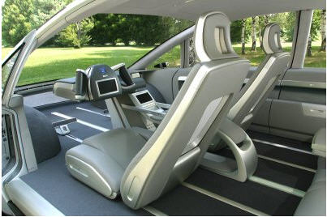

General Motors - Fuel Cell Car Larry Burns, GM's vice president of research and development and planning, said, "We are driving to have compelling and affordable fuel cell vehicles on the road by the end of the decade. With HY-wire, we have taken the technology as it exists today and packaged it into an innovative drivable vehicle comparable in size and weight to today's luxury automobiles.
"All of the touring sedan's propulsion and control systems are contained within an 11-inch-thick skateboard-like chassis, maximizing the interior space for five occupants and their cargo. There is no engine to see over, no pedals to operate - merely a single unit called X-drive that is easily set to either a left or right driving position."

Honda's Fuel Cell Car
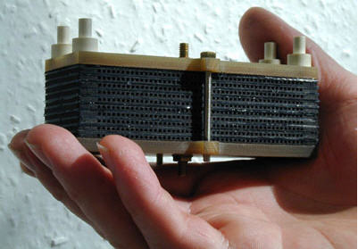

A fuel cell.
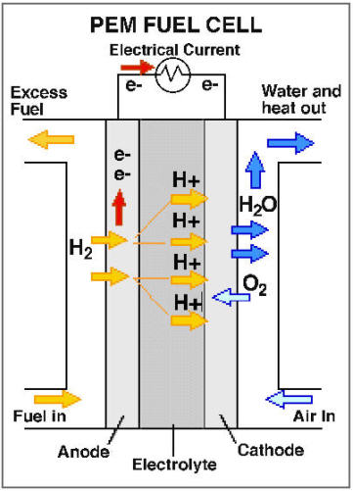

Fuel cells are electric batteries continuously charged by hydrogen.
The only emission is water.
Hydrogen is found in water, H2O.
How much water is their in the earth?

LINKS
http://www.pveng.com/Sample/AddNozzle/Sample1_APV.pdf
Pressure Vessel Engineering Inc. "Specializes in providing Finite Element Analysis (FEA), ASME code calculations, Canadian Registration (CRN) assistance, and solid modeling and drafting for the pressure equipment industry.
Established in 1999 we have grown to be an industry leader serving a global customer base. We have completed thousands of unique projects and have successfully completed more CRN submissions than any other company."
Tel: 519-880-9808 Email: info@pveng.com

ASME: POWER PIPING
http://www.scribd.com/doc/50412555/10/E-VALUES-OF-Y

END OF THIS WORKSHEET

PRESSURE VESSELS
ASME Boiler & Fuel Cell Pressure Vessel Spreadsheets |  | 4 PDH
© Copy Write John Andrew P.E. 6 July 2011

PRESSURE VESSEL SHELLS
ASME Boiler and Pressure Vessel Committee BPVC Rules

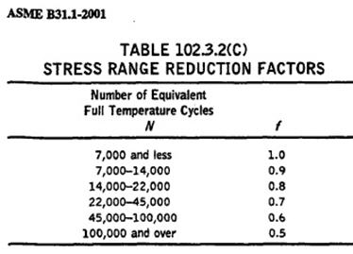

4 Types of Pressure Vessel Weld a -Welded Longitudinal Joints b -Welded Circumferential joints c- Welded Flanges d-Welded Nozzles

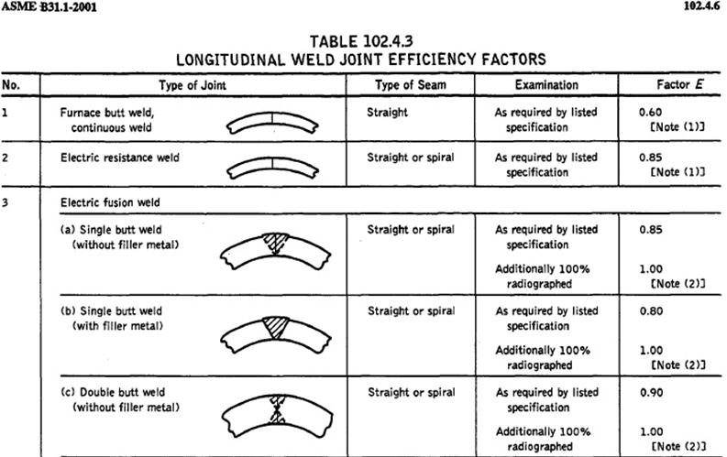

Shell Longitudinal Joint Equating internal pressure force and shell stress force: P*D*L = SL*2*t*L SL= P*D / 2*t = P*R / t Shell Circumferential Joint P*π*R^2 = SC*t*2*π*R SC = P*R / t Head Circumferential Joint P*π*R^2 = SC*t*2*π*R SC = P*R / t
Shell Longitudinal Joint Equating internal pressure force and shell stress force: P*D*L = SL*2*t*L SL= P*D / 2*t = P*R / t Shell Circumferential Joint P*π*R^2 = SC*t*2*π*R SC = P*R / t Head Circumferential Joint P*π*R^2 = SC*t*2*π*R SC = P*R / t
Actual Thin Wall Pressure Vessel Stress
Not ASME Code | Input
Internal design pressure , P = | 200 | psi
Inside Radius of cylinder, R = | 36 | in
Design shell thickness , ts = | 0.200 | in
Spherical head thickness , th = | 0.333 | in
 | Calculate
Shell Longitudinal stress, SL = | P*R / (2*t)
= | 18000 | psi
Shell Circumferential stress, SC = | P*R / t
= | 36000 | psi
Spherical head stress, SH = | P*R /(2* t)
(Design using maximum stress) = | 10811 | psi

Note: In cylindrical vessels, the stress set up by the pressure on the longitudinal joints
is equal to twice the stress on the circumferential joints.
ASME Code
PRESSURE VESSELS Pressure vessels used in industry are leak-tight pressure containers, usually cylindrical or spherical in shape, with different head configurations. They are usually made from carbon or stainless steel and assembled by welding. Early operation of pressure vessels and boilers resulted in numerous explosions, causing loss of life and considerable property damage.
Some 80 years ago, the American Society of Mechanical Engineers formed a committee for the purpose of establishing minimum safety rules of construction for boilers. In 1925 the committee issued a set of rules for the design and construction of unfired pressure vessels.
Most states have laws mandating that these Code rules be met. Enforcement of these rules is accomplished via a third party employed by the state or the insurance company. These Codes are living documents in that they are constantly being revised and updated by committees composed of individuals knowledgeable on the subject. Keeping current requires that the revised Codes be published every three years with addenda's issued every year. This chapter covers a very generalized approach to pressure vessel design based on the ASME Boiler and Pressure Vessel Code, Section VIII, Division 1: Pressure Vessels.

SPREAD SHEET METHODS
For "Goal Seek" click the "Math Tools" tab below.
To scroll, roll the mouse wheel.
To zoom in, depress the Ctrl key and roll the mouse wheel away from you.
To open another, "Work Sheet Lesson" select a tab at the bottom of this spreadsheet.
To unlock the cells of this spreadsheet: Home > Format > Unprotect Sheet.
To lock the cells of this spreadsheet: Home > Format > Protect Sheet.
To open a new spreadsheet topic click on the tabs below.
DISCLAIMER: The materials contained in the online course are not intended as a representation or warranty on the part of PDH Center or any other person/organization named herein. The materials are for general information only. They are not a substitute for competent professional advice. Application of this information to a specific project should be reviewed by a registered architect and/or professional engineer/surveyor. Anyone making use of the information set forth herein does so at their own risk and assumes any and all resulting liability arising there from.

ASME Paragraph UG-27: Thickness of shells under internal pressure The formulae in this section are used to determine the minimum required thickness of shells when the maximum allowable working pressure (MAWP) is known. The symbols used in the formulae are found in paragraph UG-27 (b) and are defined as follows:
t = Minimum required thickness (mm, inches)
P = Internal design pressure (MPa, Kg/cm², psi) refers to gauge pressure
R = Inside radius of shell course under consideration (mm, inches)
S = Maximum allowable stress value at the operating temperature (MPa, Kg/cm², psi)
E = Efficiency of longitudinal welded joints. A fully radio graphed major longitudinal butt-welded joint in a cylindrical shell would have a joint efficiency factor E of 1.0. Non radio graphed longitudinal butt-welded joints have a joint efficiency factor E of 0.7. In general the factor used is E = 0.85.

Thin Cylindrical Components under Internal Pressure. Longitudinal Joint Circumferential Stress - R = Inside Radius
Formula for minimum required cylinder thickness : t = P*R / (S*E - 0.6*P) ...........................................................................1
Formula for gauge maximum allowable working pressure (MAWP): P = S*E*t / (R + 0.6*t) ...................................................................... 2 P <= 0.385*S*E , t < 0.5*R Circumferential Joint Circumferential Stress - R = Inside Radius
Formula for minimum required thickness : t = P*R / (2*S*E + 0.4*P) ...........................................................................3
Formula for gauge maximum allowable working pressure (MAWP): P = 2*S*E*t / (R - 0.4*t) .......................................................................... 4
P < 1.25*S*E , t < 0.5*R Example: Section I - Boiler Tube:
Calculate the minimum required wall thickness of a water tube boiler 70 mm (2.75 in) O.D. that is strength welded (e = 0) into place in a boiler. The tube is located in the furnace area of the boiler and has an average wall temperature of 350°C (650°F). The maximum allowable working pressure is 4000 kPa (580 psi) gauge. Material is carbon steel SA-192.
Note: See PG-6 for plate materials and PG-9 for boiler tube materials before starting calculations to check the correct stress table in ASME Section II, Part D if the metal is carbon steel or alloy steel. Solution:
For tubing up to and including 125 mm [5 in] O.D. use equation 1.1 above.
P = 4000 kPa = 4.0 MPa [580 psi]
D = 70 mm [2.75 in]
E = 85% (strength welded)
S = 87.8 MPa [~12700 psi] - SA-192 at 350°C [~650°F]).

ASME
Thin Cylinder Minimum Thickness Under Internal Pressure. |  |  |  |  | Input
Metric | Input |  |  | D = | 70.0
Internal design pressure , P = | 4.00 | MPa |  |  | Calculate
Inside radius of cylinder, R = | 35.0 | mm |  | R = | 35.0
Joint efficiency, E = | 0.85 |  |  |  | Input
Maximum allowable stress value at operating temperature, S = | 87.8 | Mpa |  | Mpa = | 87.80 | = | 12,735 | psi
 | Calculate |  |  | mm = | 1.92 | = | 0.076 | in
Minimum required thickness (Longitudinal Joint), t = | P*R / (2*S*E + 0.6*P)
= | 0.92 | mm | t < 3.2mm Not OK
Minimum required thickness (Circumferential Joint), t = | P*R / (S*E - 0.4*P)
= | 1.92 | mm | t < 3.2mm Not OK
Minimum allowable t = 3.2 mm
Note: Use the maximum thickness.

US Units | Input
Internal design pressure , P = | 1,831 | psi
Inside radius of cylinder, R = | 1.378 | in
Joint efficiency, E = | 0.85
Maximum allowable stress value at operating temperature, S = | 12,735 | psi
 | Calculate
Minimum required thickness (Longitudinal Joint), t = | P*R / (2*S*E + 0.6*P)
= | 0.111 | in | t < 0.125in Not OK
Minimum required thickness (Circumferential Joint), t = | P*R / (S*E - 0.4*P)
= | 0.250 | in | t > 0.125in OK
Minimum allowable t = 0.125 in
Note: Use the maximum thickness.
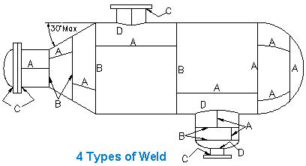

4 Types of Pressure Vessel Weld a -Welded Longitudinal Joints b -Wedded Circumferential joints c- Welded Flanges d-Welded Nozzles

Example: Section I – Superheater Tube- continued
Calculate the maximum allowable working pressure for a 75 mm [2.95 in] O.D. and 4.75 mm [0.19 in]
minimum thickness superheater tube connected to a header by strength welding. The average tube
temperature is 400°C [~750° F]. The tube material is SA-213-T11.
Note: According to table in ASME Section II, Part D, SA-213-T11 alloy steel is 102 MPa (~15000 psi).
Solution:
For tubing up to and including 125 mm [~5 in] O.D. Use equation 1.2 above.
t = 4.75 mm [0.19 in]
D = 75 mm [2.95 in]
e = 0 (strength welded.)
S = 102 MPa [~15000 psi] - (SA-213-T11 at 400°C ~750° F)

Thin Cylinder Maximum Internal Pressure Given Sheel Thickness |  |  |  |  | Input
Metric | Input |  |  | D = | 75.0
Thin shell thickness, t = | 4.75 | mm |  |  | Calculate
Inside radius of cylinder, R = | 37.5 | mm |  | R = | 37.5
Joint efficiency, E = | 0.85 |  |  |  | Input
Maximum allowable stress value at operating temperature, S = | 102 | Mpa |  | Mpa = | 10.27 | = | 1,489 | psi
 | Calculate |  |  | mm = | 37.50 | = | 1.476 | in
Maximum allowable pressure (Circumferencial Joint), P = | 2*S*E*t / (R - 0.4*t)
= | 23.14 | MPa | P < 0.385*S*E OK
Maximum allowable pressure (Longitudinal Joint), P = | S*E*t / (R + 0.6*t)
= | 10.21 | MPa | P < 0.385*S*E OK
Maximum allowable P = 0.385*S*E = | 33.38 | MPa
Note: Use lowest pressure.

US Units | Input
Thin shell thickness, t = | 0.187 | in
Inside radius of cylinder, R = | 1.467 | in
Joint efficiency, E = | 0.85
Maximum allowable stress value at operating temperature, S = | 14,794 | psi
 | Calculate
Maximum allowable pressure (Circumferencial Joint), P = | 2*S*E*t / (R - 0.4*t)
= | 3,378 | psi | P < 0.385*S*E OK
Maximum allowable pressure (Longitudinal Joint), P = | S*E*t / (R + 0.6*t)
= | 1,489 | psi | P < 0.385*S*E OK
Maximum allowable P = 0.385*S*E = | 4,841 | psi
Note: Use lowest pressure.

3.2 – Formulae for Thick Cylindrical Shells Thick cylindrical shells when P > 0.385*S*E
As internal pressures increase higher than 20.6 MPa (~3000 psi), special considerations must be given to the construction of the vessel as specified in paragraph U-1 (d). As the ratio of t/R increases beyond 0.5, a more accurate equation is required to determine the thickness.
The formulae for thick walled vessels are listed in ASME Appendix 1, Supplementary Design Formulas 1.1 to 1.3.

Example: Drum - Using the Inside Radius
A welded water tube boiler drum of SA-515-60 material is fabricated to an inside radius of 475 mm [18.7 in] on the tube sheet and 500 mm [19.68 in] on the drum. The plate thickness of the tube sheet and drum are 59.5 mm [2.34 in] and 38 mm [1.49 in] respectively.
The longitudinal joint efficiency is 100%, and the ligament efficiencies are 56% horizontal and 30% circumferential. The operating temperature is not to exceed 300°C [572°F]. Determine the maximum allowable working pressure (MAWP) based on the Welded Water Tube Boiler Drum shown below. Note:
This is a common example of a water tube drum fabricated from two plates of different thickness. The material SA-515-60 is carbon steel plate.
Solution:
This example has two parts:
a) The drum - consider the drum to be plain with no penetrations. Use equation 2.4 (inside radius R). Drum P = SE (t - C) / (( R + (1 - y) (t - C)) Where:
S = 115 MPa [16600 psi] - SA-515-60 at 300°C [572°F])
E = 1.0
t = 38 mm [1.49 in]
C = 0
R = 500 mm [19.68 in] (Drum)
y = 0.4 (ferritic steel less than 480° C [896°F]) Note: In cylindrical vessels, the stress set up by the pressure on the longitudinal joints is equal to twice the stress on the circumferential joints.

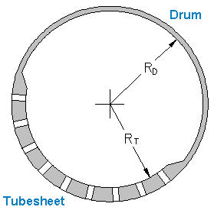

Boiler Drum with Tubesheet

Thin Boiler Drum under Internal Pressure.
Longitudinal stress (circumferential joints)
Metric | Input |  |  |  | Input
Design shell thickness , t = | 38.00 | mm |  | D = | 2440.0
Inside Radius of cylinder, R = | 500.0 | mm |  |  | Calculate
Efficiency of welded joints, E = | 1.0 |  |  | R = | 1220.0
Maximum allowable stress value at operating temperature, S = | 115.000 | MPa |  |  | Input |  | Calculate
The corrosion allowance, C = | 0.0 | mm |  | Mpa = | 11.80 | = | 1711 | psi
Ferritic steeel less than 480° C [896°F], y = | 0.4 |  |  | mm = | 850.0 | = | 33.465 | in
 | Calculate
Part a. Maximum boiler DRUM internal pressure, P = | S*E* (t - C) / (( R + (1 - y)*(t - C))
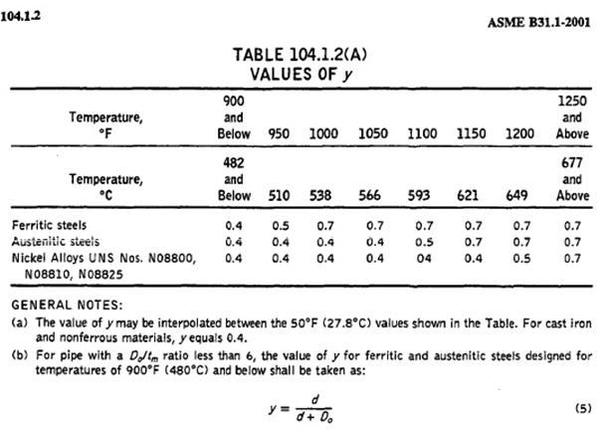
= | 8.36 | MPa

Note: In cylindrical vessels, the stress set up by the pressure on the longitudinal joints
is equal to twice the stress on the circumferential joints.

b) The tube sheet - consider the drum to have penetrations for boiler tubes.
Use equation 2.4 (inside radius R). P = S*E*(t -C) / ((R + (1 - y)*(t - C)) Where:
S = 115 MPa [16600 psi] - SA-515-60 at 300°C [572°F])
E = 0.56 (circumferential stress = 30% and longitudinal stress = 56%; therefore, 0.56 < 2 x 0.30)
T = 59.5 mm [2.34 in]
C = 0
R = 475 mm [18.7 in] (for the tube sheet).
y = 0.4 [ferritic steel less than 480°C (896°F)] See table right. Note: The maximum allowable working pressure (MAWP) is based on the lowest number.

Thin Boiler Drum Tubesheet under Internal Pressure.

Metric | Input |  |  |  | Input
Design shell thickness , t = | 59.50 | mm |  | D = | 950.0
Inside Radius of cylinder, R = | 475.0 | mm |  |  | Calculate
Efficiency of welded joints, E = | 0.56 |  |  | R = | 475.0
Maximum allowable stress value at operating temperature, S = | 115.000 | MPa |  |  | Input |  | Calculate
The corrosion allowance, C = | 0.0 | mm |  | Mpa = | 7.50 | = | 1,088 | psi
Ferritic steeel less than 480° C [896°F], y = | 0.4 |  |  | mm = | 475.0 | = | 18.701 | in
 | Calculate
Part b. Maximum boiler TUBSHEET internal pressure, P = | S*E* (t - C) / (( R + (1 - y)*(t - C))
= | 7.503 | MPa

Note: In cylindrical vessels, the stress set up by the pressure on the longitudinal joints
is equal to twice the stress on the circumferential joints.

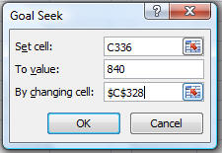
Thin Boiler Drum Cylinder under Internal Pressure.
Longitudinal stress (circumferential joints)
US Units | Input
Design boiler shell thickness , tb = | 1.500 | in
Inside Radius of boiler cylinder, Rb = | 19.680 | in
Efficiency of welded joints, E = | 1.00
Maximum allowable stress value at operating temperature, S = | 16,600 | psi
The corrosion allowance, C = | 0.000 | in
Ferritic steel less than 480° C [896°F], y = | 0.4
 | Calculate
Part a. Maximum boiler DRUM internal pressure, P = | S*E* (tb - C) / (( R + (1 - y)*(tb - C))
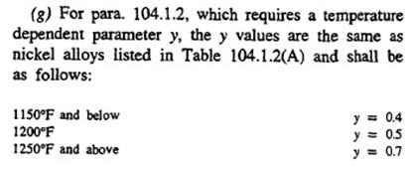
= | 1,210 | psi

Note: In cylindrical vessels, the stress set up by the pressure on the longitudinal joints
is equal to twice the stress on the circumferential joints.

b) The tube sheet - consider the drum to have penetrations for boiler tubes.
Use equation 2.4 (inside radius R). P = S*E*(t -C) / ((R + (1 - y)*(t - C)) Where:
S = 115 MPa [16600 psi] - SA-515-60 at 300°C [572°F])
E = 0.56 (circumferential stress = 30% and longitudinal stress = 56%; therefore, 0.56 < 2 x 0.30)
T = 59.5 mm [2.34 in]
C = 0
R = 475 mm [18.7 in] (for the tube sheet).
y = 0.4 [ferritic steel less than 480°C (896°F)] Note: The maximum allowable working pressure (MAWP) is based on the lowest number.

 |  |  |  |  | Input
 |  |  |  | D = | 37.400 |  |  |  | 17.335
 |  |  |  |  | Calculate |  |  |  | 0.56
 |  |  |  | R = | 18.700 |  |  |  | 16,600
 |  |  |  |  | Input |  | Calculate |  | 0.000
 |  |  |  | Mpa = | 7.50 | = | 1,088 | psi | 0.4
 |  |  |  | mm = | 475.0 | = | 18.701 | in

Thin Boiler Drum Tubesheet under Internal Pressure.
US Units | Input
Inside Radius of tubesheet, Rt = | 18.840 | in
Efficiency of welded joints, E = | 0.56 | E < 2*0.30 OK
Maximum allowable stress value at operating temperature, S = | 16,600 | psi
The corrosion allowance, C = | 0.000 | in
Ferritic steeel less than 480° C [896°F], y = | 0.4
 | Calculate
From above: Inside Radius of boiler cylinder, Rb = | 19.680 | in
From above: Design boiler shell thickness , tb = | 1.500 | in
Design tubesheet thickness , ts = | Rb + tb - Rt
= | 2.340 | in
Part b. Maximum boiler TUBESHEET internal pressure, P = | S*E* (ts - C) / (( Rt + (1 - y)*(ts - C))
= | 1,075 | psi
NOTE:
Circumferential stress = 30% and Longitudinal stress = 56%; therefore, 0.56 < 2 x 0.30)

Hemispherical Head
3.3 – Formula for Spherical Shells: t = PR / (2SE + 0.2P) + C
3.4 – Example: Thin Cylindrical Shells when P < 0.385SE, or, 0.385SE > P
A vertical boiler is constructed of SA-515-60 material in accordance with the requirements of Section VIII-1.
The inside diameter is 2440 mm [96 in]
The internal design pressure is 0.69 Mpa = [~100 psi] at 230°C [446 F°].
The corrosion allowance is 3 mm (0.125 in)
The joint welding efficiency is 0.85
Calculate the required thickness of the shell if the allowable stress is 138 MPa [20,000 psi].

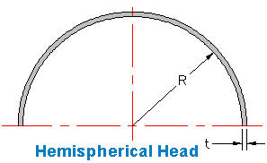

Thin Hemispherical Head Thickness Given Internal Pressure.
Metric | Input |  |  |  | Input
Internal design pressure , P = | 0.690 | MPa |  | D = | 2440.0
Inside radius of spherical shell, R = | 1220.0 | mm |  |  | Calculate
Efficiency of longitudinal welded joints, E = | 0.85 |  |  | R = | 1220.0
Maximum allowable stress value at operating temperature, S = | 138.0 | MPa |  |  | Input |  | Calculate
The corrosion allowance, C = | 3.0 | mm |  | Mpa = | 0.690 | = | 100 | psi
 | Calculate |  |  | mm = | 6.59 | = | 0.259 | in
Hemispherical shell minimum required thickness, t = | (P*R / (2*S*E - 0.2*P) ) + C
 | 6.59 | mm | t > 3.2mm OK
Maximum allowable t = 0.356*R = | 434.32 | mm | t < 0.356*R OK
Minimum allowable t = | 3.20 | mm
Maximum internal pressure = 0.665*S*E = | 78.00 | MPa | P < 0.665*S*E OK
Where t < 0.356*R or P < 0.665*S*E

US Units
Internal design pressure , P = | 1,000 | psi
Inside radius of spherical shell, R = | 19.680 | in
Efficiency of longitudinal welded joints, E = | 1.00
Maximum allowable stress value at operating temperature, S = | 16,600 | psi
The corrosion allowance, C = | 0.000 | in
 | Calculate
Hemispherical shell minimum required thickness, t = | (P*R / (2*S*E - 0.2*P) ) + C
= | 0.596 | in | t < 3.2mm Not OK
Maximum allowable t = 0.356*R = | 7.006 | in | t < 0.356*R OK
Minimum allowable t = | 3.20 | in
Maximum internal pressure = 0.665*S*E = | 11039 | psi | P < 0.665*S*E OK
Where t < 0.356*R or P < 0.665*S*E

Thin Hemispherical Head Internal Pressure Given Thickness
http://www.scribd.com/doc/58358457/ASME-Pressure-Vessels-Basic-Calculations
Metric and US Units | Input |  |  |  | Input |  | Calculate
Hemespherical shell thickness, t = | 39.090 | mm |  | Mpa = | 2.500 | = | 363 | psi
Inside radius of spherical shell, R = | 1220.0 | mm |  | mm = | 29.89 | = | 1.177 | in
Efficiency of longitudinal welded joints, E = | 0.85
Maximum allowable stress value at operating temperature, S = | 138.0 | MPa
 | Calculate
Hemispherical shell maximum allowable pressure, P = | (2*S*E*t / (R + 0.2*t) ) + C
= | 7.469 | MPa | t > 3.2mm OK
Maximum internal pressure = 0.665*S*E = | 78.00 | MPa | P < 0.665*S*E OK
Maximum allowable t = 0.356*R = | 434.32 | mm | t < 0.356*R OK
Minimum allowable t = | 3.20 | mm
Where t < 0.356*R or P < 0.665*S*E

6.2 – Elliptical or Ellipsoidal Heads
The commonly used ellipsoidal head has a ratio of base radius to depth of 2:1 (shown below). The actual shape can be approximated by a spherical radius of 0.9D and a knuckle radius of 0.17D (shown in Fig. 2b.) The required thickness of 2:1 heads with pressure on the concave side is given in paragraph UG-32 (d).
Semi-Elliptical or Semi-Ellipsoidal Heads – 2:1 D / 2*H = 2

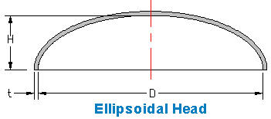

Ellipsoidal Head 2:1
US Units
Ellipsoidal Head 2:1 | Input
Ellipsoidal head inside diameter, D = | 39.360 | in
 | Calculate
Depth of head for 2:1 ellipsoidal, H = | D / 4
= | 9.840 | in

 | Input
Internal design pressure , P = | 1210 | psi |  |  | Input |  |  |  | 200
Semi-Elliptical head inside diameter, D = | 39.360 | in |  | D = | 39.360 |  |  |  | 12.000
Depth of head, H = | 9.840 | in |  |  | Calculate |  |  |  | 3
Efficiency of longitudinal welded joints, E = | 1.00 |  |  | R = | 19.680 |  |  |  | 0.85
Maximum allowable stress value at operating temperature, S = | 16,600 | psi |  |  | Input |  | Calculate |  | 17,100
The corrosion allowance, C = | 0.000 | in |  | Mpa = | 1.379 | = | 200 | psi | 0.000
 | Calculate |  |  | mm = | 2.95 | = | 0.116 | in
If K > 1.000, S must be 20,000 psi reduced for temperature, K = | (1 / 6)*(2 + (D / (2*H))^2)
= | 1.000 | S value is OK
Ellipsoidal head minimum required thickness, t = | (P*D*K / (2*S*E - 0.2*P) ) + C
= | 1.445 | in
Note: Ellipsoidal heads designed under K > 1.0 and all torispherical heads made of materials having a specified min. tensile strength > 80 000 psi shall be designed using a value of S = 20 000 psi at room temperature and reduced in proportion to the reduction in max. allowable stress values at temperature for the material as shown in the appropriate table (see UG-23).

Torispherical Head

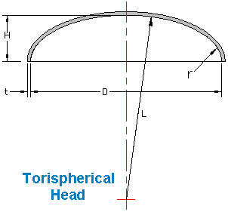

US Units
Torispherical Head | Input |  |  |  | Input
Torispherical head inside diameter, D = | 18.000 | in |  | D = | 36.0
 | Calculate |  |  |  | Calculate
Depth of head, H = | DI / 4 |  |  | R = | 18.0
= | 4.5 | in |  |  | Input |  | Calculate
 |  |  |  | Mpa = | 1.379 | = | 200 | psi
 | Input |  |  | mm = | 2.95 | = | 0.116 | in
Internal design pressure , P = | 1200 | psi
Torispherical head inside diameter, D = | 18.000 | in
Depth of head, H = | 4.5 | in
L = | 13.969 | in
r = | 3.000 | in
Efficiency of longitudinal welded joints, E = | 0.85
Maximum allowable stress value at operating temperature, S = | 20,000 | psi
The corrosion allowance, C = | 0.010 | in
 | Calculate
Limit ratio, L / r < 16^(2/3) = 6.350, L / r = | 4.656 | L/r < 6.350 OK
M = | (1/4)*(3 + (L/r)^(1/2))
= | 1.2895
Torispherical head minimum required thickness, t = | (P*L*M/ (2*S*E - 0.2*P) ) + C
= | 0.650 | in

Conical Head

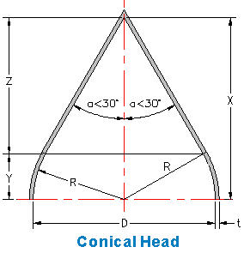

US Units | Input
Internal design pressure , P = | 1000 | psi
Conical head inside diameter, D = | 18.000 | in
Cone half angle, a = | 30 | deg
Efficiency of longitudinal welded joints, E = | 0.85
Maximum allowable stress value at operating temperature, S = | 20,000 | psi
The corrosion allowance, C = | 0.010 | in
 | Calculate
Semi-Elliptical head inside radius, R = | D / 2
= | 9
a < 30 degrees, a = | 30
X = | R / Sin (a /57.3)
= | 18.001202468
Y = | R*Sin (a /57.3)
= | 4.500
Z = | X - Y
= | 13.502
Conical head minimum required thickness, t = | (P*D / (2*Cos (a / 57.3) *(S*E - 0.6*P) ) )+ C
= | 0.644 | in

NOZZEL/SHEEL REFERENCE ONLY - SEE ASME CODE FOR DETAILS
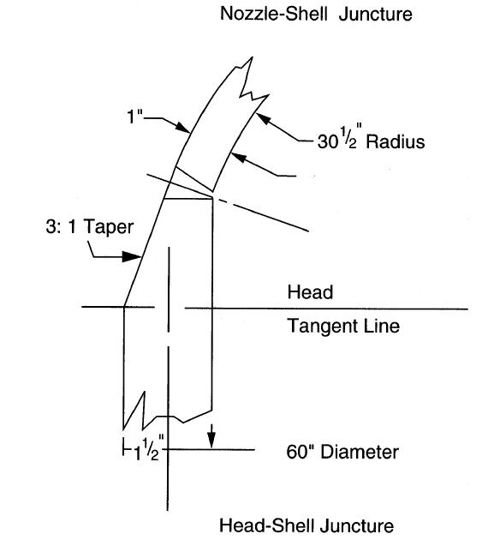

END OF WORKSHEET

NOZZELS
ASME Boiler & Fuel Cell Pressure Vessel Spreadsheets |  |  | 4 PDH
© Copy Write John Andrew P.E. 6 July 2011

NOZZLES
NOZZEL DESIGN Vessels are weakened when material is removed to provide openings for nozzles or access. High stress concentrations exist at the opening edge and decrease radially outward from the opening, becoming negligible beyond twice the diameter from the center of the opening. To avoid failure in the opening area, compensation or reinforcement may be required. Some ways in which this can be accomplished are: (a) increase the vessel wall thickness, (b) increase the wall thickness of the nozzle, or (c) use a combination of extra shell and nozzle thickness . (d) add a reinforcing ring if pressure is low to moderate. The Code procedure is to relocate the removed material to an area within an effective boundary around the opening. Figure 9.1 shows the steps necessary to reinforce an opening in a pressure vessel. Numerous assumptions have been made with the intent of simplifying the general approach.

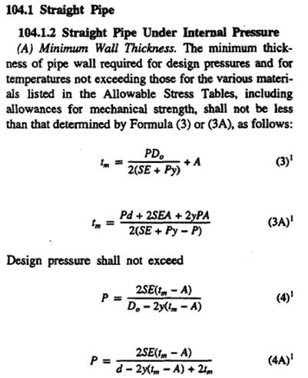

Nozzle Reinforcement
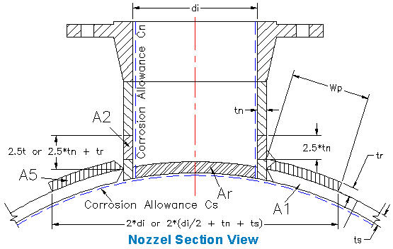

Ring outside diameter, Dro = | 2*(di / 2 + tn + t)
or Ring outside diameter, Dro = | 2*di

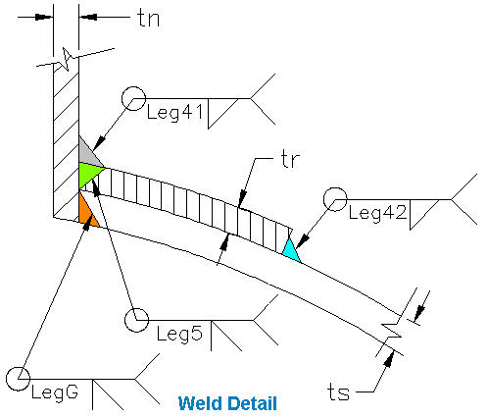

 |  |  |  |  |  |  | Area available in shell, As1 = | d*(Ts - ts) - 2*Tn*(Ts - ts)

 |  |  |  |  |  |  | or Area available in shell, As2 = | 2*(Ts + tn)*(Ts - ts) - 2*tn*(Ts - ts)

PROBLEM - Determine: Shell, Nozzle Thickness, and Reinforcing Ring Thickness |  |  |  | EXAMPLE - Determine: Shell, Nozzle Thickness, and Reinforcing Ring Thickness
SHELL | Input |  |  | SHELL | Input
Design pressure, P = | 700 | psi |  | Design pressure, P = | 700 | psi
Design temperature, T = | 700 | deg F |  | Design temperature, T = | 700 | deg F
Shell Material: | SA-516 Grade 70 |  |  | Shell Material: | SA-516 Grade 70
Shell allowable stress at design temp., Ss = | 16,600 | psi |  | Shell allowable stress at design temp., Ss = | 16,600 | psi
Efficiency of: shell, E = | 1.00 |  |  | Efficiency of: shell, E = | 1.00
Full radiographic examination |  |  |  | Full radiographic examination
Shell internal diameter, Ds = | 60.000 | in |  | Shell internal diameter, Ds = | 60.000 | in
 | Calculate |  |  |  | Calculate
Shell internal radius, Rs = | Ds / 2 |  |  | Shell internal radius, Rs = | Ds / 2
= | 30.000 |  |  | = | 30.000
Shell minimum thickness, ts = | P*Rs / (Ss*E - 0.6*P) |  |  | Shell minimum thickness, ts = | P*Rs / (Ss*E - 0.6*P)
= | 1.298 | in |  | = | 1.298 | in
Use standard larger thickness, Ts = | 1.500 | in |  | Use standard larger thickness, Ts = | 1.500 | in

NOZZLE |  |  |  | NOZZLE
Same pressure and temperature as shell | Input |  |  | Same pressure and temperature as shell | Input
Nozzle Material: | SA-53 Grade B |  |  | Nozzle Material: | SA-53 Grade B
Nozzle allowable stress at design temp., Sn = | 17,100 | psi |  | Nozzle allowable stress at design temp., Sn = | 17,100 | psi
Efficiency of Nozzle, E = | 1.00 |  |  | Efficiency of Nozzle, E = | 1.00
Full radiographic examination |  |  |  | Full radiographic examination
Nozzle standard pipe size = | 8" Schedule 100 |  |  | Nozzle standard pipe size = | 8" Schedule 100
See Below: Nozzle standard pipe wall thickness, tn = | 0.593 | in |  | Nozzle standard pipe wall thickness, tn = | 0.593 | in
Standard Pipe external diameter, de = | 8.625 | in |  | Standard Pipe external diameter, de = | 8.625 | in

Standard pipe dimensions can be found at: |  |  |  | Standard pipe dimensions can be found at:
http://www.allsteelpipe.com/Pipe-Dimensions-Weights-Chart.pdf |  |  |  | http://www.allsteelpipe.com/Pipe-Dimensions-Weights-Chart.pdf

 | Calculate |  |  |  | Calculate
Pipe-nozzle inside radius, Rn = | (de - 2*tn) / 2 |  |  | Pipe-nozzle inside radius, Rn = | (de - 2*tn) / 2
= | 3.7195 | in |  | = | 3.7195 | in
Pipe inside diameter, di = | 2*R |  |  | Pipe inside diameter, di = | 2*R
= | 7.439 | in |  | = | 7.439 | in
Pipe-nozzle minimum thickness, tn = | P*Rn / (Sn*E - 0.6*P) |  |  | Pipe-nozzle minimum thickness, tn = | P*Rn / (Sn*E - 0.6*P)
= | 0.156 | in |  | = | 0.156 | in
Use standard larger thickness, Tn = | 1.750 | in |  | Use standard larger thickness, Tn = | 1.750 | in

SHELL REINFORCEMENT RING | Calculate |  |  | SHELL REINFORCEMENT RING | Calculate
Minimum required ring area, Ar = | di*ts |  |  | Minimum required ring area, Ar = | di*ts
= | 9.655 | in^2 |  | = | 9.655 | in^2
Ring outside diameter, Dro1 = | 2*de |  |  | Ring outside diameter, Dro1 = | 2*de
= | 17.250 | in |  | = | 17.250 | in
or Ring outside diameter, Dro2 = | 2*(de / 2 + tn + t) |  |  | or Ring outside diameter, Dro2 = | 2*(de / 2 + tn + t)
= | 12.811 | in |  | = | 12.811 | in
Design Ring outside diameter, Dro = | MAX(Dro1,Dro2) |  |  | Design Ring outside diameter, Dro = | MAX(Dro1,Dro2)
= | 17.250 | in |  | = | 17.250 | in
If used ring thickness is, tr = | Ar / Dro |  |  | If used ring thickness is, tr = | Ar / Dro
 | 0.560 | in |  |  | 0.560 | in
 | Input |  |  |  | Input
Use larger standard ring thickness, Tr = | 0.625 | in |  | Use larger standard ring thickness, Tr = | 0.625 | in
 | Calculate |  |  |  | Calculate
Area available in the nozzle, An1 = | 2*(2.5*Ts*(Tn - tn) ) |  |  | Area available in the nozzle, An1 = | 2*(2.5*Ts*(Tn - tn) )
= | 11.954 | in |  | = | 11.954 | in
or Area available in the nozzle, An2 = | 2*(2.5*Tn*(Tn - tn) ) |  |  | or Area available in the nozzle, An2 = | 2*(2.5*Tn*(Tn - tn) )
= | 13.947 | in |  | = | 13.947 | in
Minimum of An1 and An2 = An = | MIN(An1, An2) |  |  | Minimum of An1 and An2 = An = | MIN(An1, An2)
= | 11.954 | in |  | = | 11.954 | in
 | No ring required. |  |  |  | No ring required.
NOZZLE SUMMARY |  |  |  | NOZZLE SUMMARY
Area available in the nozzle, An = | 11.954 | in^2 |  | Area available in the nozzle, An = | 11.954 | in^2
Minimum required ring area, Ar = | 9.655 | in^2 |  | Minimum required ring area, Ar = | 9.655 | in^2

If Nozzle area An is greater than required ring area Ar no ring is required. |  |  |  | If Nozzle area An is greater than required ring area Ar no ring is required.
...

MATH TOOLS
...
 | Math Symbols
 | A x B = | A*B | A / B = | A / B
 | 2 x 3 = | 2 * 3 | 3 / 2 = | 3 / 2
 | = | 6 | = | 1.5

 | A + B = | A + B | Xn = | X^n
 | 2 + 3 = | 2 + 3 | 23 = | 2^3
 | = | 5 | = | 8

Spread Sheet Method: Excel Worksheet - New Version
1. Type in values for the Input Data.
2. Excel will make the Calculations.
Excel's GOAL SEEK
Excel's, "Goal Seek" adjusts one Input value to cause a Calculated formula cell to equal a given value.
When using Excel's Goal Seek, unprotect the spread sheet by selecting: Drop down menu: Home > Format > Unprotect Sheet > OK
When Excel's Goal Seek is not needed, restore protection with:
Drop down menu: Home > Format > Protect Sheet > OK
Spread Sheet Method: Excel-97 2003 - Old Version
1. Type in values for the input data.
2. Excel will make the calculations.
Excel's GOAL SEEK
Excel's, "Goal Seek" adjusts one Input value to cause a Calculated formula cell to equal a given value.
When using Excel's Goal Seek, unprotect the spread sheet by selecting: Drop down menu: Tools > Protection > Unprotect Sheet > OK
When Excel's Goal Seek is not needed, restore protection with:
Drop down menu: Tools > Protection > Protect Sheet > OK

To scroll, roll the mouse wheel.
To zoom in, depress the Ctrl key and roll the mouse wheel away from you.
To open another, "Work Sheet Lesson" select a tab at the bottom of this spreadsheet.
To unlock the cells of this spreadsheet: Home > Format > Unprotect Sheet.
To lock the cells of this spreadsheet: Home > Format > Protect Sheet.
To open a new spreadsheet topic click on the tabs below.

Excel's GOAL SEEK - Use "Problem" below the Example.
EXAMPLE - Cylindrical Components Given Internal Pressure.
 | Input
...
PROBLEM - Cylindrical Components Given Internal Pressure.
Joint efficiency, E = | 0.85
Maximum allowable stress temperature, S = | 12,735 | psi
 | Calculate
Minimum required thickness (Longitudinal Joint), t = | P*R / (2*S*E + 0.6*P)
= | 0.111 | in | t < 0.125in Not OK
Minimum required thickness (Circumferential Joint), t = | P*R / (S*E - 0.4*P)
= | 0.250 | in | t > 0.125in OK
Minimum allowable t = 0.125 in
Note: Use the maximum thickness.

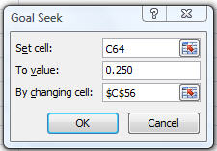
Step-1 Pick the cell C64 containing the formula.
Step-2 Select: Data > What-If Analysis > Goal Seek…
Step-3 Type "0.250" in the To value slot.
Step-4 Pick cell C56 containing the variable P = 580 psi.
Step-5 OK.

Result: P = 1,831 if t = 0.250 in.

MATERIALS
ASME Boiler & Fuel Cell Pressure Vessel Spreadsheets | 4 PDH
© Copy Write John Andrew P.E. 6 July 2011

MATERIALS

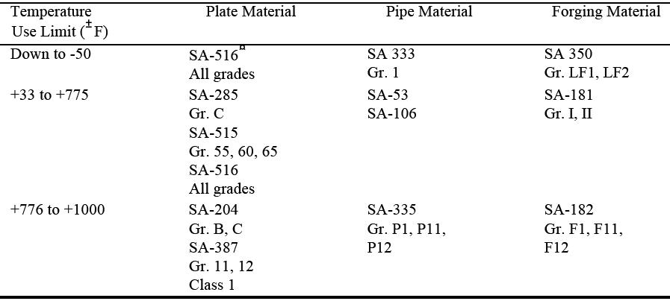
 |  | a) Carbon and Low Alloy Steels:

 |  | b) High Alloy Steels:

