GOAL SEEK
M397 Fluid Power Cylinders and Motors Spreadsheets
© Copyright John Andrew 20/10/2011

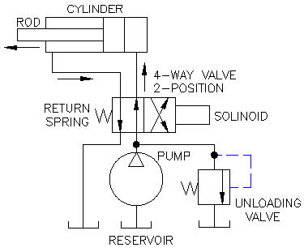
FLUID POWER CALCULATIONS
BASIC HYDRUALIC POWER CIRCUIT - left Hydraulic fluid is being pumped through the 4-way 2-psition solenoid operated spring return valve. The rod and piston are extending. Fluid on the rod side of the cylinder is returning to the common reservoir. When the cylinder is fully extended fluid flow stops and pressure rises to the pre-set value that will open the unloading valve allowing excess flow from the pump to return to the reservoir.
GOAL SEEK

Spreadsheet Method:
1. Type Input values.
2. Enter.
3. Answers will be Calculated by the spreadsheet.

Excel Workbook - new version
When using Excel's Goal Seek, unprotect the spread
sheet by selecting: Drop down menu: Format >
Unprotect Sheet > OK. When Excel's
Goal Seek is not needed, restore protection with:
Drop down menu: Format > Protect Sheet.

NORMAL PROBLEM SOLUTION | SOLVE HERE |  |  | NORMAL PROBLEM EXAMPLE | EXAMPLE ONLY
How many pounds force extending and retracting, will a 3.25 inch bore |  |  |  | How many pounds force extending and retracting, will a 3.25 inch bore
hydraulic cylinder having a 1.75 inch diameter piston rod develop at 1200 psi? |  |  |  | hydraulic cylinder having a 1.75 inch diameter piston rod develop at 1500 psi?
Answer: Fe = 9,955 lbs, Fr = 7,069 lbs |  |  |  | Answer: Fe = 9,955 lbs, Fr = 7,069 lbs
SOLUTION | US UNITS |  |  | SOLUTION | US UNITS
Air or Hydraulic Cylinder Force | Input |  | Standard | Air or Hydraulic Cylinder Force | Input |  | Standard
Cylinder pressure, P = | 1200 | psig | Cylinder | Cylinder pressure, P = | 1200 | psig | Cylinder
Cylinder piston diameter, D = | 3.250 | in | Bores (in) | Cylinder piston diameter, D = | 3.250 | in | Bores (in)
Piston rod diameter, d = | 1.750 | in | 1.500 | Piston rod diameter, d = | 1.750 | in | 1.500
 | Calculate |  | 2.000 |  | Calculate |  | 2.000
Cylinder piston area, A = | π*D^2 / 4 |  | 2.500 | Cylinder piston area, A = | π*D^2 / 4 |  | 2.500
= | 8.2958 | sq in | 3.250 | = | 8.2958 | sq in | 3.250
Piston rod area, a = | π*d^2 / 4 |  | 4.000 | Piston rod area, a = | π*d^2 / 4 |  | 4.000
= | 2.4053 |  | 5.000 | = | 2.4053 |  | 5.000
Cylinder extension piston force, Fe = | P*A |  | 6.000 | Cylinder extension piston force, Fe = | P*A |  | 6.000
= | 9,955 | lbs |  | = | 9,955 | lbs
= | 44,282 | N (Newton's) |  | = | 44,282 | N (Newton's)
Cylinder retraction piston force, Fr = | P*(A - a) |  |  | Cylinder retraction piston force, Fr = | P*(A - a)
= | 7,069 | lbs |  | = | 7,069 | lbs
= | 31,443 | N |  | = | 31,443 | N

GOAL SEEK PROBLEM | SOLVE HERE |  |  | GOAL SEEK EXAMPLE | EXAMPLE ONLY
What must the pressure be if the desired cylinder extension piston force, Fe is 14,000 lbs? |  |  |  | What must the pressure be if the desired cylinder extension piston force, Fe is 14,000 lbs?
Given the same a 3.25 inch bore hydraulic cylinder having a 1.75 inch diameter piston rod. |  |  |  | Given the same a 3.25 inch bore hydraulic cylinder having a 1.75 inch diameter piston rod.
Answer: P = 1688 psi |  |  |  | Answer: P = 1688 psi
SOLUTION | US UNITS |  |  | SOLUTION | US UNITS
Air or Hydraulic Cylinder Force | Input |  | Standard | Air or Hydraulic Cylinder Force | Input |  | Standard
Cylinder pressure, P = | 1447 | psig | Cylinder | Cylinder pressure, P = | 1688 | psi | Cylinder
Cylinder piston diameter, D = | 3.250 | in | Bores (in) | Cylinder piston diameter, D = | 3.250 | in | Bores (in)
Piston rod diameter, d = | 1.750 | in | 1.500 | Piston rod diameter, d = | 1.750 | in | 1.500
 | Calculate |  | 2.000 |  | Calculate |  | 2.000
Cylinder piston area, A = | π*D^2 / 4 |  | 2.500 | Cylinder piston area, A = | π*D^2 / 4 |  | 2.500
= | 8.2958 | sq in | 3.250 | = | 8.2958 | sq in | 3.250
Piston rod area, a = | π*d^2 / 4 |  | 4.000 | Piston rod area, a = | π*d^2 / 4 |  | 4.000
= | 2.4053 |  | 5.000 | = | 2.4053 |  | 5.000
Cylinder extension piston force, Fe = | P*A |  | 6.000 | Cylinder extension piston force, Fe = | P*A |  | 6.000
= | 12,000 | lbs |  | = | 14,000 | lbs
= | 53,379 | N |  | = | 62,275 | N
Cylinder retraction piston force, Fr = | P*(A - a) |  |  | Cylinder retraction piston force, Fr = | P*(A - a)
= | 8,521 | lbs |  | = | 9,941 | lbs
= | 37,902 | N |  | = | 44,219 | N

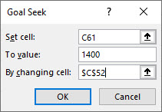
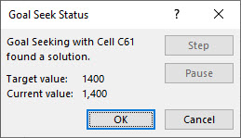
Step-1 Select cell C61 (green)
Step-2 Select: Data > What-If Analysis > Goal Seek
Step-3 To value: 1400
Step-4 Pick cell C52 containing pressure P > OK

US to METRIC
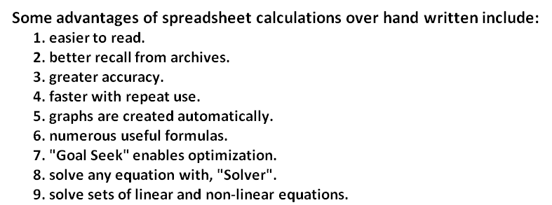
Fluid Power Cylinders and Motors Spreadsheet Analysis |  |  |  | 5PDH
© Copy Write John Andrew P.E. 21 Oct 2011

FLUID POWER CALCULATIONS
US TO MERTIC UNITS
SPREADSHEET METHOD

Spreadsheet Method:
1. Type Input values.
2. Enter.
3. Answers will be Calculated by the spreadsheet.

Excel Workbook - new version |  |  |  | Excel-97 2003 - old version
When using Excel's Goal Seek, unprotect the spread |  |  |  | When using Excel's Goal Seek, unprotect the spread
sheet by selecting: Drop down menu: Home > Format > |  |  |  | sheet by selecting: Drop down menu: Tools >
Unprotect Sheet > OK. When Excel's |  |  |  | Protection > Unprotect Sheet > OK. When Excel's
Goal Seek is not needed, restore protection with: |  |  |  | Goal Seek is not needed, restore protection with:
Drop down menu: Format > Protect Sheet. |  |  |  | Drop down menu: Format > Protect Sheet.

SOLVE HERE | US UNITS |  |  |  | METRIC UNITS
Air or Hydraulic Cylinder Force | Input |  | Standard | Air or Hydraulic Cylinder Force | Input |  | Standard
Cylinder pressure, P = | 1200 | psig | Cylinder | Cylinder pressure, P = | 82.74 | Bar | Cylinder
Cylinder piston diameter, D = | 1.927 | in | Bores (in) | Cylinder piston diameter, D = | 48.947633323 | mm | Bores (mm)
Piston rod diameter, d = | 1.000 | in | 1.500 | Piston rod diameter, d = | 25.4 | mm | 38.1
 | Calculate |  | 2.000 |  | Calculate |  | 50.8
Cylinder piston area, A = | π*D^2 / 4 |  | 2.500 | Cylinder piston area, A = | π*D^2 / 4 |  | 63.5
= | 2.917 | sq in | 3.250 | = | 1,882 | sq mm | 82.6
Piston rod area, a = | π*d^2 / 4 |  | 4.000 | = | 0.0018817 | sq m | 101.6
= | 0.785 |  | 5.000 | Piston rod area, a = | π*d^2 / 4 |  | 127.0
Cylinder extension piston force, Fe = | P*A |  | 6.000 | = | 506.71 | sq mm | 152.4
= | 3,500 | lbs |  | = | 0.0005067 | sq m
= | 15,569 | N |  | Cylinder pressure, p = | P*100000
Cylinder retraction piston force, Fr = | P*(A - a) |  |  | = | 8,273,580 | N/sq m
= | 2,558 | lbs |  | Cylinder extension piston force, Fe = | P*A
= | 11,376 | N |  | = | 15,569 | N
 |  |  |  | Cylinder retraction piston force, Fr = | P*(A - a)
 |  |  |  | = | 11,376 | N

Hydraulic Pump or Motor Torque | Input |  |  | Hydraulic Pump or Motor Torque | Input
Power supplied to pump or motor shaft, HP = | 2.0 | hp |  | Power supplied to pump or motor shaft, KW = | 1.492 | KW
Pump or motor shaft speed, RPM = | 1800 | rpm |  | Pump or motor shaft speed, RPM = | 1800 | rpm
 | Calculate |  |  |  | Calculate
Hydraulic pump or motor - Torque, T = | 5252*HP/RPM |  |  | Hydraulic pump or motor - Torque, T = | 9543*KW/RPM
= | 5.836 | ft-lbs |  | = | 7.91 | N-m
= | 7.91 | N-m
= | 70.0 | in-lbs |  | Note: 1.0 hp = 746 W
Hydraulic Motor Displacement & Torque | Input |  |  | Hydraulic Motor Displacement & Torque | Input
Motor Displacement per revolution, D = | 3.00 | cu in/rev |  | Motor Displacement per revolution, D = | 4.92 | cu mm/rev
Hydraulic fluid pressure, P = | 1200 | psi |  | Hydraulic fluid pressure, P = | 82.74 | Bar
 | Calculate |  |  |  | Calculate
Hydraulic motor torque, T = | D*P / (24*π) |  |  | Hydraulic motor torque, T = | D*P*.15912
= | 47.75 | ft-lbs |  | = | 64.72 | N-m
= | 64.74 | N-m |  | Note: 1.0 N-m = 0.73756 ft-lbs

Power Flowing Through Pipe | Input |  |  | Power Flowing Through Pipe | Input
Fluid gage pressure, P = | 318 | psig |  | Fluid gage pressure, P = | 21.93 | Bar
Flow rate, Q = | 20.00 | gpm |  | Flow rate, Q = | 75.7 | L / min
 | Calculate |  |  |  | Calculate
Power of fluid flowing through pipe, HP = | PSI*GPM / 1714 |  |  | Power of fluid flowing through pipe, KW = | Bar*(L / min) / 600
= | 3.71 | hp |  | = | 2.77 | KW
= | 2.77 | kW
Note: 1.0 hp = 746 W
Hydraulic Cylinder Piston Speed | Input |  |  | Hydraulic Cylinder Piston Speed | Input
Fluid flow rate, Q = | 20.00 | gpm |  | Fluid flow rate, Q = | 75.71 | L/min
Cylinder bore diameter, D = | 2.000 | in |  | Cylinder bore diameter, D = | 50.8 | mm
 | Calculate |  |  |  | Calculate
Cylinder piston area, A = | π*D^2 / 4 |  |  | Cylinder piston area, A = | π*D^2 / 4
= | 3.14 | sq in |  | = | 2026.83 | sq mm
Fluid flow rate, q = | 231*Q |  |  | Fluid flow rate, q = | Q*0.001*1000^3
= | 4620.0 | cu in/min |  | = | 75,708,236 | cu mm/min
Hydraulic cylinder piston speed, S = | Q / A |  |  | Piston speed, S = | q / A
= | 1470.6 | in/min |  | = | 37353 | mm/min
= | 37.353 | m/min |  | = | 37.353 | m/min
= | 24.5 | ft/sec

Pipe or Tubing Burst Pressure |  |  |  | Pipe or Tubing Burst Pressure
 | Input |  |  |  | Input
Pipe or tubing inside diameter, D = | 2.00 | in |  | Pipe or tubing inside diameter, D = | 50.8 | mm
Pipe or tubing wall thickness, t = | 0.125 | in |  | Pipe or tubing wall thickness, t = | 3.175 | mm
material tensile strength, S = | 52,000 | psi |  | material tensile strength, S = | 3,585 | Bar
Safety factor, SF = | 2.00 |  |  | Safety factor, SF = | 2.00 | -
 | Calculate |  |  |  | Calculate
Pipe or tubing burst pressure, P = | 2*t*S / (SF*D) |  |  | Pipe or tubing burst pressure, P = | 2*t*S / (SF*D)
= | 3,250 | psi |  | = | 224.1 | Bar
= | 224.1 | Bar |  | = | 23,529 | N/sq m
= | 23,529 | N/sq m
Hydraulic Fluid Velocity in Pipe | Input |  |  | Hydraulic Fluid Velocity in Pipe | Input
Fluid flow rate, Q = | 10.0 | gpm |  | Fluid flow rate, Q = | 37.85 | L/min
Pipe or tubing inside diameter, d = | 1.000 | in |  | Pipe or tubing inside diameter, d = | 25.4 | mm
 | Calculate |  |  |  | Calculate
Pipe or tubing inside area, A = | π*d^2 / 4 |  |  | Pipe or tubing inside area, A = | π*d^2 / 4
...
Pump suction lines = | 2 to 4 ft/sec |  |  | Pump suction lines = | 0.6 to 1.2 m/sec
Pressure lines 0 to 500 psi = | 10 to 15 ft/sec |  |  | Pressure lines 0 to 35 Bar = | 3 to 4.5 m/sec
Pressure lines 500 to 3,000 psi = | 15 to 20 ft/sec |  |  | Pressure lines 35 to 200 Bar = | 4.5 to 6 m/sec
Pressure lines over 3,000 psi = | 25 ft/sec |  |  | Pressure lines over 200 Bar = | 7.5 m/sec
Air over oil lines = | 4 ft/sec |  |  | Air over oil lines = | 1.3 m/sec

The bar is a unit of pressure equal to 100 kilopascals, and roughly equal to: 1 atm pressure = 1.01325 bar = 1.01325 x 105 Pa = 1.01325 x 105 N/m2
The bar is a unit of pressure equal to 100 kilopascals, and roughly equal to: 1 atm pressure = 1.01325 bar = 1.01325 x 105 Pa = 1.01325 x 105 N/m2
 | US UNITS to METRIC |  |  |  | METRIC UNITS to US
 | Input |  | Calculate |  | Input |  | Calculate
Btu = | 1.00 | KW-hr = | 0.0002931 | Watts = | 1.00 | Btu/hr = | 3.4121
Btu/hr = | 1.00 | W = | 0.2931 | kW = | 1.00 | Btu/hr = | 3,412
Btu/hr = | 1.00 | KW = | 0.000293 | mm = | 1.00 | m = | 0.0010
cu in = | 1.00 | cu dm = | 0.01639 | m = | 1.00 | dm = | 0.10
ft-lbs = | 1.00 | Nm = | 1.3558 | m = | 1.00 | in = | 39.37
gallons = | 1.00 | Liters = | 3.7854 | Liters = | 1.00 | cu mm = | 1,000,000
hp = | 1.00 | kW = | 0.746 | Liters = | 1.00 | cu m = | 0.001
in = | 1.00 | m = | 0.025400 | Bar = | 1.00 | N/sq m = | 105
lbs = | 1.00 | N = | 4.44822 | Bar = | 1.00 | Pa = | 100000
psi = | 1.00 | Bar = | 0.06895 | Bar = | 1.00 | psi = | 14.504
US gallons = | 1.00 | cu in = | 231 | kW = | 1.00 | hp = | 1.34048
US gallons = | 1.00 | Liters = | 3.7854

 | Input |  |  |  | Input
deg F = | 80.0 |  |  | deg C = | 100
 | Calculate |  |  |  | Calculate
deg C = | (F − 32)*5⁄9 |  |  | deg F = | C*9⁄5 + 32
...

METRIC to US
...
Pump suction lines = | 0.6 to 1.2 m/sec |  |  | Pump suction lines = | 2 to 4 ft/sec
Pressure lines to 35 Bar = | 3 to 4.5 m/sec |  |  | Pressure lines to 500 psi = | 10 to 15 ft/sec
Pressure lines to 200 Bar = | 4.5 to 6 m/sec |  |  | Pressure lines to 3,000 psi = | 15 to 20 ft/sec
Pressure lines over 200 Bar = | 7.5 m/sec |  |  | Pressure lines over 3,000 psi = | 25 ft/sec
Air over oil lines = | 1.3 m/sec |  |  | Air over oil lines = | 4 ft/sec

The bar is a unit of pressure equal to 100 kilopascals, and roughly equal to: 1 atm pressure = 1.01325 bar = 1.01325 x 105 Pa = 1.01325 x 105 N/m2
 | METRIC UNITS to US |  |  |  | US UNITS to METRIC
 | Input |  | Calculate |  | Input
Watts = | 1.00 | Btu/hr = | 3.4121 | Btu = | 1.00
KW = | 1.00 | Btu/hr = | 3412 | Btu/hr = | 1.00
mm = | 1.00 | m = | 0.0010 | Btu/hr = | 1.00
m = | 1.00 | dm = | 0.10 | cu in = | 1.00
m = | 1.00 | in = | 39.37 | ft-lbs = | 1.00
Liters = | 1.00 | cu mm = | 1,000,000 | gallons = | 1.00
Liters = | 1.00 | cu m = | 0.001 | hp = | 1.00
Bar = | 1.00 | N/sq m = | 105 | in = | 1.00
Bar = | 1.00 | Pa = | 100000 | lbs = | 1.00
Bar = | 1.00 | psi = | 14.504 | psi = | 1.00
KW = | 1.00 | hp = | 1.34048 | US gallons = | 1.00
 |  |  |  | US gallons = | 1.00

 | Input |  |  |  | Input
deg C = | 100 |  |  |  | 212.0
 | Calculate |  |  |  | Calculate
deg F = | C*9⁄5 + 32 |  |  | deg C = | (F − 32)*5⁄9
...

AIR CYLINDERS
Fluid Power Cylinders and Motors Spreadsheet Analysis |  |  | 5PDH
© Copy Write John Andrew P.E. 21 Oct 2011

AIR CYLINDERS |  | www.parker.com

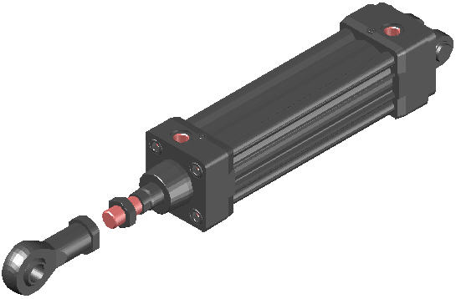

2D & 3D CAD FILES DOWNLOADED FROM:
www.parker.com
See CAD FILES bottom of this worksheet.

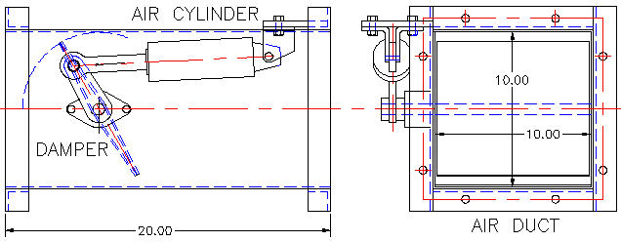

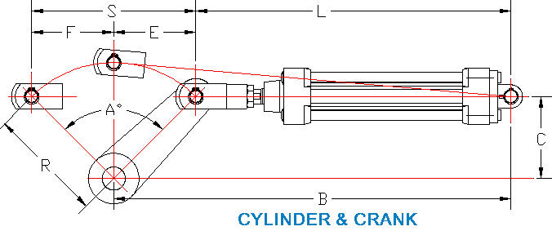

DOUBLE ACTING CYLINDER | Input
Cylinder bore diameter, D = | 2.000 | in
Cylinder rod diameter, d = | 1.000 | in
Cylinder retracted length, L = | 9.000 | in
Rod stroke, S = | 4.000 | in
Cylinder offset, C = | 2.000 | in
Cylinder pressure, P = | 80 | psi
 | Calculate
Piston rod extention force, Fe = | P*π*D^2/4
= | 251 | lbs
Piston rod retraction force, Fr = | P*π*(D^2 - d^2)/4
= | 188 | lbs
Rotation angle, A = | 2*57.3*ATAN((S/2)/C)
= | 90.00 | deg
Crank radius, R = | ((S/2)^2 + C^2)^(1/2)
= | 2.829 | in

DOUBLE ACTING AIR CYLINDER SCHEMATIC
Typical Air Power Application - right Air is drawn into the pump through a filter/silencer. The air is compressed in the range 80 to 100 psi (pounds per square inch) in a typical industrial application. The compressed air is stored in a receiver allowing the noisy air pump to stop until air leaves the system and more air is needed. An FLR (filter-regulator-lubricator) must be installed in an air supply. The filter prevents dust, water, and other particles from damaging precision equipment such as valves, cylinders, and air motors. Pressure level is set by the regulator. The lubricator provides a small amount of oil needed by moving machinery components. The 3-position 4-way control valve is shifted by the right solenoid to position 3 and air flows to extend the piston and rod. The left solenoid shifts the valve to position 1 and air flows to retract the piston and rod. The 3-position 4-way control valve in this application has a float center position. This air cylinder piston and rod are free to move when the valve is centered by spring action when the solinoids are de-energized.
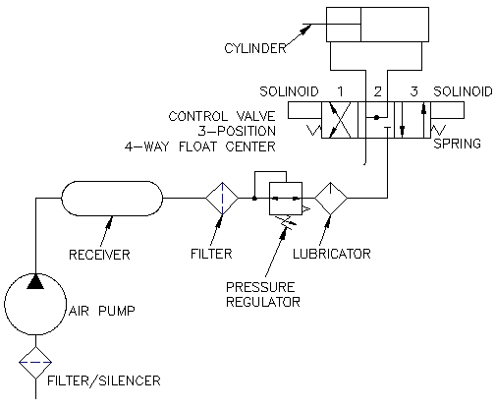

INDUSTRIAL AIR CYLINDER
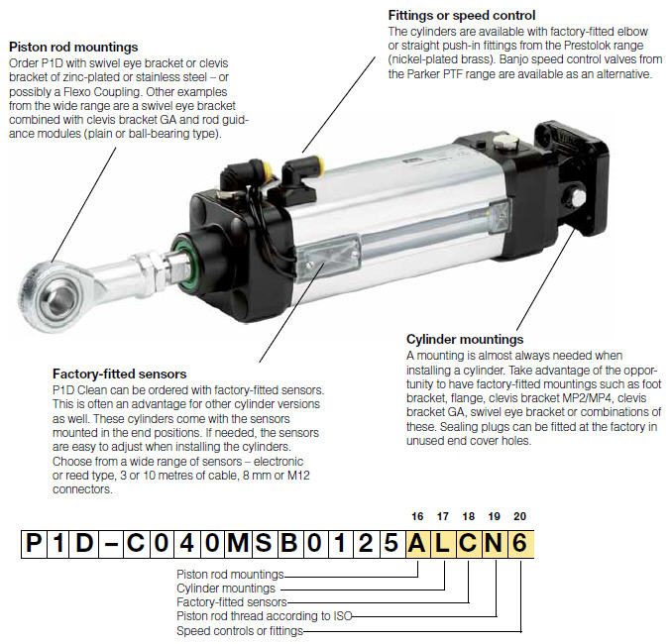

P1D-C040MSB015ALCN6
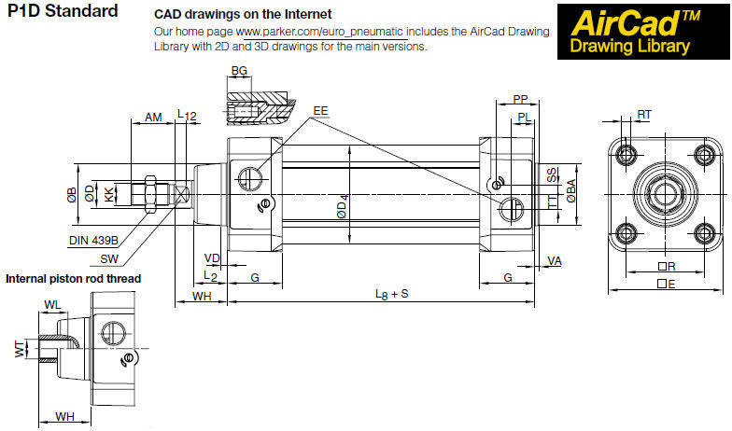

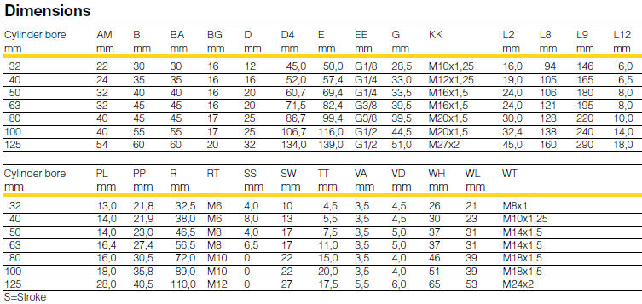

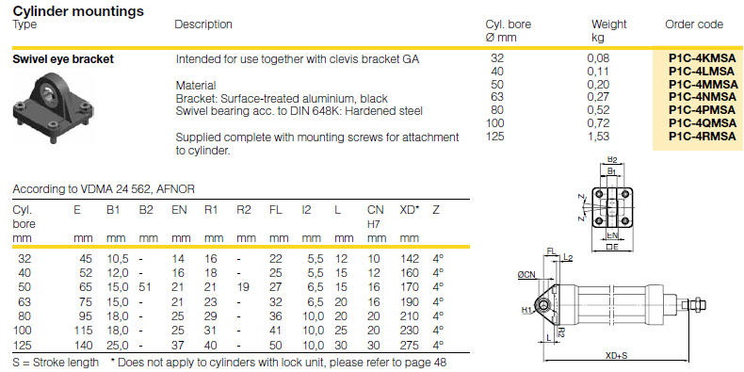

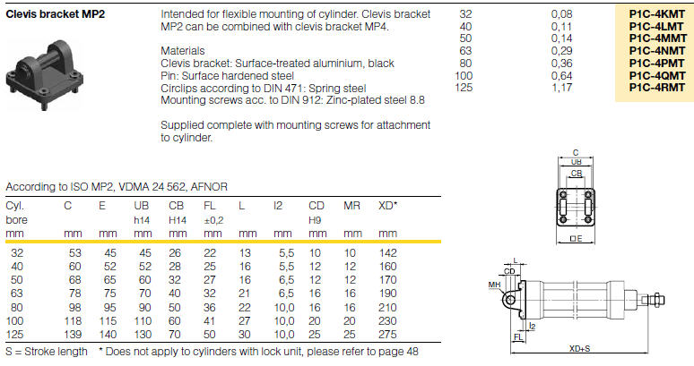

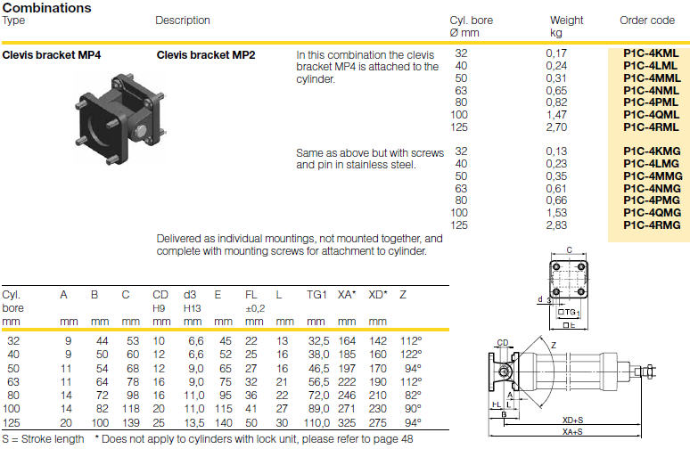

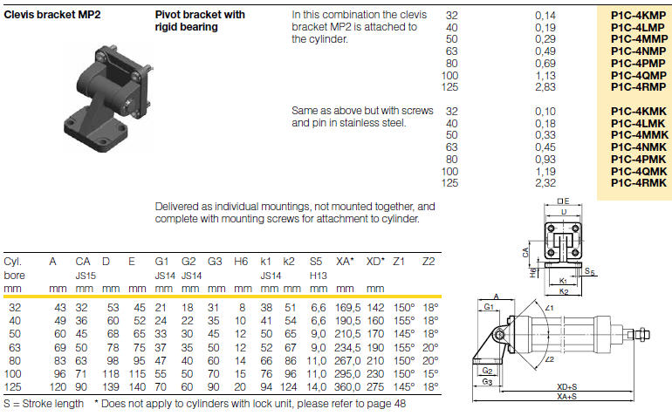

CAD FILES
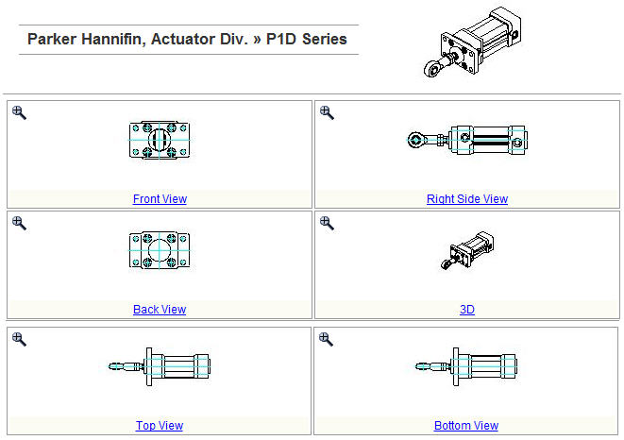

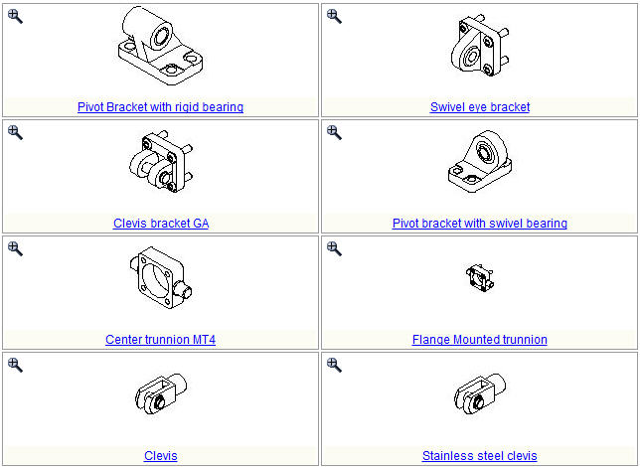

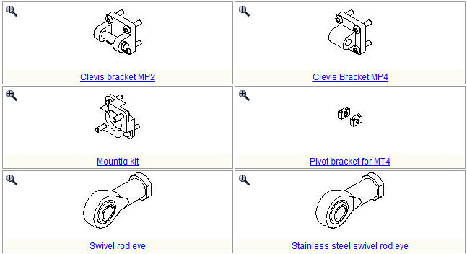

STEP-1 www.parker.com
STEP-2 QUICK LINKS
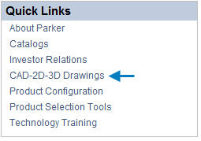
 |  | STEP-3 SEARCH BY PRODUCT
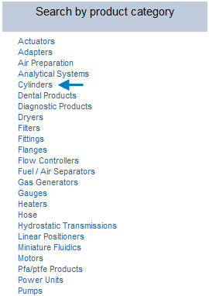

STEP-4 PNEUMATIC OR HYDRAULIC CYLINDERS
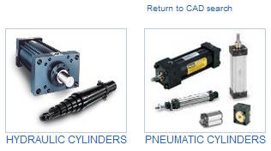

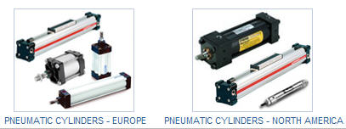

STEP-5 CYLINDER TYPE
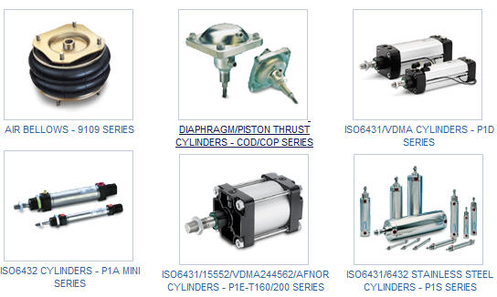

ISO6431/VDMA CYLINDERS - P1D SERIES
Dia 32 - 125mm Bore sizes to ISO/VDMA standards
Double acting for medium duty operation
Magnetic piston as standard
Non-lube operation
Adjustable end cushioning
High and low temperature versions
Clean version for Food Industry
Flexible porting
Complete range of mountings and sensor

END OF WORKSHEET

HYD CYLINDERS
Fluid Power Cylinders and Motors Spreadsheet Analysis |  |  |  |  | 5 PDH
© Copy Write John Andrew P.E. 21 Oct 2011

HYDRUALIC CYLINDERS
 | www.parker.com
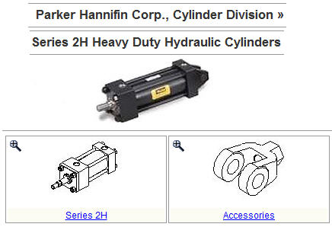

 |  | www.parker.com
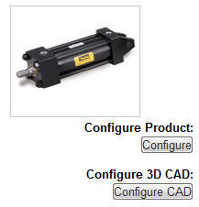

 |  | http://oem.cadregister.com/asp/PPOW_Entry.asp?company=parker&elementID=49461551/HYD/2H

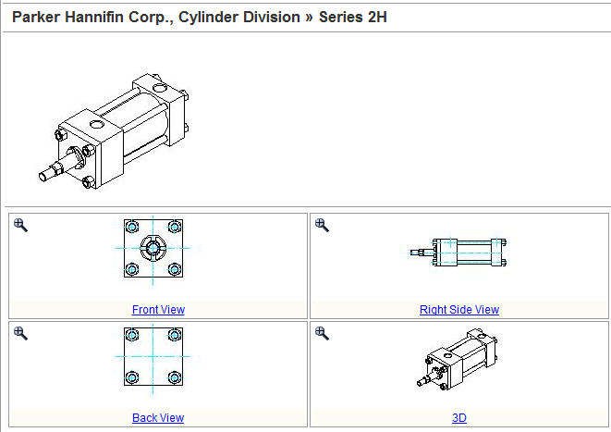

 | CYLINDER SELECTED |  | 2.50CT2HLT14Ax6.000
 |  |  | 2.50 in bore x 6.000 in stroke

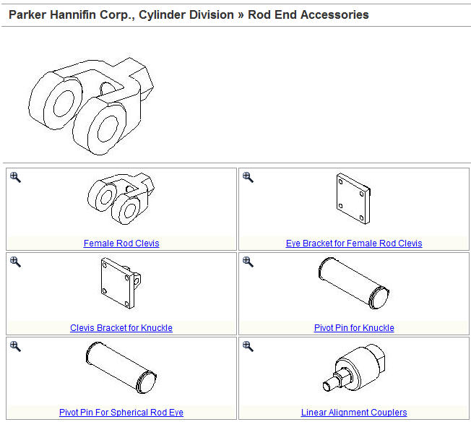

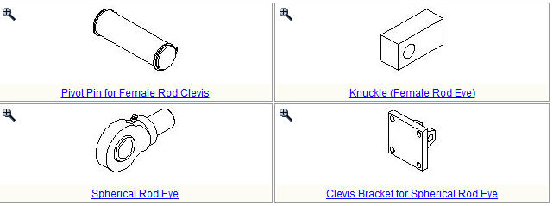

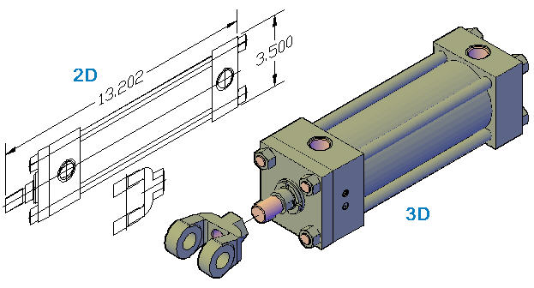

 |  |  | AutoCAD downloads 2D and 3D from:
 |  |  |  | www.parker.com

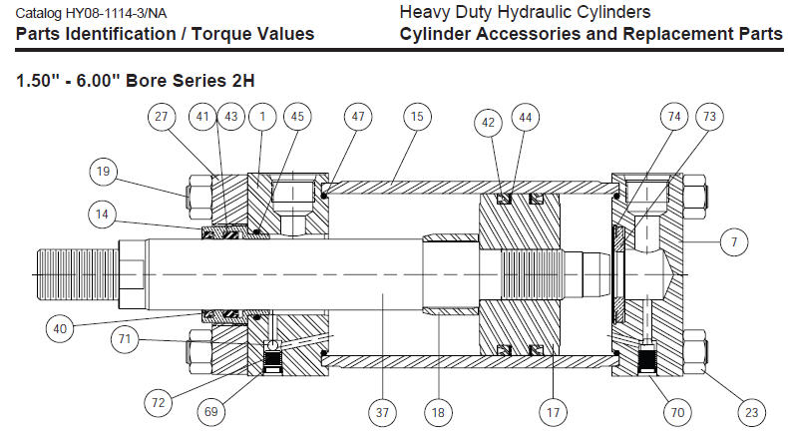

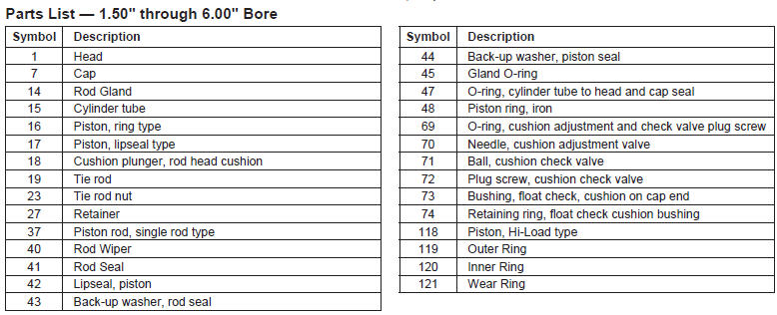

PARKER 2H HEAVY DUTY HYDRAULIC CYLINDERS
Features:
Construction: Steel, Tie rod design; Repairable
Standards: NFPA Heavy Duty Hydraulic, ANSI/(NFPA)T3.6.7R2-1996
Bore Size: 1 1/2" through 6"
Strokes: Available in any practical length
Piston Rod Diameter: 5/8" to 4"
Operating Medium: Hydraulic oil
Mounting Styles: 18 Standard
Nominal Pressure: 3000 psi (See catalog for details)
Standard Operating Temperature: -10°F to +165°F
Optional High Temperature Option: -10°F to 250°F
Rod Ends: Three standard choices; specials to order
Cushions: Optional at either or both ends
Ports: SAE "O" ring are standard, others are available

Additional Information:
Removable "Jewel" Rod Gland Assembly with TS-2000 rod seal
Double Lip Wiper seal
High Strength Tie Rods
Adjustable Floating Cushions
Heavy wall steel tubing cylinder body
Chrome plated, medium carbon steel, induction case hardened piston rod
Piston Rod Stud, high strength steel with rolled threads is furnished on smaller piston rods
One piece nodular iron piston
Step cut piston rings are standard piston seals. Lip seals with backup washers are also available.
Hi Load piston is available with wear rings and bronze-filled PTFE seals
End of stroke sensors

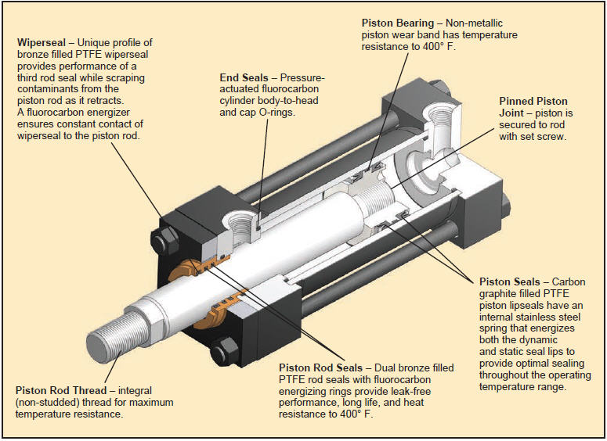

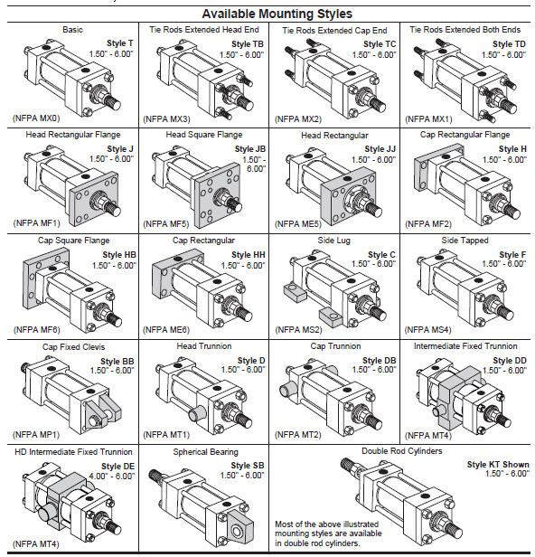

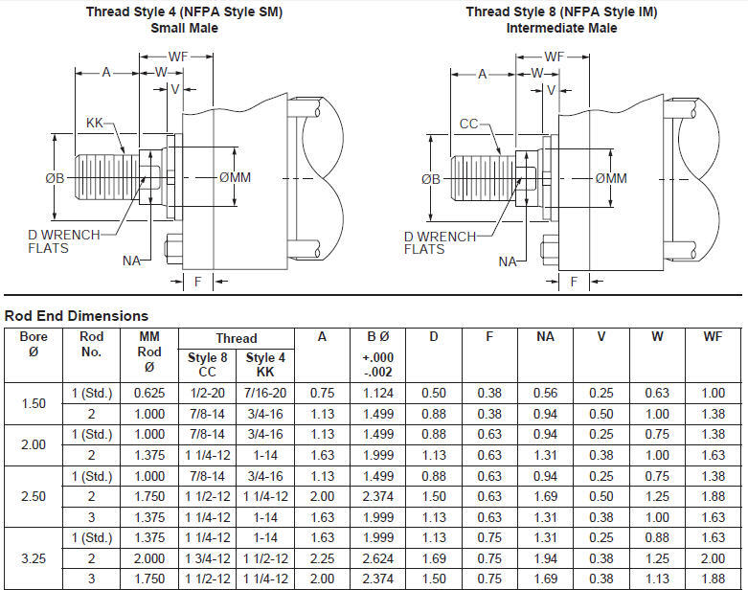

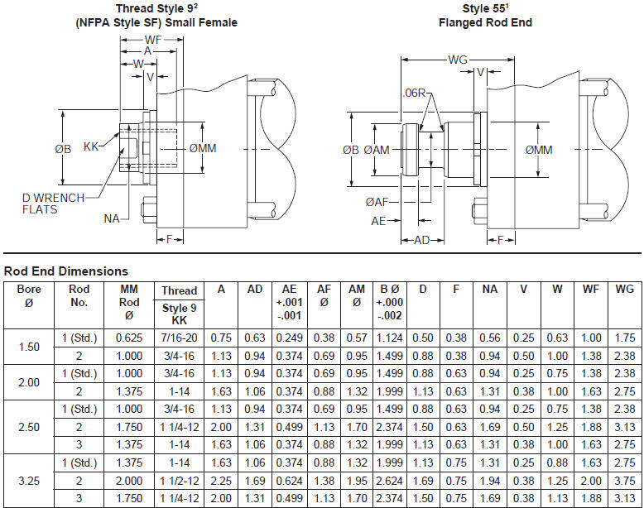

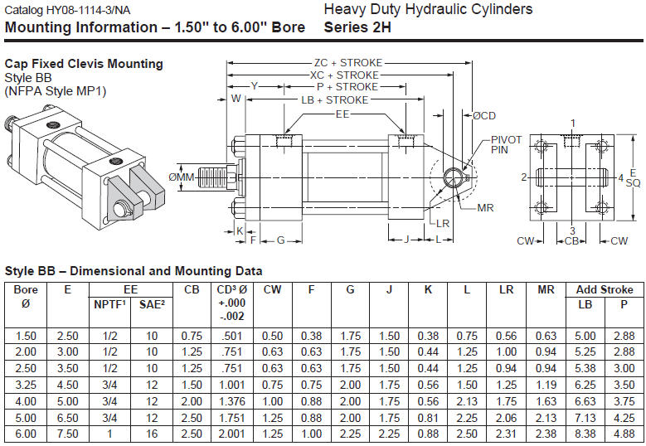

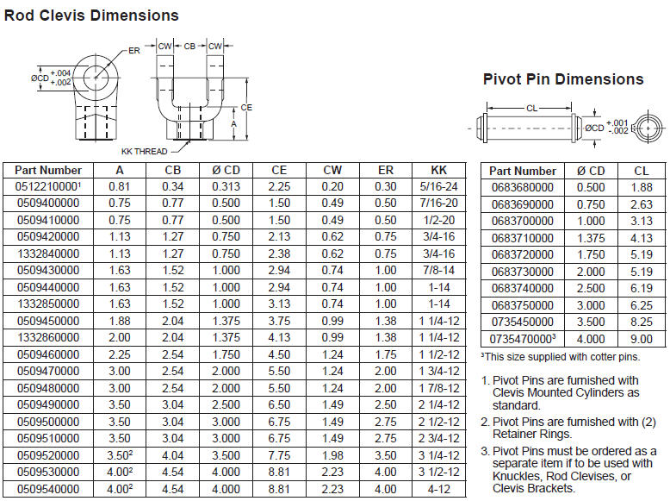

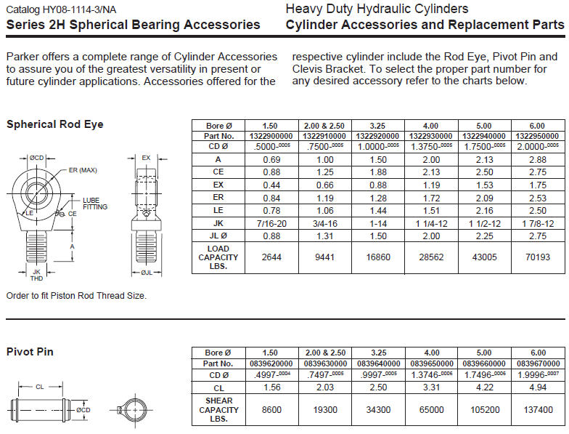

 |  | END OF WORKSHEET

VALVES
Fluid Power Cylinders and Motors Spreadsheet Analysis |  |  | 5 PDH
© Copy Write John Andrew P.E. 21 Oct 2011

COMPONENTS
STOCK PISTON ROD CYLINDERS
 | www.parker.com
HYDRAULIC VALVES
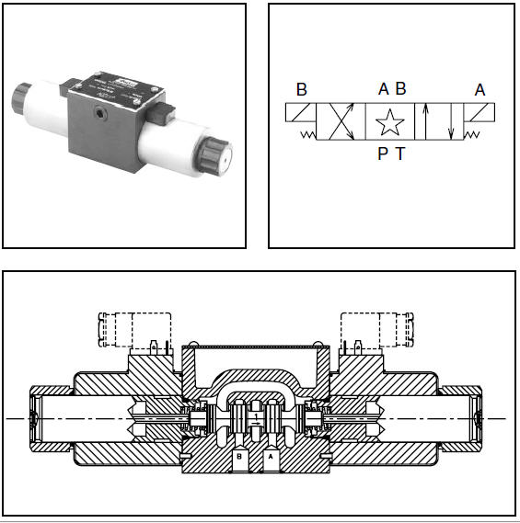

General Description
Series D3W directional control valves are
high-performance, 4-chamber, direct operated, wet
armature, solenoid controlled 3 or 4-way valves. They
are available in 2 or 3-position and conform to NFPA’s
D05, CETOP 5 mounting patterns.

Features
• Worldwide, high flow, low pressure drop design.
• Soft shift available.
• 22 spools available including proportional.
• DC surge suppression available to protect electrical
equipment.
• Three electrical connection options.
• AC & DC lights available.
• Easy access mounting bolts.
• Explosion proof availability.
• CSA approved.
• No tools required for coil removal.
• Rectified coils available for high flow AC applications.
Response Time (ms)
Signal to 95% spool stroke measured at
172 Bar (2500 PSI) and 75 LPM (20 GPM)
Solenoid Type Pull-In Drop-Out
AC Energize 10 21
AC De-energize 25 35
DC Energize 62 110
DC De-energize 58 85 Leakage Rates Maximum Allowable:
100 SSU @ 19.6 cc (0.38 Cu. in.) per Minute/
49°C (120°F) Land @ 69 Bar (1000 PSI)
35 cc (2.19 Cu. in.) per Minute/
Land @ 207 Bar (3000 PSI)*

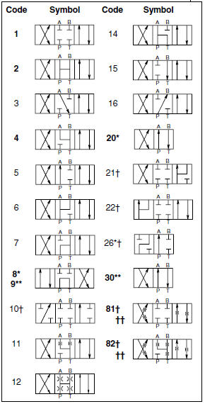
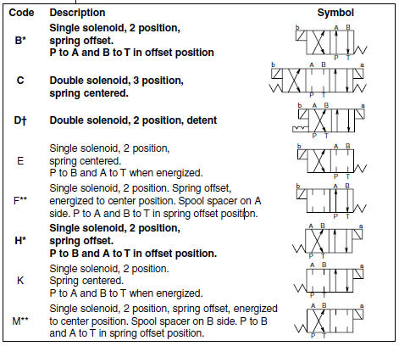

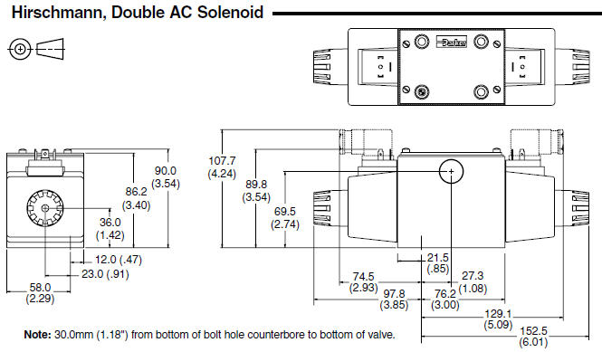

 |  | END OF WORKSHEET

COMPONENTS
Fluid Power Cylinders and Motors Spreadsheet Analysis |  | 5 PDH
© Copy Write John Andrew P.E. 21 Oct 2011

COMPONENTS
STOCK PISTON ROD CYLINDERS
www.parker.com

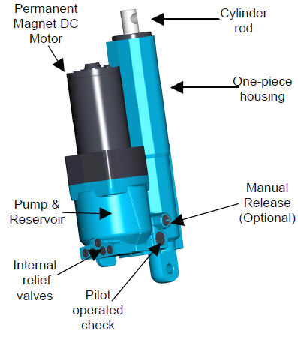
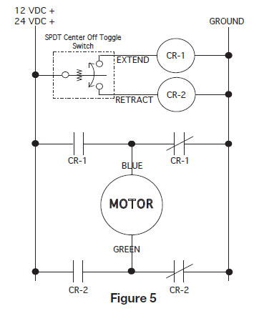

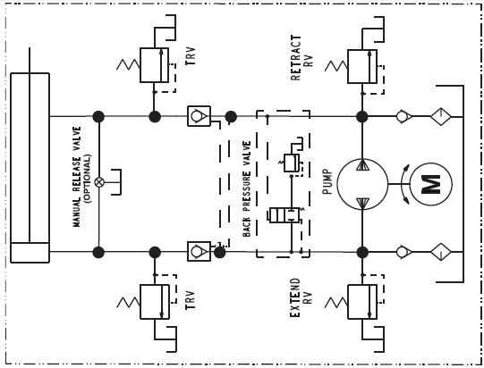
Parker Compact EHA (Electro-Hydraulic Actuator) manufactured by the Parker Hannifin Corporation, Oildyne Division. Base unit by stroke length:
102 mm (4 in) 2.1 kg (4.7 lbs)
152 mm (6 in) 2.8 kg (6.5 lbs)
203 mm (8 in) 3.5 kg (7.6 lbs)
Add for motor:
12 VDC or 24 VDC 245W +1.5 kg (3.3 lb)
12 VDC or 24 VDC 560W +2.0 kg (4.3 lb)
EHA is intended to be used for specific applications requiring actuation defined by the customer. Listed below are the acceptable operation parameters:
Maximum forces for actuator extend:
21,350 Nf (4,800 lbf) with gear pump
Maximum forces for actuator retract:
16,000 Nf (3,600 lbf)
Note: The maximum forces listed above are the highest forces available for an EHA unit. The maximum forces listed on your unit label will match the specific unit configured for your application.
Power range for intermittent duty:
12 or 24 VDC
.25 kW to .56 kW (.33 to .75 hp)
Operating temperature: -34°C to +65°C (-30°F to +150°F)
Storage temperature: -34°C to +93°C (-30°F to +200°F)
Maximum rate: 84 mm/sec (3.3 in/sec) at no load
EHA is intended for intermittent use only. It is not designed for continuous operation.

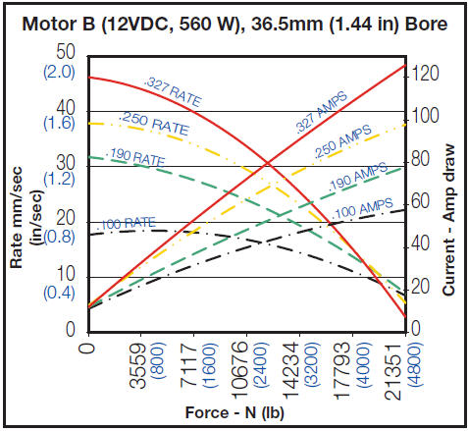

Parker Hannifin Corporation
Hydraulic Pump Division
Maryville, Ohio USA V-Pak style power units are ideal for many industrial applications. The space saving vertical style units are available with piston pumps and are designed for quiet and leak-free operation. Standard Parker filtration on each unit will help ensure a long service life.

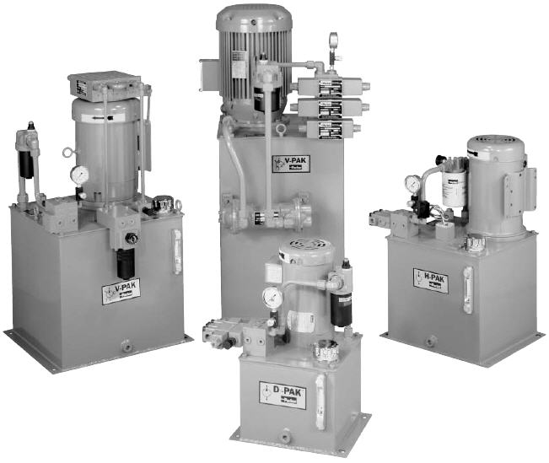

Features
Vertical Design
Submerged Pump
Spare return ports
Precision Pump Mounting Adapters
Suction Strainer
Glycerine Filled Pressure Gage with Shut Off
Oil Level Gage with Thermometer
Relief Valve
Breather and Fill Cap
SAE drain plug
Parker connector technology
Benefits
Saves floor space
Quieter operation, elimination of potential leak point
Longer pump life
Protects pump from contamination
Improved diagnostics
Helps to maintain trouble-free performance
Protects against system shock
Easy to fill reservoir
Prevents leaks

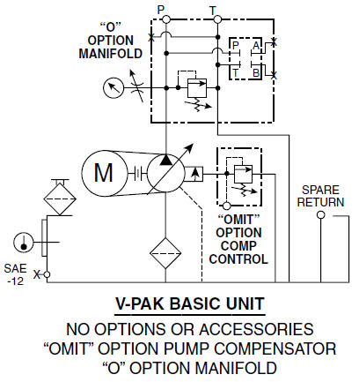
Unless otherwise specified, units are shipped at max. flow rate (29.5 LPM
(7.8 GPM)) at 1800 RPM. When reduced flow setting is required, specify
pump setting in .5 GPM increments. Example: 5, 5.5, 6, 6.5 with a 2 GPM
minimum flow.
If horsepower limiting pump (H) control is required to be de-stroked, utilize
the special ordering code X.
Example: V*5**-- = Std. Pump De-stroked to 5 GPM
V*A4.5**-- = Load Sense Pump Destroked to 4.5 GPM Electric motors are 208-230/460V, 60Hz, 3PH 1800 RPM. TEFC
consult factory for other motor speeds (RPM) and voltages.
** Use “W” prefix when no motor is required on unit. When
ordering, “W” must be followed by motor model code
equivalent to frame size of motor to be used.

 | END OF WORKSHEET

HYDRAULIC CIRCUITS
Fluid Power Cylinders and Motors Spreadsheet Analysis
© Copy Write John Andrew P.E. 21 Oct 2011 |  |  | 5 PDH

HYDRAULIC CIRCUITS

DOUBLE ACTING CYLINDER AND 4-WAY VALVE
A 4-way control valve, right, directs fluid to either the piston end of the rod end of the "double acting" cylinder. A "single acting" cylinder piston is returned with an internal spring as shown below.

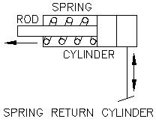

Normal Hydraulic Cylinder
US UNITS
 | Input
Cylinder pressure, P = | 318 | psig
Flow rate, Q = | 20.0 | gpm
Cylinder piston diameter, D = | 2.000 | in
Piston rod diameter, d = | 1.000 | in
...
= | 1,000 | lbs
= | 4,448 | N
Piston retracting force, F = | P*(A - a)
= | 750 | lbs
= | 3,336 | N
Piston speed, S = | Q*231 / A
= | 1470.6 | in/min
= | 122.55 | ft/min
= | 2.042 | ft/sec

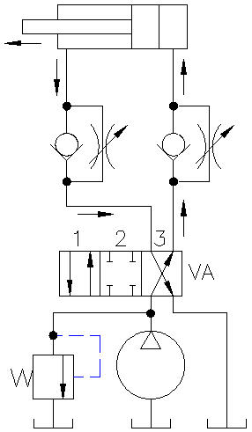
CYLINDER SPEED CONTROL
METER OUT SPEED CONTROL Cylinder speed extending and retracting is controlled by adjustable "meter out" flow control valves. The check valves allow flow in the upward direction only. Flow into the piston or rod end is unrestricted.

BASIC REGENERATIVE CIRCUIT

The basic regenerative circuit, right, may be used to increase the speed of extension but never retraction. Piston force is equal to the pressure acting on the rod area only until high pressure is reached. See below.

 | US UNITS
Regenerative Hydraulic Cylinder | Input
Cylinder pressure, P = | 1200 | psig
Flow rate, Q = | 8.0 | gpm
Cylinder piston diameter, D = | 10.000 | in
Piston rod diameter, d = | 7.000 | in
 | Calculate
Cylinder piston area, A = | π*D^2 / 4
...
Piston speed, S = | Q*231 / a
= | 48.0 | in/min
Fluid flow at piston end, Qp = | S*A
= | 3,771 | cu in/min
= | 16.33 | gpm
Fluid flow at rod end, Qr = | Qp - Q
= | 8.33 | gpm

REGENERATIVE CIRCUIT

Regenerative circuit, right, operation: Step-1 4-way valve VA is shifted to position 3. The cylinder starts to extend. Step-2 Fluid from the rod end of the cylinder passes through check valve VB and increases the flow to the piston end. Step-3 When fluid pressure increases pilot operated valve VD shifts allowing flow to reservoir. The cylinder now has full pressure on the piston. Step-4 Valve VA is shifted to position 1, cylinder retracts sending fluid to reservoir. Fluid passes through check valve VB to reservoir because pilot pressure drops ans the spring shifts valve VD.

OVER-RUN PROTECTION
The Counterbalance valve V2 prevents overrunning. When the directional control valveV1 sends fluid to extend the cylinder the load falls by gravity out of control. The Counterbalance valve V2 ensures that the directional control valve always sees a positive load. The load moves down in a smooth shockless way.

Counterbalance valves are available in 3:1, 4.5:1, and 10:1 operating ratios. The ratio determines the amount of pilot pressure required to open the counterbalance valve and allow the load to lower.

HI - LO ACCUMULATOR CIRCUIT

Hi - Lo Circuit The large AL and small AS accumulators above perform as a Hi - Lo pump circuit. Both accumulators are charged to full system pressure during rest cycles. When valve VB is shifted to position 3 the cylinder fluid from the large accumulator extends the cylinder rapidly. Fluid is trapped in the small accumulator at full pressure. Valve VB is a limit switch. When VB is actuated high pressure fluid from small accumulator VB holds the cylinder. This high pressure closes check valve VD allowing the pump to recharge large accumulator AL during the holding period. Unloading valve VA will return fluid to reservoir at a preset pressure.

END OF WORKSHEET

