INTRODUCTION
M424 HVAC SPREADSHEET

Some advantages of spreadsheet calculations over hand written include:
1. easier to read.
2. quickly recalled from archives.
3. greater accuracy.
4. faster with repeat use.
5. graphs are created automatically.
6. numerous useful formulas.
7. "Goal Seek" enables optimization. 8. calculations and graphs may be pasted into documents and slide show presentations.
INTRODUCTION
 |  |  |  |  |  | John Andrew LLC
 |  |  |  |  |  | Copyright © 12/7/2022
DISCLAIMER: The materials contained in the online course are not intended as a representation or warranty on the part of John Andrew LLC or any other person/organization named herein. The materials are for general information only. They are not a substitute for competent professional advice. Application of this information to a specific project should be reviewed by a registered professional engineer. Anyone making use of the information set forth herein does so at their own risk and assumes any and all resulting liability arising therefrom.

Excel Workbook - new version
When using Excel's Goal Seek, unprotect the spread
sheet by selecting: Drop down menu: Format >
Unprotect Sheet > OK. When Excel's |  |  |  |  |  | CONTENTS | Link
Goal Seek is not needed, restore protection with: |  |  |  |  | 1 | COOLING | COOLING
Drop down menu: Format > Protect Sheet. |  |  |  |  | 2 | COOLING LOAD | COOLING LOAD
 |  |  |  |  | 3 | HEATING | HEATING
Excel-97 2003 - old version |  |  |  |  | 4 | PROBLEM SOLVER | PROBLEM SOLVER
When using Excel's Goal Seek, unprotect the spread |  |  |  |  | 5 | DUCTING | DUCTING
sheet by selecting: Drop down menu: Tools > |  |  |  |  | 6 | DEGREE DAYS | DEGREE DAYS
Protection > Unprotect Sheet > OK. When Excel's |  |  |  |  | 7 | UNITS | UNITS
Goal Seek is not needed, restore protection with: |  |  |  |  | 8 | MATH TOOLS | MATH TOOLS
Drop down menu: Format > Protect Sheet.

SPREADSHEET METHOD
1. Type in values for the input data.
2. Answer: X = will be calculated.

SEE "MATH TOOLS" TAB BELOW FOR MORE

USE THIS RECTANGULAR TO ROUND DUCT CALCULATOR
1. Input values for W & H and the spreadsheet will make the calculations
 |  |  | Input
 |  | Duct width, W = | 28.0 | in
 |  | Duct height, H = | 16.0 | in
 |  |  | Calculate
 |  | Equivalent round duct diameter, D = | 1.30*((W*H)^0.625 / (W + H)^0.25)
 |  | = | 23 | in dia

EXAMPLE ONLY USE "PROBLEM" BELOW FOR OTHER VALUES OF W OR H
2. Input values for W & H and Excel's "GOAL SEEK" will optimize the calculations.
 |  |  | Input
 |  | Duct width, W = | 28.0 | in
 |  | Duct height, H = | 17.5 | in
 |  |  | Calculate
 |  | Equivalent round duct diameter, D = | 1.30*((W*H)^0.625 / (W + H)^0.25)
 |  | = | 24 | in dia
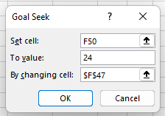

A. Menu: Data > What If > Goal Seek
B. Select cell Q50 containing a formula.
C. type "To value" the desired value in cell Q50.
D. "By changing cell:" select cell Q47 > OK.

USE THIS GOAL SEEK PROBLEM
3. Input values for W & H and Excel's "GOAL SEEK" will optimize the calculations.
 |  |  | Input
 |  | Duct width, W = | 28.0 | in
 |  | Duct height, H = | 16.0 | in
 |  |  | Calculate
 |  | Equivalent round duct diameter, D = | 1.30*((W*H)^0.625 / (W + H)^0.25)
 |  | = | 23 | in dia

A. Menu: Data > What If > Goal Seek
B. Select cell Q50 containing a formula.
C. type "To value" the desired value in cell Q50.
D. "By changing cell:" select cell Q47 > OK.
AIR CONDITIONING AND PSYCHROMETRICS
Heat, ventilating and cooling calculations determine equipment capacity necessary to maintain a desirable environment in buildings in the United State's range of climates.
If the sizing is wrong problems such as insufficient cooling, insufficient moisture removal, and unnecessarily high electricity and gas bills. -
Use of the psychrometric chart will determine the volume flow rates of air to be pushed into the ducting system and the sizing of the major system components.
The goal of air conditioning processes is to provide sufficient amount of fresh air at desirable temperature and humidity.
Outside air is taken in and must undergo one or several of the following processes:
TEMPERATURE AND HUMIDITY CONTROL OF COOLING AND HEATING

Related web links:
HVAC TERMINOLOGY
http://www.ageng.ndsu.nodak.edu/envr/psyc/2.HTM

HVAC COOK BOOK
http://www.scribd.com/doc/7267863/HVAC-Engineering-Cookbook

 | END OF SECTION

COOLING_
M424 HVAC SPREADSHEET
 |  |  |  |  |  |  |  |  |  | METRIC PSYCHROMETRIC CHART
 |  |  |  |  |  |  |  |  |  | http://www.humiditycontrol.co.uk/chart.pdf
SUMMER COOLING LOAD CALCULATION

Download free the VENMAR CES psychrometric chart software at:
 |  | http://www.handsdownsoftware.com/Downloads.htm |  |  |  |  |  |  |  | 1. Type in values for the input data.
 |  |  |  |  |  |  |  |  |  | 2. Answer: X = will be calculated.
This psychometric chart complies with the 2005 ASHRAE Handbook.
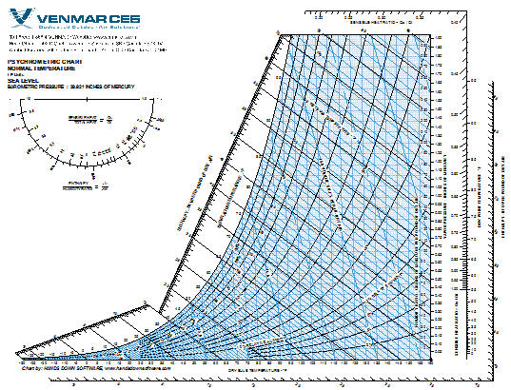
 |  |  |  |  |  |  |  |  |  | Convert Temperature |  |  | Input
 |  |  |  |  |  |  |  |  |  |  |  | Temperature (metric), T = | 22.0 | deg C
 |  |  |  |  |  |  |  |  |  |  |  |  | Calculate
 |  |  |  |  |  |  |  |  |  |  |  | Temperature (US unit), T = | (9*deg C/5) + 32
 |  |  |  |  |  |  |  |  |  |  |  | = | 71.6 | deg F

 |  |  |  |  |  |  |  |  |  | Convert Enthalpy |  |  | Input
 |  |  |  |  |  |  |  |  |  |  |  | Enthalpy (metric), H = | 85.0 | kJ/kg
 |  |  |  |  |  |  |  |  |  |  |  |  | Calculate
 |  |  |  |  |  |  |  |  |  |  |  | Enthalpy (US unit), H = | H*0.4299
 |  |  |  |  |  |  |  |  |  |  |  | = | 36.54 | Btu/lb

 |  |  |  |  |  |  |  |  |  | Total Cooling Load = Sensible + Latent Cooling Loads

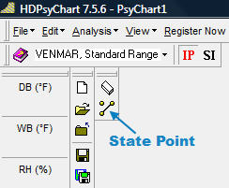
 |  | http://www.handsdownsoftware.com/Downloads.htm |  |  |  |  |  |  |  | Sensible Cooling Loads
Step-1 | Open the above VENMAR CES psychrometric chart software. |  |  |  |  |  |  |  |  | 1. External heat gain conducted into the building interior.
 |  |  |  |  |  |  |  |  |  | 2. Solar heat gain radiation through windows
 |  |  |  |  |  |  |  |  |  | 3. Internal heat gains from: occupants, lights, appliances, and machinery.
 |  |  |  |  |  |  |  |  |  | 4. Heat gain from ventilation and outside air infiltration.
 |  |  |  |  | IP = Imperial Units
 |  |  |  |  | SI = Metric Units |  |  |  |  | Latent Cooling Loads
 |  |  |  |  |  |  |  |  |  | 5. People breathing.
 |  |  |  |  |  |  |  |  |  | 6. Cooking equipment.
 |  |  |  |  |  |  |  |  |  | 7. Janitorial floor cleaning, etc.
 |  |  |  |  |  |  |  |  |  | 8. Processes that cause water to evaporate.
 |  |  |  |  |  |  |  |  |  | 9. Heat gain from ventilation and outside air infiltration.

Step-2 | Right mouse click on the "State Point" icon. |  |  |  |  |  |  |  |  | Sensible Cooling Loads
 |  |  |  |  |  |  |  |  |  | 1. Roofs, External Walls, Conduction Through Glass
 |  |  |  |  |  |  |  |  |  | External heat gain conducted into the building interior.
 |  |  |  |  |  |  |  |  |  | External Walls, External Windows and Roofs,
 |  |  |  |  |  |  |  |  |  | See ASHRE Fundamentals 1997 Chapter 24 and 28.
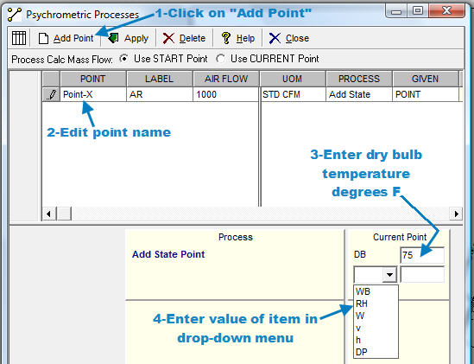
STANDARD EDITION
The VenmarCES Psychrometric Chart and Analysis STANDARD EDITION is FREE for download for you without any distribution or pc installation limits.
The program utilizes the classic VenmarCES Psychrometric Chart and allows for plotting of state points, cooling coil process modeling and connection of any two state points desired.
Venmare CES HDPsyChart operates on any PC with Windows 2000, XP, Vista or Windows-7 operating systems.
Operation of the program is simple point and click, providing an easy-to-use program performing high level detailed process energy and psychrometric analysis.
http://www.handsdownsoftware.com/Downloads.htm

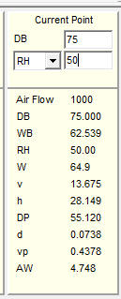
Step-3 | Follow directions given above to add a point on the psychrometric chart.
 | Point-X

 |  |  | Air Flow: cu ft/min
 |  |  | DB = | Dry Bulb temperature: deg F |  |  |  |  |  | Link to free software
 |  |  | WB = | Wet Bulb temperature: deg F |  |  |  |  |  | http://www.handsdownsoftware.com/Downloads.htm
 |  |  | RH = | Relative Humidity: grains/lb H2O in air
 |  |  | W = | Humidity Ratio: grains water/lb dry air
 |  |  | v = | specific Volume: cu ft/lb of air
 |  |  | h = | enthalpy: Btu/lb |  |  |  |  |  | Link to free software
 |  |  | DP = | Dew Point temperature: deg F |  |  |  |  |  | http://www.handsdownsoftware.com/Downloads.htm
 |  |  | d = | air density: lb/cu ft
 |  |  | vp = | vapor pressure: in/Hg
 |  |  | AW = | Absolute Humidity grains/cu ft air

Step-4 | The parameters above will be calculated in Step-3 above by the software.
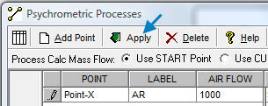

Step-5 | Click "Apply" to add the point to the chart.

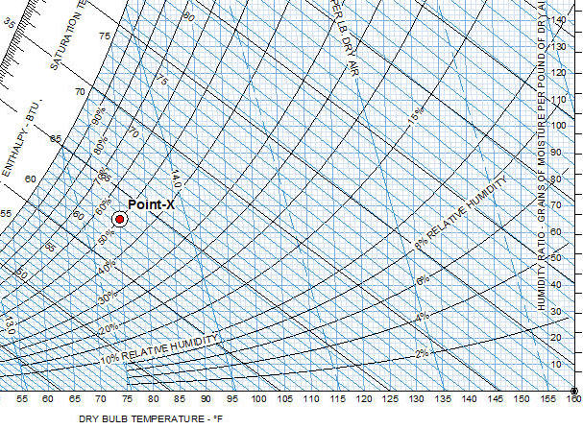

Step-6 | The point has been added.
Step-7 | After adding all points, print the chart and draw process lines as described below.

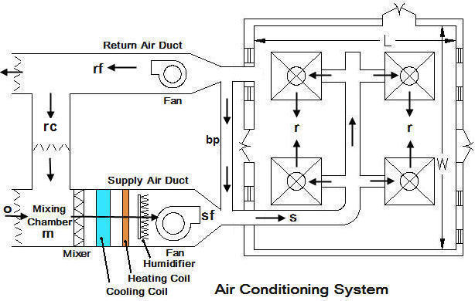

m = | mixing return air with outside air |  |  |  | rc = | recirculation
cc = | leaving cooling coil condition |  |  |  | bp = | bypass condition
ch = | leaving heating coil condition |  |  |  | o = | outside design condition
hh = | leaving humidifier condition |  |  |  | r = | inside design condition
sf = | leaving supply fan condition |  |  |  | s = | supply condition
rf = | leaving return fan condition
The ASHRAE fundamentals handbook for summer and winter comfort zones recommended indoor temperature and relative humidity are:
- 1) Summer: 73 to 79°F; The load calculations are usually based at 75ºF dry bulb temperatures & 50% relative humidity -
2) Winter: 70 to 72°F dry bulb temperatures, 20 - 30 % relative humidity.

Example Only - Single Room Cooling (Use Problem Left >> |  |  |  |  |  |  |  |  | Problem - Single Room Cooling
Click "Cooling Load" tab below for more information |  |  |  |  |  | Input |  |  | Click "Cooling Load" tab below for more information |  |  |  |  |  | Input
 |  |  |  |  | Condition room floor length, Lr = | 50 | ft |  |  |  |  |  |  | Condition room floor length, Lr = | 50 | ft
 |  |  |  |  | Condition room floor width, Wr = | 30 | ft |  |  |  |  |  |  | Condition room floor width, Wr = | 30 | ft
 |  |  |  |  | Condition room floor to ceiling height, Hr = | 16 | ft |  |  |  |  |  |  | Condition room floor to ceiling height, Hr = | 16 | ft
 |  |  |  |  | Sensible cooling load: occupants + machines, Qs = | 50,000 | Btu/hr |  |  |  |  |  |  | Sensible cooling load: occupants + machines, Qs = | 50,000 | Btu/hr
 |  |  |  |  | Latent cooling load from occupants + machines, QL = | 8,000 | Btu/hr |  |  |  |  |  |  | Latent cooling load from occupants + machines, QL = | 8,000 | Btu/hr
 |  |  |  |  | Design indoor dry bulb temperature, Ta = | 75.0 | deg F DB |  |  |  |  |  |  | Design indoor dry bulb temperature, Ta = | 75.0 | deg F DB
 |  |  |  |  | Design indoor relative humidity, RHa = | 50% | deg F |  |  |  |  |  |  | Design indoor relative humidity, RHa = | 50% | deg F
 |  |  |  |  | Outdoor dry bulb temperature, Tb = | 95.0 | deg F DB |  |  |  |  |  |  | Outdoor dry bulb temperature, Tb = | 95.0 | deg F DB
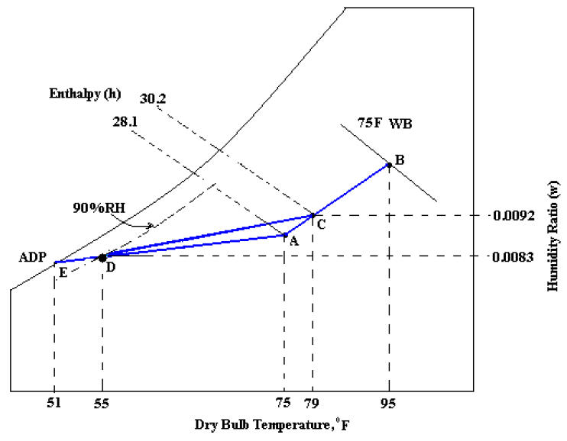
 |  |  |  |  | Outdoor wet bulb temperature, Tbw = | 75.0 | deg F WB |  |  |  |  |  |  | Outdoor wet bulb temperature, Tbw = | 75.0 | deg F WB
 |  |  |  |  | Room supply air temperature rise, ΔT = Ta - Td = | 20 | deg F DB |  |  |  |  |  |  | Room supply air temperature rise, ΔT = Ta - Td = | 20 | deg F DB
 |  |  |  |  | Guess bypass air flow rate, Vbp = | 300 | cfm |  |  |  |  |  |  | Guess bypass air flow rate, Vbp = | 300 | cfm
Input values from Venmar Chart software as described above.
Input values from Venmar Chart software as described above.
Psychometric Chart Points A & B |  |  |  |  |  |  |  |  | Psychometric Chart Points A & B
 |  | Venmar Psychometric Chart Free Software |  |  |  |  |  |  |  |  | Venmar Psychometric Chart Free Software
 | POINT-A |  |  |  | POINT-B
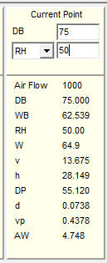
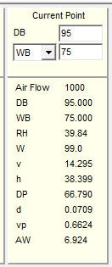
 |  |  | Input |  |  |  | Input |  |  |  | POINT-A | Input |  |  | POINT-B | Input
 |  | Ta = | 75 | deg F DB |  | Tb = | 95 | deg F DB |  |  | Ta = | 7 | deg F DB |  | Tb = | 95 | deg F DB
 |  | RHa = | 50 | % |  | WB = | 75 | deg F WB |  |  | RHa = | 50 | % |  | WB = | 75 | deg F WB

 |  |  | Mixture humidity ratio |  |  |  | Mixture humidity ratio |  |  |  |  | Mixture humidity ratio |  |  |  | Mixture humidity ratio
 |  |  | Input |  |  |  | Input |  |  |  |  | Input |  |  |  | Input
 |  | Wa = | 64.9 | grains/lb |  | Wb = | 99.0 | grains/lb |  |  | Wa = | 64.9 | grains/lb |  | Wb = | 99.0 | grains/lb

 |  | POINT-A | = Room Design Condition |  |  |  |  |  |  |  | POINT-A | = Room Design Condition
 |  | Enter Venmar new point: DB=Ta=75 & RH=50 |  |  |  |  |  |  |  |  | Enter Venmar new point: DB=Ta=? & RH=?
 |  | POINT-B | = Outdoor Air Condition |  |  |  |  |  |  |  | POINT-B | = Outdoor Air Condition
 |  | Enter Venmar new point: DB=Tb=95 & WB=75 |  |  |  |  |  |  |  |  | Enter Venmar new point: DB=Tb=? & WB=?
Cooling Load Psychrometric Chart |  |  |  |  |  |  |  |  | Cooling Load Psychrometric Chart
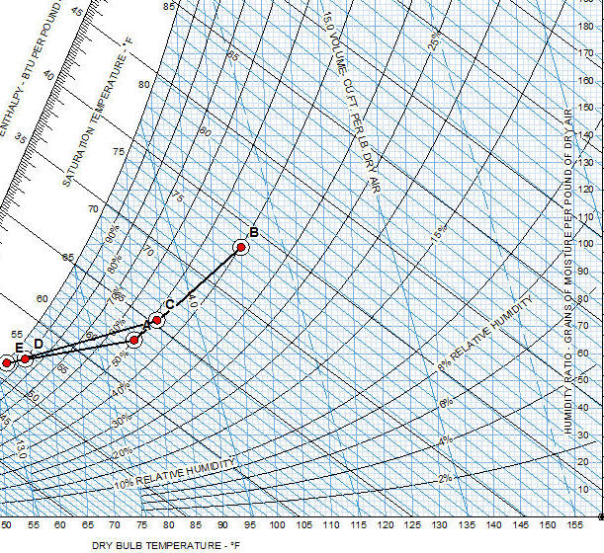
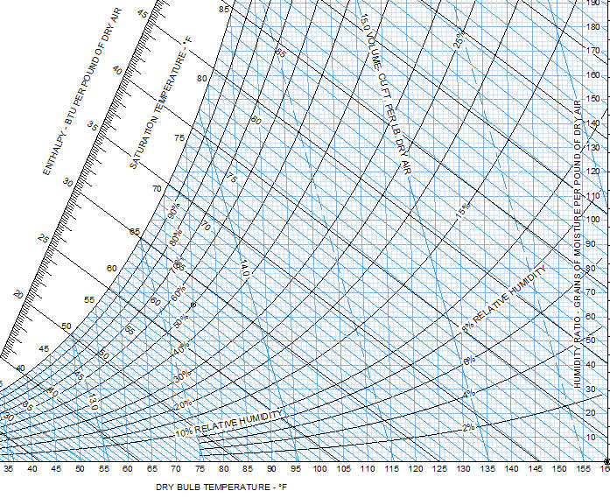

A | Room Design Condition |  |  | Given |  |  |  |  | A | Room Design Condition |  |  | Given
B | Outdoor Air Condition |  |  | Given |  |  |  |  | B | Outdoor Air Condition |  |  | Given
C | Mixed Air Condition |  |  | Calculate Tc & Wc |  |  |  |  | C | Mixed Air Condition |  |  | Calculate Tc & Wc
D | Supply Air Condition |  |  | Calculate Td = Ta - ΔT & given RH = 90% |  |  |  |  | D | Supply Air Condition |  |  | Calculate Td = Ta - ΔT & given RH = 90%
E | Apparatus Dew Point |  |  | Extend line AD to E (RH = 100%) and read Te |  |  |  |  | E | Apparatus Dew Point |  |  | Extend line AD to E (RH = 100%) and read Te

Plot above points A to E on the "Venmar" chart |  |  |  |  |  | Chart |  |  | Plot above points A to E on the "Venmar" chart |  |  |  |  |  | Chart
 |  |  |  |  | Plot chart point A | Ta,Wa | shown above |  |  |  |  |  |  | Plot chart point A | Ta,Wa | shown above
 |  |  |  |  | Plot chart point B | Tb,Wb | shown above |  |  |  |  |  |  | Plot chart point B | Tb,Wb | shown above
 |  |  |  |  |  | Calculate |  |  |  |  |  |  |  |  | Calculate
 |  |  |  |  | From Venmar Psychometric Chart, Wa = | 64.9 | grains/lb |  |  |  |  |  |  | From Venmar Psychometric Chart, Wa = | 64.9 | grains/lb
 |  |  |  |  | = | 0.00927 | lb/lb |  |  |  |  |  |  | = | 0.00927 | lb/lb
 |  |  |  |  | From Venmar Psychometric Chart, Wb = | 99.0 | grains/lb |  |  |  |  |  |  | From Venmar Psychometric Chart, Wb = | 99.0 | grains/lb
 |  |  |  |  | = | 0.0141 | lb/lb |  |  |  |  |  |  | = | 0.0141 | lb/lb
 |  |  |  |  | Mixture temperature, Tc = | (Vbp/Vs)*(Tb - Ta) + Ta |  |  |  |  |  |  |  | Mixture temperature, Tc = | (Vbp/Vs)*(Tb - Ta) + Ta
 |  |  |  |  | = | 77.6 | deg F DB |  |  |  |  |  |  | = | 77.6 | deg F DB
 |  |  |  |  | Mixture humidity ratio, Wc = | Wa + (Wb - Wa)*(Tc - Ta)/(Tb - Ta) |  |  |  |  |  |  |  | Mixture humidity ratio, Wc = | Wa + (Wb - Wa)*(Tc - Ta)/(Tb - Ta)
 |  |  |  |  | = | 69.32 | grain/lb |  |  |  |  |  |  | = | 69.32 | grain/lb
 |  |  |  |  | = | 0.0099 | lb/lb |  |  |  |  |  |  | = | 0.0099 | lb/lb

Psychometric Chart Point C |  |  |  | Enter Venmar new point: DB=Tc=79.3 & W=72.27 |  |  |  |  | Psychometric Chart Point C |  |  |  | Enter Venmar new point: DB=Tc=79.3 & W=72.27
 |  | POINT-C | = Mixed Air Condition |  |  |  |  |  |  |  | POINT-C | = Mixed Air Condition
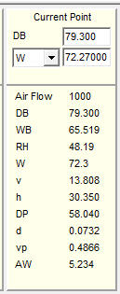
Input values from Venmar Chart software as described above.
Input values from Venmar Chart software as described above.
 |  |  |  |  | Input |  |  |  |  |  |  |  |  | Input
 |  |  |  | Tc = | 77.6 | deg F DB |  |  |  |  |  |  | Tc = | 77.6 | deg F DB
 |  |  |  | Wc = | 69.32 | grains/lb |  |  |  |  |  |  | Wc = | 69.32 | grains/lb

 |  |  |  |  |  | Chart |  |  |  |  |  |  |  |  | Chart
 |  |  |  |  | Plot chart point C | Tc, Wc | see above chart |  |  |  |  |  |  | Plot chart point C | Tc, Wc | see above chart

Psychometric Chart Point D |  |  |  |  |  |  |  |  | Psychometric Chart Point D
 |  |  |  | Room supply air temperature point D, Td = | Ta - ΔT |  |  |  |  |  |  |  | Room supply air temperature point D, Td = | Ta - ΔT
 |  |  |  | = | 55.0 | deg F |  |  |  |  |  |  | = | 55.0 | deg F
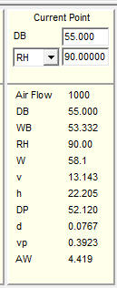
 |  | POINT-D | Enter Venmar new point: DB=Td=55 & RH = 90% |  |  |  |  |  |  |  | POINT-D | Enter Venmar new point: DB=Td=? & WB=?
 |  |  |  |  | Input |  |  |  |  |  |  |  |  | Input
 |  |  |  | Td = | 55 | deg F DB |  |  |  |  |  |  | Td = | 55 | deg F DB
 |  |  |  | RHd = | 90% |  |  |  |  |  |  |  | RHd = | 90% | grains/lb

 |  |  |  | Wd = | 58.1 | grain/lb |  |  |  |  |  |  | Wd = | 58.1 | grain/lb

 |  |  |  | Hd = | 22.21 | Btu/lb |  |  |  |  |  |  | Hd = | 22.21 | Btu/lb

ΔW = Latent load/(Air flow cfm x 60 min/hr x 0.075 lb/cu ft x 1059 Btu/lb latent heat at 60 deg F |  |  |  |  |  |  |  |  | ΔW = Latent load/(Air flow cfm x 60 min/hr x 0.075 lb/cu ft x 1059 Btu/lb latent heat at 60 deg F
 |  |  |  |  | Specific humidity differential, ΔW = | QL / (Vsf*60*0.075*1059) |  |  |  |  |  |  |  | Specific humidity differential, ΔW = | QL / (Vsf*60*0.075*1059)
 |  |  |  |  | = | 0.000863 | lb/lb |  |  |  |  |  |  | = | 0.000863 | lb/lb
 |  |  |  |  | Point D Approximate Humidity Ratio, Wd' = | Wa - ΔW |  |  |  |  |  |  |  | Point D Approximate Humidity Ratio, Wd' = | Wa - ΔW
 |  |  |  |  | = | 0.00841 | lb/lb |  |  |  |  |  |  | = | 0.00841 | lb/lb
 |  |  |  |  | = | 58.9 | grain/lb |  |  |  |  |  |  | = | 58.9
 |  |  |  |  |  | Chart |  |  |  |  |  |  |  |  | Chart
 |  |  |  |  | Normal supply air DB, Td = | 55 | deg F DB | see right > |  |  |  |  |  | Normal supply air DB, Td = | 55 | deg F DB | see right >
 |  |  |  |  | Normal supply air WB, Tdwb = | 53.3 | deg F WB |  |  |  |  |  |  | Normal supply air WB, Tdwb = | 53.3 | deg F WB
 |  |  |  |  | Venmar chart, Hd = | 22.19 | Btu/lb |  |  |  |  |  |  | Venmar chart, Hd = | 22.19 | Btu/lb
 |  |  |  |  | Venmar chart, RH = | 89.8 |  |  |  |  |  |  |  | Venmar chart, RH = | 89.8
 |  |  |  |  | Venmar chart, Gd = | 57.9 | grain/lb |  |  |  |  |  |  | Venmar chart, Gd = | 57.9 | grain/lb
 |  |  |  |  | Point D Exact Humidity Ratio, Wd = | 0.00827 | lb/lb |  |  |  |  |  |  | Point D Exact Humidity Ratio, Wd = | 0.00827 | lb/lb

Psychometric Chart Point E |  |  |  |  |  |  |  |  | Psychometric Chart Point E
E = On the chart extend line AD to E at the saturation line and read Te = 52.2 |  |  |  |  |  |  |  |  | E = On the chart extend line AD to E at the saturation line and read Te = ?
 |  | POINT-E | Enter Venmar chart point: DB=Te=52.2 & RH = 100% |  |  |  |  |  |  |  | POINT-E | Enter Venmar chart point: DB=Te=? & RH = ?%
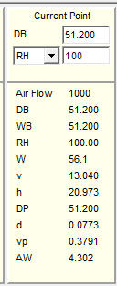
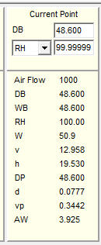
 |  |  |  |  | Input |  |  |  |  |  |  |  |  | Input
 |  |  |  | Te = | 51.2 | deg F |  |  |  |  |  |  | Te = | 51.2 | deg F
 |  |  |  | RH = | 100 | grains/lb |  |  |  |  |  |  | RH = | 100 | grains/lb

 |  |  |  | We = | 56.1 | grain/lb |  |  |  |  |  |  | We = | 56.1 | grain/lb

Project line AD to dew point E and read Te on the chart |  |  |  |  |  |  |  |  | Project line AD to dew point E and read Te on the chart
 |  |  |  |  |  | Calculate |  |  |  |  |  |  |  |  | Calculate
 |  |  |  |  | System bypass factor, BF = | (Td - Te)/(Ta - Te) |  |  |  |  |  |  |  | System bypass factor, BF = | (Td - Te)/(Ta - Te)
 |  |  |  |  | = | 0.160 | fraction |  |  |  |  |  |  | = | 0.160 | fraction
Total supply air volume flow (Vs) is based on the sensible heat load (Qs) and (ΔT) only. |  |  |  |  |  |  |  |  | Total supply air volume flow (Vs) is based on the sensible heat load (Qs) and (ΔT) only.
 |  |  |  |  | Total air flow rate into room, Vs = | Qs / (1.08*(Tb -Ta)) |  |  |  |  |  |  |  | Total air flow rate into room, Vs = | Qs / (1.08*(Tb -Ta))
 |  |  |  |  | = | 2,315 | cfm |  |  |  |  |  |  | = | 2,315 | cfm
 |  |  |  |  | Room volume, Rvol = | L*W*H |  |  |  |  |  |  |  | Room volume, Rvol = | L*W*H
 |  |  |  |  | = | 24,000 | cu ft |  |  |  |  |  |  | = | 24,000 | cu ft
 |  |  |  |  | System bypass air flow, Vbp = | BF*Vs |  |  |  |  |  |  |  | System bypass air flow, Vbp = | BF*Vs
 |  |  |  |  | = | 370 | cfm |  |  |  |  |  |  | = | 370 | cfm
 |  |  |  |  | Air conditioner fan air flow, Vsf = | Vs - Vbp |  |  |  |  |  |  |  | Air conditioner fan air flow, Vsf = | Vs - Vbp
 |  |  |  |  | = | 1,945 | cfm |  |  |  |  |  |  | = | 1,945 | cfm
Ventilation Rates |  |  |  |  |  |  |  |  | Ventilation Rates
Rest rooms = 2 cfm/sq ft of floor |  |  |  | Hazardous areas = 6 to 10 cfm/sq ft of floor |  |  |  |  | Rest rooms = 2 cfm/sq ft of floor |  |  |  | Hazardous areas = 6 to 10 cfm/sq ft of floor
 |  |  |  |  | Ventilation rate, VR = | Vsf / (Lr*Wr) |  |  |  |  |  |  |  | Ventilation rate, VR = | Vsf / (L*W)
 |  |  |  |  |  | 1.30 | cfm/sq ft of floor |  |  |  |  |  |  |  | 1.54 | cfm/sq ft of floor
 |  |  |  |  | Air changes per hour, ACH = | (Vsf*60)/Rvol |  |  |  |  |  |  |  | Air changes per hour, ACH = | (Vsf*60)/Rvol
 |  |  |  |  | = | 5.79 | air changes per hr |  |  |  |  |  |  | = | 5.79 | air changes per hr
 |  |  |  |  | Calculated apparatus dew point temperature, Te = | (Td - (BF*Tc))/(1 - BF) |  |  |  |  |  |  |  | Calculated apparatus dew point temperature, Te = | (Td - (BF*Tc))/(1 - BF)
 |  |  |  |  | = | 50.7 | deg F |  |  |  |  |  |  | = | 50.7 | deg F
 |  |  |  |  | Room Sensible Heat / Total Heat ratio, RSHF = | Qs/(Qs + QL) |  |  |  |  |  |  |  | Room Sensible Heat / Total Heat ratio, RSHF = | Qs/(Qs + QL)
 |  |  |  |  | = | 0.862 |  |  |  |  |  |  |  | = | 0.862
 |  |  |  |  | Grand Sensible Heat Ratio, GSHR = | (Wc - Wd) / (Tc - Td) |  |  |  |  |  |  |  | Grand Sensible Heat Ratio, GSHR = | (Wc - Wd) / (Tc - Td)
 |  |  |  |  | = | 0.497 |  |  |  |  |  |  |  | = | 0.497
 |  |  |  |  | Effective Sensible Heat Ratio, ESHR = | (Wa - We) / (Ta- Te) |  |  |  |  |  |  |  | Effective Sensible Heat Ratio, ESHR = | (Wa - We) / (Ta- Te)
 |  |  |  |  | = | 0.370 |  |  |  |  |  |  |  | = | 0.370
System Bypass Factor (BF) Point E |  |  |  |  |  |  |  |  | System Bypass Factor (BF) Point E
The System Bypass Factor is defined as the fraction of incoming air |  |  |  |  |  |  |  |  | The System Bypass Factor is defined as the fraction of incoming air
that passes unaltered through the cooling cool and the remainder |  |  |  |  |  |  |  |  | that passes unaltered through the cooling cool and the remainder
of the air saturated at the due point, point E. |  |  |  |  |  |  |  |  | of the air saturated at the due point, point E.

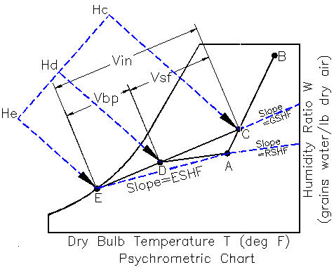

 |  |  |  |  |  | END OF SECTION

COOLING-LOAD
HVAC COOLING LOADS

Building Sensible Qs and Latent Ql Heat Loads
The sensible heat load Qs comes from the following sources: 1. Heat conducted through the building (walls, ceiling, floor, windows).
2. Internal heat from lights, computers, ovens, and other appliances.
3. Infiltration of outside air through cracks around windows and doors.
4. People in the building.
5. Sun radiation through windows. The air in the building is circulated over a cooling coil to maintain temperature requirements determined from the equation:
Q_{s} = 1.08 (w) (t_{s} -t_{i} ) w = cubic foot per minute of air circulation flow
i = denotes inside air temperature
s = denotes supply temperature of the air
The latent heat load determines the amount of moisture that is added to the air in the building and must be removed from the air by the cooling coil to maintain humidity requirements. This is found from the equation
Q_{l} = 4840 (w) (W_{s} - W_{i} )
W_{i} = pounds of moisture per pound of air in conditioned space
W_{s} = pounds of moisture per pound of a supply air The sensible heat ratio is used to find G, the moisture content of air, at different conditions using a psychrometric chart. SHR = Q_{s} / (Q_{s} + Q_{L} )

 |  |  |  |  |  |  | BASIC GIVEN DATA
 |  |  |  |  |  |  | Infiltration of outside air sensible heat gain
 |  |  |  |  |  |  | Infiltration of outside air through cracks around windows and doors,
 |  |  |  |  |  |  | a leakage rate of 20 cubic foot per minute assumed.

 |  |  |  |  |  |  | Heat gain from electrical appliances and lights
 |  |  |  |  |  |  |  |  | Average electrical usage, Uw = | 1.0 | watts/ sq ft
 |  |  |  |  |  |  |  |  | Conversion factor, Cw = | 3.42 | Watts/Btu

 |  |  |  |  |  |  | Sensible & sensible heat due to occupants varies according to activity
 |  |  |  |  |  |  |  |  | Per person latent heat, light activity, Qo = | 1200 | (Btu/hr)/Person
 |  |  |  |  |  |  |  |  | Per person sensible heat, light activity, QLo = | 180 | (Btu/hr)/Person

 |  |  |  |  |  |  | Appliances Latent Heat Load
 |  |  |  |  |  |  |  |  | Input
 |  |  |  |  |  |  |  |  | Quantity | Btu/hr
 |  |  |  |  |  |  |  | Dishwasher qd = | 1 | 420 | 420 | Btu/hr Gas
 |  |  |  |  |  |  |  | Oven qo = | 1 | 1200 | 1200 | Btu/hr Gas
 |  |  |  |  |  |  |  | Range qr = | 1 | 5600 | 5600 | Btu/hr
 |  |  |  |  |  |  |  |  |  | Appliances Latent Heat Load , Qea = | 7,220 | Btu/hr

COOLING ZONE LOAD CONDITIONS - PROBLEM |  |  |  |  | COOLING ZONE LOAD CONDITIONS - EXAMPLE ONLY

 |  |  | Input |  |  |  |  |  | Input
 |  | Condition room floor length (North & South), Lf = | 50 | ft |  |  |  | Condition room floor length (North & South), Lf = | 50 | ft
 |  | Condition room floor width (East & West), Wf = | 30 | ft |  |  |  | Condition room floor width (East & West), Wf = | 30 | ft
 |  | Condition room floor to ceiling height, Hf = | 16 | ft |  |  |  | Condition room floor to ceiling height, Hf = | 16 | ft
 |  | Design indoor dry bulb temperature, Tidb = | 75.0 | deg F dry bulb |  |  |  | Design indoor dry bulb temperature, Tidb = | 75.0 | deg F dry bulb
 |  | Design indoor wet bulb temperature, Tiwb = | 60.0 | deg F wet bulb |  |  |  | Design indoor wet bulb temperature, Tiwb = | 60.0 | deg F wet bulb
 |  | Indoor relative humidity, RH = | 50% |  |  |  |  | Indoor relative humidity, RH = | 50%
 |  | Outdoor dry bulb temperature, To = | 95.0 | deg F dry bulb |  |  |  | Outdoor dry bulb temperature, To = | 95.0 | deg F dry bulb
 |  | Outdoor infiltration leakage rate, VL = | 20 | ft^3/min |  |  |  | Outdoor infiltration leakage rate, VL = | 20 | ft^3/min
 |  | Average electrical usage, Uw = | 1.0 | watts/ sq ft |  |  |  | Average electrical usage, Uw = | 1.0 | watts/ sq ft
 |  | Average electrical usage in Watts , Uw = | 1.0 | Watts/ft^2 |  |  |  | Average electrical usage in Watts , Uw = | 1.0 | Watts/ft^2
 |  | Per person sensible heat for light activity, QoL = | 1200 | (Btu/hr)/Person |  |  |  | Per person sensible heat for light activity, QoL = | 1200 | (Btu/hr)/Person
 |  | Per person latent heat for light activity, Qos = | 180 | (Btu/hr)/Person |  |  |  | Per person latent heat for light activity, Qos = | 180 | (Btu/hr)/Person
 |  | Number of people, Np = | 2 | persons |  |  |  | Number of people, Np = | 2 | persons
 |  |  | Calculate |  |  |  |  |  | Calculate
 |  | ΔT = | To - Ti |  |  |  |  | ΔT = | To - Ti
 |  | = | 20.0 | deg F DB |  |  |  | = | 20.0 | deg F DB
 |  | Outdoor infiltration sensible heat gain, Qinfil = | 1.1*VL* ΔT |  |  |  |  | Outdoor infiltration sensible heat gain, Qinfil = | 1.1*VL* ΔT
 |  | = | 440 | Btu/hr |  |  |  | = | 440 | Btu/hr
 |  | Floor area, Af = | Lf*Wf |  |  |  |  | Floor area, Af = | Lf*Wf
 |  | = | 1500 | ft^2 |  |  |  | = | 1500 | ft^2
 |  | Conversion factor, Cw = | 3.42 | Watts/Btu |  |  |  | Conversion factor, Cw = | 3.42 | Watts/Btu
 |  | Average electrical usage, Qe = | Uw*Cw*Af |  |  |  |  | Average electrical usage, Qe = | Uw*Cw*Af
 |  | = | 5130 | Btu/hr |  |  |  | = | 5130 | Btu/hr
Sensible heat due to occupants of the building varies according to their activity |  |  |  |  | Sensible heat due to occupants of the building varies according to their activity
 |  | Sensible heat from occupants, Qso = | Np*Qe |  |  |  |  | Sensible heat from occupants, Qso = | Np*Qe
 |  | = | 2400 | Btu/hr |  |  |  | = | 2400 | Btu/hr
Latent heat due to occupants of the building varies according to their activity |  |  |  |  | Latent heat due to occupants of the building varies according to their activity
 |  | Sensible heat from occupants, QLo = | Np*Qe |  |  |  |  | Sensible heat from occupants, QLo = | Np*Qe
 |  | = | 360 | Btu/hr |  |  |  | = | 360 | Btu/hr
 |  | Appliances Latent Heat Load , Qa = | 7,220 | Btu/hr |  |  |  | Appliances Latent Heat Load , Qa = | 0 | Btu/hr

A | Room Design Condition | Given |  |  | A | Room Design Condition |  | Given
B | Outdoor Air Condition | Given |  |  | B | Outdoor Air Condition |  | Given
C | Mixed Air Condition | Calculate Tc & Wc |  |  | C | Mixed Air Condition |  | Calculate Tc & Wc
D | Supply Air Condition | Calculate Td = Ta - ΔT & given RH = 90% |  |  | D | Supply Air Condition |  | Calculate Td = Ta - ΔT & given RH = 90%
E | Apparatus Dew Point | Extend line AD to E (RH = 100%) and read Te |  |  | E | Apparatus Dew Point |  | Extend line AD to E (RH = 100%) and read Te

CHART POINTS-A & B - PROBLEM |  |  |  |  | CHART POINTS-A & B - EXAMPLE ONLY
Latent heat per minute from outside air |  |  |  |  | Latent heat per minute from outside air
Referring to a copy of VENMAR CES psychrometric free chart right >> |  |  |  |  | Referring to a copy of VENMAR CES psychrometric free chart right >>

VENMAR CES Psychrometric Chart Software - (Free) |  |  |  |  | VENMAR CES Psychrometric Chart Software - (Free)
...

HEATING
...
Sensible Heat is the heat content causing an increase in dry-bulb temperature.
Latent Heat is the heat content due to the presence of water vapor in the atmosphere. It is the heat which was required to evaporate the given amount of moisture.

 |  |  |  |  |  |  |  | Air Changes per Hour (ACH)
 |  |  |  |  |  |  |  | http://www.engineeringtoolbox.com/
 |  |  |  |  |  |  |  |  |  | Auditoriums | 8-15
 |  |  |  |  |  |  |  |  |  | Boiler Rooms | 15-20
 |  |  |  |  |  |  |  |  |  | Cafeterias | 12-15
 |  |  |  |  |  |  |  |  |  | Churches | 8-15
 |  |  |  |  |  |  |  |  |  | Computer Rooms | 15-20
 |  |  |  |  |  |  |  |  |  | Engine Rooms | 4-6
 |  |  |  |  |  |  |  |  |  | Factory | 2-15
...
 |  |  |  | Air Changes per Hour, ACH = | 4 | air changes/hr |  |  |  | Shops, Paint | 15-20
 |  |  |  | Outdoor design temperature, To = | 19 | deg F |  |  |  | Substation-Electric | 5-10
 |  |  |  | Outdoor relative humidity, RH = | 50% |  |  |  |  | Theaters | 8-15
 |  |  |  | Indoor design temperature, Ti = | 70 | deg F |  |  |  | Turbine Rooms-Electric | 5-10
 |  |  |  | Indoor relative humidity, RH = | 50% |  |  |  |  | Warehouses | 2-4
 |  |  |  | Humidity ratio of indoor air, Gi = | 54.7 | Grains water/lb dry air
 |  |  |  | Humidity ratio of outdoor air, Go = | 7.2 | Grains water/lb dry air |  | *Minimum Ventilation Rates In Breathing Zone
 |  |  |  |  |  |  |  | ANSI/ASHRAE Standard 62-2001
 |  |  |  |  | Calculate |  |  | www.ashrae.org/File%20Library/docLib/.../200418145036_347.pdf
 |  |  |  | Zone volume, VOL = | L*W*H
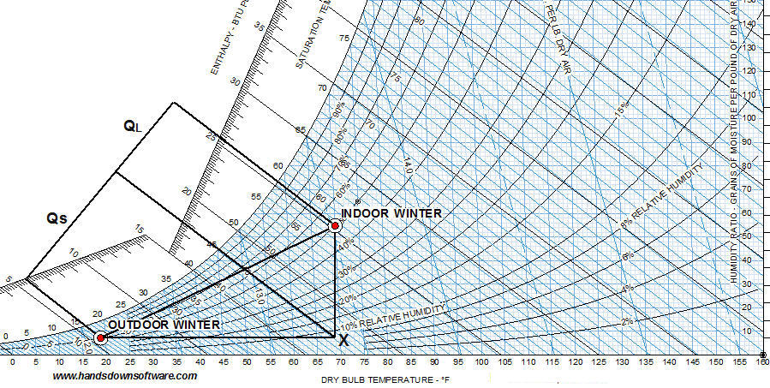
 |  |  |  | = | 28,800 | cu ft
 |  |  |  | Supply fan air flow, CFM = | ACH*VOL / 60
 |  |  |  | = | 1,920 | cfm
...
 |  |  |  |  |  |  |  | Air Changes per Hour (ACH)
 |  |  |  | Ventilation air flow, Vv = | N*VP
 |  |  |  | = | 136 | cfm
...
 |  |  |  |  |  |  |  | Air Changes per Hour (ACH)
 |  |  |  | Indoor-Outdoor temperature difference. TD = | Ti - To
 |  |  |  | = | 51 | deg F
 |  |  |  | Air density, ρ = | 0.075 | lb/cu ft
 |  |  |  | Specific heat capacity of air at constant pressure, Cp = | 0.240 | Btu/ lbm, deg F
 |  |  |  | Ventilation and infiltration sensible heat load, Qs = | (Vv + Vin)*ρ*Cp*TD
 |  |  |  | = | 913 | Btu/min
...
 |  |  |  | Latent heat of evaporation at indoor air temperature, Hfg = | 1061 | Btu/lb at 58 deg F
 |  |  |  | Indoor humidity ratio of air, Wi = | Gi/7000
 |  |  |  | = | 0.0078142857143 | lb water/lb dry air
 |  |  |  | Outdoor humidity ratio of air, Wo = | Go/7000
 |  |  |  | = | 0.0010285714286 | lb water/lb dry air
 |  |  |  | Ventilation and infiltration and latent heat load, QL = | (Vv+ Vin)*ρ*Hfg*(Wi - Wo)
 |  |  |  | = | 537 | Btu/min |  |  | Psychrometric Chart Software - click "Cooling" tab below for method.
 |  |  |  |  |  |  |  |  | http://www.hvacware.net/engrproj.html
...
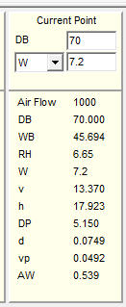
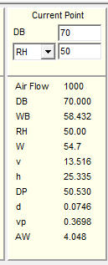
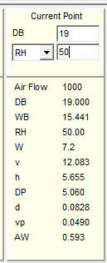
 |  |  |  | Total sensible and latent heat loads, Qt = | Qs + QL |  |  | Winter Heat Load Psychometric Chart Values
 |  |  |  | = | 1,450 | Btu/min |  | Winter Indoor (WI) |  |  | Winter Outdoor (WO) |  |  | Point (X)
 |  |  |  | = | 87,003 | Btu/hr
...
 |  |  | Calculate
 |  |  | Length | Input | Input | Calculate
 |  |  | or Height | Width | Number | Infiltration
 |  |  | 150 | 100 | 1 | 300
 |  |  | 150 | 100 | 1 | 300
 |  |  | 16 | 150 | 2 | 96
 |  |  | 16 | 100 | 2 | 64
 |  |  | 8 | 4 | 4 | 3
 |  |  | 8 | 4 | 3 | 96
 |  |  |  |  | Infiltration air flow, Vin = | 859 | cfm
...
 |  |  | 0.02 | cfm/sq ft |  |  |  |  | Glass % |  | U-value = | 0.490 | Btu/(hr-ft2 degF)
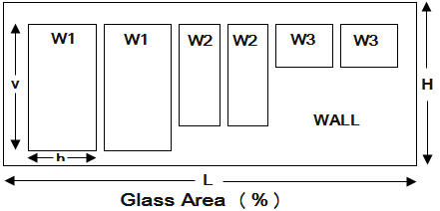
...
 |  |  | Calculate
 |  |  | Total | Input | Calculate | Calculate | Calculate
 |  |  | Area | Glass Area % | Net Wall | TD | BTU/hr
 |  |  | 2400 |  | 1,944 | 51 | 4,759
 |  |  |  | 19% | 456 | 51 | 11,395
 |  |  | 720 |  | 648 | 51 | 2,611
 |  |  |  | 10% | 72 | 51 | 1,799
 |  |  | 480 |  | 336 | 51 | 1,354
 | South wall Glass | 0.490 |  | 30% | 144 | 51 | 3,599
 | East wall | 0.079 | 720 |  | 576 | 51 | 2,321 | (Glass Area)/(Wall Total Area)
 | East wall Glass | 0.490 |  | 20% | 144 | 51 | 3,599 |  | Wall > | Wall 1 North Facing
 | West wall | 0.079 | 480 |  | 360 | 51 | 1,450 |  |  |  | Input
 | West wall Glass | 0.490 |  | 25% | 120 | 51 | 2,999 |  |  | Wall Length, L = | 60 | ft
 |  |  |  |  |  | Total Qb = | 35,885 |  |  | Wall Height, H = | 12 | ft
 |  |  |  |  |  |  | BTU/hr |  |  | W1v = | 8 | ft
 |  |  |  |  | Calculate |  |  |  |  | W1h = | 6 | ft
 |  |  |  | Total Heating Load = | Qb + Qt + Qslab |  |  |  |  | Number of windows 1, N1 = | 2 | -
 |  |  |  | = | 125,688 | BTU/hr |  |  |  | W2v = | 8 | ft
The R-value is a measure of thermal resistance ^{[1]} used in the building and construction industry.
Under uniform conditions it is the ratio of the temperature difference across an insulator and the heat flux (heat transfer per unit area, ) through it or .
The R-value being discussed is the unit thermal resistance. U-value
The U-value (or U-factor), more correctly called the overall heat transfer coefficient, describes how well a building element conducts heat. It measures the rate of heat transfer through a building element over a given area, under standardized conditions.
The usual standard is at a temperature gradient of 24 °C, at 50% humidity with no wind^{[6]} (a smaller U-value is better at reducing heat transfer).
U is the inverse of R with SI units of W/(m²K) and US units of BTU/(h °F ft²);
where k is the material's thermal conductivity and L is its thickness.
See also: tog (unit) or Thermal Overall Grade (where 1 tog = 0.1 m² K / W), used for duvet rating.
 |  |  |  | See Qslab below. |  |  |  |  |  | W2h = | 2.5 | ft
 |  |  |  |  |  |  |  |  |  | Number of windows 2, N2 = | 2 | -
 |  |  |  |  |  |  |  |  |  | W3v = | 0 | ft
 |  |  |  |  |  |  |  |  |  | W3h = | 0 | ft
 |  |  |  |  |  |  |  |  |  | Number of windows 3, N3 = | 0 | -
 |  |  |  |  |  |  |  |  |  |  | Calculate
 |  |  |  |  |  |  |  |  |  | Wall total area, Aw = | L*H
 |  |  |  |  |  |  |  |  |  | = | 720
 |  |  |  |  |  |  |  |  |  | Glass total area, Ag = | (W1v*W1h*N1) + (W2v*W2h*N2) + (W3v*W3h*N3)
 |  |  |  |  |  |  |  |  |  | = | 136 | ft2
 |  |  |  |  |  |  |  |  |  | Wall area, Aw = | L*H
 |  |  |  |  |  |  |  |  |  | = | 720 | ft2
 |  |  |  |  |  |  |  |  |  | (Glass Area)/(Wall Area), Ag% = | Ag/Aw
 |  |  |  |  |  |  |  |  |  | = | 19%

 |  |  |  |  |  |  |  |  | DEPARTMENT OF ENERGY R VALUE ZONES
 |  |  |  |  |  |  |  |  | http://www.ornl.gov/sci/roofs+walls/insulation/ins_16.html
Building Element Insulation R Values |  |  |  |  | Input
Walls | Concrete Block |  |  |  | R Value |  |  |  | Recommended R values for zip code 29600
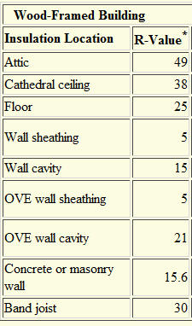
 |  |  |  | Inside Surface | 0.610
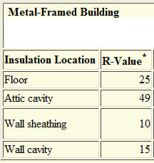
 |  |  |  | 1/2", Gypsum Drywall | 0.045
 |  |  |  | 4" Fiberglass Insulation | 11.00
 |  |  |  | 8" Concrete Blocks | 1.040
 |  |  |  | Blank | -
 |  |  |  | Blank | -
 |  |  |  | Blank | -
 |  |  |  | Outside Surface | 0.017
 |  |  |  | Total Rw= | 12.712 | hr-ft2 degF/Btu
 |  |  |  | Uw-value = 1 / Rw = | 0.0787 | Btu/(hr-ft2 degF)
 |  |  |  |  | Input
 |  |  |  |  | R Value
 |  |  |  | Inside Surface | 0.610
 |  |  |  | Metal Decking | 0.001
 |  |  |  | 4" Rigid Insulation | 20.00
 |  |  |  | Outside Surface | 0.017
 |  |  |  | Blank | -
 |  |  |  | Blank | -
 |  |  |  | Blank | -
 |  |  |  | Total Rr = | 20.628 | hr-ft2 degF/Btu
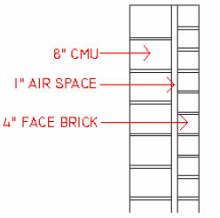
 |  |  |  | Ur-value = 1 / Rr = | 0.0485 | Btu/(hr-ft2 degF)
...
 | Floor Slab on Grade Heat loss coefficient F factor (Btu/Hr deg F-ft)
 |  |  |  |  |  | Input
 |  |  |  |  | Heat loss coefficient, F = | 0.70 | Btu/Hr deg F-ft
 |  |  |  |  | Floor slab winter temperature, Tslab = | 70 | deg F
 |  |  |  |  | Ground winter temperature, Tg = | 50 | deg F
 |  |  |  |  |  | Calculate
 |  |  |  |  | Slab perimeter, P = | 2*(L + W)
 |  |  |  |  | = | 200 | ft
 |  |  |  |  | Floor slab on grade heating load, Qslab = | P*F*(Tslab - Tg)
 |  |  |  |  | = | 2,800 | BTU/hr

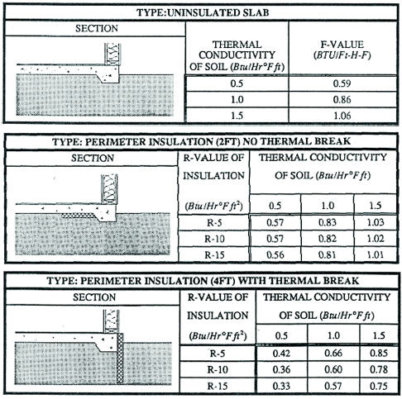

 |  |  |  |  |  |  |  | Heat Conduction and Thermal Resistance
 |  |  |  |  |  |  |  |  |  | Q =
 |  |  |  |  |  |  |  |  |  | L =
 |  |  |  |  |  |  |  |  |  | A =
 |  |  |  |  |  |  |  |  |  | (t1 - t2 ) =
 |  |  |  |  |  |  |  |  |  | k =
 |  |  |  |  |  |  |  | Thermal resistance,
 |  |  |  |  |  |  |  |  |  | R =

 | Calculating the Impact of Ground Contact on Residential Heat Loss
 | http://www.ornl.gov/sci/buildings/2012/Session%20PDFs/92_New.pdf
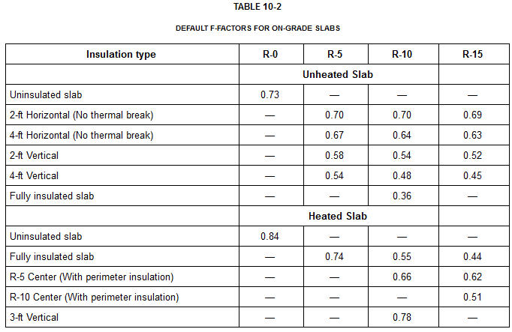

 |  |  |  | END OF SECTION

PROBLEM SOLVER
...
Sensible Heat is the heat content causing an increase in dry-bulb temperature.
- Latent Heat is the heat content due to the presence of water vapor in the atmosphere. It is the heat which was required to evaporate the given amount of moisture.

 |  |  |  |  |  |  |  | Air Changes per Hour (ACH)
 |  |  |  |  |  |  |  | http://www.engineeringtoolbox.com/
 |  |  |  |  |  |  |  |  |  | Auditoriums | 8-15
 |  |  |  |  |  |  |  |  |  | Boiler Rooms | 15-20
 |  |  |  |  |  |  |  |  |  | Cafeterias | 12-15
 |  |  |  |  |  |  |  |  |  | Churches | 8-15
 |  |  |  |  |  |  |  |  |  | Computer Rooms | 15-20
 |  |  |  |  |  |  |  |  |  | Engine Rooms | 4-6
 |  |  |  |  |  |  |  |  |  | Factory | 2-15
...
Department of Energy Infiltration Modeling Guidelines web site:
 | East wall | 0.079 | 720 |  | 576 | 53 | 2,412
 | East wall Glass | 0.490 |  | 20% | 144 | 53 | 3,740
 | West wall | 0.079 | 480 |  | 360 | 53 | 1,507 | (Glass Area)/(Wall Total Area)
 | West wall Glass | 0.490 |  | 25% | 120 | 53 | 3,116 |  | Wall > | Wall 1 North Facing
 |  |  |  |  |  | Total Qb = | 37,292 |  |  |  | Input
 |  |  |  |  |  |  | BTU/hr |  |  | Wall Length, L = | 60
 |  |  |  |  | Calculate |  |  |  |  | Wall Height, H = | 12
 |  |  |  | Total Heating Load = | Qb + Qt + Qslab |  |  |  |  | W1v = | 8
 |  |  |  | = | 132,009 | BTU/hr |  |  |  | W1h = | 6
 |  |  |  | See Qslab below. |  |  |  |  |  | Number of windows 1, N1 = | 2
The R-value is a measure of thermal resistance ^{[1]} used in the building and construction industry.
Under uniform conditions it is the ratio of the temperature difference across an insulator and the heat flux (heat transfer per unit area, ) through it or .
The R-value being discussed is the unit thermal resistance. U-value
The U-value (or U-factor), more correctly called the overall heat transfer coefficient, describes how well a building element conducts heat.
It measures the rate of heat transfer through a building element over a given area, under standardized conditions.
The usual standard is at a temperature gradient of 24 °C, at 50% humidity with no wind^{[6]} (a smaller U-value is better at reducing heat transfer).
U is the inverse of R with SI units of W/(m²K) and US units of BTU/(h °F ft²);
where k is the material's thermal conductivity and L is its thickness.
See also: tog (unit) or Thermal Overall Grade (where 1 tog = 0.1 m² K / W), used for duvet rating.
 |  |  |  |  |  |  |  |  |  | W2v = | 8
 |  |  |  |  |  |  |  |  |  | W2h = | 2.5
 |  |  |  |  |  |  |  |  |  | Number of windows 2, N2 = | 2
 |  |  |  |  |  |  |  |  |  | W3v = | 0
 |  |  |  |  |  |  |  |  |  | W3h = | 0
 |  |  |  |  |  |  |  |  |  | Number of windows 3, N3 = | 0
 |  |  |  |  |  |  |  |  |  |  | Calculate
 |  |  |  |  |  |  |  |  |  | Wall total area, Aw = | L*H
 |  |  |  |  |  |  |  |  |  | = | 720
 |  |  |  |  |  |  |  |  |  | Glass total area, Ag = | (W1v*W1h*N1) + (W2v*W2h*N2) + (W3v*W3h*N3)
 |  |  |  |  |  |  |  |  |  | = | 136
 |  |  |  |  |  |  |  |  |  | Wall area, Aw = | L*H
 |  |  |  |  |  |  |  |  |  | = | 720
 |  |  |  |  |  |  |  |  |  | (Glass Area)/(Wall Area), Ag% = | Ag/Aw
 |  |  |  |  |  |  |  |  |  | = | 19%

Building Element Insulation R Values
 |  |  |  |  | Input |  |  | DEPARTMENT OF ENERGY R VALUE ZONES
Walls | Concrete Block |  |  |  | R Value |  |  | http://www.ornl.gov/sci/roofs+walls/insulation/ins_16.html
 |  |  |  | Inside Surface | 0.610
 |  |  |  | 1/2", Gypsum Drywall | 0.045 |  |  | Recommended R values for zip code 29600
 |  |  |  | 4" Fiberglass Insulation | 11.00
 |  |  |  | 8" Concrete Blocks | 1.040
 |  |  |  | Blank | -
...

DUCTING
DUCTING

EQUAL FRICTION DUCT DESIGN

Equivalent Round and Rectangular Ducting
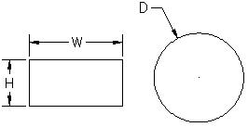

 |  |  |  |  | Standard duct diameters, Ds
 |  |  |  |  | (1") increments from (6" to 10") diameter
 |  |  |  |  | (2") increments from (10" to 40") diameter
 |  |  |  |  | (4") increments above (40") diameter

 | USE THIS RECTANGULAR TO ROUND DUCT CALCULATOR

 | USE THIS TO SOLVE DUCT PROBLEM
 | Input values for W & H and the spreadsheet will make the calculations
 |  | "Goal Seek" the value of H that will change the duct diameter D to 24"
 |  | See "Math Tools" tab below for more. |  |  |  |  |  |  |  | A. Data > What If > Goal Seek
 |  |  |  |  | Input |  |  |  |  | B. Select cell G26 containing An equation.
 |  |  |  | Duct width, W = | 28.0 | in |  |  |  | C. Type "To value" 24.
 |  |  |  | Duct height, H = | 16.0 | in |  |  |  | D. "By changing cell:" select cell G23 > OK.
 |  |  |  |  | Calculate
 |  |  |  | Equivalent round duct diameter, D = | 1.30*((W*H)^0.625 / (W + H)^0.25)
 |  |  |  | = | 23 | in dia
...
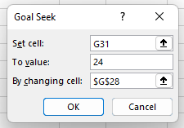
 |  |  |  |  | Input
 |  |  |  | Duct width, W = | 28.0 | in
 |  |  |  | Duct height, H = | 17.5 | in
 |  |  |  |  | Calculate
 |  |  |  | Equivalent round duct diameter, D = | 1.30*((W*H)^0.625 / (W + H)^0.25)
 |  |  |  | = | 24 | in dia
...
Air velocities in ducts should not exceed certain limits to avoid high pressure losses and unacceptable noise generation. The values below are common guidelines for some typical applications.
...
3. Calculate the major pressure drop ΔP = (0.109136 V^1.9) / d^5.02 in the main duct.

4. Adjust branch duct diameters to have the same pressure drop as the main duct.

5. Determine the total duct system resistance by multiplying the static resistance
by the equivalent length of the longest duct.

6. Find necessary balancing dampers.
engineeringtoolbox.com

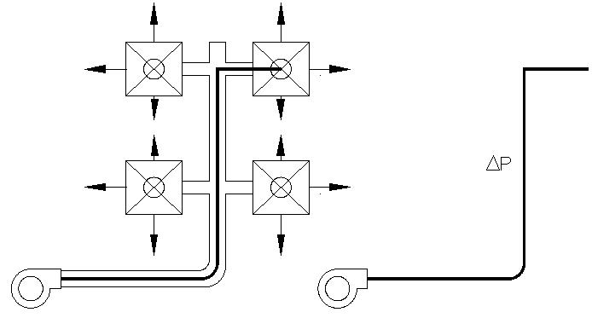

DUCT PRESSURE LOSSES IN TURBULENT FLOW |  |  |  |  |  |  |  |  | Air Ducts Air Velocity (ft/sec)
Main Duct = Longest |  |  |  | Input |  |  |  |  | Ventilation ducts (office buildings) 6.5 - 15
 |  |  | Duct air flow volume, Q = | 7800 | cfm |  |  |  | Ventilation ducts (hospitals) 5.9 - 13
 |  |  | Duct design air flow velocity, V = | 3000 | ft/min |  |  |  | Warm air for house heating 2.6 - 3.3
 |  |  | Duct overall length, L = | 250 | ft |  |  |  | Air inlet to boiler room 3.3 - 9.8
 |  |  |  | Calculate |  |  |  |  | Combustion air ducts 40 - 66
 |  |  | Duct section area, A = | Q / V |  |  |  |  | Vacuum cleaning pipe 26 - 49
 |  |  | = | 2.6000 | ft2 |  |  |  | Compressed air pipe 66 - 98
 |  |  | = | 374.40 | in2
...
 |  |  | Duct diameter, D = | (4*A/π)^0.5
 |  |  | = | 21.85 | in
 |  |  |  | Input
 |  |  | Standard duct diameter, Ds = | 22 | in
 |  |  |  | Calculate

 |  |  | Duct friction head, ΔP per 100 feet = | (0.109136 Q1.9) / D5.02
 |  |  | = | 0.496 | in H2O/100 ft duct
 |  |  | Duct friction head, ΔP per = | ΔP*L/100
 |  |  |  | 1.24 | in H2O
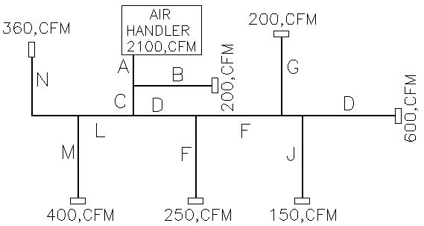

Input | Input | Input | " | " | " | " | Input | Calculate | Calculate | Input | Calculate | " | Calculate
 | Total |  | Deduct air flow upstream |  |  |  |  | Duct Flow | Length | V | Duct | ΔP | ΔP
Duct | cfm |  |  |  |  |  |  | cfm | ft | ft/sec | dia in | in/100 ft | in H2O
A | 2100 |  |  |  |  |  |  | 2100 | 16 | 900 | 22.00 | 0.041 | 0.007
B | 2100 |  |  |  |  |  |  | 200 | 15 | 890 | 9.00 | 0.042 | 0.006
C | 2100 | 200 |  |  |  |  |  | 1900 | 6 | 880 | 18.00 | 0.092 | 0.006
D | 2100 | 200 | 400 | 360 |  |  |  | 1140 | 45 | 780 | 22.00 | 0.013 | 0.006
F | 2100 | 200 | 400 | 360 | 250 |  |  | 890 | 20 | 700 | 16.00 | 0.040 | 0.008
H | 2100 | 200 | 400 | 360 | 250 | 200 |  | 690 | 2 | 680 | 10.00 | 0.258 | 0.005
...
 |  |  |  |  | Duct friction head, ΔP per 100 feet = | (0.109136 q1.9) / de5.02
 |  |  | Air velocity, V = | 600 | ft/min |  |  |  |  |  | Enlargement, tapered angle > 8o | 0.000 | 0 | 0.000
 |  |  | Air density, rho = | 0.075 | lbs/ft^3 |  |  |  |  |  | Grilles, 0.7 ratio free area to total surface | 3.000 | 0 | 0.000
 |  |  |  | Calculate |  |  |  |  |  |  | Grilles, 0.6 ratio free area to total surface | 4.000 | 5 | 20.000
 |  |  | Bend loss coefficient, C = | 4 |  |  |  |  |  |  | Grilles, 0.5 ratio free area to total surface | 6.000 | 0 | 0.000
 |  |  | Pressure loss in H2O, ΔP = | C*(rho*(V/1097)^2) |  |  |  |  |  |  | Grilles, 0.4 ratio free area to total surface | 10.000 | 0 | 0.000
 |  |  | = | 0.090 | in H2O |  |  |  |  |  | Grilles, 0.3 ratio free area to total surface | 20.000 | 0 | 0.000
 |  |  |  |  |  |  |  |  |  |  | Grilles, 0.2 ratio free area to total surface | 50.000 | 0 | 0.000
 |  |  |  |  |  |  |  |  |  |  |  |  | Total Duct Minor Loss | 2.806
Enlargement, abrupt, tapered angle > 8o |  |  |  |  |  |  |  |  |  |  |  |  |  | in H2O
 |  |  |  | Input
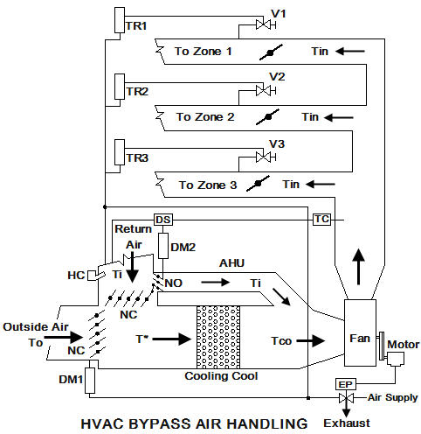
 |  |  | V1 = | 600 | ft/min
 |  |  | V2 = | 400 | ft/min
 |  |  |  | Calculate
 |  |  | Minor Loss Coefficient, C = | (1 - V2/V1)^2
 |  |  | = | 0.1111 | in H2O
 |  |  | Pressure loss (V1 to V2), ΔP = | C*(V/60)^2/(2*g)
 |  |  | = | 0.0767 | ft H2O
 |  |  | = | 0.920 | in H2O

Enlargement, tapered angle < 8o
 |  |  |  | Input
 |  |  | V1 = | 600 | ft/min
 |  |  | V2 = | 400 | ft/min
 |  |  |  | Calculate
 |  |  | Minor Loss Coefficient, C = | 0.15*(1 - V2/V1)^2
 |  |  | = | 0.0167 | in H2O
 |  |  | Pressure loss (V1 to V2), ΔP = | C*(V/60)^2/(2*g)
 |  |  | = | 0.0115 | ft H2O
 |  |  | = | 0.138 | in H2O

Flow from duct to room
 |  |  |  | Input
 |  |  | Air velocity, V = | 600 | ft/min
 |  |  | Air density, rho = | 0.075 | lbs/ft^3
 |  |  |  | Calculate
 |  |  | Bend loss coefficient, C = | 1.0 | -
 |  |  | Pressure loss in H2O, ΔP = | C*(rho*(V/1097)^2)
 |  |  | = | 0.022 | in H2O

 |  |  |  | END OF SECTION

DEGREE DAYS
...
 | Peak Heat Load = | Q1*(Ti - To)
 | = | 23,061 | Btu/hr
 | Annual heat or cool load = | Q1*24*DD
 | = | 43,316,667 | Btu/yr
 | Therms/yr = | Btu/yr / 100067
 | = | 433 | Therms/yr

Weather Data Depot - Free Degree Days per Year
http://www.weatherdatadepot.com/?pi_ad_id=6251685145&gclid=CI3m-PCK9q8CFcyb7Qod6j92FA#
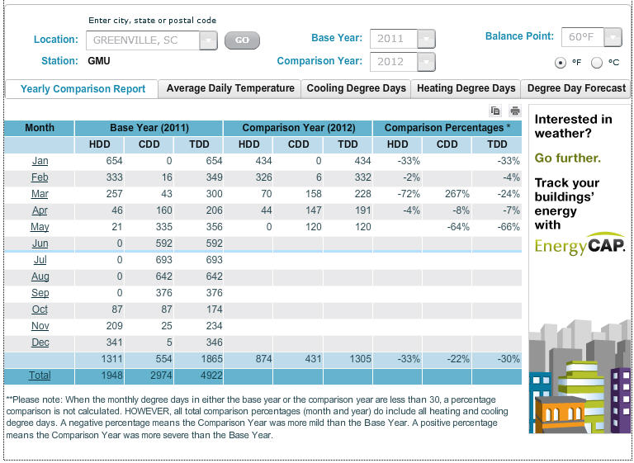

 |  | END OF SECTION

UNITS
...
 | M = Mega = 106 | k = kilo = 103

 | Specific heat capacity of air at constant pressure, Cp = | 1005 | J/(kg, deg C)
 | = | Cp / 4.187
 | = | 240.0 | Btu/ lbm, deg F

 | Latent heat = | 540 | calories

1 Btu = quantity of heat needed to raise 1 lb of water from 59.5ºF to 60.5ºF (i.e. 1ºF) under 1 atm pressure.
1 Btu = 778.16 ft-lbs = 1055 J (1 joule = 1 N-m) = 252.2 cal
1 cal = amount of heat required to raise 1 g of watr from 14.5ºC to 15.5ºC (i.e. 1ºC)
1 cal = 4.184 joules (J)
1 atmosphere = 1.01325 bar = 101.3 kPa = 14.696 psi (lbf/in2)= 760 mmHg
1 pascal = 0.000145037738 pounds per square inch

END OF SECTION

MATH TOOLS
...
 |  |  | Select Format > Unprotect Sheet
Unlock a worksheet with "Unprotect" |  |  | Protect Sheet Opens
Step-1 | HOME
Step-2 | Format
Step-3 | Unprotect Sheet
Step-4 | OK

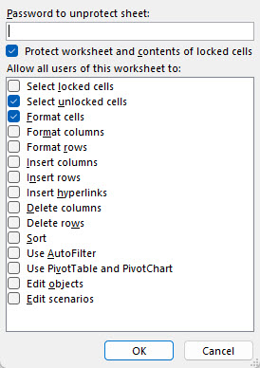
Lock a worksheet with "Protect Sheet"
Step-5 | HOME |  |  | NEW EXCEL |  |  | OLD EXCEL
Step-6 | Format
Step-7 | Protect Sheet

 |  | Check the "Protect Sheet" two boxes right >>
 |  | Select Unlocked Cells
 |  | Format Cells

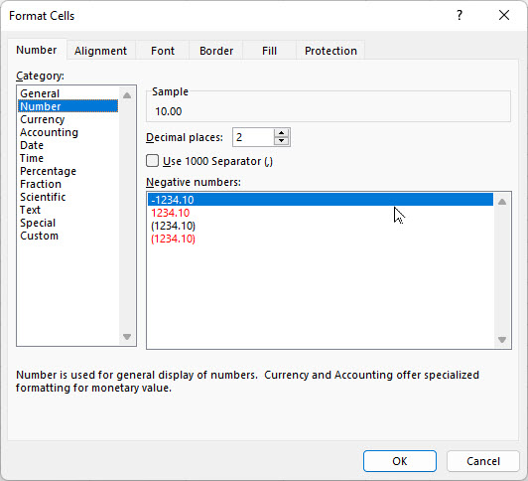
 |  |  |  |  |  | Step | Select
 |  |  |  |  |  | 1 | Format
 |  |  | Follow Steps |  |  | 2 | Format ells
GOAL SEEK |  |  | H = | 10.00 | lbs | 3 | 10
 | Input |  | V = | 6.00 | llbs | 4 | 6
Horizontal force, H = | 10.00 |  | TAN(A) = | V/H |  | 5 | Format
Vertical force, V = | 6.00 |  | = | 0.6000 | number | 6 | Format Cells
 | Calculation |  | Angle A = | ATAN(V/H) |  | 7 | Number
Resultant force, R = | ( H^2 + V^2 )^(1/2) |  | = | 0.5404 | radians | 8 | Decimal Places
= | 11.7 |  | A radians = | 57.3*A | degrees | 9 | 2
Angle, A = | 57.30 * ATAN(V / H) |  | Angle A = | 57.3*A |  | 10 | OK
= | 30.97 |  | = | 30.97 | degrees

GOAL SEEK method
Step-1 Select the green cell C38 containing a formula.
Step-2 Select: DATA > What-If Analysis > Goal Seek
Step-3 To value: 14, for example
Step-4 Pick cell containing value to be changed by Excel: C34 or C35 > OK
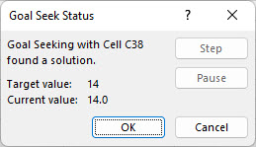
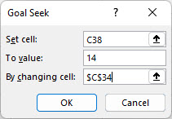

Select > OK and "Goal Seek Status'>> will open > OK

 | END OF SECTION

