SHAFT FORCES
M452 GEARS SPREADSHEET

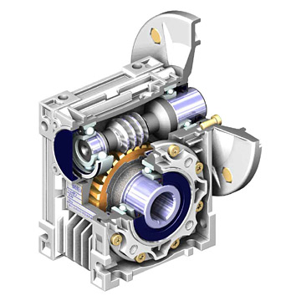

GEAR RATIOS

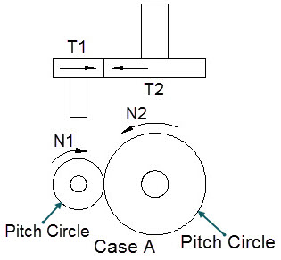
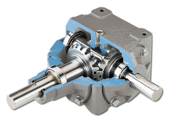

BOSTON GEAR
"Straight-tooth bevel gears have teeth that are made from precision-forged alloy steel for maximum strength, as well as case hardened for increased durability."
"Input and output shafts are constructed from ground and polished heat-treated alloy steel to further enhance the overall toughness of these drives.
Precision-machined, one-piece, quality cast-iron housings mean less maintenance and greater reliability.
For greater support and rigidity, all shafts are supported by two tapered-roller bearings, while several models offer a straddle design with the gears supported on both sides.
Double-lip, garter-spring-type oil seals are use to retain lubricants and block foreign-matter contamination for extended life.
Flush-type vented-filler plugs with sintered-bronze breather inserts further reduce contamination.
All drives are furnished with keys for projecting shafts to assure quick installation.
Boston Gear's Guaranteed Same Day Shipment Program ensures that you get what you need when you need it."
 |  |  |  |  | BOSTON GEAR
Case A | Insert |  |  |  | http://www.bostongear.com
Gear-1 rotation speed, N1 = | 800 | rpm
Gear-1 number of teeth, T1 = | 20 | -
Gear-2 number of teeth, T2 = | 40 | -
 | Calculate
Speed ratio: Gear-1 / Gear-2, R12 = | T1 / T2
= | 0.5 | -
Gear-2 rotation speed, N2 = | N1 * R12
= | 400 | rpm

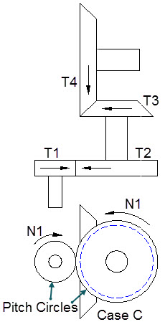

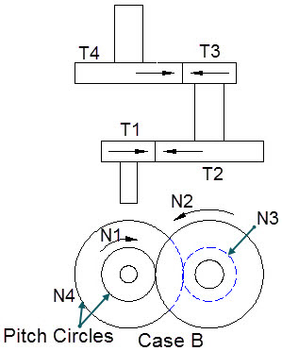

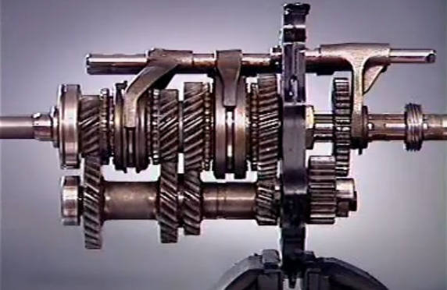

Cases B & C | Insert
Gear-1 rotation speed, N1 = | 400 | rpm
Gear-1 number of teeth, T1 = | 40 | -
Gear-2 number of teeth, T2 = | 20 | -
Gear-3 number of teeth, T3 = | 60 | -
Gear-4 number of teeth, T4 = | 30 | -
 | Calculate
Speed ratio: Gear-1 / Gear-2, R12 = | T1 / T2
= | 2 | -
Gear-2 rotation speed, N2 = | N1 / R1
= | 200 | rpm
Speed ratio: Gear-3 / Gear-4, R34 = | T3 / T4
= | 2.000 | -
Speed ratio: Gear-1 / Gear-4, R14 = | R12*R34
= | (T1/T2)*(T3/T4) |  |  |  | Manual Transmission
= | 4 | -
Gear-4 rotation speed, N4 = | N1 / R14
= | 1600 | rpm

SHAFT FORCES

Design of Power Transmission Shafting
The objective is to calculate the shaft size having the strength and rigidity required to transmit an applied torque. The strength in torsion, of shafts made of ductile materials are usually calculated on the basis of the maximum shear theory.
ASME Code states that for shaft made of a specified ASTM steel:
Ss(allowable) = 30% of Sy but not over 18% of Sult for shafts without keyways. These values are to be reduced by 25% if the shafts have keyways.
Shaft design includes the determination of shaft diameter having the strength and rigidity to transmit motor or engine power under various operating conditions. Shafts are usually round and may be solid or hollow.
Shaft torsional shear stress: Ss = T*R / J
Polar moment of area: J = π*D^4 / 32 for solid shafts
J = π*(D^4 - d^4) / 32 for hollow shafts
Shaft bending stress: Sb = M*R / I
Moment of area: I = π*D^4 / 64 for solid shafts
I = π*(D^4 - d^4) / 64 for hollow shafts
The ASME Code equation for shafts subjected to: torsion, bending, axial load, shock, and fatigue is:
Shaft diameter cubed,
D^3 = (16/π*Ss(1-K^4))*[ ( (KbMb + (α*F_{α}*D*(1+K^2)/8 ]^2 + (Kt*T)^2 ]^0.5
Shaft diameter cubed with no axial load,
D^3 = (16/π*Ss)*[ (KbMb)^2 + (Kt*T)^2 ]^0.5
K = D/d D = Shaft outside diameter, d = inside diameter
Kb = combined shock & fatigue bending factor
Kt = combined shock & fatigue torsion factor
α = column factor = 1 / (1 - 0.0044*(L/k)^2 for L/k < 115
L = Shaft length - k = (I / A)^0.5 = Shaft radius of gyration
A = Shaft section area
For rotating shafts: Kb = 1.5, Kt = 1.0 for gradually applied load
Kb = 2.0, Kt = 1.5 for suddenly applied load & minor shock
Kb = 3.0, Kt = 3.0 for suddenly applied load & heavy shock
Input shaft data for your problem below and Excel will calculate the answers, Excel's "Goal Seek" may be used to optimize the design of shafts, see the Math Tools tab below.
GEARBOX EFICIENCY
Most gearmotor manufacturers (Dodge, SEW-Eurodrive, Nord, Falk, etc) will list "generalized" efficiencies for a particular type of gearing configuration.
For example, helical gears = 0.96, worm gears = .85.
Most manufacturers will specify an intended gearbox operating point.
Gearbox efficiencies in a spur gearbox at a 16-mm (5/8-in) diameter vary from about 87% at a gear ratio of 6.3:1 to about 40% at a ratio of 10,683:1.
A basic rule that designers use for spur gears is a 10% loss per engagement.
One gear wheel in contact with another is defined as an engagement and the loss in that engagement is approximately 10%.
A general rule is the lighter the load and the higher the ratio, the less likely it is that the gearbox will actually reach the manufacturers' specified efficiency. Light loading and high ratios tend to produce poor gearbox efficiencies.
But with heavy loading and high ratios, the gearbox will approach its theoretical efficiency.
Overall system efficiencies depend on the efficiency of the motor and gearbox together.
If the efficiency of the motor and gearbox is each 50%, the two efficiencies are multiplied together to yield the system efficiency (0.5 x 0.5 or 0.25, or a system efficiency of 25%).
At low ratios, motors are more heavily loaded than the gearboxes. A low reduction ratio lets the motor "see" more of the load than at a high ratio.
For example, the maximum efficiency of a 22:1 gearbox is about 76% and the maximum efficiency of the motor is about 80%. However, the two don't occur at the same time. When the motor reaches its peak efficiency, gearbox efficiency is closer to 63% instead of 74%.
Therefore, when the motor is at peak efficiency the gearbox is not — in low ratios.
This is a critical issue. Assuming the gearbox has a constant efficiency leads to incorrect calculations. In this case, a 10% efficiency difference could mean a lot in the overall system efficiency.
At higher gearbox ratios, motor and gearbox efficiencies follow similar curves because at that point the gearbox sees more of the load than does the motor.
This leads to peak efficiencies in both gearbox and motor.
Variable motor speeds present another set of variables in the overall equation.
However, at about 150:1 to 200:1, the gearbox and motor efficiencies peak at the same time.
To use the least amount of power, it's critical to match the motor, gearbox, and load closely to get the best system efficiencies.
http://www.micromo.com/Data/Sites/1/technical-library-pdf/ff-1_gearboxefficiencies_md.pdf

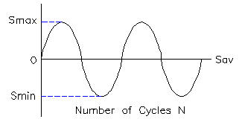

Shaft having Bending and Torque
End load is small enough to ignore.
 | Input
Motor Power, HP = | 5.0 | hp
Shaft speed, N = | 1750 | rpm
Shock & fatigue moment factor, Kb = | 1.5
Torque shock & fatigue factor, Kt = | 1.5
Shaft allowable torsional shear stress: Ss = | 12,000 | psi
Shaft length, L = | 8 | in
Shaft moment, Mb = | 4000 | in-lbf |  | http://www.micromo.com/Data/
 | Calculation
Shaft Design Torque, T = | 12*Kt*5252*HP / N |  |  | FAULHABER DRIVE CALCULATOR
= | 270 | in-lbf |  | Select "KNOW HOW"
Shaft diameter, D = | ((16/π*Ss)*[ (KbMb)^2 + (Kt*T)^2 ]^0.5)^(1/3) |  |  | Select "FAULHABER WEBIAR LIBRARY"
= | 1.367 | in
 |  |  |  | https://www.faulhaber.com/en/drive-calculator/fdc/

 |  |  |  | https://www.faulhaber.com/
Shaft Polar Moment of Area and Shear Stress

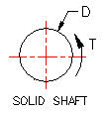
Solid Shaft
 | Input
Torsion, T = | 360 | in-lbf
Round solid shaft diameter, D = | 2.000 | in
 | Calculation
Section polar moment of inertia, J = | π*D^4 / 32
= | 1.571 | in^4
Torsion stress, Ft = | T*(D/2) / J
= | 229 | lb/in^2
 |  |  |  | Select "PRODUCTS"
 |  |  |  | >Start Drive Calulator

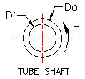
Hollow Shaft | Input
Torsion, T = | 1,000 | in-lbf
Hollow shaft outside dia, Do = | 2.000 | in
Hollow shaft inside dia, Di = | 1.500 | in
 | Calculation
Section polar moment of inertia, J = | π*(Do^4 - Di^4) / 32
J = | 1.074 | in^4
Torsion stress, Ft = | T*(Do/2) / J
= | 931 | lb/in^2

Drive Shaft Torque Twist Angle
 | Input
Shaft Design Torque from above, Q = | 207 | in-lbf
Shaft outside diameter, D = | 1.500 | in
Shaft inside diameter, d = | 0.500 | in
Torque applied to shaft length (see below), x = | 8.00 | in
Shaft material tension modulus, E = | 29,000,000 | psi
Shaft material shear modulus, G = | 11,500,000 | psi
 | Calculation
Section polar moment of area, J = | π*(D^4 - d^4) / 32
= | 0.491 | in^4
Shear stress due to Td, ST = | Q*D / (2*J)
= | 316 | lbf/in^2 | < GOAL SEEK
Shaft torsion deflection angle, a = | Q*L / (J*G)
= | 0.000293 | radians
= | 0.017 | degrees

Power Shaft Overhung Load
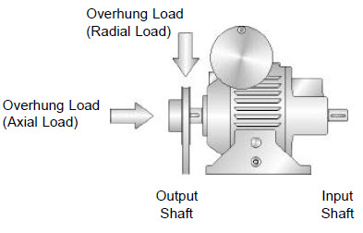

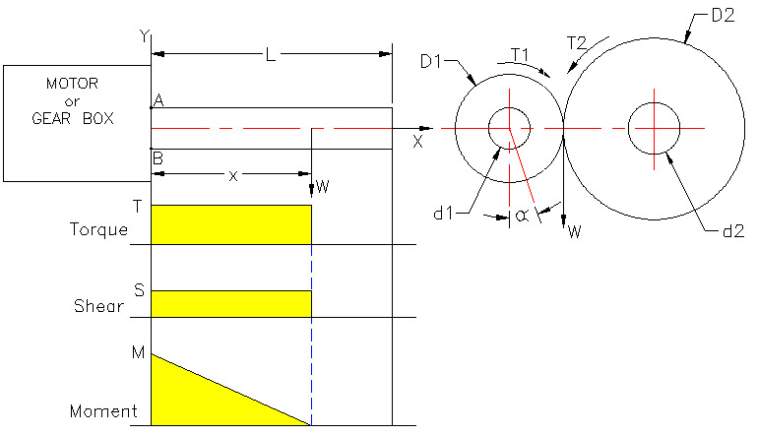
 | http://www.darali.com/disco/page9.pdf

Resultant Moment & Torsion Stress at A, sr
 | Input
Motor power, HP = | 2.0 | hp
Shaft speed, N = | 1,180 | rpm
Pinion number of teeth, t = | 20 | -
Gear number of teeth, T = | 60 | -
Bevel pinion diametral pitch, DP = | 8 | Whole Number
Gear and pinion pressure angle, PA = | 20.0 | deg
Gearbox allowable overhung load, Wa = | 500 | lb
Overhung load location, x = | 4.000 | in
Gearbox efficiency, e = | 90.0% | -
Driver shaft diameter, d1 = | 1.500 | in
Driven shaft diameter, d2 = | 2.500 | in
Torque shock & fatigue factor, Kt = | 3 | -
Shaft outside diameter, D = | 1.500 | in
Shaft inside diameter, d = | 1.000 | in
Shaft length, L = | 5.000 | in
Shaft allowable tension stress, St = | 26,000 | psi
Shaft allowable shear stress, Ss = | 10,000 | psi
 | Calculation
Driver gear pitch circle diameter, D1 = | t / DP
 | 2.500 | in
Driven gear pitch circle diameter, D2 = | T / DP
 | 7.500 | in
Driver Shaft Torque, Q1 = | e*12*Kt*5252*HP / N
= | 288 | in-lb
Driven Shaft Torque, Q2 = | Q1*D2 / D1
= | 865 | in-lb
Bevel gear tangential force, Ft = | Q1 / (PCDp/2)
= | 231 | lb
Bevel gear separating force, Fr = | Ft *TAN(PA/57.3)
 | 4.027
Driver applied overhung load, W = S = | Q1*D1 / 2
= | 361 | lb
Driver Shaft maximum Moment, M = | W*x
= | 1442 | in-lb
Shaft section modulus, I = | π*(D^4 - d1^4) / 64
= | 0.1994 | in^4
Moment tension stress at A, sm = | M*(D/2) / I
= | 5,424 | psi
Shaft polar modulus, J = | π*(D^4 - d1^4) / 32
= | 0.3868
Torsion shear stress at A, st = | Q1*(D/2) / J
= | 559 | psi
Resultant moment & torsion stress at A, sr = | (sm^2 + st^2)^(1/2)
= | 5,452 | psi
Resultant moment & torsion stress at B, = | Resultant moment & torsion stress at A

Safety Factors
Driver tension safety factor, SFt = | St / sr
= | 4.8
Driver shear safety factor, SFs = | Ss / ss
= | 17.9
Driver overhung load safety factor, SFo = | Wa/W
= | 1.39

Gear Forces
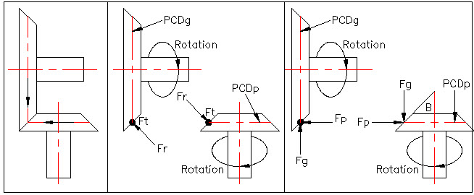

Bevel Pinion or Gear Data | Input
 | Whole Numbers
Motor power, HP = | 7.5 | hp
Shaft speed, N = | 1,750 | rpm
Torque shock & fatigue factor, Kt = | 2.0
Bevel pinion number of teeth, t = | 20
Bevel gear number of teeth, T = | 40
Bevel pinion diametral pitch, PD = | 6 | Whole Number
Gear and pinion pressure angle, PA = | 20.0 | deg
 | Calculation
Bevel pinion pitch circle diameter, PCDp = | t / DP
= | 3.333 | in
Bevel gear pitch circle diameter, PCDg = | T / DP
= | 6.667 | in
Driver Shaft Torque, Q1 = | Kt *5252*HP / N
= | 45.0 | ft-lb
= | 540 | in-lb
Driven Shaft Torque, Q2 = | T1 *PCDg / PCDp
= | 1080
Pinion pitch cone angle, B = | 57.3 *ATAN(t / T)
= | 26.57 | deg
Bevel gear tangential force, Ft = | Q1 / (PCDp/2)
= | 324 | lb
Bevel gear separating force, Fr = | Ft *TAN(PA/57.3)
= | 118.0 | lb
Fp = | Fr *SIN(B/57.3)
= | 52.8 | lb
Fg = | Fr *COS(B/57.3)
= | 105.5 | lb

Note: The units of angle in Excel are radians.
degrees = radians*57.3

 | END OF SECTION

GEAR FORCES
GEAR FORCES

1. The objective is to calculate the shaft size having the strength
and rigidity required to transmit an applied torque.

2. The design bending is equal to the applied moment multiplied
by a combined stress concentration and fatigue factor Kf.

2. The strength in torsion, of shafts made of ductile materials
are usually calculated on the basis of the maximum shear theory.

3. The design torsion is equal to the applied to torsion multiplied
by a combined stress concentration and fatigue factor Ks.

Shaft Diameter for Combined Torsion and Bending
Fatigue Safety Factor Design

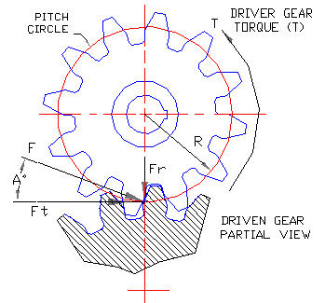

SPUR GEAR FORCES | Input Data
Motor or drive bearbox power, P = | 5 | hp |  |  |  | ASME Code Load Factors (K) |  | Moment | Torque
Shaft speed, N = | 1750 | rpm |  |  |  | Stationary shaft: | Load Case | Cm | Ct
Moment factor, Cm = | 1.5 |  |  |  |  | Load gradually applied | A | 1.0 | 1.0
Torque factor, Ct = | 2.0 |  |  |  |  | Load suddenly applied | B | 1.5 to 2.0 | 1.5 to 2.0
Spur driver gear pitch circle diameter, D = | 8.000 | in
Gear pressure angle, A = | 20 | deg |  |  |  | Rotating shaft: |  | Moment | Torque
 | Calculations |  |  |  |  | Load gradually applied | Load Case | 1.5 | 1.0
Motor torque, T = | Kb*Kt*12*5252*HP / N |  |  |  |  | Load suddenly applied (minor shock) | C | 1.5 to 2.0 | 1.5 to 2.0
= | 540 | in-lbs |  |  |  | Load suddenly applied (heavy shock) | D | 2.0 to 3.0 | 1.5 to 3.0
Gear pitch circle radius, R = | D / 2
= | 4.000 | in |  |  |  | ASME Code for Commercial Steel Shafting
Tangential force, Ft = | T / R | in-lbs |  |  |  | Shafts without keyway, Sa = | 8000 | psi | 55 | Mpa
Ft = | 135 | lbs |  |  |  | Shafts with keyway, Sa = | 5800 | psi | 40 | Mpa
Radial force, Fr = | Ft * Tan A | in-lbs |  |  |  | ASME Code for Steel Purchased Under Definite Specifications
Fr = | 49 | lbs |  |  |  | Sa = | 30% of the yield strength but not over 18% of the ultimate
 |  |  |  |  |  |  | strength in tension for shafts without keyways.
GEAR SHAFT LOADS |  |  |  |  |  |  | These values are to be reduced by 25% for the presence of keyways.

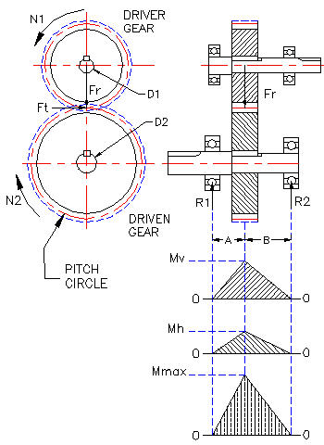
The above tangential, Ft and radial, Fr forces |  |  |  |  |  |  | Input Data
cause fully reversed bending in the shaft |  |  |  |  |  | Shaft material yield stress, Sy = | 36000 | psi | 248 | Mpa
as it rotates. |  |  |  |  |  | Shaft material ultimate stress, Su = | 62000 | psi | 427 | Mpa

 |  |  |  |  |  | Shaft Without Keyway | Calculations
 |  |  |  |  |  | 30% of material yield strength = | 10800 | psi
 |  |  |  |  |  | 18% of material ultimate strength = | 11160 | psi
 |  |  |  |  |  | Shaft With Keyway
 |  |  |  |  |  | 25% of 30% of material yield strength = | 8100 | psi
 |  |  |  |  |  | 25% of 18% of material ultimate strength = | 8370 | psi

Driver gear applies forces Ft and Fr |  |  |  |  |  |  | Input Data
to the driven gear. Equal and opposite |  |  |  |  |  | Motor power, P = | 20 | hp
Ft and Fr forces are applied to the driver |  |  |  |  |  | Shaft speed, N = | 1750 | rpm
gear. (Newton's first law) |  |  |  |  |  | Moment factor, Cm = | 1.5
 |  |  |  |  |  | Torque factor, Ct = | 2.0
 |  |  |  |  |  | Spur gear pitch circle diameter, D = | 10.000 | in
 |  |  |  |  |  | Gear pressure angle, A = | 20 | deg
 |  |  |  |  |  |  | Calculations
 |  |  |  |  |  | Motor torque, T = | Kb*Kt*12*5252*HP / N
 |  |  |  |  |  | = | 2161 | in-lbs
 |  |  |  |  |  | Gear pitch circle radius, R = | D / 2
 |  |  |  |  |  | = | 5.000 | in
 |  |  |  |  |  | Tangential force, Ft = | T / R | in-lbs
 |  |  |  |  |  | Ft = | 432 | lbs
 |  |  |  |  |  | Radial force, Fr = | Ft * Tan A | in-lbs
 |  |  |  |  |  | Fr = | 157 | lbs

 |  |  |  |  |  | EXAMPLE ONLY
 |  |  |  |  |  | SPUR GEAR FORCES

Shaft Moment and Torque |  |  |  |  |  | Shaft Moment and Torque - EXAMPLE ONLY
Use this side to solve problems | Input Data |  |  |  |  | Use this side is an example | Input Data
Length from left bearing to gear, A = | 3.00 | in |  |  |  | Length from left bearing to gear, A = | 3.00 | in
Length from right bearing to gear, B = | 5.00 | in |  |  |  | Length from right bearing to gear, B = | 5.00 | in
 | Calculations |  |  |  |  |  | Calculations
Vertical shaft bending moment |  |  |  |  |  | Vertical shaft bending moment
Sum of moments about any point in the shaft = | 0 |  |  |  |  | Sum of moments about any point in the shaft = | 0
Sum of moments about the right bearing = | R1*(A+B) - Fr*B |  |  |  |  | Sum of moments about the right bearing = | R1*(A+B) - Fr*B
R1v = | Fr*B / (A+B) |  |  |  |  | R1v = | Fr*B / (A+B)
R1v = | 31 | lbs |  |  |  | R1v = | 98 | lbs
Mv = | R1*A |  |  |  |  | Mv = | R1*A
Mv = | 92 | in-lbs |  |  |  | Mv = | 295 | in-lbs
Horizontal driven shaft bending moment |  |  |  |  |  | Horizontal shaft bending moment
Sum of moments about any point in the shaft = | 0 |  |  |  |  | Sum of moments about any point in the shaft = | 0
Sum of moments about the right bearing = | R1*(A+B) - Fr*B |  |  |  |  | Sum of moments about the right bearing = | R1*(A+B) - Fr*B
R1h = | Ft*B / (A+B) |  |  |  |  | R1h = | Ft*B / (A+B)
R1h = | 84 | lbs |  |  |  | R1h = | 270 | lbs
Mh = | R1*A |  |  |  |  | Mh = | R1*A
Mh = | 253 | in-lbs |  |  |  | Mh = | 810 | in-lbs
Maximum fully reversed fatigue bending moment in the shaft (Mmax): |  |  |  |  |  | Maximum fully reversed fatigue bending moment in the shaft (Mmax):
Mmax = | (Mv^2 + Mh^2)^0.5 |  |  |  |  | Mmax = | (Mv^2 + Mh^2)^0.5
Mmax = | 269 | in-lbs |  |  |  | Mmax = | 862 | in-lbs
 |  |  |  |  |  | EXAMPLE ONLY
Calculate Shaft Diameter |  |  |  |  |  | Calculate Shaft Diameter
 | Input Data |  |  |  |  |  | Input Data
Motor torque (from above), T = | 1080 | in-lb |  |  |  | Motor torque (from above), T = | 1080 | in-lb
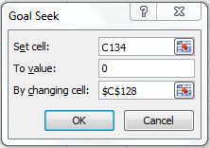
Shaft maximum moment (from above) Mmax = M = | 431 | in-lb |  |  |  | Shaft maximum moment (from above) Mmax = M = | 431 | in-lb
Allowable shaft shear stress, Sa = | 5800 | psi | 40.0 | Mpa |  | Allowable shaft shear stress, Sa = | 5800 | psi | 40.0 | Mpa
ASME Code Load Case = | C | - |  |  |  | ASME Code Load Case = | C | -
ASME Code Load Factor (from above), Cm = | 1.5 | - |  |  |  | ASME Code Load Factor (from above), Cm = | 1.5 | -
ASME Code Load Factor (from above), Ct = | 2.0 | - |  |  |  | ASME Code Load Factor (from above), Ct = | 2.0 | -
Given safety factor, SF = | 2.00 | - |  |  |  | Given safety factor, SF = | 2.00 | -
Shaft outside diameter, D = | 1.238 | in |  |  |  | Shaft outside diameter, D = | 1.238 | in
Shaft inside diameter, d = | 0.000 | in |  |  |  | Shaft inside diameter, d = | 0.000 | in
 | Calculations |  |  |  | See "Goal Seek" tab below. |  | Calculations
Ratio of inner to outer diameters of the shaft, k = d / D = | 0.00 |  |  |  |  | k = d / D = | 0.00
Allowable shaft shear stress, Sa = | (16 / ((π*D^3)*(1-k^4))) * (((Cm*M + ((a*F*D(1 +k^2)/8))^2 + (Ct*T)^2)^(1/2) |  |  |  |  | Allowable shaft shear stress, Sa = | (16 / ((π*D^3)*(1-k^4))) * (((Cm*M + ((a*F*D(1 +k^2)/8))^2 + (Ct*T)^2)^(1/2)
Subtract Sa, 0 = | (16 / ((π*D^3)*(1-k^4))) * (((Cm*M + ((a*F*D(1 +k^2)/8))^2 + (Ct*T)^2)^(1/2) - Sa |  |  |  |  | Subtract Sa, 0 = | (16 / ((π*D^3)*(1-k^4))) * (((Cm*M + ((a*F*D(1 +k^2)/8))^2 + (Ct*T)^2)^(1/2) - Sa
Use Goal Seek D value to make equation = 0 = | 0 | psi |  |  |  | Use Goal Seek D value to make equation = 0 = | 0 | psi
 | Input Data |  |  |  |  |  | Input Data
Goal Seek Shaft diameter from above, Dg = | 1.238 | in |  |  |  | Goal Seek Shaft diameter from above, Dg = | 1.238 | in
Next larger standard shaft diameter, D = | 1.250 | in |  |  |  | Next larger standard shaft diameter, D = | 1.250 | in

 | See "MATH TOOLS" tab below.

 | END OF SECTION

STRESS FACTORS
METAL STRESS FACTORS

STRESS CONCENTRATION FACTORS

1. Static direct, bending, and torsion stresses are calculated first.

2. Static stress concentration factors are applied to the above static stresses.

3. Fatigue stress concentration factors modify the static stress concentration.

Static Stress in Round Shafts
 | Input Data
Tension Force (+), Compression (-), F = | 100 | lbs
Moment, concave (+), convex (-), M = | 300 | in-lbs
Torsion, T = | 600 | lb-in
Shaft Diameter, D = | 1.000 | in
 | Calculations
Section Area, A = | π*D^2 / 4 | in^2
Section Area, A = | 0.7855 | in^2
Second Moment of Area, I = | π*D^4 / 32 | in^4
I = | 0.0982
Polar Moment of Area, J = | π*D^4 / 64 | in^4
J = | 0.0491 | in^4
Direct stress (+) tension, (-) comp, σd = | F / A
σd = | 127 | psi
Bending stress, σm = | M*D / (2*I)
σm = | 1528 | psi
Torsional stress, τxy = | T*D / (2*J)
τxy = | 6111 | psi
Given, σy = | 0
Given x and y stresses above find static safety factor (N):
 | Input Data
Material tension yield stress, Syt = | 36000 | psi
 | Calculations
From above, σx = σd + σm = | 1655 | psi
From above, σy = | 0 | psi
From above, τxy = | 6111 | psi
von Mises' effective stress, σ’ = | [ ( σx^2 + σy^2 – σx*σy + 3*τxy^2 ]^0.5
σ’ = | 10713 | psi
Material yield safety factor, N = | Syt / σ’
N = | 3.36

Geometric Stress Concentration
 | D/d | A | b
Factor (Kt) in static bending. | 6.00 | 0.87868 | -0.33243
 | 3.00 | 0.89334 | -0.30860
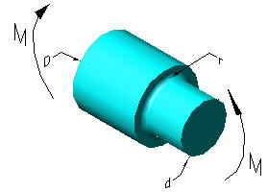
 | 2.00 | 0.90879 | -0.28598
 | 1.50 | 0.93836 | -0.25759
 | 1.20 | 0.97098 | -0.21796
 | 1.10 | 0.95120 | -0.23757
 | 1.07 | 0.97527 | -0.20958
 | 1.05 | 0.98137 | -0.19653
 | 1.03 | 0.98061 | -0.18381
 | 1.02 | 0.96048 | -0.17711
 | 1.01 | 0.91938 | -0.17032

Static stress concentration factor (Kt) for the round shaft above in bending:
 | Input Data
Larger diameter, D = | 4.000 | in
Smaller diameter, d = | 3.331 | in
Notch radius, r = | 0.250 | in
 | Calculation
D/d = | 1.20
 | Input Data From Table
Enter value from table above, A = | 0.97098
Enter value from table above, b = | -0.21796
 | Calculation
Kt = | A *(r / d)^b
Answer: Kt = | 1.71
Kt is the stress concentration factor (Kt) in static bending.
 | Input Data
Calculated nominal direct stress, σ = | 24000 | psi
Static notch concentration factor, Kt = | 1.98
 | Calculation
Calculated max direct stress, σ = | Kt*σ
σ = | 47520 | psi

Static stress concentration factor of a rectangular bar in bending.

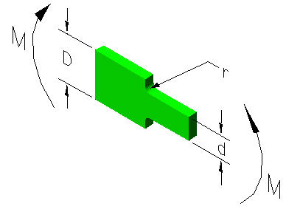

Kt Table
Geometric stress
concentration factor
(Kt) in static bending..
 |  | D/d=6 | D/d=1.2
 | r/d | Kt | Kt
 | 0.30 | 1.41 | 1.35
 | 0.25 | 1.48 | 1.40
 | 0.20 | 1.58 | 1.46
 | 0.15 | 1.73 | 1.52
 | 0.10 | 2.50 | 1.50
 | 0.05 | 2.68 | 2.07

Kt is the stress concentration factor (Kt) in static bending.
 | Input Data
Notch radius, r = | 0.125
Plate small depth, d = | 1.250 | -
Plate large depth, D = | 1.500 | -
 | Calculation
r/d = | 0.10 | -
D/d = | 1.2
 | Input Data
Calculated nominal direct stress, σ = | 30720 | psi
Static concentration factor from table, Kt = | 1.50
 | Calculation
Calculated max static direct stress, σ = | Kt*σ
σ = | 46080 | psi

Notches and Stress Concentration in Fatigue Cyclic Loading

Geometric stress concentration factor ( Kf ) in fatigue bending.
Fatigue notch sensitivity factor, q = | (Kf - 1)/ (Kt - 1)
or Fatigue notch sensitivity factor, q = | 1 / (1 + a^0.5/ r^0.5)
a^0.5 = | Neuber Constant
r = | Notch Radius

Fatigue stress concentration factor (Kf) |  |  | Sut (kpsi) | (a)^0.5
 |  |  | 50 | 0.130
 |  |  | 55 | 0.118
The fatigue stress concentration factor (Kf) is a |  |  | 60 | 0.108
function of the sensitivity factor (q). |  |  | 70 | 0.093
 |  |  | 80 | 0.080
 | Input Data |  | 90 | 0.070
Given ultimate tensile stress, kpsi, Sut = | 80 |  | 100 | 0.062
Type input from table, (a)^0.5 = | 0.080 |  | 110 | 0.055
Notch Radius, inches, r = | 0.125 |  | 120 | 0.049
Copy Kt data fom table above, Kt = | 1.500 |  | 130 | 0.044
 | Calculations |  | 140 | 0.039
Fatigue notch sensitivity factor, q = | 1 / (1 + a^0.5/ r^0.5) |  | 160 | 0.031
q = | 0.815 |  | 180 | 0.024
...
Fatigue Notch Sensitivity Factor, q applied to the nominal stress:
nominal stress, σnom = | 3416 | psi

Design fatigue endurance stress, σe = | Kf * σnom
From calculation above, Kf = | 1.408 | -
σe = | 4808 | psi

H
Rectangular Sections: | Input Data
Base, inches, B = | 0.500
Height, inches, H = | 1.250
 | Calculations
Section Area, A = | B*H
A = | 0.625 | in^2
B
Section vertical second area of moment, I = | B*H^3 / 12
I = | 0.081 | in^4

D
Circular Sections: | Input Data
Diameter, inches, D = | 1.500 | in
 | Calculations
Section Area, A = | π*D^2 / 4
A = | 1.767 | in^2
Section vertical second area of moment, I = | π*D^4 / 64
I = | 0.2485 | in^4
Section polar second area of moment, J = | π*D^4 / 32
J = | 0.4970 | in^4

END OF SECTION

SPUR GEARS
SPUR GEARS

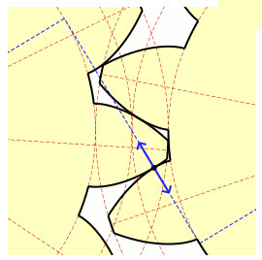
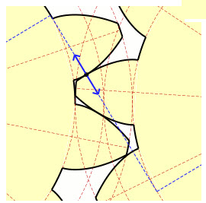

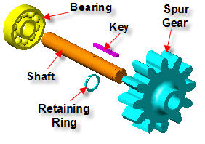
Circular pitch (CP) is the pitch circle arc length
between a point on one tooth and the corresponding
point on the adjacent tooth.

Diametral pitch (P) is the number of teeth per inch
of pitch circle diameter.

20°Pressure Angle (PA) is generally recognized as having higher load
carrying capacity than 14.5⁰ PA gears .
The 14.5⁰ pressure angle (PA) results in less backlash due to center |  |  |  |  |  |  | Pinion / Gear Pressure Angle
distance variation and concentricity errors than 20 degrees. |  |  |  |  |  |  | GEAR ANIMATION http://en.wikipedia.org/wiki/Involute_gear
RUSH GEARS – download cad drawings from:
http://www.rushgears.com

 |  |  |  |  |  | EXAMPLE ONLY
Spur Gear Dimensions |  |  |  |  |  | Stub Spur Gear Dimensions
 |  | Input |  |  |  |  |  |  | Input
Pressure angle, Pa = | 14.5 or 20 | 20 | deg. |  |  |  | Pressure angle, Pa = | 14.5 or 20 | 20 | deg.
Diametral pitch (Whole Number), DP = | N / D | 5.0 | - |  |  |  | Diametral pitch (Whole Number), DP = | N / D | 4.0 | -
...
 | CP / 2 | 0.314 | in |  |  |  | Circular thickness of gear teeth, T = | CP / 2 | 0.393 | in
 | D*Sin(90/57.3)/N | 0.200 | in |  |  |  | Chordal gear tooth thickness, TC = | D*Sin(90/57.3)/N | 0.250 | in
 | A + (T^2 / (4*D)) | 0.202 |  |  |  |  | Chordal addendum, AC = | A + (T^2 / (4*D)) | 0.254
 | 2*A | 0.400 | in |  |  |  | Working depth, WD = | 2*A | 0.500 | in
Fillet radius at tooth base, Rb = | 0.35 / DP | 0.070 | in |  |  |  | Fillet radius at tooth base, Rb = | 0.35 / DP | 0.088 | in
Note: Excel requires degrees to be converted to radians. Degrees x .01745 = Radians

Use the above spread sheet to calculate the dimensions of gears. |  |  |  |  |  | Do not use the example calculation above.

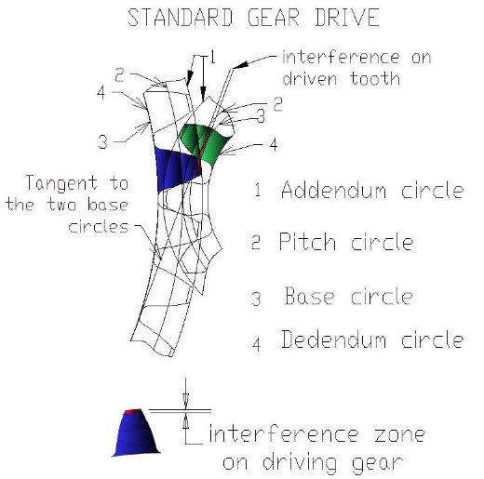
Gear Tooth Interference
There will be no interference if, Rbc < Ra | Input
From above: Gear pitch circle diameter, PCg = | 12.000 | in
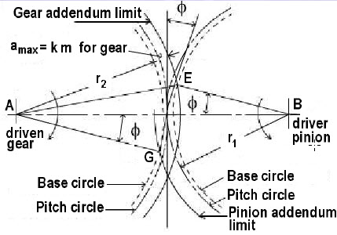
From above: Pinion pitch circle diameter, PCp = | 4.000 | in
From above: Gear = Pinion Addendum, A = | 0.200 | in
From above: Pressure angle, φ = | 20 | deg.
 | Calculation
Gear pitch circle radius, AG = | PCg / 2
= | 6.000 | in
GX = | AG*SIN(φ/57.30)
= | 2.0520
Pinion pitch circle radius, BE = | PCp/2
= | 2.000 | in
EX = | BE*SIN(φ/57.30)
= | 0.6840 | in
GE = | GX + EX
= | 2.7360 | in
UNDERCUTTING
When the number of teeth in a gear is small, the tip of the mating gear tooth may interfere with the lower portion of the tooth profile.
To prevent this, the generating process removes material at this point.
This results in loss of a portion of the involute adjacent to the tooth base, reducing tooth contact and tooth strength.
On 14-1/2°PA gears undercutting occurs where a number of teeth is less than 32 and for 20°PA less than 18.
Since this condition becomes more severe as tooth numbers decrease, it is recommended that the minimum number of teeth be 16 for 14-1/2°PA and 13 for 20°PA.
Gear addendum radius, AE = | (AG^2 + GE^2)^0.5
= | 6.594 | in
Gear addendum radius, AE = | AG + A
= | 6.200 | in | <<No interference

Pinion / Gear Speed Ratio and Center Distance
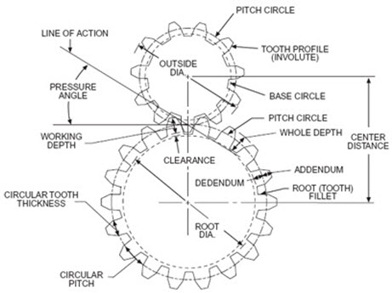
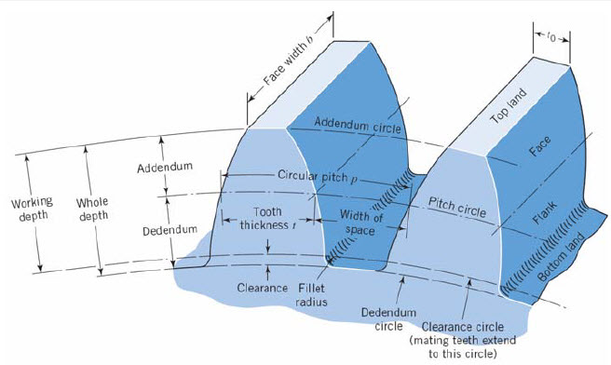

CENTER DISTANCE Stock spur gears are cut to operate at standard center distances.
The standard center distance being defined by:
Standard Center Distance = (Pinion PD + Gear PD) / 2
- BACKLASH
When mounted at this center distance, stock spur gears will
have the following average backlash:
 |  | Input
 | Pinion speed, Sp = | 500 | rpm |  |  | PINION AND GEAR CENTER DISTANCE
 | Desired Gear speed, Sg = | 200 | rpm
 | Pinion pitch circle diameter, Dp = | 5.000 | in
 | Diametral pitch of pinion & gear, P = | 6 | (Whole Number)
 |  | Calculation
 | Pinion teeth, Np = | DP*P
 | = | 30 | -
 | Gear speed ratio, R = | Sg / Sp
 | = | 2.500
 | Gear teeth, Ng = | R*Np
 | = | 75.0
 | Gear pitch circle diameter, Dg = | Ng / DP
 | = | 12.500 | in
 | Actual Gear speed, Sag = | Sp / R
 | = | 200.0 | rpm
 | Pinion and Gear center distance, C = | (Dp+Dg)/2
 | = | 8.750 | in

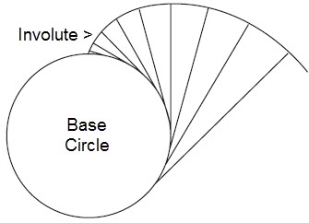

Spur Gear Teeth Stress
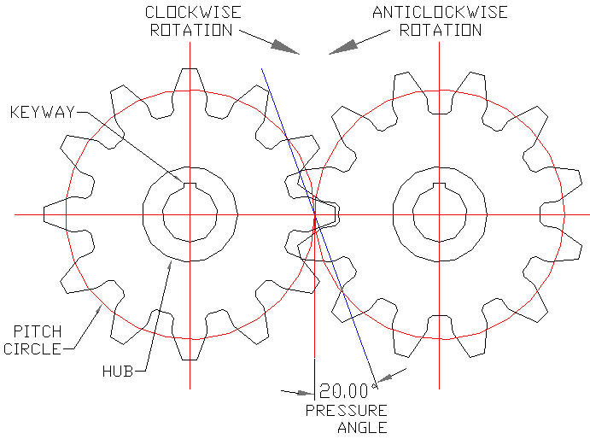
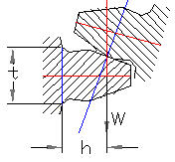

 |  |  |  |  |  | An involute is a curve that is traced by a point on a cord
 |  |  |  |  |  | unwinding from a circle, which is called a BASE CIRCLE.

EXAMPLE
Spur Gear Tooth load, W = 1,000 lbf
Tooth base thickness, t = 1.500 in
Tooth face width (into paper), b = 1.000 in
Pressure angle, Pa = 20 degrees
Diametral pitch, Pd = 4
Number of gear teeth, N = 32
Answer
Gear ToothBending Stress
5,789 lbf/in^2
Spur Gear Tooth Bending Stress
 | Input
Spur Gear Tooth load, W = | 1,000 | lbf
Tooth base thickness, t = | 0.500 | in
Tooth face width (into paper), b = | 1.000 | in
Pressure angle, Pa = | 20 | deg
Diametral pitch, Pd = | 4 | -
Number of gear teeth, N = | 32.0 | -
 | Calculation
Pitch circle diameter, D = | N / Pd
= | 8.000
Base circle diameter, BC = | D*Cos(Pa/57.3)
= | 7.518 | in dia
Moment arm length, h = | (D - BC)/2
= | 0.241 | in
Base half thickness, c = | t / 2
c = | 0.250 | in
Section modulus, I = | b*t^3 / 12
I = | 0.010416666667 | in^3
Moment applied to tooth, M = | W*h
= | 241 | in-lb
Gear tooth bending stress, Sb = | M*c / I
Sb = | 5,789 | lbf/in^2
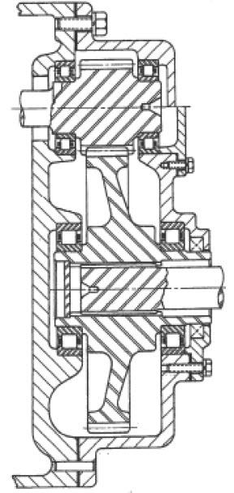
The stress calculated above does not include stress concentration or dynamic loading.

Gear Tooth Dynamic Load | Input
Pitch line velocity, Vp = | 100 | ft/min
Tooth face width, b = | 3.13 | in
Gear torque, T = | 1836 | in-lbf
Circular pitch radius, R = CP / 2 = | 3.00 | in
Deformation factor (steel gears), C = | 2950 | - | 4980
 | Calculation
Static load, F = | 2*T / R
F = | 1,224 | lbf
Dynamic load, Pd = | ((0.05*V*(b*C + F)) / (0.05*V + (b*C + F)^.5)) + F
Pd = | 1,711 | lbf

Strength of Gear Teeth |  |  |  |  |  | GEARBOX - SECTION VIEW
Strength of Gear Teeth- Lewis Equation - if pitch circle diameter is known
 | Input
Allowable gear tooth tensile stress, Sa = | 20,000 | lbf/in^2 |  |  | BOSTON GEAR Lewis Form Factor Y
Number of gear teeth, N = | 100 |  |  |  | Spur Gear | Pressure | Pressure
Pressure angle, Pa = | 20 | deg |  |  | Teeth | Angle 14 | Angle 20
Tooth width, b = | 1.000 | in |  |  | 10 | 0.176 | 0.201
Diametral pitch, DP = | 4 | Whole number |  |  | 12 | 0.210 | 0.245
Lewis form factor, Y = | 0.446 | - |  |  | 14 | 0.236 | 0.276
 | Calculation |  |  |  | 16 | 0.255 | 0.295
...
Pinion Lewis form factor, Yp = | 0.341 |  |  |  | 80 | 0.363 | 0.436
Gear Lewis form factor, Yg = | 0.446 |  |  |  | 90 | 0.366 | 0.442
Tooth face width (into paper), b = | 1.000 | in |  |  | 100 | 0.368 | 0.446
Boston Gear material allowable stress, Sa = | 25,000 | psi |  |  | 150 | 0.375 | 0.458
 | Calculation |  |  |  | 200 | 0.378 | 0.463
Pinion torque, Q = | 12*5252*HP / N |  |  |  | 300 | 0.382 | 0.471
= | 270 | in-lbs |  |  | Rack | 0.390 | 0.484
Pinion pitch circle diameter, Dp = | n / DP
 | 4.167 | in |  | Ref: | http://www.bostongear.com/litportal/pdfs/P-1482BG_pg133-153.pdf
Gear pitch circle diameter, Dg = | N / DP
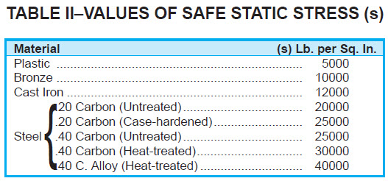
= | 16.667 | in
Gear speed, Sg = | Sp*n / N
= | 437.5 | rpm
Gear = Pinion pitch line velocity, V = | Sp*Dp*π / 12
= | 1909 | ft/min
Velocity factor, vf = | 600 / (600 + V)
= | 0.2391
Pinion tooth load at pitch circle, Wp = | Q / (Dp/2)
= | 130 | lbf
Gear tooth load at pitch circle, Wp = | Q / (Dg/2)
= | 32 | lbf
Modified Lewis Formula Gear Tooth Stress
Pinion tooth Lewis stress, SLP = | (DP*Wp /( b*Yp)) / vf
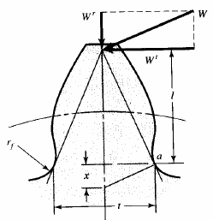
= | 9,539 | psi
Gear tooth Lewis stress, SLG = | (DP*Wg /( b*Yg)) / vf
= | 1,823 | psi
Gear stress safety factor, SF = | Sa / SLP
= | 2.62
Gear Tooth Stress Moment Stress
Gear base circle diameter, BC = | D*Cos(Pa/57.3)
= | 15.662 | in dia
Gear = Pinion tooth addendum, A = | 1 / DP
= | 0.167 | in
Gear tooth moment arm length, A + h = | A + (D - BC) / 2
= | 0.669 | in
Gear tooth chordal base thickness, t = | π*Dg / (2*N)
= | 0.262 | in
Section modulus, I = | b*t^3 / 12 |  |  |  | Lewis gear tooth bending stress is based on the x dimension.
I = | 0.001495 | in^3 |  |  | Gear tooth bending stress, SL = (DP*W) /( b*Yp)
Moment applied to tooth, M = | W*h
= | 87 | in-lb
Gear = Pinion tooth bending stress, Sg = | M*(t/2) / I
= | 7,595 | psi

The stress calculated above does not include stress concentration or dynamic loading.
...

WORM GEARS
...
 | Input Data
Worm rotational velocity at pitch radius, Vw = | Nw*p*π |  | 1.5 | 4.9212 | 0.038
= | 2062 | in/min | 2 | 6.5616 | 0.033
Sliding velocity (m/s), VS = | Vw / COS(LA/57.3) |  | 5 | 16.404 | 0.023
= | 2066 | in/min | 8 | 26.2464 | 0.02
= | 34.44 | in/sec | 10 | 32.808 | 0.018
= | 2.87 | ft/sec | 15 | 49.212 | 0.017
= | 0.875 | m/s | 20 | 65.616 | 0.016
Friction coefficient (f) for worm gears (Bronze -steel) |  |  | 30 | 98.424 | 0.016
Coefficient of friction, f = | 0,04 VS^-0,25
= | 0.0414
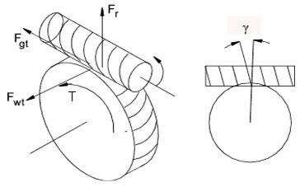

 | Calculation
Worm torque, Tw = | 5252*HP / Nw
= | 15.01 | ft-lb
Worm gear torque friction force, Fwt = | 12*Tw / (dw/2)
= | 103 | lb
Worm and gear ratio, R = | N / n
= | 16 | -
Gear rotational speed, Ng = | Nw / R
= | 109.4 | rpm
...

BEVEL GEARS
BEVEL GEARS

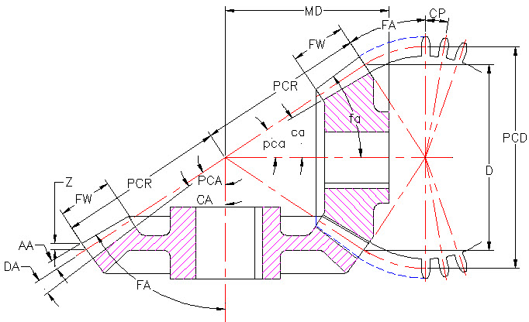

BEVEL or MITER GEAR PAIR
Bevel Pinion or Gear Data | Input-1
 | Whole Numbers
Bevel pinion number of teeth, t = | 20 | -
Common diametral pitch, DP = | 6 | -
Bevel gear number of teeth, T = | 40 | -
 | Calculation-1
Bevel pinion pitch circle diameter, pcd = | t / DP
= | 3.333 | in
...

Sheet1
...
 |  |  |  |  |  | 1 | 10
Resultant force, R = | ( H^2 + V^2 )^(1/2) |  | Follow Steps>> |  |  | 2 | 6
= | 11.7 |  | H = | 10.00 | lbs | 3 | Format
Angle, A = | 57.30 * ATAN(V / H) |  | V = | 6.00 | llbs | 4 | Format Cells
= | 30.97 |  | TAN(A) = | V/H |  | 5 | Number
 |  |  | = | 0.6000 | number | 6 | Decimal Places
GOAL SEEK method |  |  | Angle A = | ATAN(V/H) |  | 7 | 2
Step-1 Select the green cell C38 containing a formula. |  |  | = | 0.5404 | radians | 8 | OK
Step-2 Select: DATA > What-If Analysis > Goal Seek |  |  | A radians = | 57.3*A | degrees | 9 | 10.00
Step-3 To value: 14, for example |  |  | Angle A = | 57.3*A |  | 10 | 6.00
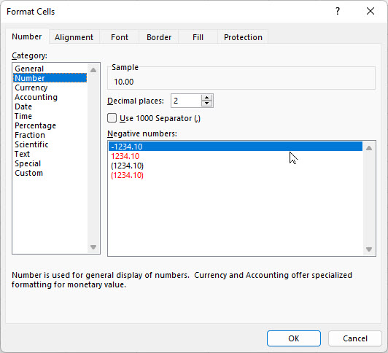
Step-4 Pick cell containing value to be changed by Excel: C34 or C35 > OK |  |  | = | 30.97 | degrees
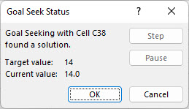
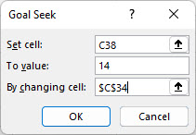

Select > OK and "Goal Seek Status'>> will open > OK

 |  | END OF SECTION

