1 Machines
M236 MACHINE DESIGN SPREAD SHEETS

MACHINE DESIGN
This 8 PDH machine design course uses Excel's calculating and optimizing capabilities. Machine design includes:
1. A description of the needed machine in a written specification.
2. Feasibility studies comparing alternate designs and focused research.
3. Preliminary; sketches, scale CAD drawings, materials selection, appearance and styling.
4. Functional analysis; strength, stiffness, vibration, shock, fatigue, temperature, wear, lubrication. Customer endurance and maintenance cost estimate.
5. Producibility; machine tools, joining methods, material supply and handling, manual vs automated manufacture.
6. Cost to design and manufacture one or more models in small and large quantities.
7. Market place: present competition and life expectancy of the product.
8. Customer service system and facilities.
9. Outsource part or all; engineering, manufacturing, sales, warehousing, customer service.
 |  |  | M236 MACHINE DESIGN

 |  |  |  | CONTENTS | Link
 |  |  | 1 | MACHINES | Machines
 |  |  | 2 | STRESS | Stress
 |  |  | 3 | SHAFT | Shaft
 |  |  | 4 | COUPLING | Coupling
 |  |  | 5 | ACTUATOR | Actuator
 |  |  | 6 | BRAKE | Brake
 |  |  | 7 | V-BELT & CHAIN | V-Belt & Chain
 |  |  | 8 | GEARS | Gears
 |  |  | 9 | HYD CYLINDERS | Hyd Cylinders
 |  |  | 10 | VIBRATION | Vibration
 |  |  | 11 | SHOCK & LOAD | Shock Load
 |  |  | 12 | MATH TOOLS | Math Tools

 |  |  | John Andrew LLC
 |  |  | Copyright © 11/15/2022
DISCLAIMER: The materials contained in the online course are not intended as a representation or warranty on the part of John Andrew LLC or any other person/organization named herein. The materials are for general information only. They are not a substitute for competent professional advice. Application of this information to a specific project should be reviewed by a registered professional engineer. Anyone making use of the information set forth herein does so at their own risk and assumes any and all resulting liability arising therefrom.
DISCLAIMER: The materials contained in the online course are not intended as a representation or warranty on the part of John Andrew LLC or any other person/organization named herein. The materials are for general information only. They are not a substitute for competent professional advice. Application of this information to a specific project should be reviewed by a registered professional engineer. Anyone making use of the information set forth herein does so at their own risk and assumes any and all resulting liability arising therefrom.
DISCLAIMER: The materials contained in the online course are not intended as a representation or warranty on the part of John Andrew LLC or any other person/organization named herein. The materials are for general information only. They are not a substitute for competent professional advice. Application of this information to a specific project should be reviewed by a registered professional engineer. Anyone making use of the information set forth herein does so at their own risk and assumes any and all resulting liability arising therefrom.
DISCLAIMER: The materials contained in the online course are not intended as a representation or warranty on the part of John Andrew LLC or any other person/organization named herein. The materials are for general information only. They are not a substitute for competent professional advice. Application of this information to a specific project should be reviewed by a registered professional engineer. Anyone making use of the information set forth herein does so at their own risk and assumes any and all resulting liability arising therefrom.

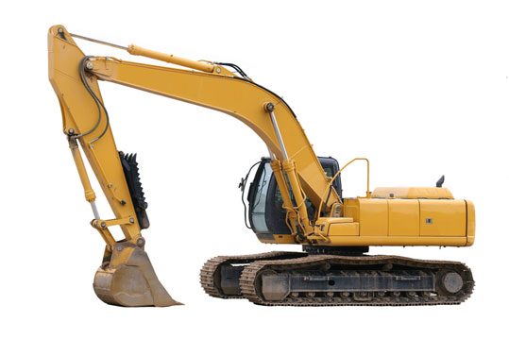

Backhoe
Above is the image in its original context on the page:
www.chesterfieldgroup.co.uk/products/mobile.html

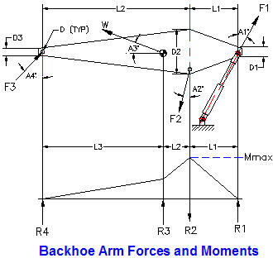

Strength and Stiffness Analysis
The strength and stiffness analysis of the backhoe begins with a, "Free Body Diagram" of one of the members, shown above :
Force F1 = Hydraulic pressure x piston area.
Weight W = arm material volume x density.
Force F3 = (Moments due to F1 and W) / (L1 x cos A4)
Force F2 = ( (F1 cos A1) - (W sin A3) + (F3 cos A4) ) / cos A2
Moment Mmax = F1 x cos A1 x L1
Arm applied bending stress, S = K x Mmax D2 / (2 I)
I = arm area moment of inertial at D2 and
K = combined vibration shock factor.
Safety factor, SF = Material allowable stress / Applied stress
The applied stress and safety factor must be calculated at each high stress point.

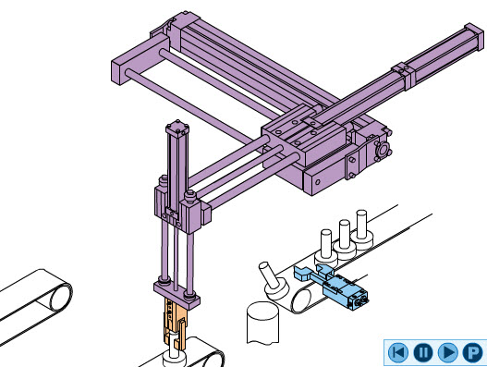

 | PICK & PLACE ROBOTS BY PHD
 | https://www.phdinc.com/
Pick and Place Robot
A gripper is attached at the bottom end of the vertical X direction actuator. The vertical actuator is supported by a horizontal Y direction actuator. The Y direction actuator is moved in the horizontal Z direction by the bottom actuator.
This pick-and-place robot can be programmed to move the gripper rapidly from point to point anywhere in the X, Y, Z three dimensional zone. For more click on the, "Pwr Screw" tab at the bottom of the display.
Shredder
Above is the image in its original context on the page: www.traderscity.com/.../
Material to be shredded falls by gravity or is conveyed into the top inlet.
A rotating disc with replicable cutters in its circumference performs the shredding. The tensile stress in a rotating disc, S = V2 x ρ / 3 lbf/in2.
The disc is mounted and keyed to a shaft supported by roller bearings on each side. The shaft is directly coupled to a three phase electric motor.
The coupling joining the motor and disc shafts is covered by a safety guard.

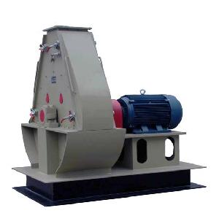

INDUSTRIAL GRINDER The replicable bearings have seals to keep the grease or oil lubricant in and the dust and grit out.
Quick release access panels are provided for clearing jams and cutter replacement.
A large, steel rod reinforced concrete pad, foundation is usually provided for absorbing dynamic shredding forces and shock loads.

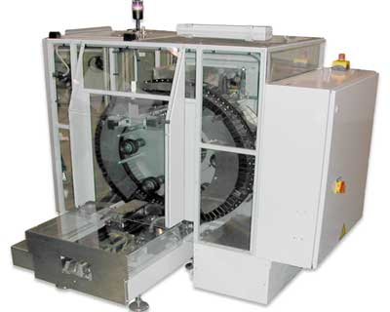

Automated Packaging Machine
The relatively high cost of labor in the United States requires automated manufacturing and assembly to be price and quality competitive in the world market.
Above is the image in its original context on the page: www.mardenedwards.com/custom-packaging-machin…
ove is one example.

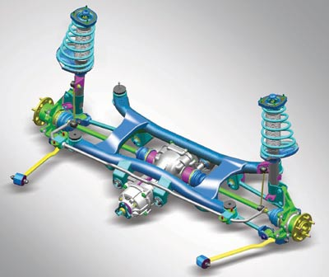

Automobile Independent Front Suspension
Above is the image in its original context on the page: www.hyundai.co.in/tucson/tucson.asp?pageName=...
Coil springs absorb shock loads on bumps and rough roads in the front suspension above. Double acting shock absorbers dampen suspension oscillations. Ball joints in the linkage provide swiveling action that allows the wheel and axle assembly to pivot while moving up and down. The lower arm pivots on a bushing and shaft assembly attached to the frame cross member. These components are applied in many other mechanisms.

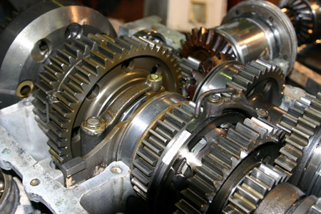

Spur Gears
Image in its original context on the page: www.usedmills.net/machinery-equipment/feed/
Select the, "Gears" tab at the bottom of the Excel Worksheet for more information about spur gears.

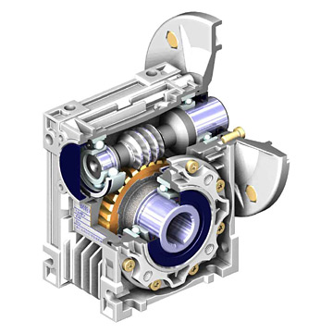

Wheel and Worm Gears
Typical, "C-face worm gearbox below. C-face refers to the round flange used to attach a mating motor flange. Worm gears offer higher gear ratios in a smaller package than any other mechanism. A 40 to 1 ratio increases torque by a factor of 40 while reducing worm gear output shaft speed to 1/40 x input speed.
The worm may have a single, double, or more thread. The axial pitch of the worm is equal to the circular pitch of the wheel. Select the, "Gears" tab at the bottom of the Excel Worksheet for more information about worm gears.
Above is the image in its original context on the page: www.global-b2b-network.com/b2b/17/25/751/gear...

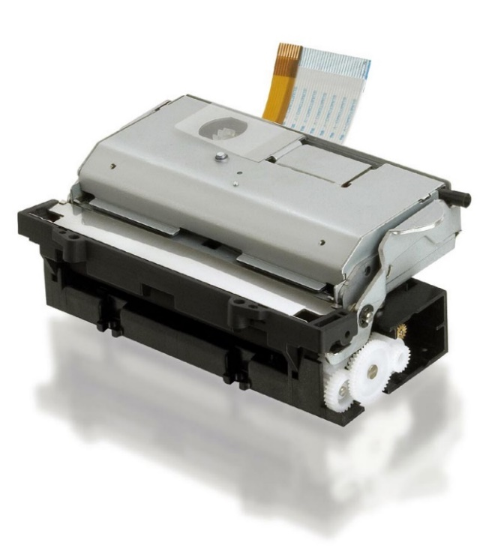

Laser Jet Printer
The computerized printer above has many moving parts: linkages, gears, shafts, bushings, bearings, etc, for manipulating sheets of paper. The design and analysis of the light weight plastic components of such a printer requires the same principals as do many heavy duty machines with steel and aluminum parts.
Observance of functional quality control in the design stage has improved their reliability in recent years.
Above is the image in its original context on the page: news.thomasnet.com/fullstory/531589

 |  | END OF SECTION

2 Stress
STRESS

* Machine components are designed to withstand: applied direct forces, moments and torsion.

* These loads may be applied gradually, suddenly, and repeatedly.

* The design load is equal to the applied load multiplied by a combined shock and fatigue factor, Ks.

* The average applied design stress must be multiplied by a stress concentration factor K.

* Calculated deflections are compared with required stiffness.

 |  | Math Symbols
 | A x B = | A*B | A / B = | A / B
Spread Sheet Method: | 2 x 3 = | 2 * 3 | 3 / 2 = | 3 / 2
1. Type in values for the input data. | = | 6 | = | 1.5
2. Enter.
3. Answer: X = will be calculated. | A + B = | A + B | Xn = | X^n
4. Automatic calculations are bold type. | 2 + 3 = | 2 + 3 | 23 = | 2^3
 | = | 5 | = | 8
When using Excel's Goal Seek, unprotect the spread sheet by selecting:
Drop down menu: Tools > Protection > Unprotect Sheet > OK
When Excel's Goal Seek is not needed, restore protection with:
Drop down menu: Tools > Protection > Protect Sheet > OK

TENSION AND COMPRESSION
As shown below, + P = | Tension
- P = | Compression

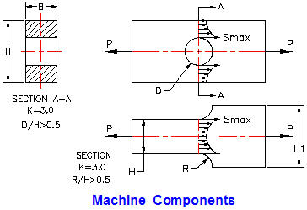

Reference: Design of Machine Elements, by V.M. Faires, published by: The Macmillan Company, New York/Collier-Macmillan Limited, London, England.

Two machine components, shown above, are subjected to loads P at each end.
The force P is resisted by internal stress S which is not uniform.
At the hole diameter D and the fillet radius R stress is 3 times the average value.
This is true for tension +P and compression -P.

Machine Component Maximum Stress Calculation |  | Use if: D/H > 0.5 or R/H > 0.5
Refer to the diagram above: | Input
External force, ± P = | 2000 | lbf
Section height, H = | 3.5 | in
Section width, B = | 0.5 | in
Original length, L = | 5 | in
Stress concentration factor, K = | 3.0 | -
Combined shock and fatigue factor, Ks = | 3.0 | -
 | Calculations
Section area, A = | H*B
= | 1.75 | in^2
Maximum direct stress, Smax = | K*Ks*P / A
= | 10286 | lbf/in^2
Safety factor, SF = | Sa / Smax
= | 2.14 | -

Material | E x 10^6 lbf/in^2 | G x 10^6
Brass | 15.0 | 5.80
Bronze | 16.0 | 6.50
ASTM A47-52 Malleable Cast Iron | 25.0 | 10.70
Duralumin | 10.5 | 4.00
Monel Metal | 26.0 | 10.00
ASTM A-36 (Mild Steel) | 29.0 | 11.50
Nickel-Chrome Steel | 28.0 | 11.80

 | Input
Tension ( + ) Compression ( - ), P = | 22000 | lbf/in^2
Section Area, A = | 2.00 | in^2
Original length, L = | 10 | in
Original height, H = | 3 | in
Material modulus of elasticity, E = | 29000000 | lbf/in^2 | See table above.
 | Calculation
Stress (tension +) (compression -), S = | P / A
= | 11000 | lbf/in^2
Strain, e = | S / E
= | 0.00038 | -
Extension (+), Compression ( - ), X = | L*e
= | 0.0038 | in
Poisson's Ratio, Rp = 0.3 = | ((H - Ho) / H) / e | For most metals
Transverse (contraction +) (expansion -) = | (H - Ho)
= | 0.3*e*H
= | 0.00034 | in

Shear Stress Distribution
A stress element at the center of the beam reacts to the vertical load P with a vertical up shear stress vector at the right end and down at the other.
This is balanced by horizontal right acting top and left acting bottom shear stress vectors.
A stress element at the top or bottom surface of the beam cannot have a vertical stress vector.
The shear stress distribution is parabolic.

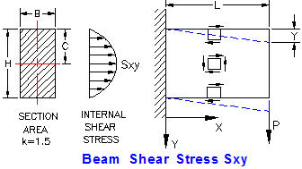

 | Input
External shear force, P = | 2200 | lbf
Section height, H = | 3.500 | in
Section width, B = | 1.250 | in
Shear modulus, G = | 1150000 | lbf/in^2
Length, L = | 12 | in
 | Calculation
Section area, A = | H*B
A = | 4.375 | in^2
Shear stress concentration factor, k = | 1.5 | -
Maximum shear stress, Sxy = | k*P / A
= | 754 | lbf/in^2
Shear strain, e = | Fs / G | -
= | 0.00066 | -
Shear deflection, v = | e*L
= | 0.0079 | in

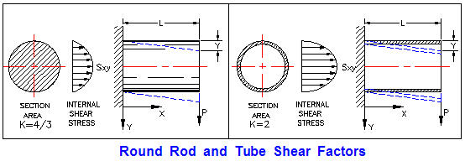

SHEAR STRESS IN ROUND SECTION BEAM
Refer to the diagram above:
Solid shafts: K = 1.5 & d = 0.
Thin wall tubes: K = 2.0 & d is not zero. | Input
External shear force, P = | 4000 | lbf
Section outside diameter, D = | 1.500 | in
Section inside diameter, d = | 0.000 | in
Shear stress concentration factor, k = | 1.33 | -
Shear modulus, G = | 1.15E+06 | lbf/in^2
Length, L = | 5 | in
 | Calculation
Section area, A = | π*( D^2 - d^2 )/ 4
A = | 1.7674 | in^2
Maximum shear stress, Fs = | k*P / A
Fs = | 3010 | lbf/in^2
Shear strain, e = | Fs / G | -
e = | 0.00262 | -
Shear deflection, v = | e*L
v = | 0.0131 | in

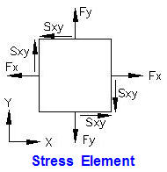
COMPOUND STRESS

Stress Element
The stress element right is at the point of interest in the machine part subjected to operating: forces, moments, and torques.
Direct Stresses:
Horizontal, +Fx = tension, -Fx = compression.
Vertical, +Fy = tension, -Fy = compression.
Shear stress:
Shear stress, Sxy = normal to x and y planes.
Principal Stress Plane:
The vector sum of the direct and shear stresses, called the principal stress F1, acts on the principal plane angle A degrees, see right.
There is zero shear force on a principal plane. Angle A may be calculated from the equation:
Tan 2A = 2 x Sxy / ( Fy - Fx)

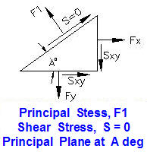

Principal Stresses:
Two principal stresses, F1 and F2 are required to balance the horizontal and vertical applied stresses, Fx, Fy, and Sxy.
The maximum shear stress acts at 45 degrees to the principal stresses, shown right.
The maximum shear stress is given by:
Smax = ( F2 - F1 ) / 2
The principal stress equations are given below.

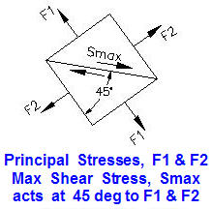

PRINCIPAL STRESSES
Principal stress, F1 = | (Fx+Fy)/2 + [ ((Fx-Fy)/2)^2 + Sxy^2 )^0.5 ]

Principal stress, F2 = | (Fx+Fy)/2 - [ ((Fx-Fy)/2)^2 + Sxy^2 )^0.5 ]

Max shear stress, Sxy = | [Fn(max) - Fn(min)] / 2

Principal plane angle, A = | ( ATAN(2*Sxy / (Fy - Fx) ) / 2

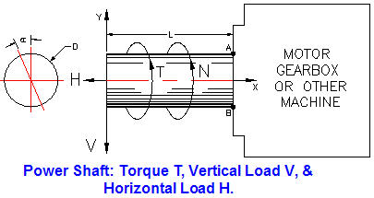
See Math Tab below for Excel's Goal Seek.
Use Excel's, "Goal Seek" to optimize shaft diameter.

Power Shaft with: Torque T, Vertical Load V, & Horizontal Load H
 | Input
Horizontal force, H = | 3000 | lbf
Vertical force, V = | 600 | lbf
Torsion, T = | 2000 | in-lbf
Cantilever length, L = | 10 | in
Diameter, D = | 2 | in

Properties at section A-B | Calculation
π = | 3.1416 | -
Area, A = | π*D^2 / 4
A = | 3.142 | in^2
Section moment of inertia, I = | π*D^4 / 64
I = | 0.7854 | in^4
Polar moment of inertia, J = | π*D^4 / 32
J = | 1.5708 | in^4
AT POINT "A"
Horizontal direct stress, Fd = | H / A
Fd = | 955 | lbf/in^2
Bending stress, Fb = | M*c / I
Fb = | 7639 | lbf/in^2
Combined direct and bending, Fx = | H/A + M*c / I
Fx = | 8594 | lbf/in^2
Direct stress due to, "V", Fy = | 0 | lbf/in^2
Torsional shear stress, Sxy = | T*(D / 2) / J
Sxy = | 1273 | lbf/in^2

Max normal stress at point A, F1 = | (Fx+Fy)/2 + [ ((Fx-Fy)/2)^2 + Sxy^2 )^0.5 ]
F1 = | 8779 | lbf/in^2
Min normal stress at point A, F2 = | (Fx+Fy)/2 - [ ((Fx-Fy)/2)/2)^2 + Sxy^2 )^0.5 ]
F2 = | -185 | lbf/in^2
Max shear stress at point A, Sxy = | [Fn(max) - Fn(min)] / 2
= | 4482 | lbf/in^2

AT POINT "B"
Horizontal direct stress, Fd = | H/A
Fd = | 955 | lbf/in^2
Bending stress, Fb = | -M*c / I
Fb = | -7639 | lbf/in^2
Combined direct and bending, Fx = | H/A + M*c / I
Fx = | -6684 | lbf/in^2
Direct stress due to, "V", Fy = | 0 | lbf/in^2
Torsional shear stress, Sxy = | T*D / (2*J)
Sxy = | 1273 | lbf/in^2

Max normal stress at B, F1 = | (Fx+Fy)/2 + [ ((Fx-Fy)/2)^2 + Sxy^2 )^0.5 ]
F1 = | 234 | lbf/in^2
Min normal stress at B, F2 = | (Fx+Fy)/2 - [ ((Fx-Fy)/2)^2 + Sxy^2 )^0.5 ]
F2 = | -6919 | lbf/in^2
Max shear stress at B, Sxy(max) = | [Fn(max) - Fn(min)] / 2
 | 3577 | lbf/in^2

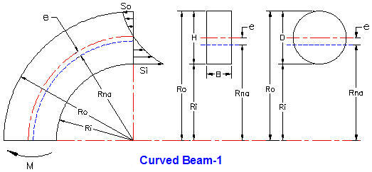

Curved Beam-Rectangular Section
 | Input
Outside radius, Ro = | 8.500 | in
Inside radius, Ri = | 7.000 | in
Section width, B = | 1.500 | in
Applied moment, M = | 500 | in-lbf
 | Calculation
Section height, H = | Ro - Ri | in
= | 1.500 | in
Section area, A = | 2.250 | in^2
Section neutral axis radius = | Rna
Radius of neutral axis, Rna = | H / Ln(Ro / Ri)
= | 7.726 | in
e = | Ri + H/2 - Rna
= | 0.024 | in
Inside fiber bending stress, Si = | M*(Rna-Ri) / (A*e*Ri)
= | 950 | lbf/in^2
Outside fiber bending stress, So = | M*(Ro-Rna) / (A*e*Ri)
= | 1013 | lbf/in^2
Curved Beams-Circular Section
Curved Beam-Section diameter, D = | Ro - Ri
= | 1.500 | in
Section radius of neutral axis, Rna = | 0.25*(Ro^0.5 + Ri^0.5)^2
= | 7.732 | in
e = | Ri + D/2 - Rna
= | 0.018 | in
Inside fiber bending stress, Si = | M*(Rna-Ri) / (A*e*Ri)
= | 1626 | lbf/in^2
Outside fiber bending stress, So = | M*(Ro-Rna) / (A*e*Ro)
= | 1406 | lbf/in^2

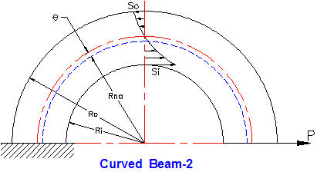

Circular Beam-2
 | Input
Outside radius, Ro = | 6.000 | in
Inside radius, Ri = | 4.000 | in
Applied moment, M = | 175 | in-lbf
 | Calculation
Curved Beam-Section diameter, D = | Ro - Ri
D = | 2 | in
Section radius of neutral axis, Rna = | 0.25*(Ro^0.5 + Ri^0.5)^2
Rna = | 4.949 | in
e = | Ri + D/2 - Rna
e = | 0.051 | in
Inside fiber bending stress, Si = | (P*(Rna+e))*(Rna-Ri) / (A*e*Ri)
= | 1309 | lbf/in^2
Outside fiber bending stress, Fo = | M*(Ro-Rna) / (A*e*Ro)
= | 193 | lbf/in^2

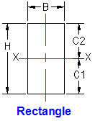
Rectangular Section Properties
 | Input
Breadth, B = | 1.500 | in
Height, H = | 3.000 | in
 | Calculation
Section moment of inertia, Ixx = | B*H^3 / 12
= | 3.375 | in^4
Center of area, C1 = C2 = | H / 2
= | 1.5 | in

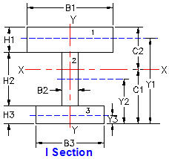

 | I and C Sections
 | Input |  | Calculation
 | Bn | Hn | A | Yn
1 | 9 | 2 | 18 | 11
2 | 1.5 | 7 | 10.5 | 6.5
3 | 6 | 3 | 18 | 1.5
 |  | ΣA = | 46.5

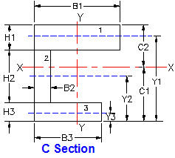
 |  | Calculation
 | Yn | A*Yn | A*Yn^2 | Icg
1 | 11.000 | 198.00 | 2178.00 | 6.00
2 | 6.500 | 68.25 | 443.63 | 42.88
3 | 1.500 | 27.00 | 40.50 | 13.50
 | Σ = | 293.25 | 2662.13 | 62.38

 |  | Calculation
 | Section modulus, Ixx = | ΣA*Yn^2 + ΣIcg
 | = | 2724.50 | in^4
 | Center of area, C1 = | ΣA*Yn/ΣA
 | = | 6.306 | in
 | C2 = | Y1 + H1/2
 | = | 12.000 | in

 | Input
P = | 2200 | lbf
L = | 6 | in
a = | 2 | in
 | Calculation
b = | L - a
 | 4
Cantilever, MMAX at B = | P * L
Ref: AISC Manual of Steel Construction.
 | 13200 | in-lbs
Fixed ends, MMAX, at C ( a < b ) = | P * a * b^2 / L^2
 | 1956 | in-lbs
Pinned ends, MMAX, at C = | P * a * b / L
 | 2933 | in-lbs

Enter value of applied moment MMAX from above:
Bending shock & fatigue factor, Kb = | 3 | Data
Bending stress will be calculated. | Input
Applied moment from above, MMAX = | 13200 | in-lbf
Larger of: C1 and C2 = C = | 12.00 | in
Section moment of inertia, Ixx = | 4.66 | in^4
Bending shock & fatigue factor, Kb = | 1.50 | -
 | Calculation
Max moment stress, Sm = | Kb*M*C / I
= | 50987 | lb/in^2

 | Input |  | Calculation
 | Bn | Hn | A | Yn
1 | 2 | 9 | 18.00 | 1.00
2 | 7 | 1.5 | 10.50 | 3.50
3 | 3 | 6 | 18.00 | 1.50
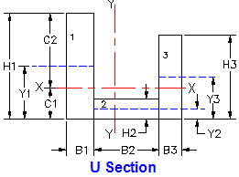
 |  | ΣA = | 46.5

 |  | Calculations
 | Yn | A*Yn | A*Yn^2 | Icg
 | 1.000 | 9.00 | 4.50 | 121.50
 | 3.500 | 18.38 | 32.16 | 1.97
 | 1.500 | 13.50 | 10.13 | 54.00
 | Σ = | 40.88 | 46.78 | 177.47

 | Section modulus, Ixx = | ΣA*h^2 + ΣIcg
 | = | 224.25 | in^4
 | Center of area, C1 = | ΣA*Yn/ΣA
 | = | 0.879 | in
 | C2 = | B1 - C1
 | = | 1.121 | in

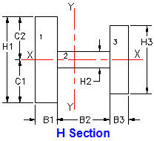
 | Symmetrical H Section Properties
 | Input |  | Calculation
 | Bn | Hn | A | Icg
1 | 2 | 9 | 18.00 | 6
2 | 7 | 1.5 | 10.50 | 43
3 | 3 | 6 | 18.00 | 14
 |  | ΣA = | 46.5 | 62

 | Center of gravity, Ycg = | B1 / 2
 | = | 1.000 | in
 | Section modulus, Ixx = | ΣIcg
 | = | 62 | in^4
 | Center of area, C1 = C2 = | B1 / 2
 | = | 1.000

Enter value of applied moment MMAX from above:
 | Input
P = | 1800 | lbf
L = | 12 | in
a = | 3 | in
 | Calculation
b = | L - a
= | 9
Cantilever, MMAX at B = | P * L
Ref: AISC Manual of Steel Construction.
= | 21600 | in-lbs
Fixed ends, MMAX, at C ( a < b ) = | P * a * b^2 / L^2
= | 3038 | in-lbs
Pinned ends, MMAX, at C = | P * a * b / L
 | 4050 | in-lbs

Enter values for applied moment at a beam section given: C, Ixx and Ycg.

Bending stress will be calculated. | Input
Applied moment from above, MMAX = | 13200 | in-lbf
Larger of: C1 and C2 = C = | 1.750 | in
Section moment of inertia, Ixx = | 4.466 | in^4
Bending shock & fatigue factor, Kb = | 1.5 | -
Shaft material elastic modulus, E = | 29000000 | lb/in^2
 | Calculation
Beam length from above, L = | 12 | in
Beam load from above, P = | 1800 | lbf
Max moment stress, Sm = | Kb*M*C / I
= | 7759 | lb/in^2
Cantilever deflection at A, Y = | P*L^3 / (3*E*I)
 | 0.0080 | in
Fixed ends deflection at C, Y = | P*a^3 * b^3 / (3*E*I*L^3)
 | 0.000053 | in
Pinned ends deflection at C, Y = | P*a^2 * b^2 / (3*E*I*L)
 | 0.000281 | in

 | END OF SECTION

3 Shaft
SHAFTS

Spread Sheet Method:
1. Type in values for the input data.
2. Enter.
3. Answer: X = will be calculated.
4. Automatic calculations are bold type.

DESIGN OF POWER TRANSMISSION SHAFTING
The objective is to calculate the shaft size having the strength and rigidity required to transmit an applied torque. The strength in torsion, of shafts made of ductile materials are usually calculated on the basis of the maximum shear theory.
ASME Code states that for shaft made of a specified ASTM steel:
Ss(allowable) = 30% of Sy but not over 18% of Sult for shafts without keyways.
These values are to be reduced by 25% if the shafts have keyways.
Shaft design includes the determination of shaft diameter having the strength and rigidity to transmit motor or engine power under various operating conditions.
Shafts are usually round and may be solid or hollow.
Shaft torsional shear stress: Ss = T*R / J
Polar moment of area: J = π*D^4 / 32 for solid shafts
J = π*(D^4 - d^4) / 32 for hollow shafts
Shaft bending stress: Sb = M*R / I
Moment of area: I = π*D^4 / 64 for solid shafts
I = π*(D^4 - d^4) / 64 for hollow shafts
The ASME Code equation for shafts subjected to: torsion, bending, axial load, shock, and fatigue is:
Shaft diameter cubed,
D^3 = (16/π*Ss(1-K^4))*[ ( (KbMb + (α*F_{α}*D*(1+K^2)/8 ]^2 + (Kt*T)^2 ]^0.5
Shaft diameter cubed with no axial load,
D^3 = (16/π*Ss)*[ (KbMb)^2 + (Kt*T)^2 ]^0.5
K = D/d D = Shaft outside diameter, d = inside diameter
Kb = combined shock & fatigue bending factor
Kt = combined shock & fatigue torsion factor

α = column factor = 1 / (1 - 0.0044*(L/k)^2 for L/k < 115
L = Shaft length k = (I/A)^0.5 = Shaft radius of gyration
A = Shaft section area
For rotating shafts: Kb = 1.5, Kt = 1.0 for gradually applied load
Kb = 2.0, Kt = 1.5 for suddenly applied load & minor shock
Kb = 3.0, Kt = 3.0 for suddenly applied load & heavy shock
Power Transmission Shaft Design Calculations
Input shaft data for your problem below and Excel will calculate the answers, Excel' "Goal Seek" may be used to optimize the design of shafts, see the Math Tools tab below.

1. ASME Code Shaft Allowable Stress | Input
Su = | 58000 | lbf/in^2
Sy = | 36000 | lbf/in^2
 | Calculate
Allowable stress based on Su, Sau = | 18% * Su
 | 10440 | lbf/in^2
Allowable stress based on Sy, Say = | 30% * Sy
 | 10800 | lbf/in^2
Allowable shear stress based on Su, Ss = | 75% * Sau
 | 7830 | lbf/in^2

2. ASME Code Shaft Diameter | Input
Lowest of Sau, Say, & Ss: Sa = | 7830 | lbf/in^2
Power transmitted by shaft, HP = | 10 | hp
Shaft speed, N = | 300 | rpm
Shaft vertical load, V = | 0 | lbf
Shaft length, L = | 10 | in
Kb = | 1.5
Kt = | 1
 | Calculate
Shaft torque, T = | HP * 63000 / N
= | 2100 | in-lbf
Vertical Moment, M = | V * L
 | 0 | lbf-in
ASME Code for shaft with keyway, D^3 = | (16 / (π*Sa) ) * ( (Kb*Mb)^2 + ( Kt*T)^2 )^0.5
= | 1.366 | in^3
Minimum shaft diameter, D = | 1.109 | in

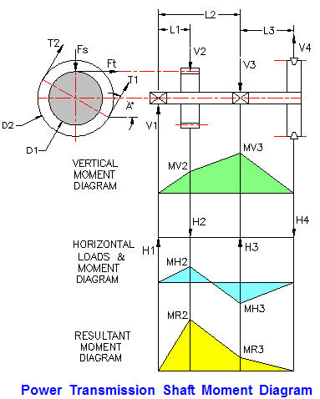

Shaft Material Ultimate & Yield Stresses
 | Input
Su = | 70000 | lbf/in^2
Sy = | 46000 | lbf/in^2
ASME Code Shaft Allowable Stress | Calculate
Allowable stress based on Su, Sau = | 18% * Su
 | 12600 | lbf/in^2
Allowable stress based on Sy, Say = | 30% * Sy
 | 13800 | lbf/in^2
Allowable shear stress based on Su, Ss = | 75% * Sau
 | 9450 | lbf/in^2

Shaft Power & Geometry
 | Input
Lowest of Sau, Say, & Ss: Sa = | 9450 | lbf/in^2
Power transmitted by V-Belt, HP = | 20 | hp
Shaft speed, N = | 600 | rpm
T1 / T2 = | 3
A = | 60 | deg
L1 = | 10 | in
L2 = | 30 | in
L3 = | 10 | in
D1 = | 8 | in
D2 = | 18 | in
V-Pulley weight, Wp = | 200 | lbs
Spur gear pressure angle, (14 or 20 deg) B = | 20 | deg
Kb = | 1.5 | -
Kt = | 1 | -
 | Calculate
Shaft torque, T = | HP * 63000 / N
= | 2100 | in-lbf
T2 / T1 = B = | 3
T1 - T2 = | T / (D2 / 2)
T2 = | -( T / (D2 / 2) ) / (1 - B)
= | 117 | lbf
T1 = | B * T2
= | 350 | lbf
Vertical Forces
V2 = Fs = | Ft * Tan( A )
= | 191 | lbf
V4 = | ( (T1 + T2) * Sin( A ) )-Wp
= | 204 | lbf
V3 = | ( (V4*(L2 + L3)) - (V2*L1) ) / L2
 | 208 | lbf
V1 = | V2 + V3 - V4
 | 195 | lbf

Vertical Moments
Mv2 = | V1 * L1
 | 1954 | lbf-in
Mv3 = | V4 * L3
 | 2041 | lbf-in
Horizontal Forces
H2 =Ft = | T / (D1 / 2)
 | 525 | lbf
H4 = | (T1 + T2) * Cos( A )
 | 233 | lbf
H3 = | ( (H4*(L2 + L3)) + (H2*L1) ) / L2
 | 486
H1 = | H2 - H3 + H4
 | 272
Horizontal Moments
Mh2 = | H1 * L1
 | 2722 | lbf-in
Mh3 = | H4 * L3
 | 2334 | lbf-in
Resultant Moments
Mr2 = | (Mv2^2 + Mh2^2)^0.5
 | 3351 | lbf-in
Mr3 = | (Mv3^2 + Mh3^2)^0.5
 | 3100 | lbf-in
 | Input
Larger of: Mr2 & Mr3 = Mb = | 3351 | lbf-in
Calculate Shaft Diameter | Calculate
ASME Code for shaft with keyway, D^3 = | (16 / (π*Sa) ) * ( (Kb*Mb)^2 + ( Kt*T)^2 )^0.5
= | 2.936 | in^3
D = | 1.431 | in

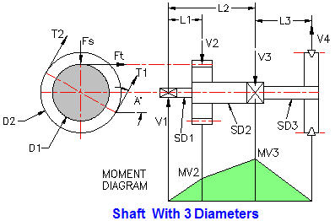

Shaft Material Ultimate & Yield Stresses | Input
Su = | 70000 | lbf/in^2
Sy = | 46000 | lbf/in^2
ASME Code Shaft Allowable Stress | Calculate
Allowable stress based on Su, Sau = | 18% * Su
 | 12600 | lbf/in^2
Allowable stress based on Sy, Say = | 30% * Sy
 | 13800 | lbf/in^2
Allowable shear stress based on Su, Ss = | 75% * Sau
 | 9450 | lbf/in^2

Shaft Power & Geometry | Input
...
Calculate Shaft Diameter | Calculate
ASME Code for shaft with keyway, D^3 = | (16 / (π*Sa) ) * ( (Kb*Mb)^2 + ( Kt*T)^2 )^0.5
= | 5.567 | in^3
D = | 1.771 | in

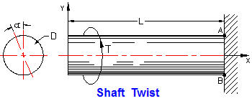

Power Shaft Torque | Input
Motor Power, HP = | 7.5 | hp
Shaft speed, N = | 1750 | rpm
Torque shock & fatigue factor, Kt = | 3
Shaft diameter, D = | 1.000 | in
Shaft length, L = | 5 | in
Shaft material shear modulus, G = | 11500000 | psi
...
 | Calculation
Section polar moment of area, J = | π*D^4 / 32
= | 0.060 | in^4
Shear stress due to Td, ST = | Td*D / (2*J)
= | 8000 | lbf/in^2 | < GOAL SEEK
Shaft torsion deflection angle, a = | Td*L / (J*G)
= | 0.0158 | radians
= | 0.90 | degrees

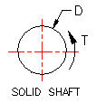
POLAR MOMENT OF AREA AND SHEAR STRESS
 | Input
Torsion, T = | 360 | in-lbf
Round solid shaft diameter, D = | 2.000 | in
 | Calculation
Section polar moment of inertia, J = | π*D^4 / 32
= | 1.571 | in^4
Torsion stress, Ft = | T*(D/2) / J
= | 229 | lb/in^2

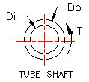
 | Input
Torsion, T = | 1000 | in-lbf
Round tube shaft outside dia, Do = | 2.250 | in
Round tube shaft inside dia, Di = | 1.125 | in
 | Calculation
Section polar moment of inertia, J = | π*(Do^4 - Di^4) / 32
J = | 2.359 | in^4
Torsion stress, Ft = | T*(Do/2) / J
= | 477 | lb/in^2

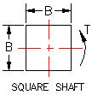
 | Input
Torsion, T = | 1000 | in-lbf
Square shaft breadth = height, B = | 1.750 | in
 | Calculation
Section polar moment of inertia, J = | B^4 / 6
= | 1.563 | in^4
Torsion stress, Ft = | T*(B/2) / J
= | 560 | lb/in^2

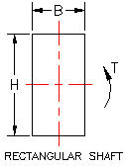

 | Input
Torsion, T = | 1000 | in-lbf
Rectangular shaft breadth, B = | 1.000 | in
Height, H = | 2.000 | in
 | Calculation
Section polar moment of inertia, J = | B*H*(B^2 + H^2)/ 12
= | 0.833 | in^4
Torsion stress, Ft = | T*(B/2) / J
= | 600 | lb/in^2

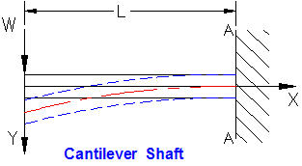

Cantilever shaft bending moment
 | Input
Shaft transverse load, W = | 740 | lbf
Position in shaft, x = | 5 | in
Bending shock & fatigue factor, Km = | 3
Shaft diameter, D = | 1.000 | in
 | Calculation
Moment at x, Mx = | W*x | in-lbs
...
 | Calculation
Moment at x, M = | Km*W*x
= | 11100 | in-lbf
Bending stress at x: Sb = | M*(D/2) / I
 | 113063 | lbf/in^2 | < GOAL SEEK
Cantilever bend'g deflection at x, Yx = | (-W*x^2/(6*E*I))*((3*L) - x)
= | -0.0541 | in
Bending deflection at x = 0, Y = | -W*L^3 / (3*E*I)
Y = | -0.1733 | in

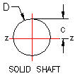
Section Moment of Inertia | Input
Round solid shaft diameter, D = | 1.000 | in
 | Calculations
Section moment of inertia, Izz = | π*D^4 / 64
Answer: Izz = | 0.049 | in^4

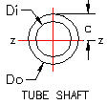
Section moment of Inertia | Input
Round tube shaft diameter, Do = | 1.750 | in
Di = | 1.5 | in
 | Calculation
Section polar moment of inertia, Izz = | π*(Do^4 - Di^4) / 64
Answer: Izz = | 0.212 | in^4

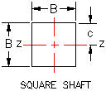
Section moment of Inertia | Input
Square shaft breadth = height, B = | 1.750
 | Calculation
Section moment of inertia, Izz = | B^4 / 12
Answer: Izz = | 0.782 | in^4

BENDING STRESS
Enter values for applied moment at a beam section, c, Izz and Kb. Bending stress will be calculated.
 | Input
Applied moment at x, M = | 1000 | in-lbf
c = | 1.000 | in
Section moment of inertia, Izz = | 2.5 | in^4
Bending shock & fatigue factor, Kb = | 3 | -
 | Calculation
Max bending stress, Fb = | Kb*M*c / I
Answer: Fb = | 1200 | lb/in^2

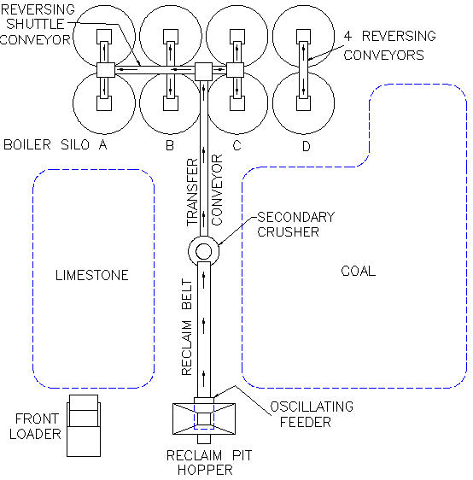

BULK MATERIAL BELT CONVEYOR SHAFTING SPECIFICATION
See PDHonline courses: M262 an M263 by the author of this course for more information.
Pulley Shafts:
All shafts shall have one fixed type bearing; the balance on
the shaft shall be expansion type.
Pulleys and pulley shafts shall be sized for combined torsional and bending static and fatigue stresses.
Shaft keys shall be the square parallel type and keyways adjacent to bearings shall be round end, all other keyways may be the run-out type.

Pulleys:
The head pulley on the Reclaim Conveyor shall be welded 304-SS so as not to interfere with tramp metal removal by the magnet.
All pulleys shall be welded steel crown faced, selected in accordance with ratings established by the Mechanical Power Transmission Association Standard No.301-1965 and U.S.A.
Standard No.B105.1-1966. In no case shall the pulley shaft loads as listed in the rating tables of these standards be exceeded.
All pulleys shall be crowned.
All drive pulleys shall be furnished with 1/2 inch thick vulcanized herringbone grooved lagging.
Snub pulleys adjacent to drive pulleys shall have a minimum diameter of 16 inches.

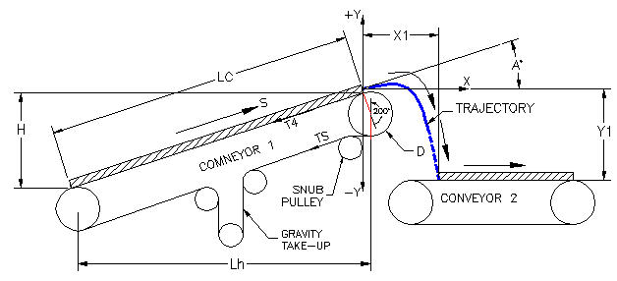

 | END OF SECTION

4 Coupling
COUPLINGS
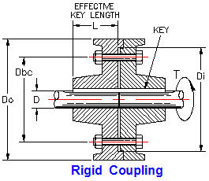
RIGID COUPLING DESIGN
Couplings are used to connect rotating shafts continuously.
Clutches are used to connect rotating shafts temporarily.
Rigid couplings are used for accurately aligned shafts in slow speed applications.
Refer to ASME code and coupling vendor design values.

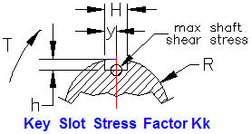

KEY SLOT STRESS FACTOR

 |  | Legend | h / R
 |  | A | 0.2
 |  | B | 0.3
 |  | C | 0.4
 |  | D | 0.5

 |  | Y/H | 0.40 | 0.60 | 0.80 | 1.00
 |  |  | A | B | C | D
 |  | 0.2 | 2.01 | 1.91 | 1.77 | 1.62
 |  | 0.4 | 1.59 | 1.50 | 1.40 | 1.30
 |  | 0.6 | 1.41 | 1.32 | 1.25 | 1.18
 |  | 0.8 | 1.37 | 1.28 | 1.19 | 1.10
 |  | 1.0 | 1.35 | 1.25 | 1.17 | 1.07

Design Stress
Coupling Design Shear Stress = | Design allowable average shear stress.
 | Input
Material ultimate tensile stress, Ft = | 85000 | lbf/in^2
Shaft material yield stress, Fy = | 45000 | lbf/in^2
 | Calculation
Ultimate tensile stress design factor, ku = | 0.18 | -
Design ultimate shear stress, Ssu = | ku* Ft | -
= | 15300 | lbf/in^2
...
= | 13500 | lbf/in^2
Use the smaller design shear stress of Fsu and Fsy above.

1. Shaft Torsion Shear Strength | Input
Shaft diameter, D = | 2.000 | in
Key slot total width = H = | 0.375 | in
Key slot depth, h = | 0.25 | in
 | Calculation
Key slot half width, y = | 0.188
Apply to graph above.
Key slot half width / Slot depth, y / h = | 0.75
Slot depth / Shaft radius, h / R = | 0.25
 | Input
Motor Power, HP = | 60 | hp
Shaft speed, N = | 300 | rpm
Allowable shaft stress from above, Ssu or Ssy = | 13500 | lbf/in^2
<From above graph.
Torque shock load factor, Kt = | 3.00 | -
Key slot stress factor from graph above, Kk = | 1.38
 | Calculation
Motor shaft torque, Tm = | 12*33000*HP / (2*π*N)
= | 12603 | in-lbf
Section polar moment of inertia, J = | π*D^4 / 32
= | 1.5710 | in^4
Allowable shaft torque, Ts = | Ss*J / (Kt*Kk*Ds/2)
= | 5123 | in-lbf
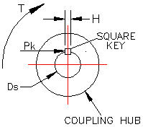
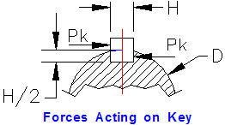

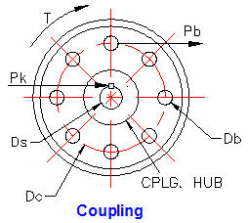

2. Square Key Torsion Shear Strength | Input
Key Width = Height, H = | 0.375 | in
Key Length, L = | 3.00 | in
Shaft diameter, Ds = | 2.000 | in
...
4. Coupling Bolts Torsion Strength
 | Calculation
One bolt section area, A = | π*D^2/4
A = | 0.196 | in
Shear stress concentration factor, Ks = | 1.33 | -
Shear strength per bolt, Pb = | Fs*A / (Kt*Ks)
Answer: Pb = | 295 | lbf

Total coupling bolts torque capacity, Tb = | Pb*(Dc/2)*(Nb / 2)
Answer: Tb = | 1919 | in-lbf

Hub - Shaft Interference Fits
These ridged or, "shrink fits" are used for connecting hubs to shafts, sometimes in addition to keys.
Often the computed stress is allowed to approach the yield stress because the stress decreases away from the bore.
Shaft in Hub
The hub is the outer ring, Do to Dc. The shaft is the inner ring, Dc to Di

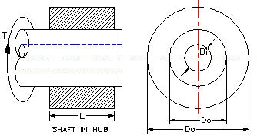

 | .

 | Input
Hub outside diameter, Do = | 14.000 | in
Shaft outside diameter, Dc = | 4.000 | in
Shaft inside diameter, Di = | 0.000 | in
Hub length, L = | 8 | in
Max tangential stress, Ft = | 5000 | lbf/in^2
Hub modulus, Eh = | 1.50E+07 | lbf/in^2
Shaft modulus, Es = | 3.00E+07 | lbf/in^2
...

5 Actuator
ACTUATOR

POWER SCREWS
Motor driven: screw jacks, linear actuators, and clamps are examples of power screws.
The essential components are a nut engaging the helical screw threads of a shaft.
A nut will advance one screw thread pitch per one 360 degree rotation on a single pitch screw.
A nut will advance two screw thread pitches per one 360 degree rotation on a double pitch screw, etc.
The actuator nut below advances or retreats as the motor shaft turns clockwise or ant-clockwise.
The nut is prevented from rotating by the upper and lower guide slots. The control system of a stepper motor rotates the shaft through a series of small angles very accurately repeatedly. The linear travel of the lug & nut is precise and lockable.

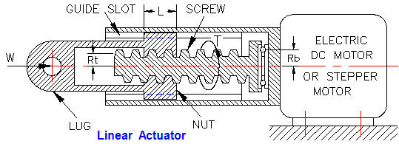

Pitch (P) is the distance from a point on one thread to the corresponding point on the next thread.

Lead (n*P) is the distance a nut advances each complete revolution.

Multiple pitch number (n) refers to single (n=1), double (n=2), triple (n=3) pitch screw.

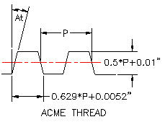
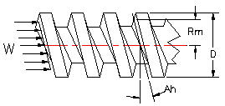

Motor Shaft Torque | Input
Motor Power, HP = | 30 | hp
Shaft speed, N = | 1750 | rpm
 | Calculation
Motor shaft torque, Tm = | 12*33000*HP / (2*π*N)
Answer: Tm = | 1080 | in-lbf

Power Screw Torque | Input
...
X = | (Tan (Ah) + Ft/ Cos (An))
Power screw torque, T = | W*(Rm*( X / Y) + Fb*Rb)
Answer: T = | 161 | in-lbf

Force W will cause the screw to rotate (overhaul) if, (-Tan (Ah) + Ft/ Cos (An)) is negative.
(-Tan (Ah) + Ft/ Cos (An)) = | 0.0751

SCREW THREAD AVERAGE PRESSURE

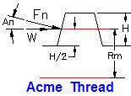
 | Input
Load to be raised by power screw, W = | 2000 | lbf
Nut length, L = | 4 | in
Screw thread turns per inch, TPI = | 3 | threads/in
Thread height, H = | 0.18 | in
Thread mean radius, Rm = | 0.9
 | Calculation
Screw thread average pressure, P = | W / (2*π*L*Rm*H*TPI)
Answer: P = | 164 | lbf/in^2

 | END OF SECTION

6 Brake
MACHINE DESIGN EXCEL SPREAD SHEETS

Spread Sheet Method:
1. Type in values for the input data.
2. Enter.
3. Answer: X = will be calculated.
4. Automatic calculations are bold type.

DISC BRAKE
A sectional view of a generic disc brake with calipers is illustrated right.
Equal and opposite clamping forces, F lbf acting at mean radius Rm inches provide rotation stopping torque T in-lbf.
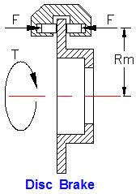

Calculate Brake Torque Capacity | Input
Clamping force, F = | 50 | lbf
Coefficient of friction, μ = | 0.2 | -
Caliper mean radius, Rd = | 7.00 | in
Number of calipers, N = | 1 | -

 | Calculation
Braking torque, T = | 2*μ*F*N*Rm
 | 140 | in-lbf

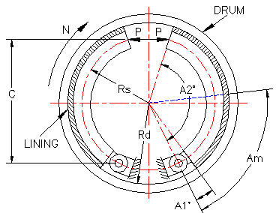

SHOE BRAKE
stopping capacity is proportional to the normal force of brake shoe against the drum and coefficient of friction.

Calculate Brake Torque Capacity | Input
Coefficient of friction, f = | 0.2
Brake shoe face width, w = | 2 | in
Drum internal radius, Rd = | 6 | in
Shoe mean radius, Rs = | 5 | in
Shoe heel angle, A1 = | 0 | degrees
Shoe angle, A2 = | 130 | degrees
Shoe mean angle, Am = | 90 | degrees
Right shoe maximum shoe pressure, Pmr = | 150 | lbf/in^2
...

7 V-Belt & Chain
MACHINE DESIGN EXCEL SPREAD SHEETS

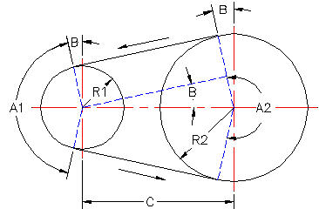
Spread Sheet Method:
1. Type in values for the input data.
2. Enter.
3. Answer: X = will be calculated.
4. Automatic calculations are bold type.

V-BELT DRIVES
V-belts are used to transmit power from motors to machinery.
Sheaves have a V-groove. Pulleys have a flat circumference.
A V-belt may be used in combination with a drive sheave on a motor shaft and a pulley on the driven shaft.
ROLLER CHAIN DRIVES
Roller Chains are used to transmit power from motors to machinery.
Sprocket teeth engage chain rollers .
A roller chain may be used in combination with a drive sprocket on a motor shaft and a sprocket on a driven shaft.

Angle B | Input |  | Angle B |  | Input
Small sheave pitch circle radius, R1 = | 4 | in |  | Small sprocket pitch circle diameter, D1 = | 4.148 | in
Large sheave pitch circle radius, R2 = | 6 | in |  | Large sprocket pitch circle diameter, D2 = | 12.099 | in
Center distance, C = | 14 | in |  | Center distance, C = | 13 | in
 | Calculation |  |  |  | Calculation
Sin (B) = | (R2-R1) / C |  |  | Sin (B) = | (R2-R1) / C
Sin (B) = | 0.1429 |  |  | Sin (B) = | 0.6116
B = | 0.1433 | radn. |  | B = | 0.6581 | radn.
B = | 8.21 | degrees |  | B = | 37.71 | degrees

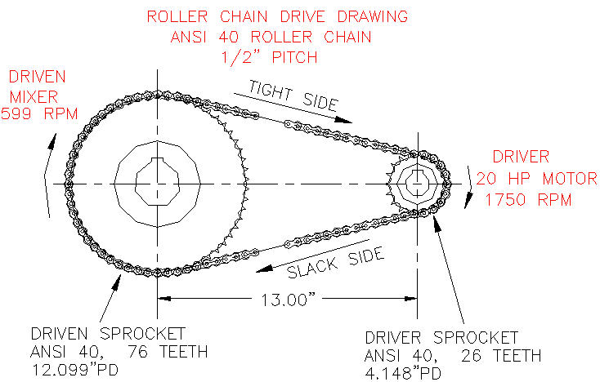

 |  |  |  | Horsepower = | (Torque ft-lb x Speed rpm) / 5252

 |  |  | Roller Chain Drive |  | Input
 |  | hp |  | Drive power, HP = | 10 | hp
 |  | rpm |  | Motor speed, N = | 1750 | rpm
 |  | in |  | Drive sprocket pitch diameter, D1 = | 4.148 | in
 |  | in |  | Driven sprocket pitch diameter, D2 = | 12.099 | in
 |  | in |  | Center distance, C = | 13 | in
 |  | deg |  |  | Calculation
 |  | - |  | Torque Q = | ML*HP*5252 / N
...

9 Hyd Cyl
...
 | Input
Pump flow, GPM = | 3.48 | gpm
Pump speed, RPM = | 1800
Pump pressure, P = | 1000 | psi
Pump efficiency pecent, e = | 100.00 | %
 | Output
Pump power, HP = | 100*GPM x P / (1741 x e%)
= | 2.0 | hp
Pump Torque, T = | HP x 63025 / rpm
= | 70 | ft-lbs

A pump supplies oil at 20 gpm to a 2 inch diameter
double acting cyclinder.
If the load is 1000 lbs, extending and retracting and thr rod diameter is 1.00 inch find:
a. Hydraulic pressure during the extend stroke.
b. Piston velocity during extend stroke.
c. Cylinder horse power during extend stoke.
d. Hydraulic pressure during the retracting stroke.
e. Cylinder horse power during extend stoke.

W
 | Input
Weight, W = | 1000 | lbs
Piston extends, L = | 18.00 | in
Time to extend, Te = | 0.73 | sec
Piston diameter, D = | 2.00 | in
Piston rod diameter, d = | 1.00 | in
Cylinder pipe internal diameter, pd = | 0.50 | in
System efficiency e = | 80 | %
P
 | Output
Piston area, A = Pi x D^2 / 4 = | 3.14 | sq in
Rod area, a = Pi x D^2 / 4 = | 0.79 | sq in
Piston extention pressure, P = W / A = | 318 | psi
Piston retraction pressure, p = W / (A-a) = | 424 | psi
Piston extension or retration speed, S = L / T = | 24.51 | in/sec
Piston extention volume, V = A * L = | 56.6 | cu-in
Extension in gallons, V = v / 231 = | 0.245 | gal
Retraction in gallons, v = V x ( A - a)/A)= | 0.184 | gal | [Do not type inside Unlocked Cell because that will delete the equation in the Cell]
Extension flow rate, GPM = A x L x 60/(Te*231) = | 20.00 | gpm | << Unlocked Cell
Extension flow, EF = GPM x 0.134 cu ft / gal = | 2.68 | cu ft / min |  | Answer a: is found in Cell H66
Extension flow, ef = EF x 1728 cu in / cu ft = | 4631 | cu in / min
Retraction flow rate, gpm = GPM x ( v / V) = | 15.00 | gpm |  | Answer b: see Example lines 86 to 114 below
Pipe internal area, pa = 3.142 x pd^2 / 4 = | 0.196 | sq-in
Extension fluid speed in pipe, Fp = EF x A / Pa = | 1.55 | ft/sec |  | Answer c: is found in Cell ??
Time to retract, Tr = (D/d)^2 = | 0.6 | sec
Extend Power = e x (W x L/12) / (Te x 550) = | 3.0 | hp |  | Answer d: is found in Cell ??
Retract Power = Extend Power x gpm/GPM = | 2.2 | hp
 |  |  |  | Answer d: is found in Cell ??

A pump supplies oil at 20 gpm to a 2 inch diameter
double acting cyclinder.
If the load is 1000 lbs, extending and retracting and thr rod diameter is 1.00 inch find:
a. Hydraulic pressure during the extend stroke. 318 psi
b. Piston velocity during extend stroke. 24.51 in/sec
c. Cylinder horse power during extend stoke. 3 hp
d. Hydraulic pressure during the retracting stroke. 424 psi
e. Cylinder horse power during extend stoke. 2.2 hp
...
W
 | Input
Weight, W = | 1000 | lbs
Piston extends, L = | 18.00 | in
Time to extend, Te = | 0.73 | sec
Piston diameter, D = | 2.00 | in
Piston rod diameter, d = | 1.00 | in
Cylinder pipe internal diameter, pd = | 0.50 | in
System efficiency e = | 80 | %
 | Output
P
Piston area, A = Pi x D^2 / 4 = | 3.14 | sq in
Rod area, a = Pi x D^2 / 4 = | 0.79 | sq in
Piston extention pressure, P = W / A = | 318 | psi
Piston retraction pressure, p = W / (A-a) = | 424 | psi
Piston extension speed, S = L / T = | 24.51 | in/sec
Piston extention volume, V = A * L = | 56.6 | cu-in
Extension in gallons, V = v / 231 = | 0.245 | gal |  |  | Adjust a Value in a Cell having an Equation
Retraction in gallons, v = V x ( A - a)/A)= | 0.184 | gal |  |  | Answer b:
Extension flow rate, GPM = A x L x 60/(Te*231) = | 20.00 | gpm |  |  | Select: Cell H104 [Do not type in Cell 104]
Extension flow, EF = GPM x 0.134 cu ft / gal = | 2.68 | cu ft / min
Extension flow, ef = EF x 1728 cu in / cu ft = | 4631 | cu in / min |  |  | Select: Data > What-if > Goal Seek
Retraction flow rate, gpm = GPM x ( v / V) = | 15.00 | gpm
Pipe internal area, pa = 3.142 x pd^2 / 4 = | 0.196 | sq-in |  |  | Type To value: 20 in Goal Seek left
Extension fluid speed in pipe, Fp = EF x A / Pa = | 1.55 | ft/sec
Time to retract, Tr = (D/d)^2 = | 0.6 | sec |  |  | By changing cell: H90 > OK
...

10 Vibration
...
Simple Vibrating Systems
We will assume, F(t) = Fm*Sin(ωt)
Fm is the maximum applied force.
M is the mass of the vibration object that is equal to W/g.
Omega, ω is the angular frequency as defined below.
g is the gravitational constant, 32.2 ft/sec^2.
X is the displacement from the equilibrium position.
C is the damping constant force per second velocity
and is proportional to velocity.
K is the spring stiffness force per inch.

See, "Math Tools" for Vibration Forcing Function Calculations.

Undamped Vibrations
If the mass M shown above is displaced through distance x and released it will vibrate freely.
Undamped vibrations are called free vibrations. Both x and g are measured in inch units.
 | Input
Weight, W = | 2 | lb
Spring stiffness, k = | 10 | lb/in
 | Calculation
Gravitational Content, g = | 32.2 | ft/sec^2
π = | 3.142
Static Deflection, x = | W / k
...
Mass, M = | W / (g*12)
= | 0.005 | lbm-sec^2/in
Natural Frequency, fn = | (1/2*π)*(k*/M)^.5 | Hz
= | 69.05 | Hz
Angular frequency, ω = | 2*π*fn
= | 434 | radn/sec |  | 69.052553986

Displacement vs Time Graph
...
Beam, Fixed Ends, Load W at Mid Span | Input
Stiffness, k = | 384*E*I/(L^3) | lbf/in
Answer: k = | 178176 | lbf/in
Natural frequency, f = | (1/2π)*(g / x)^0.5
f = | 365 | Hz

Plate Natural Frequency (f)
Rectangular plate natural frequency, f = | (K / 2*π)*((D*g)/(w*a^4))
Rectangular Plate, simply supported edges = | K, ss
Rectangular Plate, fixed edges = | K, fixed
 | Vibration Coefficients
Circular Stiffness Factors
Circular Plate, simply supported edges, K = 4.99.
Circular Plate, fixed supported edges, K = 10.2.
 | a / b | K, ss | K, fixed
 | 1.0 | 19.7 | 36.0
 | 0.8 | 16.2 | 29.9
 | 0.6 | 13.4 | 25.9
 | 0.4 | 11.5 | 23.6
 | 0.2 | 10.3 | 22.6
 | 0.0 | 9.87 | 22.4
Rectangular Plate Natural Frequency (f)
 | Input
Modulus of elasticity, E = | 2.90E+07 | lbf/in^2
Plate thickness, t = | 0.5 | in
Poisson's ratio, v = | 0.3
Plate short side, a = | 36 | in
Plate long side, b = | 45.0 | in
From the table above, K,ss or Kfixed = | 16.2
Load per unit area, w = | 50 | lb/in^2
...

