CONDUCTION
M237 HEAT TRANSFER SPREADSHEETS
CONDUCTION

Heat travels three ways:
* Conduction - heat transfer by spreading through solids.
* Convection - heat transfer by the movement of heated gasses and liquids.
* Radiation - heat in the form of radiation that travels through space at the speed of light.
 |  |  |  |  | John Andrew LLC
Heat always travels from an area of higher temperature to an area of lower temperature. |  |  |  |  | Copyright © 6/7/2006
DISCLAIMER: The materials contained in the online course are not intended as a representation or warranty on the part of John Andrew LLC or any other person/organization named herein. The materials are for general information only. They are not a substitute for competent professional advice. Application of this information to a specific project should be reviewed by a registered professional engineer. Anyone making use of the information set forth herein does so at their own risk and assumes any and all resulting liability arising therefrom.
Heat transfer (Q) is the flow rate of heat and is measured in Watts or Btu's per hour.

Spread Sheet Method:
1. Type in values for the input data.
2. Enter.
3. Answer: X = will be calculated.
4. Automatic calculations are bold type.

When using Excel's Goal Seek, unprotect the spread sheet by selecting:
Drop down menu: Tools > Protection > Unprotect Sheet > OK
When Excel's Goal Seek is not needed, restore protection with:
Drop down menu: Tools > Protection > Protect Sheet > OK

Symbol | Units | Multiply | Units
 |  | by | Obtained
Q | Btu/hr | 0.2931 | W
Q | Btu/hr | 3.93E-04 | hp
w | Btu | 778.2 | ft-lbf
K | Btu/hr-ft-deg F | 1.730 | W / m-C
h | Btu/hr-ft^2-F | 5.5956 | W / m^2-C
ρ | lbm/ft^2 | 16.0185 | kg / m^3
Cp | Btu/lbm-deg F | 4187 | J/kg-C
μ | lbm / sec-ft | 3600 | lbm / hr-ft
μ | lbm / sec-ft | 1.488 | kg / sec-m
L | ft | 0.3048 | m
L | in | 25.4 | mm
L | in | 0.0254 | m
F | lbf | 4.4482 | N
w | ft-lbf | 1.3558 | N-m
ν | ft^2 / sec | 0.0929 | m^2 / s

Heat transfer is measured in feet and meter units.
Use the above units table from left to right:
 | Input Data
Units = | 42
Multiply by = | 0.0254
 | Calculate
Units Obtained = | 1.067

Use the above units table from right to left:
 | Input Data
Units Obtained = | 22
Divide by = | 5.5956
 | Calculate
Units = | 3.932

Temperature is the intensity of heat: | Input Data |  |  | Input Data
T = | 52 | deg C | T = | 50 | deg F
T = | deg C + 273.2 |  | T = | deg F + 460
T = | 325.2 | deg K | T = | 510 | deg R

 | Input Data |  |  | Input Data
T = | 62 | deg F | T = | 60 | deg C
T = | 5*(deg F - 32)/9 |  | T = | (9*deg C/5) + 32
T = | 16.67 | deg C | T = | 140 | deg F

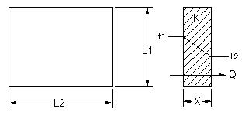

Conduction Example
 | Input Data
Heat source on t1 side, Q = | 12 | Watts
High temperature, t1 = | 100 | deg C
Thermal conductivity, K = | 111 | W / m-K
Dimension in inches, L1 = | 4.00 | in
Dimension in inches, L2 = | 4.00 | in
Thickness in inches, X = | 0.375 | in
 | Calculate
Area, A = | (L1*L2)*0.0254^2
Answer: A = | 0.0103 | m^2
Heat transfer, Q = | K*A*(t1 - t2) / (X*0.0254)
Low temperature, t2 = | t1 - (Q*X) / (K*A)
Answer: t2 = | 99.90 | deg C

CONDUCTIVITIES & DENSITIES
 | Properties at 68 deg F
MATERIAL | ρ | K | K
 | lbm/ft^3 | Btu/hr-ft-F | W/m*C
Copper, pure | 559 | 223 | 386
Brass, 70 Cu, 30 Zn | 532 | 64 | 111
Silver, 99.9% pure | 657 | 235 | 407
Duralumin, 3-5%Cu, trace Mg | 174 | 95 | 164
Carbon Steel, 1.0%C | 487 | 25 | 43
Bronze, 75 Cu, 25 Sn | 541 | 15 | 26
Stainless Steel,18 Cr, 8 Ni | 488 | 9.4 | 16.3
Concrete, stone, 1-2-4 mix |  | 0.79 | 1.37
Glass, window |  | 0.45 | 0.78
Brick, common building |  | 0.40 | 0.69
Wood, fir |  | 0.063 | 0.109
Wood, white pine |  | 0.065 | 0.112
Glass Wool, 1.5 lb/ft^3 |  | 0.022 | 0.038

Heat Transmission Through Air Films and Solids
Conduction through wall and air films on each side of the wall.
Find the heat transfer rate Q and the inner and outer wall surface temperatures.
OVERALL HEAT TRANSFER COEFFICIENT U

The heat flow rate, Q, is the same through each layer in the diagram above.

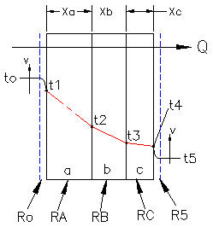
Thermal Resistances of Layers
Heat transfer per unit area, Q / A = | (t1 - t2) / (Xa / Ka) |  | Equation 1

Heat intensity = | t1 -t2

Thermal resistance for layer a, Ra = | Xa / Ka

Thermal resistance for layer o, Ro = | 1/ ho

Overall heat transfer rate, Q / A = | (t1 -t4) / (Ra + Rb + Rc)

Overall temperature difference, ∆T= | t1 - t4

Overall heat transfer coefficient, U = | 1 / (A * Σ Rn)

Heat transfer per unit area, Q / A = | U*(∆T)

U.S. Units | Input Data |  |  |  |  | Metric Units | Input Data
Wall length, L = | 300.00 | in |  |  |  | Wall length, L = | 300.00 | in
Wall height, H = | 48.00 | in |  |  |  | Wall height, H = | 48.00 | in
Wall thickness, X = | 7.00 | in |  |  |  | Wall thickness, X = | 6.00 | in
Inside convective coefficient, ho = | 2 | Btu/hr-ft^2-F |  |  |  | Inside convective coefficient, ho = | 9.38 | Btu/hr-ft^2-F
to = | 70.0 | deg F |  |  |  | to = | 22.2 | deg F
t5 = | 36.0 | deg F |  |  |  | t5 = | -1.0 | deg F
Thickness, Xa = | 1.00 | in |  |  |  | Xa = | 1.00 | in
Xb = | 4.00 | in |  |  |  | Xb = | 0.66 | in
Xc = | 0.75 | in |  |  |  | Xc = | 0.50 | in
Thermal conductivity, Ka = | 0.065 | Btu/hr-ft-F |  |  |  | Ka = | 0.10 | Btu/hr-ft-F
Thermal conductivity, Kb = | 0.400 | Btu/hr-ft-F |  |  |  | Kb = | 0.10 | Btu/hr-ft-F
Thermal conductivity, Kc = | 0.280 | Btu/hr-ft-F |  |  |  | Kc = | 0.52 | Btu/hr-ft-F
Outside convective coefficient, h5 = | 5.80 | Btu/hr-ft^2-F |  |  |  | Outside convective coefficient, h5 = | 34.10 | Btu/hr-ft^2-F

 | Calculate |  |  |  |  |  | Calculate
Wall area, A = | L*H / 144 |  |  |  |  | Wall area, A = | L*H*0.0929 / 144
A = | 100.00 | ft^2 |  |  |  | A = | 9.29 | m^2
Thermal Resistances |  |  |  |  |  | Thermal Resistances:
Ro = | 1 / ho |  |  |  |  | Ro = | 1 / ho
Ro = | 0.500 |  |  |  |  | Ro = | 0.107
Ra = | Xa / Ka |  |  |  |  | Ra = | Xa / Ka
Ra = | 1.2821 |  |  |  |  | Ra = | 0.2540
Rb = | Xb / Kb |  |  |  |  | Rb = | Xb / Kb
Rb = | 0.8333 |  |  |  |  | Rb = | 0.1676
Rc = | Xc / Kc |  |  |  |  | Rc = | Xc / Kc
Rc = | 0.2232 |  |  |  |  | Rc = | 0.0244
R5 = | 1 / h5 |  |  |  |  | R5 = | 1 / h5
R5 = | 0.172 |  |  |  |  | R5 = | 0.029
Overall heat transfer coefficient |  |  |  |  |  | Overall heat transfer coefficient
1 / U = | 1/ho + Xa / Ka + Xb / Kb + Xc / Kc + 1/h5 |  |  |  |  | 1 / U = | 1/ho + Xa / Ka + Xb / Kb + Xc / Kc + 1/h5
1 / U = | Ro+R1+Ra+Rb+Rc+R5 |  |  |  |  | 1 / U = | Ro+R1+Ra+Rb+Rc+R5
1 / U = | 3.0110 |  |  |  |  | 1 / U = | 0.5820
Answer: U = | 0.332 |  |  |  |  | Answer: U = | 1.718
∆T = | to - t5 |  |  |  |  | ∆T = | to - t5
Answer: ∆T = | 34 | deg F |  |  |  | Answer: ∆T = | 23.2 | deg C
Heat transfer per unit area, Q / A = | U*(∆T) |  |  |  |  | Heat transfer per unit area, Q / A = | U*(∆T)
Answer: Q / A = | 11.29 |  |  |  |  | Answer: Q / A = | 39.86
Heat transfer, Q = | U*A*(∆T) |  |  |  |  | Heat transfer, Q = | U*A*(∆T)
Answer: Q = | 1129 | Btu/hr |  |  |  | Answer: Q = | 370 | Watts
Answer: Q = | 331 | Watts
Surface temperature is found from Equation-1 above: |  |  |  |  |  | Surface temperature is found from Equation-1 above:
Heat transfer per unit area, Q / A = | (to - t1) / (1 / ho) |  |  |  |  | Heat transfer per unit area, Q / A = | (to - t1) / (1 / ho)
t1 = | to - (Q/A)*(1 / ho) |  |  |  |  | t1 = | to - (Q/A)*(1 / ho)
Answer: t1 = | 64.4 | deg F |  |  |  | Answer: t1 = | 18.0 | deg F
Internal temperature follows: |  |  |  |  |  | Internal temperature follows:
Heat transfer per unit area, Q / A = | (t1 - t2) / (Xa / Ka) |  |  |  |  | Heat transfer per unit area, Q / A = | (t1 - t2) / (Xa / Ka)
t2 = | t1 - (Q/A)*(Xa / Ka) |  |  |  |  | t2 = | t1 - (Q/A)*(Xa / Ka)
Answer: t2 = | 49.9 | deg F |  |  |  | Answer: t2 = | 7.8 | deg F

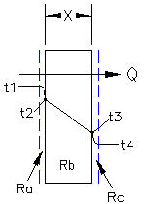
 | Input Data
Wall length, L = | 12.00 | in
Wall height, H = | 12.00 | in
Wall thickness, X = | 0.5 | ft
Inside temperature, t1 = | 70 | deg F
Outside temperature, t4 = | 20 | deg F
Wall material conductivity, K = | 0.263 | Btu/hr-ft-F
Inside convective coefficient, ha = | 2.00 | Btu/hr-ft^2-F
Outside convective coefficient, hc = | 10.00 | Btu/hr-ft^2-F
 | Calculate
Wall area, A = | L*H / 144
A = | 1.00 | ft^2
Ra = | 1 / ha
Ra = | 0.50
Rb = | X / K
Rb = | 1.90
Rc = | 1 / hc
Rc = | 0.10
Overall thermal resistance, R = | Ra + Rb + Rc
ΣR = | 2.50
Overall temperature difference, ∆T = | t1 - t4
∆T = | 50.0 | deg F

Heat transfer per unit area, Q / A = | ∆T / ΣR
Q / A = | 20.00 | Btu / hr-ft^2
Heat transfer, Q = | A*∆T / ΣR
Q = | 20.00 | Btu/hr
Q = | 5.86 | Watts
Internal temperatures are found from Equation-1 above:

Heat transfer per unit area, Q / A = | (t1 - t2) / (Ra)
t2 = | t1 -(Q/A)*(Ra)
Answer: t2 = | 60.00 | deg F

Heat transfer per unit area, Q / A = | (t3 - t4) / (Rc)
t3 = | t4 + (Q/A)*(Rc)
Answer: t3 = | 22.00 | deg F

Two Dimensional Heat Transfer
FOR INFORMATION ONLY - NOT INCLUDED IN THE TEST
 |  |  |  |  |  |  |  |  | Google apps are free
The steady state energy balance on the interior nodal point N is:
 |  |  |  |  |  |  |  | Step | Easy Equation Solver: |  |  | Linear Equation Solver
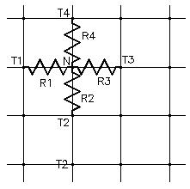
0 = | Q1-N + Q2-N + Q3-N + Q4-N |  |  |  |  |  |  | 1 | Follow the example provide in this app.
 |  |  |  |  |  |  |  | 2 | Written Equations
L = | Thickness into page. |  |  |  |  |  |  | 3 | Next
 |  |  |  |  |  |  |  | 4 | Equation Mode
Finite difference equations for each conductive flux: |  |  |  |  |  |  |  | 5 | See Example
Q1-N = | K*L*(∆Y)*(T1 - TN) / (∆X) |  |  |  |  |  |  | 6 | Select you variables > a,b,c,d,
 |  |  |  |  |  |  |  | 7 | Continue
Q2-N = | K*L*(∆X)*(T2 - TN) / (∆Y) |  |  |  |  |  |  | 8 | Insert your equatins below
 |  |  |  |  |  |  |  | 9 | - Empty -
Q3-N = | K*L*(∆Y)*(T3 - TN) / (∆X) |  |  |  |  |  |  | 10 | - Empty - |  | function : 123 : variable
 |  |  |  |  |  |  |  | 11 | - Empty - |  | + - | tap for + or hold for -
Q4-N = | K*L*(∆X)*(T4 - TN) / (∆Y) |  |  |  |  |  |  | 12 | - Empty -
 |  |  |  |  |  |  |  | 13 | Select -Empty- and enter first equation
If ∆X equals ∆Y: |  |  |  |  |  |  |  | 14 | Repeat
0 = | T1 +T2 + T3 + T4 -4*TN |  |  |  |  |  |  | 15 | Select -Empty- and enter last equation
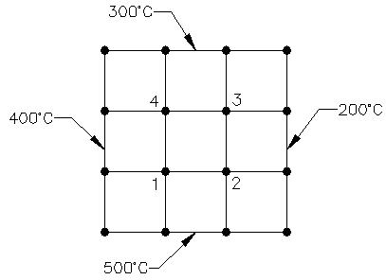
 |  |  |  |  |  |  |  |  |  | Final Equations |  |  |  | Original Equations
 |  |  |  |  |  |  |  | Node 1 | 0 = | 900 + b + d - 4a |  | <<<< | Node 1 | 0 = | 400 + 500 + T2 + T4 - 4*T1
 |  |  |  |  |  |  |  | Node 2 | 0 = | a + 700 + c - 4b |  | <<<< | Node 2 | 0 = | T1 + 500 + 200 + T3 - 4*T2
 |  |  |  |  |  |  |  | Node 3 | 0 = | d + b + 500 - 4c |  | <<<< | Node 3 | 0 = | T4 + T2 + 200 + 300 - 4*T3
 |  |  |  |  |  |  |  | Node 4 | 0 = | 700 + a + c - 4d |  | <<<< | Node 4 | 0 = | 400 + T1 + T3 + 300 - 4*T4

 |  |  |  |  |  |  |  |  |  | Solutions
 |  |  |  |  |  |  |  |  | Node 1 | 400 | deg C
 |  |  |  |  |  |  |  |  | Node 2 | 350 | deg C
 |  |  |  |  |  |  |  |  | Node 3 | 300 | deg C
 |  |  |  |  |  |  |  |  | Node 4 | 350 | deg C
 |  |  |  |  |  |  |  |  | Internal Temperatures

 |  |  |  | External Temperatures

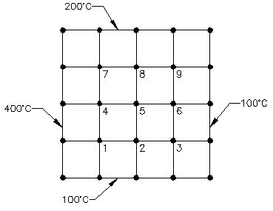
 |  | Node |  |  | Original Equations
 |  | 1 | a | 0 = | 400 + 100 + T2 + T4 - 4*T1
 |  | 2 | b | 0 = | T1 + 100 + T3 + T5 - 4*T2
 |  | 3 | c | 0 = | T2 + 100 + 100 + T6 - 4*T3
 |  | 4 | d | 0 = | 400 + T1 + T5 + T7 - 4*T4
 |  | 5 | e | 0 = | T4 + T2 + T6 + T8 - 4*T5
 |  | 6 | f | 0 = | T5 + T3 + 100 + T9 - 4*T6
g |  | 7 | g | 0 = | 400 + T4 + T8 + 200 - 4*T7
 |  | 8 | h | 0 = | T7 + T5 + T9 + 200 - 4*T8
 |  | 9 | i | 0 = | T8 + T6 + 100 + 200 - 4*T9

 |  | Node |  |  | Final Equations |  |  |  | Solutions
 |  | 1 | a | 0 = | 500 + b + d - 4*a |  |  | 236 | deg C
 |  | 2 | b | 0 = | a + 100 + c + e - 4*b |  |  | 166 | deg C
External Temperatures |  | 3 | c | 0 = | b + 200 + f - 4*c |  |  | 129 | deg C
 |  | 4 | d | 0 = | 400 + a + e + g - 4*d |  |  | 277 | deg C
 |  | 5 | e | 0 = | d + b + f + h - 4*e |  |  | 200 | deg C
 |  | 6 | f | 0 = | e + c + 100 + i - 4*f |  |  | 148 | deg C
 |  | 7 | g | 0 = | 600 + d + h - 4*g |  |  | 271 | deg C
 |  | 8 | h | 0 = | g + e + i + 200 - 4*h |  |  | 209 | deg C
 |  | 9 | i | 0 = | h + f + 300 - 4*i |  |  | 164 | deg C
 |  |  |  |  |  |  |  | Internal Temperatures

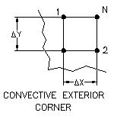

0 = | (T1 + T2)/ 2 + (h*∆X / k)*T∞ - (h*∆X / k + 1)*Tn
 | Input Data
Ambient temperature, T∞ = | 90.0
Convective heat transfer coefficient, hc = | 9.1
Conductivity, k = | 2.0
Grid spacing, ∆X = ∆Y = | 1.5

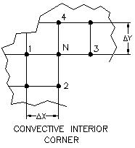

0 = | T1 + T4 + (T2 + T3)/ 2 + (h*∆X / k)*T∞ - (h*∆X / k + 3)*Tn

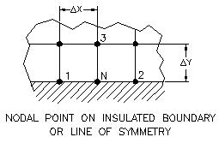

0 = | (T1 + T2)/ 2 + T3 - 2*Tn
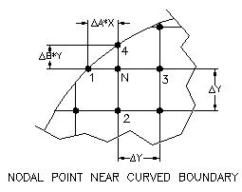

0 = | T1 / a*(a + 1) + T2 / (b + 1) + T3 / (a + 1) + T4 / b*(b + 1)

 | - (1/a + 1/b)*Tn

 | END OF SECTION

 |  |  |  |  | P11

CONVECTION
CONVECTION
Convection is heat transfer by the movement of heated gasses and liquids.

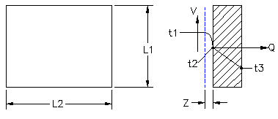

Measuring Air Film Coefficient | Input Data
Heat source, Q = | 100 | Watts
Surface area, A = | 0.4 | sq m
Inside air temp. thermocouple, t1 = | 65.3 | C
Inside surface temp. thermocouple, t2 = | 20.0 | C

 | Calculations
Heat convection, air layer, Q = | h * A * (t1 - t2) | Watts
h = | Q / (A*(t1 - t2))
S.I. Answer: h = | 5.52 | W/m^2*C
h = | (W/m^2*K)/5.596
U.S. Answer: h = | 0.986 | Btu/hr-ft^2*F

Boundary layer thickness = | X | mm
Air flow velocity = | V | m / s

Convective Heat Transfer Coefficient
Convective heat transfer coefficient, h = | k*C*(Gr*Pr)^n / L

Description | Length L |  | Gr | C | n
Vertical Plate |  |  | < 10^4 | 1.36 | 0.200
or |  |  | 10^4<10^9 | 0.59 | 0.250
Vertical Cylinder | 2*π*r |  | 10^9<10^12 | 0.13 | 0.333

Horizontal Plate | (S1 + S2) / 2 |  | 10^5<2*10^7 | 0.54 | 0.250
hot surface facing up |  |  | 2*10^7<3*10^10 | 0.14 | 0.333

Horizontal Plate |  |  | 3*10^5<3*10^10 | 0.27 | 0.250
hot surface facing down

Convective Heat Transfer Coefficient Calculation - Pick Horizontal or Vertical Plate:

Characteristic Length L | Input Data-1
height = | 8.00 | in
width = | 6.00 | in
Exterior surface temperature, Ts = | 146.0 | deg C
Ambient (room) temperature, Ta = | 36.0 | deg C
 | Calculation |  |  |  | P1
Length, L=(height x width) / (height + width) = L = | 3.43 | in
Plate characteristic length, L = | 0.09 | m
Answer: Ts - Ta = | 110 | deg C
Th = | (Ts + Ta) / 2 | deg C
Answer: Th = | 91 | deg C

Air Properties at temperature, Th, from table below:
 | Input Data-2
Air conductivity, k = | 0.03115 | W / m*C
Air density, ρ = | 0.964 | kg / m^3
Air dynamic viscosity, μ = | 2.15E-05 | kg / sec*m
Boundary layer volume coefficient of expansion, β = | 2.74E-03 | 1 / deg C
Gravitational constant, g = | 9.81 | m/sec^2
Prandtl number, Pr = | 0.694 | -
Grashof number, Gr = | L^3*g*β*ρ^2*(Ts - Ta) / μ^2
Answer: Gr = | 3.926E+06
Answer: Gr*Pr = | 2.725E+06
C and n below are found in the table above for the Gr*Pr value calculated here.
 | Input Data-3
Gr*Pr = | 10^3 < 10^9
C = | 0.53
n = | 0.25
Nusselt Equation, Air Film Coefficient, h = | k*C*(Gr*Pr)^n / L
S.I. Answer: h = | 7.702 | W / m^2*C
U.S. Answer: h = | (W/m^2*K)/5.5956 | Btu/hr-ft^2*F
U.S. Answer: h = | 1.376 | Btu/hr-ft^2*F

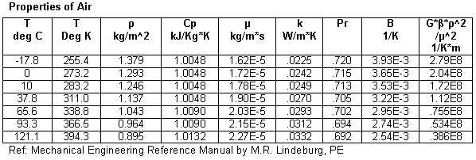

CONDUCTIVITIES & DENSITIES
 | Properties at 68 deg F
MATERIAL | ρ | K | K
 | lbm/ft^3 | Btu/hr-ft-F | W/m*C
Copper, pure | 559 | 223 | 386
Brass, 70 Cu, 30 Zn | 532 | 64 | 111
Silver, 99.9% pure | 657 | 235 | 407
Duralumin, 3-5%Cu, trace Mg | 174 | 95 | 164
...
Bronze, 75 Cu, 25 Sn | 541 | 15 | 26
Steel,18 Cr, 8 Ni | 488 | 9.4 | 16.3
Concrete, stone, 1-2-4 mix |  | 0.79 | 1.37
Glass, window | 161 | 0.45 | 0.78
Brick, Diatomacious | 480 | 0.40 | 0.69
Wood, fir |  | 0.063 | 0.109
Wood, white pine |  | 0.065 | 0.112
Glass Wool | 1.5 | 0.022 | 0.038

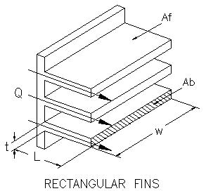

FINS
Fins are used to increase heat transfer area
and provide a cooling effect.

However, if h*A / P*k is greater than 1.00
the fins will insulate and prevent heat flow.

h = air film convective coefficient
A = exposed surface area of the fins.
P = perimeter of the fins.
k = fin material conductivity coefficient.

Case 1. Fin, finite length, heat loss by convection at end.
Heat flow rate, Q = | (K*Ab*n*ΔT)*X1 / X2
 | Input Data
Temperature at fin base, T1 = | 200 | deg F
Room Temperature, T2 = | 70 | deg F
Fin width, w = | 20 | in
...
Q = (h*P*K*Ab)^.5*(ΔT)*(tanh(n*L)) = | (K*Ab*n)*(ΔT)*(tanh(n*L))
(h*P*K*A)^.5 = | (K*A*n)

Ideal heat transfer, Qa = | (h*P*K*A)^.5*ΔT*(tanh(n*L))
Qa = | 4.174 | Watts
Ideal heat transfer, Qi = | (h*Af*ΔT)
Qi = | 5.226 | Watts
η = | Qi / Qa
Answer: η = | 79.9 | %

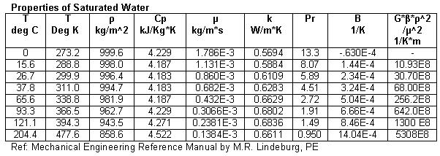

Counter & Parallel Flow Heat Exchanger Tube Length Calculation

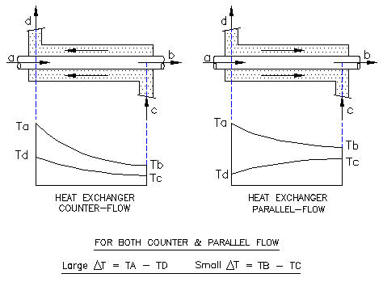

 |  |  |  |  | P5
Heat transfer, Q = | U*A*∆Tm

Plane wall heat transfer coefficient, U = | 1 / (1/ho + L/K + 1/h1

Cylindrical wall heat transfer coefficient, U = | 1 / (1/hi + [RoLn(Ro/Ri)]/K + Ri/Ro)
i and o refer to inside and outside tube surfaces.
...

RADIATION
...
 | Input Data
t = | 22 | deg C
S.I. absolute temperature, Tk = | t + 273.2 | deg K
Answer: Tk = | 295.2 | deg K
 | Input Data
t = | 70 | deg F
U.S. absolute temperature, Tr = | t + 459.8 | deg R
Answer: Tr = | 529.8 | deg R

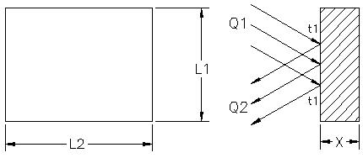

Radiation Example | Input Data
Material surface emissivity, e = | 0.91 | -
Stefan-Boltzmann constant, σ = | 5.67E-08 | W / m^2-K^4
Dimension, L1 = | 20.00 | m
Dimension, L2 = | 3.00 | m
Surface temperature, t1 = | 38 | deg C
 | Calculation
Area, A = | L1*L2
Answer: A = | 60.00 | m^2
Absolute temperature. T = | C + 273
T = | 311 | deg Abs
Radiant thermal flux reflected, Q = | e*σ*T^4
Answer: Q = | 482.7 | Watts | P1
Q is the radiant thermal flux per square foot reflected by the wall.

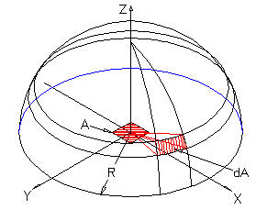

The total hemispherical heat radiation from
a black body surface (A) is, Eb = | σ*T^4 | W /m^2*K^4

Stefan-Boltzmann constant, σ = | 5.670E-08 | W /m^2*K^4
...

MATH TOOLS
...
 |  |  |  |  |  |  | Step | Enter
 |  |  |  |  |  |  | 1 | 10
 |  |  |  | Follow Steps>> |  |  | 2 | 6
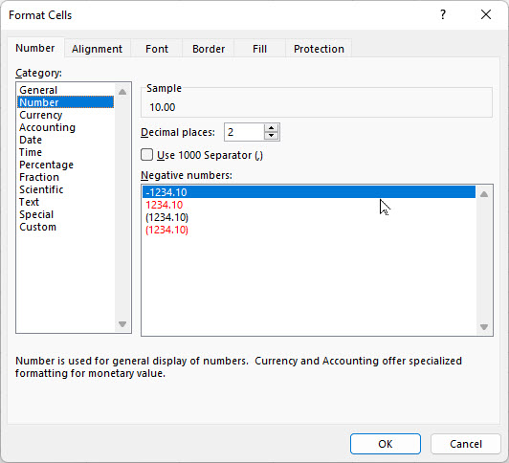
 |  |  |  | H = | 10.00 | lbs | 3 | Format
 |  |  |  | V = | 6.00 | llbs | 4 | Format Cells
 |  |  |  | TAN(A) = | V/H |  | 5 | Number
 |  |  |  | = | 0.6000 | number | 6 | Decimal Places
 |  |  |  | Angle A = | ATAN(V/H) |  | 7 | 2
 |  |  |  | = | 0.5404 | radians | 8 | OK
= | 11.7 | lbs |  | A radians = | 57.3*A | degrees | 9 | 10.00
Angle, A = | 57.30 * ATAN(V / H) |  |  | Angle A = | 57.3*A |  | 10 | 6.00
= | 30.97 | deg |  | = | 30.97 | degrees

GOAL SEEK method
Step-1 Select the green cell C38 containing a formula.
Step-2 Select: DATA > What-If Analysis > Goal Seek
Step-3 To value: 14, for example
Step-4 Pick cell containing value to be changed by Excel: C34 or C35 > OK

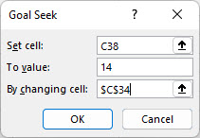
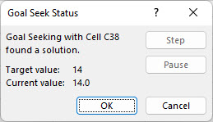

Select > OK and "Goal Seek Status'>> will open > OK

 | Linear Thermal Expansion

 | Input Data | Units | or
Length, L = | 120 | in | mm
...

