Definitions
M257 METAL FATIGUE EXCEL CALCULATIONS
John Andrew, PE | Rev: 28 Aug 2023

Definitions
1. Components are designed to withstand: direct forces, moments and torsion.
2. These loads may be applied gradually, suddenly, or repeatedly.
3. A static stress analysis leads to a dynamic stress evaluation.
4. Stress is Force per unit Area, σ = F / A (psi or Pa)
5. Strain is extension divided by original Length, e = x / L (number)
6. Strength is the Stress of a tested material at failure, S = Fmax / A (psi or Pa)

[ Note: ( * ) = Multiply ] | S = | Material allowable stress
 | σ = | Applied direct stress
 | τ = | Applied shear stress
Spread Sheet Method: | F = | Force
1. Type in values for the input data. | A = | Area
2. Enter. | e = | Strain
3. Answer: X = will be calculated. | x = | Extension
4. Automatic calculations are bold type. | L = | Length
Multiply: | by |  | Obtain
Force lb * |  |  | Newton's
100 | 4.448 | = | 445 | N
Stress, psi * |  |  | Pascals
100 | 6.895 | = | 689 | KPa
Stress, psi * |  |  | Million Pa
100 | 0.006895 | = | 0.69 | MPa
Length, in * |  |  | Millimeter
100 | 25.400 | = | 2540.0 | mm
Length, in * |  |  | Meter
100 | 0.0254 | = | 2.540 | m
Horse Power, hp * |  |  | Watts
100 | 745.7 | = | 74570 | W
Horse Power, hp * |  |  | in-lb/sec
100 | 6600 | = | 660000 | in-lb/sec
Revolutions per Minute, rpm * |  |  | radians/sec
100 | 9.549 | = | 955 | rad/sec
Rotation, deg * |  |  | radians
100 | 57.2958 | = | 5729.58 | rad

Cantilever Beam
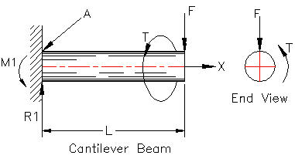

The cantilever end load (F) and torque (T) are balanced by
bending and shear stresses within the beam.
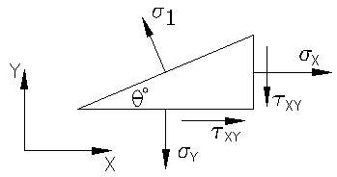
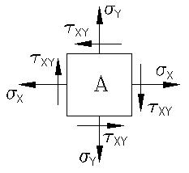

The stress element (A) at the top surface of the beam above, is subjected
to a bending stress Sigma, (σx) and torsional shear stress Tau, (τxy).
Note: In this case, σy = 0.
The maximum stress due to these two stresses are the principal stresses,
σ1 acting on the planes inclined at angle θ degrees and θ + 90 degrees.

1. Applied tensile stress, Sigma, σ = F / A = Force / Area (psi or Pa)

2. Applied bending stress, Sigma, σ = M * c / I = Load / Area (psi or Pa)

3. Tensile stress strength, S = Tested breaking load / Area (psi or Pa)

4. Strain, e = Extension / Original length = x / L (number)

5. Modulus of elasticity, E = Stress / Strain = σ / ε (psi or Pa)

6. Shear modulus, G = Shear Stress / Shear Strain = τ / θ (psi or Pa)

7. Shear strain, Theta, θ = Twist angle measured in radians (rad)

8.Torsion shear stress, Sus = T * r / J (psi or Pa)

9. Bending shear stress, Tau, τ = K * Shear Load / Area = V / A (psi or Pa)

Principal Stresses
Principal stresses are the maximum, Sigma (σ1) and minimum (σ2) normal
stresses and they act on principal planes at 90 degrees to each other.
There is zero shear stress on the principal planes.
Max shear stress, Tau ( τmax) is on the plane 45 degrees to the principal planes.

Principal stress (1) σ1 = | (σx + σy)/ 2 + {[(σx - σy)/ 2]^2 + τ^2}^0.5
Principal stress (2) σ2 = | (σx + σy)/ 2 - {[(σx - σy)/ 2]^2 + τ^2}^0.5
Max shear stress, τmax = | (σ1 - σ3)/ 2

Example:
The tensile stress at point (A) in the beam above is 5,000 psi due to
bending and the shear stress is 2,000 psi due to the transverse load (F).
Calculate the principal stresses and the maximum shear stress.

σy = | 50000 | psi
σx = | 20000 | psi
τ = | 2000 | psi
 | Calculations
Principal stress (1), σ1 = | (σx + σy)/ 2 + {[(σx - σy)/ 2]^2 + τ^2}^0.5
σ1 = | 50133 | psi

Principal stress (2), σ2 = | (σx + σy)/ 2 - {[(σx - σy)/ 2]^2 + τ^2}^0.5
σ2 = | 19867 | psi

Max shear stress, Tau:
τmax = | (σ1 - σ2)/ 2
τmax = | 15133

Shear area shape factor, (K) | Area | K
 | Solid Circle | 1.333
 | Hollow cylinder | 2.000
 | Rectangle | 1.500
10. Direct shear stress, Tau, τ = Shear Load / Area = V / A (psi or Pa)

Strength and Fatigue Failure Theories
Ductile materials stretch 5% or more before breaking at their shear strengths.
Brittle materials stretch less than 5% and break at their tensile strengths.

1. Maximum allowable static direct stress.
Material static strength is determined by increasing the tension load until it fractures.
The compressive strength is equal to the tensile strength in ductile materials.

2. Distortion energy
Distortion energy or von Mises-Henky theory is the most accurate failure theory.
The von Mises' effective stress is the uni-axial tensile stress that would create the
same distortion energy as is created by the actual combination of applied forces.
The distortion energy stress (σ’) is the direct stress equivalent to any combination
of tensions and shears.
von Mises' effective stress, σ’ = | [ ( σ1^2 + σ2^2 – σ1*σ2 ]^0.5

von Mises' effective stress, σ’ = | [ ( σx^2 + σy^2 – σx*σy + 3*τxy^2 ]^0.5

Material yield safety factor, N = | Syt / σ’
Syt = | Material tension yield stress
In the case of pure torsion, σx = 0 and σy = 0.
σ’ = | ( 3*τxy^2 )^0.5
Material shear safety factor, N = | Syt / σ’
N = | Syt /( 3*τxy^2 )^0.5
N = | Syt /( 1.732*τxy)
Material shear yield stress, Sys = | .577 * Syt
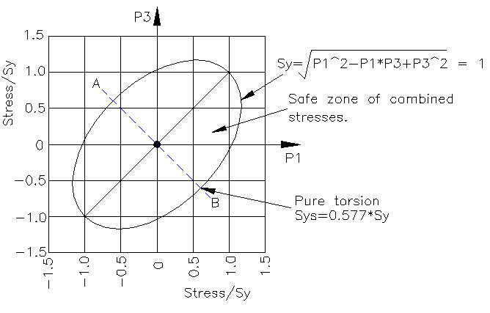

Given principal stresses: | Input Data
σ1 = | 4000 | psi
σ1 = | 2000 | psi
 | Calculations
von Mises' effective stress, σ’ = | [ ( σ1^2 + σ2^2 – σ1*σ2 ]^0.5
σ’ = | 3464 | psi

Given x and y direction stresses: | Input Data
σx = | 30000 | psi
σy = | 5000 | psi
τxy = | 2000 | psi
Material tension yield stress, Syt = | 36000 | psi
 | Calculations
von Mises' effective stress, σ’ = | [ ( σx^2 + σy^2 – σx*σy + 3*τxy^2 ]^0.5
σ’ = | 28054 | psi
Material yield safety factor, N = | Syt / σ’
N = | 1.28

In the case of pure torsion, σx = 0 and σy = 0.
von Mises' effective stress, σ’ = | ( 3*τxy^2 )^0.5
σ’ = | 3464

Material shear safety factor, N = | Syt / σ’
N = | 10.4

Material shear yield stress, Sys = | .577 * Syt
Sys = | 20772 | psi

Material shear safety factor, N = | Syt /( 3*τxy^2 )^0.5
N = | 10.4

Material shear safety factor, N = | Syt /( 1.732*τxy)
N = | 10.4

The maximum shear-stress theory states that failure occurs when the max shear
stress in a part exceeds the shear stress in a tensile specimen at yield.
One half of the tensile yield: | Input Data
Material tensile yield stress, Sy = | 36000 | psi
 | Calculation
Material shear yield stress, Sys = | 0.50 * Sy
Sys = | 18000 | psi

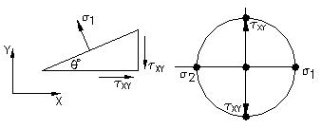

The stress element shown here illustrates torsion which causes pure shear.

The Moore circle diagram for torsion shows:
 | Input Data
σx = | 0
σy = | 0
Principal stress, σ1 = | 30000 | psi
Principal stress, σ2 = | 20000 | psi
 | Calculations
Max shear stress, τmax = | (σ1 + σ2) / 2
τmax = | 25000 | psi

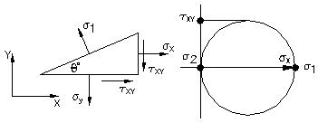

This stress element shows pure tension
due to bending or axial loading.

The Moore circle diagram for tension shows:
 | Input Data
σx = σ1 = | 30000
 | Calculations
σ2 = | 0
Max shear stress, τmax = | σ1 / 2
τmax = | 15000 | psi
or Max shear stress, τmax = | σx / 2
τmax = | 15000 | psi

 | E (psi) |  | G (psi)
Material | 10^7 |  | 10^6
Brass | 1.50 |  | 0.55
Bronze | 1.70 |  | 0.65
Cast Iron | 1.40 |  | 0.60
Duralumin | 1.05 |  | 0.38
Monel Metal | 2.60 |  | 1.00
Mild Steel | 2.90 |  | 1.15
Nickel-Chrome Steel | 2.90 |  | 1.18

Tensile stress, σ = P / A = Load / Area (psi or Pa)

Strain, ε = Extension / Original length = (L – Lo) / Lo = ΔL / Lo (no units)
Lo =Original length, L = Length when load is applied.
Modulus of elasticity, E = Stress / Strain = σ / ε (psi or Pa)

Shear stress, τ = Shear Load / Area = V / A (psi or Pa)

Ultimate shear stress, Sus = T * r / J (psi or Pa) [Note: * = Multiply]

Shear strain, θ = Twist angle measured in radians

J = Polar moment of inertia (in^4)

Shear modulus, G = Shear Stress / Shear Strain = τ / θ (psi or Pa)

Modulus of rigidity, G = τ * Lo / (r * θ) (psi or Pa)
Or G = E / 2(1 + ν) (psi or Pa)

Most steel alloys have an E = 30 Mpsi = 207 GPa

Ductile materials stretch 5% or more before breaking.
Steels: Sus = 0.80 * Sut

Shear yield stress, Sus = 0.75 * Tensile ultimate stress

Fatigue Strength and Endurance Limit = cycles at a stress level to failure.

Steels and some titanium alloys have an “endurance limit stress”
below which they will not fail, no matter how many load cycles are applied.

When using Excel's Goal Seek, unprotect the spread sheet by selecting:
Drop down menu: Tools > Protection > Unprotect Sheet > OK
When Excel's Goal Seek is not needed, restore protection with:
Drop down menu: Tools > Protection > Protect Sheet > OK

S-N Curve
M257 ESTIMATING FATIGUE ENDURANCE LIMIT-US Units
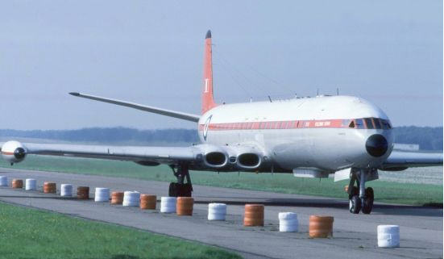

de Havilland Comet
The British, de Havilland D.H.106 Comet airliner built in 1949, used four de Havilland Ghost 50 turbojet engines mounted in the wings.
After 500 hours of flight testing, commercial operations began in early 1952. A Comet mysteriously crashed shortly after takeoff on 2 May 1953. Two similar crashes followed in early 1954.
After several thousand of cycles of repeatedly pressurizing and depressurizing the fuselage in water, fatigue cracks developed at the square corners in the cabin windows. These cracks grew over time until the cabin exploded.
The corners of all jet airliners are now rounded to reduce stress concentration.

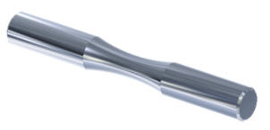
Fatigue Testing of Metals

Typical Fatigue Test
A fatigue test piece is shown above. Each end is clamped in a rotating bending machine. The stress at all points, around the circumference of the necked down center, are subjected to time varying stress levels, from maximum tension to maximum compression. A few tests have been done by applying repeated cycles of axial tension and compression with no bending.

 |  |  | P1
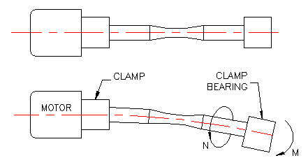

Most fatigue testing has been done with metal that is round, small in diameter, and highly polished. They have been tested through many cycles until fatigue failure occurs. This is done at several stress levels and the results are plotted in a Stress vs. Number of Cycles (S-N) diagram. Correction factors must be applied to parts that differ in size, section shape, surface finish, temperature, and static strength.

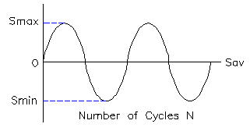

Reversed Stress Cycles
The rotating fatigue test stress varies from maximum tension (Smax) to maximum compression (Smax) as shown in the diagram above.

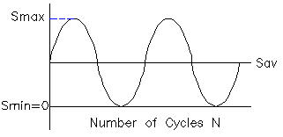

Repeated Stress Cycles
Stress varies from zero to maximum tension (Smax).

 |  |  | P2
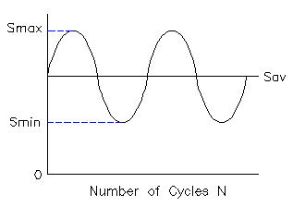

Fluctuating Stress Cycles
Stress varies from minimum tension (Smin) to maximum tension (Smax).

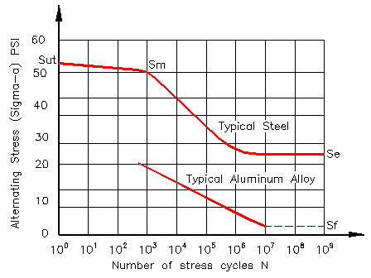

S-N Diagram for Typical Steel and Aluminum Alloys
Fatigue testing of metals at a high stress level results in a low number of cycles to failure. Testing at a lower stress level results in a greater number of cycles to failure.
Sut = Material ultimate static tensile stress.
Sm = Material endurance stress at 1000 cycles.
Se' = Uncorrected stress endurance limit for steel = Infinite number of cycles.
Se = Corrected stress endurance limit for steel = Infinite number of cycles.
Sf = Stress endurance limit for aluminum & copper alloys = Finite number of cycles.

In the case of steel, there is a low stress level at which fatigue failure does not happen no matter how many cycles of stress are applied. This (Se).
Aluminum and copper alloys do not have an endurance limit. A number of aluminum alloys have a fatigue strength of 40% of their ultimate tensile strength at 5 x 10^8 cycles.

Material endurance stress at 1000 cycles (Sm)
Bending, Sm = | .9 * Sut | psi
Axial loading, Sm = | .75 * Sut | psi | P3
Uncorrected fatigue endurance limits are given below:
Steels, Se' = | 0.5 * Sut if Sut < 200,000 psi
Endurance factor, Ke = | 0.5
Irons, Se' = | 0.4 * Sut if Sut < 60,000 psi
Endurance factor, Ke = | 0.4
Aluminums, Se' = | 0.4 * Sut if Sut < 48,000 psi
Endurance factor, Ke = | 0.4
...
S-N Diagram With Correction Factors
The above S-N diagram was constructed using fatigue correction factors, (C).

Corrected endurance limit, Se = | Cload*Csize*Csurf*Ctemp*Creliab*Se'

Load Factor
Bending, Cload = | 1.000
Axial loading, Cload = | 0.750
Pure Torsion, Cload = | 1.000

Size of Circular Sections | Fatigue testing is done with small diameter metal.
For d < 0.3 in, Csize = | 1.000
 | Input Data
Part diameter, d = | 1.500 | in
 | Calculation
For 0.30 < d < 10 in., Csize = | 0.869 * d^ -0.097
Csize = | 0.835 |  | P4
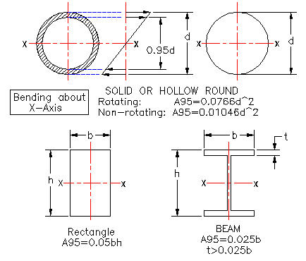

Fatigue Equivalent Size of Non Circular Sections
Non-round section areas, in bending , are stressed above 95% of their maximum stress, near the surface.
This area of highest stress is called the A95 effective area.
The equivalent diameter of non-round parts is De.
 | Input Data
Solid or hollow round section, d = | 2.000
 | Calculations
Equiv area, Rotating, A95 = | 0.0765*d^2
A95 = | 0.306 | in^2
...
Number of cycles at the intersect, (N)
Revise this Example for your application:
A steel bar has an ultimate tensile strength of 87000 psi,
It has a 5.9 inch square section and a hot-rolled finish.
How many cycles of fully reversed bending stress of
14500 psi can be expected at 500 deg. C?
The reliability is assumed to be 99.9%

The Reversing bending stress vs Cycles (S-N) graph below
was constructed from the calculated results below.

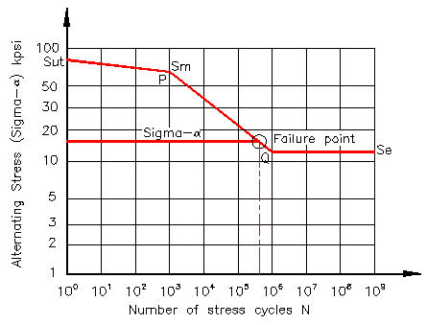

 |  |  | P7
1. The uncorrected endurance strength (Se' ) is calculated:
 | Input Data
Ultimate static strength, Sut = | 94 | kpsi
Material endurance factor from above, Ke = | 0.5
 | Calculation
Uncorrected endurance strength,Se' = | Ke * Sut
Se' = | 47.0 | kpsi

2. Load factor from above (Cload) | Input Data
Data from above, Cload = | 1.00
...

Notches
...
Given x and y stresses above find static safety factor (N):
From above, σx = σd + σm = | 40929 | psi
From above, σy = | 0 | psi
From above, τxy = | 458 | psi
von Mises' effective stress, σ’ = | [ ( σx^2 + σy^2 – σx*σy + 3*τxy^2 ]^0.5
σ’ = | 40937 | psi
Material yield safety factor, N = | Syt / σ’
N = | 0.88

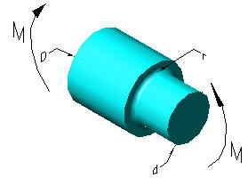
Geometric stress concentration | D/d | A | b
factor (Kt) in static bending. | 6.00 | 0.87868 | -0.33243
 | 3.00 | 0.89334 | -0.30860
 | 2.00 | 0.90879 | -0.28598
 | 1.50 | 0.93836 | -0.25759
 | 1.20 | 0.97098 | -0.21796
 | 1.10 | 0.95120 | -0.23757
 | 1.07 | 0.97527 | -0.20958
 | 1.05 | 0.98137 | -0.19653
 | 1.03 | 0.98061 | -0.18381
 | 1.02 | 0.96048 | -0.17711
 | 1.01 | 0.91938 | -0.17032
 |  |  | P1

Static stress concentration factor for the round shaft above:
 | Input Data
Larger diameter, D = | 3.375 | in
Smaller diameter, d = | 2.250 | in
Notch radius, r = | 0.125 | in
 | Calculation
D/d = | 1.50
 | Input Data From Table
Enter value from table above, A = | 0.93836 | -
...
Answer: Kt = | 1.98 | -
Kt is the stress concentration factor (Kt) in static bending.
 | Input Data
Calculated nominal direct stress, σ = | 24000 | psi
Static notch concentration factor, Kt = | 1.98 | -
 | Calculation
Calculated max direct stress, σ = | Kt*σ
σ = | 47520 | psi

Static stress concentration factor of a rectangular bar in bending.
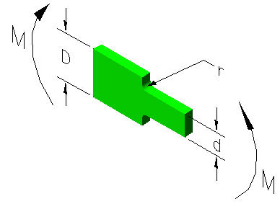

Kt Table
Geometric stress concentration factor (Kt) in static bending.
Kt Table
Geometric stress concentration factor (Kt) in static bending.
 |  | D/d=6 | D/d=1.2
 | r/d | Kt | Kt
 | 0.30 | 1.41 | 1.35
 | 0.25 | 1.48 | 1.40
 | 0.20 | 1.58 | 1.46
 | 0.15 | 1.73 | 1.52
 | 0.10 | 2.50 | 1.50
 | 0.05 | 2.68 | 2.07

 |  |  | P2
Kt is the stress concentration factor (Kt) in static bending.
 | Input Data
Notch radius, r = | 0.125
Plate small depth, d = | 1.250 | -
Plate large depth, D = | 1.500 | -
 | Calculation
r/d = | 0.10 | -
...
Fatigue Notch Sensitivity Factor, q applied to the nominal stress:
 | Calculations
nominal stress, σnom = | P/A + M*c/ I
nominal stress, σnom = | 3416 | psi

Design fatigue endurance stress, σe = | Kf * σnom
From calculation above, Kf = | 1.408 | -
σe = | 4808 | psi

H
H
Rectangular Sections: | Input Data
Base, inches, B = | 0.500
Height, inches, H = | 1.250
 | Calculations
Section Area, A = | B*H
A = | 0.625 | in^2
B
B
Section vertical second area of moment, I = | B*H^3 / 12
I = | 0.081 | in^4

D
D
Circular Sections: | Input Data
Diameter, inches, D = | 1.500 | in
 | Calculations
Section Area, A = | π*D^2 / 4
A = | 1.767 | in^2
Section vertical second area of moment, I = | π*D^4 / 64
I = | 0.2485 | in^4
Section polar second area of moment, J = | π*D^4 / 32
J = | 0.4970 | in^4

When using Excel's Goal Seek, unprotect the spread sheet by selecting:
...

Cantilever-1
CANTILEVER BRACKET WITH FULLY REVERSED BENDING

Fatigue Safety Factor Design

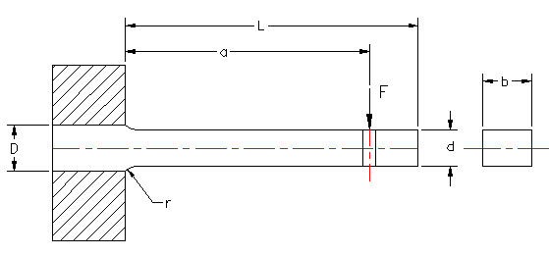

The machine bracket, shown above, is subjected to a
fully reversed transverse force F.

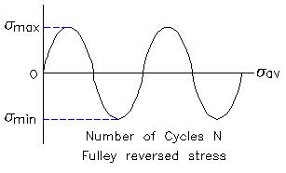

22. A steel cantilever bracket having a span of 20 in. and an ultimate tensile strength of 80,000 psi, with rectangular section: base width, b = 0.50 in, constant depth d (was D) = 1.250 in over the span of the beam. What is the cantilever beam section second moment of area at the free end? (new) The beam root depth is 1.500 in.
a. I = 0.081 in^4
b. I = 0.091 in^4
c. I = 0.101 in^4 ]
Revise values in this example for your problem:
Design the bracket for fully reversed load F for N cycles with 99.99% reliability.

 | Input Data |  |  | QUIZ
Fully reversed load, F = | 200 | lbf |  | 200
Width, b = | 0.500 | in |  | 0.500
Small depth, d = | 1.250 | in |  | 1.250
Large depth, D = | 1.500 | in |  | 1.500
Fillet radius, r = | 0.125 | in |  | 0.125
Load distance from support, a = | 20.000 | in |  | 20.000
Beam span, L = | 20.000 | in |  | 21.000
Material ultimate strength, Sut = | 80000 | psi |  | 80000
E = | 30000000 | psi |  | 30000000
Reliability = | 99.90 | % | P1 | 99.99

 | Calculations
Max moment is at fixed end, M = | F*a
M = | 4000 | in-lbf
I = | b*d^3/ 12
I = | 0.0814 | in^4
c = | d / 2
c = | 0.63 | in
Sigma nom = | M*c / i
σnom = | 30720 | psi

8. Static stress concentration factor. | Calculations
From above, D/d = | 1.20 | -
From above, r/d = | 0.10 | -
 | Input Data
...

Cantilever-2
...
The machine partt, shown above, is subjected to a fully reversed
transverse force (F) near the end of the bracket.

The three Forces (F) to be analyzed are: | Input Data
Maximum force, Fmax = | 1100 | lbf
Minimum force, Fmin = | 100 | lbf
Mean force, Fav = | (Fmax + Fmin)/ 2 | lbf
Fav = | 600 | lbf
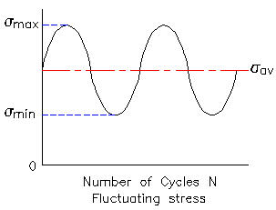

Assumptions: | Input Data
Bracket breadth, b = | 2.00 | in
depth, d = | 1.00 | in
Beam root depth, D = | 1.13 | in
Fillet radius, r = | 0.50 | in
Force distance from wall, a = | 5.00 | in
Beam span, L = | 6.00 | in
Material ult stress, SAE 1040, Sut = | 80000 | psi
Beam material Young's Modulus, E = | 30000000 | psi
Reliability = | 99.99 | % | P1
...
 |  |  | P3

Fatigue load cycle safety factor.
The ratio of material fatigue endurance stress to applied alternating stress (Se') / σ’alt
is combine with the ratio of material yield stress to applied mean stress (Sy) / σ’av
in the formula below for fatigue safety factor (Nf).
See "Modified Goodman diagram" below.

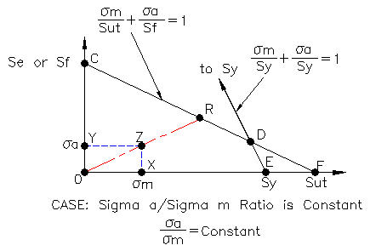

Nf = | Se' * Sut / ( σ’alt * Sut + σ’av * Se)
Answer: Nf = | 1.9 | Okay

The maximum beam deflection (ymax) is given br the equation below:

a = | 5.00 | from above
x = L = | 6.00 | from above
Deflection at beam free end, ymax = | (Fmax / (6*E*I))*(x^3 - 3*a*x^2 - (x - a)^3))
...

Shafts
...
2. The design bending is equal to the applied moment multiplied
by a combined stress concentration and fatigue factor Kf.

2. The strength in torsion, of shafts made of ductile materials
are usually calculated on the basis of the maximum shear theory.

3. The design torsion is equal to the applied to torsion multiplied
by a combined stress concentration and fatigue factor Ks.

 | Shaft Diameter for Combined Torsion and Bending
 | Fatigue Safety Factor Design
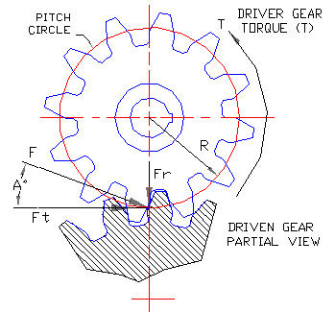

 | SPUR GEAR FORCES | Input Data
 | Motor power, P = | 30 | hp
 | Shaft speed, N = | 1750 | rpm
 | Spur gear pitch circle diameter, D = | 10.000 | in
 | Gear pressure angle, A = | 20 | deg
 |  | Calculations
 | Motor torque, T = | 33000*P / (2*π*N)
 | Torque, ft- lbs, Tfp = | 90 | ft-lbs
...
 | FATIGUE LOADS

 | The above tangential, Ft and radial, Fr forces
 | cause fully reversed bending in the shaft
 | as it rotates.

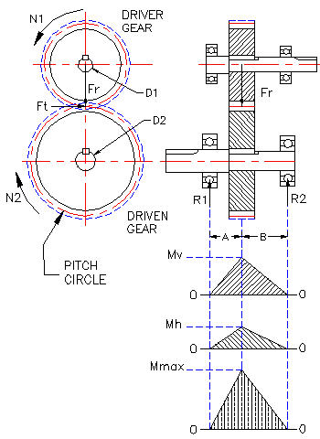

 | Driver gear applies forces Ft and Fr
 | to the driven gear. Equal and opposite
 | Ft and Fr forces are applied to the driver
 | gear. (Newton's first law)

 | Shaft Moment and Torque |  |  |  |  | Shaft Moment and Torque
 | Use this side to solve problems | Input Data |  |  |  | Use this side is an example | Input Data
 | Length from left bearing to gear, A = | 3.00 | in |  |  | Length from left bearing to gear, A = | 3.00
 | Length from right bearing to gear, B = | 5.00 | in |  |  | Length from right bearing to gear, B = | 5.00
 |  | Calculations |  |  |  |  | Calculations
 | Vertical shaft bending moment |  |  |  |  | Vertical shaft bending moment
 | Sum of moments about any point in the shaft = | 0 |  |  |  | Sum of moments about any point in the shaft = | 0
 | Sum of moments about the right bearing = | R1*(A+B) - Fr*B |  |  |  | Sum of moments about the right bearing = | R1*(A+B) - Fr*B
 | R1v = | Fr*B / (A+B) |  |  |  | R1v = | Fr*B / (A+B)
 | R1v = | 371 | lbs |  |  | R1v = | 0
 | Mv = | R1*A |  |  |  | Mv = | R1*A
...
 |  | Input Data |  |  |  |  | Input Data
 | 18% of material ultimate strength = | 11160 | psi |  |  | 18% of material ultimate strength = | 11160
 | Shaft With Keyway |  |  |  |  | Shaft With Keyway
 | 25% of 30% of material yield strength = | 8100 | psi |  |  | 25% of 30% of material yield strength = | 8100
 | 25% of 18% of material ultimate strength = | 8370 | psi |  |  | 25% of 18% of material ultimate strength = | 8370

 | Calculate Shaft Diameter |  |  |  |  | Calculate Shaft Diameter
 |  | Input Data |  |  |  |  | Input Data
 | Allowable shaft shear stress, Sa = | 5800 | psi | 40.0 | Mpa | Allowable shaft shear stress, Sa = | 5800
 | ASME Code Load Case = | C | - |  |  | ASME Code Load Case = | C
 | ASME Code Load Factor, Cm = | 2.0 | - | See "Goal Seek" tab below. |  | ASME Code Load Factor, Cm = | 2.0
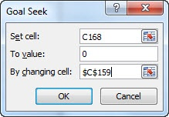
 | ASME Code Load Factor, Ct = | 2.0 | - |  |  | ASME Code Load Factor, Ct = | 2.0
 | Given safety factor, SF = | 2.00 | - |  |  | Given safety factor, SF = | 2.00
 | Shaft outside diameter, D = | 1.238 | in |  |  | Shaft outside diameter, D = | 0.010
 | Shaft inside diameter, d = | 0.000 | in |  |  | Shaft inside diameter, d = | 0.000
 |  | Calculations |  |  |  |  | Calculations
 | Motor torque (from above), T = | 1080 | in-lb |  |  | Motor torque (from above), T = | 0
 | Shaft maximum moment (from above) Mmax = M = | 1185 | in-lb |  |  | Shaft maximum moment (from above) Mmax = M = | 0
 | Ratio of inner to outer diameters of the shaft, k = | 0.0000 |  |  |  | Ratio of inner to outer diameters of the shaft, k = | 0.0000
 | k = 0 for a solid shaft because inner diameter is zero |  |  |  |  | k = 0 for a solid shaft because inner diameter is zero
 | Allowable shaft shear stress, Sa = | (16 / ((π*D^3)*(1-k^4))) * (((Cm*M + ((a*F*D(1 +k^2)/8))^2 + (Ct*T)^2)^(1/2) |  |  |  | Allowable shaft shear stress, Sa = | (16 / ((π*D^3)*(1-k^4))) * (((Cm*M + ((a*F*D(1 +k^2)/8))^2 + (Ct*T)^2)^(1/2)
 | Subtract Sa, 0 = | (16 / ((π*D^3)*(1-k^4))) * (((Cm*M + ((a*F*D(1 +k^2)/8))^2 + (Ct*T)^2)^(1/2) - Sa |  |  |  | Subtract Sa, 0 = | (16 / ((π*D^3)*(1-k^4))) * (((Cm*M + ((a*F*D(1 +k^2)/8))^2 + (Ct*T)^2)^(1/2) - Sa
 | Use Goal Seek D value to make equation = 0 = | 0 | psi |  |  | Use Goal Seek D value to make equation = 0 = | 0
 | Goal Seek Shaft diameter from above, Dg = | 1.238 | in |  |  | Goal Seek Shaft diameter from above, Dg = | 0.010
 | Next larger standard shaft diameter, D = | 1.250 | in |  |  | Next larger standard shaft diameter, D = | 1.250

 | Gear Train
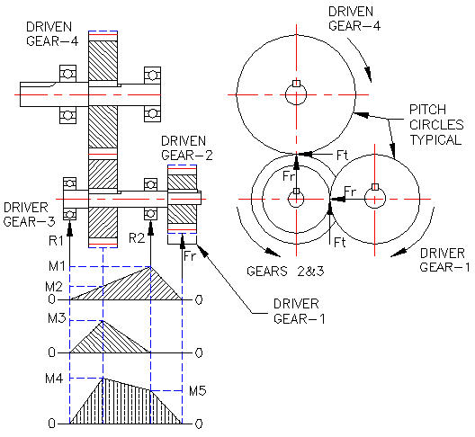

 |  | Input Data
 | Driver Gear Teeth, N1 = | 12
 | Driven Gear Teeth, N2 = | 24
 | Driver Gear Teeth, N3 = | 10
 | Driven Gear Teeth, N4 = | 20
 |  | Calculation
 | Gear train velocity ratio, VR = | (N1/N2)*(N3/N4)
 | VR = | 0.250
 |  | Input Data
 | Driver Gear 1 Torque, T1 = | 100 | in-lbs
...

