BOLT TENSION
M271 BOLTED CONNECTIONS EXCEL CALCULATIONS
 | © Copyright John Andrew P.E. 4 March 2008
 | BOLT TENSION
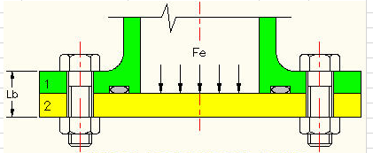

ANALYSIS OF BOLTED JOINTS
The bolts pictured above are used to secure the cover plate to the pipe flange. Pressure in the pipe is resisted by tension in the bolts. A gasket or O-ring is usually inserted between the two plates.
There are four methods in use for the analysis of bolted connections: elastic force balance, friction between nut and plate, turns of the nut, and allowable nut torque. Each of the methods must result in maintaining zero leakage and loss of pressure.
Each of the four methods of understanding and controlling bolted joint performance is outlined below. However fatigue loading is not considered. F.E.A. is illustated in a separate spreadsheet. Click F.E.A. tab below.

BOLT FORCES AND GEOMETRY
See illustration right.
Fbp = Bolt pre-load tension force
Fc = Compression force in plates
Fe = External force required to separate joint
D = Bolt diameter
Dp = Bolt thread pitch diameter
Dmin = Bolt thread root diameter
Dh = Bolt hole diameter
N = Number of bolts
Lb = Unloaded bolt length
P = Bolt thread pitch
Xb = Bolt extension
Xp = Plate compression
Kb = Bolt stiffness
Kp = Combined stiffness of plates
Eb = Bolt modulus of elasticity
Ep = Plate modulus of elasticity
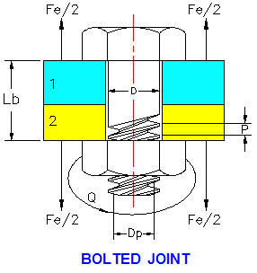

1. ELASTIC ANALYSIS OF BOLTED JOINTS
As the bolt is tightened, the tension in the bolt increases, the plates compress, and the extension of the bolt increases. This is represented as line 0AC in the graph below.
The joint plates are compressed along line CA.
If nut tightening is stopped at A, the preload tension in the bolt, Fbp will equal the compressive force on the connected plates.
At point A, bolt elongation is Xb and the compression of the plates is Xp.

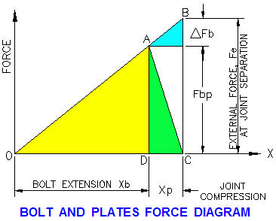

The external force that would cause the plates to separate, Fe or (CM) must stretch the bolt an additional Xp for a total bolt elongation of: Xb + Xp.
Since triangles OAD and OBC are similar:
Fe / Fbp = (Xb + Xp) / Xb
or Fe = Fbp * [(Xb + Xp) / Xb ] ---------------------------- (1)
As long as the bolt and plates are elastic, they act as springs with stiffness K.
Xb =Fbp / Kb and Xp = Fbp / Kp --------------------------- (2)

Substituting (2) in (1):
Fe = Fb * (Kb + Kp) / Kp
or Fb = Fe * Kp / (Kb + Kp) -------------------------------------- (3)
Stiffness of Plates
Plate effective diameter, Dp = 1.5 * Bd --------------------------------------------------------- (4)
Combined stiffness of 3 plates: 1 / Kp = 1 / K1 + 1 / K2 + 1 / K3
Combined plate stiffness: Kp = Ep * Ap / Lp
Compression due to preload in joint plates, Fc = Kp * Xp ------------------------------- (5)
The nut is turned until bolt tension, Fe is equal to the load required to separate the joint plates.

 |  |  |  |  |  |  |  |  |  | Pi * D^2/4

 |  |  | Input |  |  | Bolt |  | Bolt |  |  | Input
 |  | Guess bolt preload per bolt, Fbp = | 5,444 | lbs | Bolt Size | Minor | TPI | Stress |  | Bolt | 1/2-13 UNC
 |  | Bolt nominal size, D = | 1.000 | in | inch | Dia. | UNC-2A | Area |  | Bolt material | SAE Grade 8
 |  | Bolt stress area, Ab = As = | 0.5635 | in^2 | 0.250 | 0.189 | 20 | 0.0281 |  | Design bolt tensile strength, σ = | 150,000 | psi
 |  | Bolt allowable tensile stress, Sta = | 40 | ksi | 0.375 | 0.298 | 16 | 0.0698 |  | Bolt pre-load percent allowable, p = | 55 | %
 |  | Bolt modulus of elasticity, Eb = | 29,000,000 | psi | 0.500 | 0.406 | 13 | 0.1295 |  | Thread per inch, N = | 13 | threads/inch
 |  | Plate 1 thickness, X1 = | 0.500 | in | 0.625 | 0.514 | 11 | 0.2075 |  | Nominal bolt diameter, d = | 0.500 | in
 |  | Plate 2 thickness, X2 = | 0.750 | in | 0.750 | 0.627 | 10 | 0.3088 |  | Thread half angle, α = | 30 | degrees
 |  | Modulus of elasticity of plate-1, E1 = | 29,000,000 | psi | 0.875 | 0.739 | 9 | 0.4290 |  | Thread pitch or lead, L = |  | in
 |  | Modulus of elasticity of plate-2, E2 = | 10,500,000 | psi | 1.000 | 0.847 | 8 | 0.5635 |  | Bearing & thread friction coefficient, µ = | 0.15
 |  |  | Calculation |  |  |  |  |  |  |  | Calculation
 |  | Plate effective area, Ap = | 3.1416 * (1.5 * D)^2 / 4 |  |  | ALLOWABLE |  |  |  | Screw thread pitch, P = | 1 / N
 |  | = | 1.767 | in^2 |  | BOLT TENSION KSI |  |  |  | = | 0.0769 | in
 |  | Plate-1 stiffness: K1 = | E1 * Ap / X1 |  |  | A307 | 14.00 |  |  | Thread pitch diameter, d2 = | 0.92*d
 |  | = | 102494700 | lb/in |  | A325 | 40.00 |  |  | = | 0.4600 | in
 |  | Plate-2 stiffness: K2 = | E2 * Ap / X2 |  |  | A354 | 50.00 |  |  | Outside bearing surface diameter, Do = | 1.5*d | = b
 |  | = | 24740100 | lb/in |  |  |  |  |  | = | 0.75 | in
 |  | 1 / Kp = | 1 / K1 + 1 / K2 |  |  | Metal | E x 106 |  |  | Inside bearing surface diameter, Di = | d
 |  | = | 0.00000005018 |  |  | Brass | 15 |  |  | = | 0.500
 |  | Stiffness of 2 plates, Kp = | 19,929,525 | lb/in |  | Bronze | 17 |  |  | Thread pitch diameter, dp = | d - 0.649519*P
0.14189992866 |  | Compression of 2 plates, Xp = | Fbp / Kp |  |  | Cast Iron | 14 |  |  | = | 0.4500 | in
 |  | = | 0.000273 | in |  | Duralumin | 10.5 |  |  | Thread minor diameter, dm = | d - 1.299038*P
 |  | Bolt length, Lb = | X1 + X2 |  |  | Monel | 26 |  |  | = | 0.4001 | in
 |  | = | 1.250 | lb/in |  | Mild Steel | 30 |  |  | Bolt thread stress area, As = | (π/4)*((dm + dp) / 2)^2
 |  | Bolt stiffness, Kb = | Eb * Ab / Lb |  |  | Stn Steel | 29 |  |  | = | 0.1419 | in^2
 |  | = | 13,073,200 | lb/in |  |  |  |  |  | Pre-load axial bolt load, Pb = | (p/100)*σ*As
 |  | Bolt extension, Xb = | Fbp / Kb |  |  |  |  |  |  | = | 11,707 | lbs
 |  | = | 0.000416 | in | Data > What-If Analysis > Goal Seek |  |  |  |  | Equivalent dia. of bearing surfaces, Dw = | (2/3)*(Do3 - Di3) / (Do2 - Di2)
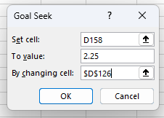
 |  | Bolt load for joint separation, Fe = | Fbp * [(Xb + Xp) / Xb ] |  |  |  |  |  |  | = | 0.6333
 |  | = | 9,015 | lbs |  |  |  |  |  | Bolt pre-load applied torque, Tp = | Ts + Tw
 |  | Bolt tension stress, Sb = | Fe / Ab |  |  |  |  |  |  | Bolt pre-load applied torque due to threads, Ts = | (Pb/2)*((P/π) + µ*d2 / Cos(α'/57.3))
 |  | = | 15,998 | psi |  |  |  |  |  |  | 610 | in-lbs
 |  | Safety factor, SF = | Sta / Sb |  |  |  |  |  |  | Bolt pre-load applied torque due to bearing, Tw = | (Pb/2)*(µ*Dw)
 |  | = | 2.50 |  |  |  |  |  |  |  | 556 | in-lbs
 |  |  |  |  |  |  |  |  |  | Bolt pre-load applied torque, Tp = | Ts + Tw
 |  |  |  |  |  |  |  |  |  |  | 1166

 |  |  |  |  | See Math Tools tab below.

2. NUT TORQUE DUE TO FRICTION AND BOLT TENSION
An alternate analysis of bolted joints is summarized below. Bolt tension is estimated based on the torque applied to the nut.

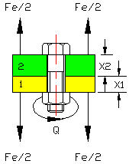

Bolt tension, Tq is the load resulting from tightening torque, Q applied to the nut, above. The torque coefficient, C was measured experimentally under a variety of conditions.
Bolt torque, Q = C x D x Tq
D = Bolt nominal diameter.
Fe = Bolt external tension force.
Tq = Bolt internal tension force due to torque Q.
C = Torque coefficient.
f = Coefficient of friction.
As = Bolt stress area and is the minimum section at the thread root.
a G.A. Maney, Predicting Bolt Tension, Fasteners Data Book.

Friction, f
If the connection is dry steel, not lubricated approximately 40% of the total torque, Q is reacted by shear in the bolt. The remaining 60% of torque is balanced by friction.
Ref: V.M. Faires, Design of Machine Elements, Pub. The Macmillan Company, New York.
 |  |  |  |  |  |  | Bolt |  | Bolt
 |  |  |  |  |  | Bolt Size | Minor | TPI | Stress
 |  |  |  |  |  | inch | Dia. | UNC-2A | Area
 |  |  |  |  |  | 0.250 | 0.189 | 20 | 0.0281
 |  |  |  |  |  | 0.375 | 0.298 | 16 | 0.0698
 |  |  |  |  |  | 0.500 | 0.406 | 13 | 0.1295
 |  |  |  |  |  | 0.625 | 0.514 | 11 | 0.2075
 |  |  |  |  |  | 0.750 | 0.627 | 10 | 0.3088
 |  |  |  |  |  | 0.875 | 0.739 | 9 | 0.4290
 |  |  |  |  |  | 1.000 | 0.847 | 8 | 0.5635

 |  |  | Input
 |  | Bolt external tension load, Fe = | 6000 | lbs |  | ALLOWABLE
 |  | Bolt allowable tension stress, Sta = | 40000 | psi |  | BOLT TENSION KSI
 |  | Bolt diameter, D = | 0.750 | in |  | A307 | 14.00
 |  | Bolt stress area, As = | 0.3088 | in^2 |  | A325 | 40.00
 |  | Coefficient of friction, f = | 0.150 |  |  | A354 | 50.00
 |  | Bolt torque, Q = | -159 | in-lbs
 |  |  | Calculation
 |  | Torque coefficient, C = | 1.33 * f |  |  | 159
 |  | = | 0.20
 |  | Bolt torque tension force, Tq = | Q / ( C * D )
 |  | = | -1065 | lbs
 |  | Total bolt tensile stress, Stb = | ( Tq + Fe ) / As
 |  | = | 15983 | psi
 |  | Bolt polar moment area, J = | Pi * D^4 / 32
 |  |  | 0.0311 | in^4
 |  | Bolt torque shear stress, Ssb = | 0.40 * Q * D / ( 2 * J ) |  |  | (40% of applied torque)
 |  | = | -769 | psi
 |  | Bolt principal tension stress, Sp = | ( Stb^2 + Ssb^2 )^(1/2)
 |  | = | 16001 | psi
 |  | Safety factor, SF = | Sta / Sp
 |  | = | 2.50
3. BOLT TENSION DUE TO TURNS OF THE NUT
Xb = Bolt extension due to turns of the nut
Xp = Combined plate compression due to turns of the nut
Xt = Total bolt extension
TPI = Bolt thread pitch, turns per inch
P = 1 / TPI = Thread pitch
N = Number of 360 degree turns of the nut
Turns of the nut, N = Xt * TPI
The calculations below are based on the elastic analysis above.

THE BOLT AND PLATE DIAGRAMS FROM ABOVE HAVE BEEN REPRODUCED HERE
 |  |  | Input
 |  | Guess bolt preload per bolt, Fbp = | 5500 | lbs |  |  | Bolt |  | Bolt
 |  | Bolt nominal size, D = | 0.750 | in |  | Bolt Size | Minor | TPI | Stress
 |  | Bolt threads per inch, TPI = | 10 | tpi |  | inch | Dia. | UNC-2A | Area
 |  | Bolt stress area, Ab = As = | 0.3088 | in^2 |  | 0.250 | 0.189 | 20 | 0.0281
 |  | Bolt allowable tensile stress, Sta = | 40 | ksi |  | 0.375 | 0.298 | 16 | 0.0698
 |  | Bolt modulus of elasticity, Eb = | 29000000 | psi |  | 0.500 | 0.406 | 13 | 0.1295
 |  | Plate 1 thickness, X1 = | 0.625 | in |  | 0.625 | 0.514 | 11 | 0.2075
 |  | Plate 2 thickness, X2 = | 0.750 | in |  | 0.750 | 0.627 | 10 | 0.3088
 |  | Modulus of elasticity of plate-1, E1 = | 29000000 | psi |  | 0.875 | 0.739 | 9 | 0.4290
 |  | Modulus of elasticity of plate-2, E2 = | 10500000 | psi |  | 1.000 | 0.847 | 8 | 0.5635
 |  |  | Calculation
 |  | Plate effective area, Ap = | 3.1416 * (1.5 * D)^2 / 4 |  |  | ALLOWABLE
 |  |  | 0.994 | in^2 |  | BOLT TENSION KSI
 |  | Plate-1 stiffness: K1 = | E1 * Ap / X1 |  |  | A307 | 14.00
 |  |  | 46122615 | lb/in |  | A325 | 40.00
 |  | Plate-2 stiffness: K2 = | E2 * Ap / X2 |  |  | A354 | 50.00
 |  |  | 13916306 | lb/in
 |  | 1 / Kp = | 1 / K1 + 1 / K2 |  |  | Metal | E x 106
 |  | = | 9.3539486308E-08 |  |  | Brass | 15
 |  | Stiffness of 2 plates, Kp = | 10690672 | lb/in |  | Bronze | 17
 |  | Compression of 2 plates, Xp = | Fbp / Kp |  |  | Cast Iron | 14
 |  | = | 0.000514 | in |  | Duralumin | 10.5
 |  | Bolt length, Lb = | X1 + X2 |  |  | Monel | 26
 |  | = | 1.375 | lb/in |  | Mild Steel | 30
 |  | Bolt stiffness, Kb = | Eb * Ab / Lb |  |  | Stn Steel | 29
 |  | = | 6512873 | lb/in

 |  | Bolt extension, Xb = | Fbp / Kb
 |  |  | 0.000844 | in
 |  | Total bolt extension at separation, Xt = | Xb + Xp
 |  | = | 0.001359
 |  | Turns of the nut, N = | Xt * TPI
 |  |  | 0.0136
 |  | Total nut rotation angle, A = | N * 360
 |  |  | 4.89 | degrees

 |  | Bolt load for joint separation, Fe = | Fbp * [(Xb + Xp) / Xb ]
 |  | = | 8851 | lbs
 |  | Bolt tension stress, Sb = | Fe / Ab
 |  | = | 28661 | psi
 |  | Safety factor, SF = | Sta / Sb
 |  | = | 1.40

CONCLUSION
The nut is turned enough to bring the plates together with zero clearance and near zero tension in the bolt. This is called "snugging" the plates together.
Next the nut is turned until bolt tension, Fe is equal to the load required to separate the joint plates.
The calculation above shows that if the nut turns 2.5 degrees further than snug, the preload in the bolt will be 4000 lbs and the total bolt tension at joint separation will be 7866 lbs.
If the nut rotates double 2.5 that is 5 degrees, the total bolt tension at separation will also be double, 15732 lbs.
For this reason the nut rotation method is considered to be unreliable, difficult to control, and unsafe.

4. BOLT TORQUE METHOD
Many tests have been published listing the allowable torque for a wide range of bolt materials and sizes. Most bolted assemblies manufactured today are done with a torque wrench and rely on the accuracy of these test results.
CONCLUSION
The torque test conditions must be duplicated in each joint assembled to achieve safe bolted connections.

RELATED LINKS
1. Allowable torque for U.S.S / S.A.E. bolts:
http://www.angelfire.com/fl4/pontiacdude428/Bolt.html
2. Allowable torque for S.A.E. bolts: http://www.engineersedge.com/torque_table_sae.htm
3. Allowable torque for S.A.E. bolts: http://www.raskcycle.com/techtip/webdoc14.html
4. Bolt torque calculator: http://www.engineersedge.com/calculators/torque_calc.htm
5. Bolt torque calculator: http://www.futek.com/boltcalc.aspx

 |  | END OF WORKSHEET

BOLT SHEAR
M271 BOLTED CONNECTIONS EXCEL CALCULATIONS
 | © Copyright John Andrew P.E. 4 March 2008
 | BOLT SHEAR
OBJECTIVES
1. Define the four modes of failure in bolted shear connection failure.
2. Calculate lap and butt joint strength.
3. Compute bolt tension capacities.
The American Institute of Steel Construction (AISC) has established standard dimensions of steel structural members for buildings and bridges. The AISC, "Manual of Steel Construction" specifies the allowable stress design of steel structures. All bolted structures shall be constructed with high strength bolts.
RIVETS
are formed in place while hot filling the holes in the plates being joined. They contract during cooling and apply a force clamping the plates together.
BOLTS
High strength bolts are tightened until they develop approximately 70% of the ultimate tensile strength of the bolt. The plates are clamped tightly together so most of the load transfer between plates is by friction. However the forces acting on the connections in this course are assumed to have zero friction.

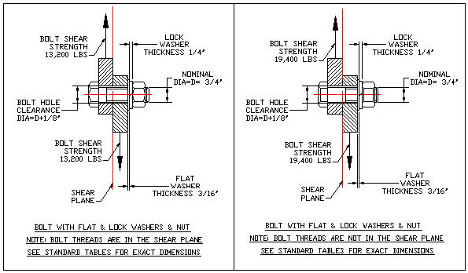

FAILURE MODES OF BOLTED JOINTS SUBJECTED TO SHEAR
Bolted connections subjected to shear can fail four ways:
1. Shear failure of bolts in single or double shear.
2. Tension failure by the metal yielding or by fracturing at a section weakened by holes.
3. Shear failure or tear-out of bolts connecting steel plates.
4. Bearing failure when the plates of metal are crushed by the force of bolts against their holes.

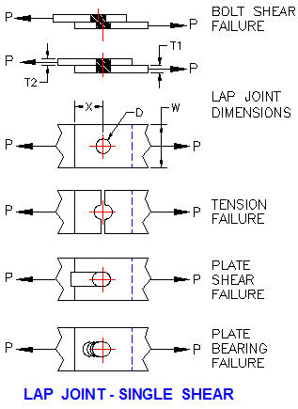

LAP JOINT - SINGLE SHEAR |  |  | Input
 |  | Bolt allowable shear stress, Sbs = | 17.5 | kpsi
 |  | Plate allowable tension stress, Spt = | 21.6 | kpsi
 |  | Plate allowable shear stress, Sps = | 29.0 | kpsi
 |  | Plate allowable brg stress, Spb = | 58.0 | kpsi
 |  | Bolt diameter, D = | 1.000 | in
 |  | Number of bolts, N = | 1 |  |  | FASTENER | ALLOWABLE
 |  | Minimum plate thickness, T = | 0.625 | in |  |  | SHEAR KSIa
 |  | Joint width, W = | 3 | in |  | RIVETS | Sbs
 |  | Trailing edge dimension, X = | 1.5 | in |  | A502 Grade 1 | 17.50
 |  |  | Calculations |  |  | A502 Grade 2 | 22.00
 |  | Bolt shear strength, Pbs = | N * Sbs * Pi * D^2 / 4
 |  | = | 13.74 | kips |  | BOLTS | Sbs
 |  | Bolt hole diameter, Dh = | D + 1/8 |  |  | A307 | 10.00
 |  |  | 1.125 | in |  | A325-Nb | 21.00
 |  | Plate tension strength, Ppt = | Spt * T * ( W - N * Dh ) |  |  | A325-Xc | 30.00
 |  | = | 25.31 | kips |  | A490-Nb | 28.00
 |  | Plate shear strength, Pps = | N * 2 * Sps * T * X |  |  | A490-Xc | 40.00
 |  | = | 54.38 | kips |  | A325-F | 17.50
 |  | Plate bearing strength, Ppb = | Spb * T * N * D |  |  | A490-F | 22.00
 |  | = | 36.25 | kips
 |  | Parent Member Strength, Ppm = | Spt * T * W |  | ( Plate section area with no holes )
Notes:
a Stresses are to be applied to nominal fastener diameter.
b Threads are included in the shear plane.
c Threads are exclude from the shear plane.
 |  | = | 40.50 | kips
 |  |  | Input
 |  | Minimum failure load above, Pf = | 13.74 | kips
 |  | Applied load, Pa = | 6 | kips
 |  |  | Calculations
 |  | Connection efficiency, e = | Pf / Ppm
 |  | = | 34%
 |  | Safety Factor, SF = | Pf / Pa
 |  | = | 2.29
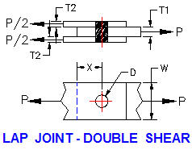

X
 |  |  | Input

Lap Joint - Double Shear
Top and bottom plate thicknesses must be 1/2 center plate thickness or greater, see above.

LAP JOINT - DOUBLE SHEAR |  |  | Input
 |  | Bolt allowable shear stress, Sbs = | 17.5 | kpsi
 |  | Plate allowable tension stress, Spt = | 21.6 | kpsi |  | FASTENER | ALLOWABLE
 |  | Plate allowable shear stress, Sps = | 29.0 | kpsi |  |  | SHEAR KSIa
 |  | Plate allowable brg stress, Spb = | 58.0 | kpsi |  | RIVETS | Sbs
 |  | Bolt diameter, D = | 0.875 | in |  | A502 Grade 1 | 17.50
 |  | Number of bolts, N = | 1 |  |  | A502 Grade 2 | 22.00
 |  | Center plate thickness, T1 = | 0.500 | in
 |  | Top plate thickness => T1/2, T2 = | 0.375 | in |  | BOLTS | Sbs
 |  | Joint width, W = | 4 | in |  | A307 | 10.00
 |  | Trailing edge dimension, X = | 2 | in |  | A325-Nb | 21.00
 |  |  | Calculations |  |  | A325-Xb | 30.00
 |  | Bolt shear strength, Pbs = | N * 2 * Sbs *Pi* D^2/ 4 |  |  | A490-Nb | 28.00
 |  | = | 21.05 | kips |  | A490-Xc | 40.00
 |  | Bolt hole diameter, Dh = | D + 1/8 |  |  | A325-F | 17.50
 |  | = | 1.000 | in |  | A490-F | 22.00
Notes:
a Stresses are to be applied to nominal fastener diameter.
b Threads are include in the shear plane.
c Threads are exclude from the shear plane.
 |  | Center plate tension strength, Pct = | Spt * T1 * ( W - N*Dh )
 |  | = | 32.40 | kips
 |  | Center plate shear strength, Pps = | N * 2 * Sps * T1 * X
 |  | = | 116.00 | kips
 |  | Center plate bearing strength, Ppb = | N * Spb * T1 * D
 |  | = | 25.38 | kips
 |  | Top+Bot plate tension strength, Pct = | 2 * Spt * T2 * ( W - N * Dh )
 |  | = | 48.60 | kips
 |  | Top+Bot plate shear strength, Pps = | N * 4 * Sps * T2 * X
 |  | = | 87.00 | kips
 |  | Top+Bot plate bearing strength, Ppb = | 2 * Spb * T2 * N * D
 |  | = | 38.06 | kips
 |  | Parent Member Strength, Ppm = | Spt * T1 * W
 |  | = | 43.20 | kips
 |  |  | Input
 |  | Minimum failure load above, Pf = | 16.20 | kips
 |  | Applied load, Pa = | 10 | kips
 |  |  | Calculations
 |  | Connection efficiency, e = | Pf / Ppm
 |  | = | 37%
 |  | Safety Factor, SF = | Pa / Pf
 |  | = | 1.62

Lap Joint - Single Shear - Multiple Bolts
Bolt holes are larger than bolt diameters. If there are two or more bolts in the connection, the total load will not be equally distributed to the bolts due to bolt/hole miss-alignment. Assuming zero friction, there will be zero resistance to the load until one or more of the bolts come in contact with a hole in one of the plates.

The calculations assume 100% of the bolts carry the load in a multiple bolt connection. The dimensions and material properties may be adjusted to achieve any desired safety factor.

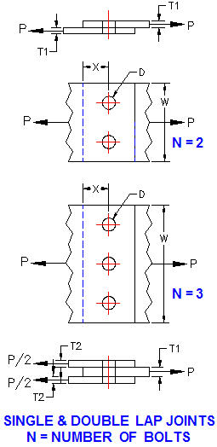

Single and Double Lap Joints
Lap joints with multiple bolts are illustrated above.
Enter the number, N of bolts in the input cells above for lap joints in single or double shear.

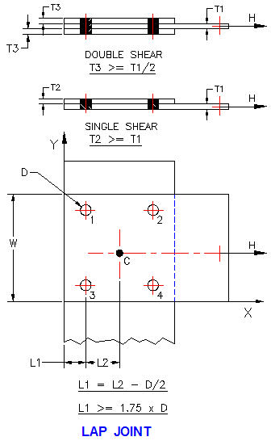

MULTIPLE BOLT JOINT - RULES
1. Single shear: T1 >= T2, see above.
2. Double shear: T3 >= T1 / 2
3. Edge distance: L1 = L2 - D / 2
4. Edge distance: L1 = 1.75 x D
Refer to the AISC, "Manual of Steel Construction" for more information.

BOLTED CONNECTION STRENGTH FACTORS
Bolted Connection Static Tensile Strength
The design of a bolted connection subjected to concentric tension includes the following factors:
a. Bolt material properties.
b. Bolt and hole dimensions.
c. Member material properties.
d. Member dimensions.
e. Friction.
f. Failure mode.
g. Allowable stress.
h. Safety factor.
Connection Efficiency,
e = Failure Load, Pf / Parent Member Strength, Ppm

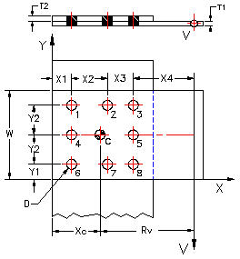

STRENGTH OF 8 BOLTS IN SINGLE SHEAR
 |  |  | Input |  |  |  |  | LOADS ON 8 BOLTS IN SINGLE SHEAR
 |  | Applied vertical shear load, V = | 2.0 | kips |  |  |  | Load in any bolt, Pn = | Rn*V*Rv / ∑Rn^2
 |  | Load radius arm, Rv = | 6.0 | in |  |  |  | R1 = R3 + R6 = R8 = | (X2^2 + Y2^2)^(1/2)
 |  | Bolt allowable shear stress, Sbs = | 17.5 | ksi |  | FASTENER | ALLOWABLE | = | 4.243
 |  | Plate ultimate tension stress, Su = | 58 | ksi |  |  | SHEAR KSIa | R2 = R7 = | Y2
 |  | Plate yield stress, Sy = | 36 | ksi |  | RIVETS | Sbs | = | 3.000
 |  | Bolt diameter, D = | 0.750 | in |  | A502 Grade 1 | 17.50 | R4 = R5 = | X2
 |  | Minimum (T1 or T2) plate thickness, T = | 0.500 | in |  | A502 Grade 2 | 22.00 | = | 3.000
 |  | X1 = | 1.500 | in |  |  |  | ∑Rn^2 = | ∑(4*R1^2)+(2*R2^2)+(2*R4^2)
 |  | X2 = | 3.000 | in |  | BOLTS | Sbs | = | 108.000
 |  | Y1 = | 1.500 | in |  | A307 | 10.00 | Moment about CG of bolts, V*Rv = | 12 | kip-in
 |  | Y2 = | 3.000 | in |  | A325-Nb | 21.00
 |  |  | Calculations |  |  | A325-Xb | 30.00 | Sum of the above, ∑Rn^2 = | 115.243 | in^2
 |  |  | Single Shear |  |  | A490-Nb | 28.00
 |  | Number of bolts, N = | 8 |  |  | A490-Xc | 40.00 | Shear load on bolts:
 |  | Plate tension per net area, Sptn = | 0.5 * Su |  |  | A325-F | 17.50 | R1 = R3 + R6 = R8 = | Rn*V*Rv / ∑Rn^2
 |  |  | 29 | ksi |  | A490-F | 22.00 | = | 0.442 | kips
Notes:
a Stresses are to be applied to nominal fastener diameter.
b Threads are include in the shear plane.
c Threads are exclude from the shear plane.
 |  | Plate tension per gross area, Sptg = | 0.6 * Sy |  |  |  |  | R2 = R7 = | Rn*V*Rv / ∑Rn^2
 |  |  | 21.6 | ksi |  |  |  |  | 0.312 | kips
 |  | Bearing strength-1, Spb1 = | Su * X1 / (2 * D) |  |  |  |  | R4 = R5 = | Rn*V*Rv / ∑Rn^2
 |  |  | 58.00 | ksi |  |  |  |  | 0.312 | kips
 |  | Bearing strength-2, Spb2 = | (Su / 2) * ((X2 / D) - 0.5)
 |  |  | 101.50 | ksi
 |  | Bearing strength-3, Spb3 = | 1.5 * Su
 |  |  | 87.00 | ksi
 |  |  | Bolts
 |  | Bolt shear strength, Pbs = | N * Sbs * Pi * D^2 / 4
 |  | = | 61.85 | kips
 |  |  | Plates
 |  | Joint width, W = | 2 * ( Y1 + Y2) |  | ( Plate section area with no holes )
 |  |  | 9.000 | in
 |  | Parent Member Strength, Ppm = | Sptg * T * W
Bearing strength-1, 2, and 3, Spb1, Spb2, and Spb3 are the result of bearing failure testing.
Ref: Statics and Strength of Materials, H. W. Morrow and R. P. Kokernak.
 |  | = | 97.20 | kips
 |  | Bolt hole diameter, Dh = | D + 1/8
 |  |  | 0.875 | in
 |  | Plate net area tension strength, Ppt = | Sptn * T * ( W - ( 3 * Dh ) )
 |  | = | 92.44 | kips
 |  | Plate bearing strength, Ppb1 = | N * Spb1 * T * D
 |  | = | 217.50 | kips
 |  | Plate bearing strength, Ppb2 = | N * Spb2 * T * D
 |  | = | 380.63 | kips
 |  | Plate bearing strength, Ppb3 = | N * Spb3 * T * D
 |  | = | 326.25 | kips
 |  |  | Input
 |  | Minimum failure load above, Pf = | 126.88 | kips
 |  | Applied load, Pa = | 60 | kips

 |  |  | Calculations
 |  | Connection efficiency, e = | Pf / Ppm |  |  | FASTENER | ALLOWABLE
 |  | = | 131% |  |  |  | SHEAR KSIa
 |  | Safety Factor, SF = | Pa / Pf |  |  | RIVETS | Sbs
 |  | = | 2.11 |  |  | A502 Grade 1 | 17.50
STRENGTH OF 8 BOLTS IN DOUBLE SHEAR |  |  |  |  |  | A502 Grade 2 | 22.00 | LOADS ON OF 8 BOLTS IN DOUBLE SHEAR
 |  |  | Input |  |  |  |  | = LOADS IN SINGLE SHEAR ABOVE
 |  | Bolt allowable shear stress, Sbs = | 24 | ksi |  | BOLTS | Sbs
 |  | Plate ultimate tension stress, Su = | 58 | ksi |  | A307 | 10.00
 |  | Plate yield stress, Sy = | 36 | ksi |  | A325-Nb | 21.00
 |  | Bolt diameter, D = | 0.625 | in |  | A325-Xb | 30.00
 |  | Center plate thickness, T1 = | 0.750 | in |  | A490-Nb | 28.00
 |  | Top plate thickness => T1/2, T2 = | 0.5 | in |  | A490-Xc | 40.00
 |  | X1 = | 3.000 | in |  | A325-F | 17.50
 |  | X2 = | 4.000 | in |  | A490-F | 22.00
Notes:
a Stresses are to be applied to nominal fastener diameter.
b Threads are include in the shear plane.
c Threads are exclude from the shear plane.
 |  | Y1 = | 3.000 | in
 |  | Y2 = | 4.000 | in
 |  |  | Calculations
 |  |  | Double Shear
 |  | Number of bolts, N = | 8
 |  | Plate tension per net area, Sptn = | 0.5 * Su
 |  |  | 29 | ksi
 |  | Plate tension per gross area, Sptg = | 0.6 * Sy
 |  |  | 21.6 | ksi
 |  | Bearing strength-1, Spb1 = | Su * X1 / (2 * D)
 |  |  | 139.20 | ksi
 |  | Bearing strength-2, Spb2 = | (Su / 2) * ((X2 / D) - 0.5)
 |  |  | 171.10 | ksi
 |  | Bearing strength-3, Spb3 = | 1.5 * Su
 |  |  | 87.00 | ksi
 |  |  | Bolts
 |  | Bolt shear strength, Pbs = | 2 * N * Sbs * Pi * D^2 / 4
 |  | = | 117.81 | kips
 |  |  | Plates
 |  | Joint width, W = | 2 * ( Y1 + Y2)
 |  |  | 14.000 | in
 |  | Parent Member Strength, Ppm = | Sptg * T1 * W |  | ( Plate section area with no holes )
 |  | = | 226.80 | kips
 |  | Bolt hole diameter, Dh = | Db + 1/8
 |  |  | 0.750 | in
 |  | Plate net area tension strength, Ppt = | Sptn * T1 * ( W - ( 3 * Dh ) )
 |  | = | 255.56 | kips
 |  | Plate bearing strength, Ppb1 = | N * Spb1 * T1 * D
 |  | = | 522.00 | kips
 |  | Plate bearing strength, Ppb2 = | N * Spb2 * T1 * D
 |  | = | 641.63 | kips
 |  | Plate bearing strength, Ppb3 = | N * Spb3 * T1 * D
 |  | = | 326.25 | kips

See above: |  |  | Input
 |  | Minimum failure load above, Pf = | 117.00 | kips
 |  | Applied load, Pa = | 50 | kips
 |  |  | Calculations
 |  | Connection efficiency, e = | Pf / Ppm
 |  | = | 52%
 |  | Safety Factor, SF = | Pf / Pa
 |  | = | 2.34

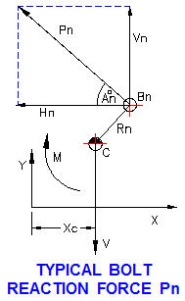

9 BOLT ECCENTRIC LOADING
The 9 bolt bracket above has a vertical eccentric load W. The bracket will rotate about the centroid, C of the bolts. The reaction force, Pn of a typical bolt is shown in the diagram above-right. The applied load, W is replaced by the equivalent, vertical force, V and moment, M acting at the centroid, C of the bolt group.
The joint will rotate about the instantaneous center, C at distance Xo.

 |  |  | Input
 |  | Applied load, W = | 18000 | lbs
 |  | Load offset, L = | 10 | in
 |  | Number of bolts, N = | 9 |  |  | FASTENER | ALLOWABLE
 |  | Bolt diameter, D = | 0.5 | in |  |  | SHEAR KSIa
 |  | Bolt allowable shear stress, Sbs = | 75 | kpsi |  | RIVETS | Sbs
 |  | T1 = | 0.5 | in |  | A502 Grade 1 | 17.50
 |  | T2 = | 0.5 | in |  | A502 Grade 2 | 22.00
 |  | X1 = | 1 | in
 |  | X2 = | 2.5 | in |  | BOLTS | Sbs
 |  | X3 = | 3 | in |  | A307 | 10.00
 |  | Y1 = | 1 | in |  | A325-Nb | 21.00
 |  | Y2 = | 2.5 | in |  | A325-Xb | 30.00
 |  | Y3 = | 2.5 | in |  | A490-Nb | 28.00
 |  |  | Calculations |  |  | A490-Xc | 40.00
 |  | Bolt-N radius about centroid 5 , RN = | ( X^2 + Y^2 )^(1/2) |  |  | A325-F | 17.50
 |  | Bolt section area, A = | 3.1416 * D^2 / 4 |  |  | A490-F | 22.00
 |  | = | 0.196 | in
 |  | Centroid C dimension, Xo = | ΣRn2/(N*L)
 |  | = | 1.2 | in
 | MOMENTS ABOUT CENTROID 5
N | D | Bolt Area An | Xn | Yn | Rn | Rn^2
1 | 0.500 | 0.196 | 3.000 | 3.000 | 4.243 | 18.00
2 | 0.500 | 0.196 | 0.000 | 3.000 | 3.000 | 9.00
3 | 0.500 | 0.196 | 3.000 | 3.000 | 4.243 | 18.00
4 | 0.500 | 0.196 | 3.000 | 0.000 | 3.000 | 9.00
5 | 0.500 | 0.196 | 0.000 | 0.000 | 0.000 | 0.00
6 | 0.500 | 0.196 | 3.000 | 0.000 | 3.000 | 9.00
7 | 0.500 | 0.196 | 3.000 | 3.000 | 4.243 | 18.00
8 | 0.500 | 0.196 | 0.000 | 3.000 | 3.000 | 9.00
9 | 0.500 | 0.196 | 3.000 | 3.000 | 4.243 | 18.00
 |  |  |  |  | SUM(Rn2) = | 108.00
 |  |  | Shear load in any bolt due to moment, Pn = | W*L/(ΣRn2) x Bolt radius from center
 |  |  | W*L/(ΣRn2) = | 1667

 | MOMENTS ABOUT CENTROID C

N | Xn | Yn | Rn | Pn
1 | 1.3 | 2.5 | 2.818 | 4696
2 | 1.2 | 2.5 | 2.773 | 4622
3 | 4.2 | 2.5 | 4.888 | 8146
4 | 1.3 | 0 | 1.300 | 2167
5 | 1.2 | 0 | 1.200 | 2000
6 | 4.2 | 0 | 4.200 | 7000
7 | 1.3 | 2.5 | 2.818 | 4696
8 | 1.2 | 2.5 | 2.773 | 4622
9 | 4.2 | 2.5 | 4.888 | 8146

 |  | Each bolt vertical shear, Ps = W / N = | 2,000 | lbs

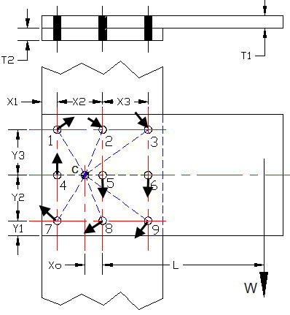
 | See individual bolt force vector additions below.
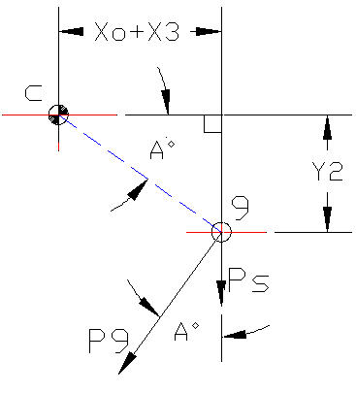

 | Note: Angle A degrees = (A/57.3) radians

 | MAXIMUM BOLT SHEAR
 |  |  | Calculations
 |  | Bolt #9 vertical shear, Ps = W / N = | 2,000 | lbs
 |  | Bolt #9 shear due to moment, Pn = | 8146 | lbs
 |  | Angle, A = | 57.3*ATAN(Y2/(Xo+X3))
 |  | = | 30.8 | degrees
 |  | Bolt #9 Resultant shear, R9 = | ((P9*SIN(A/57.3)^2) + (Ps + P9*COS(A/57.3))^2)^0.5
 |  | = | 9,000 | lbs

 |  | Bolt #3 Resultant shear, R3 = R9 = | 9,000 | lbs

 |  | Max Bolt Shear Stress, Sb = | R9 / An
 |  | = | 45,837 | psi
 |  | Safety Factor = | Sbs / Sb
 |  | = | 1.64

F.E.A.
M271 BOLTED CONNECTIONS EXCEL CALCULATIONS
 | © Copyright John Andrew P.E. 4 March 2008

 | BOLTED PLATE IN COMPRESSION
 | 1/2 inch diameter hole through 1/2 inch thick 1020 CR steel plate 1.50” x 1.50”.
 | 10,000 psi pressure on top and bottom rings: 1” OD x 1/2” ID = 0.589 sq. in.
 | Finite Element analysis (F.E.A.)
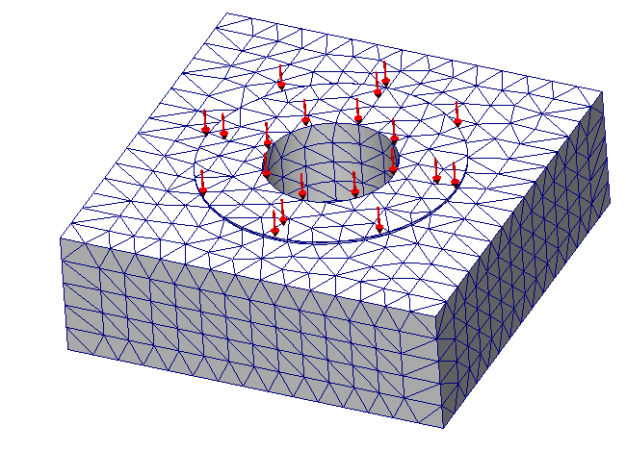
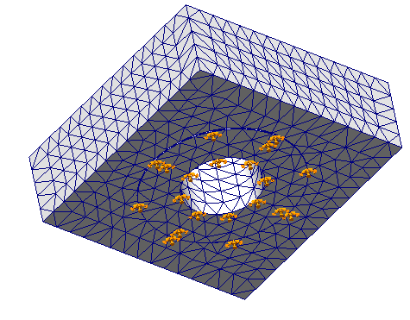

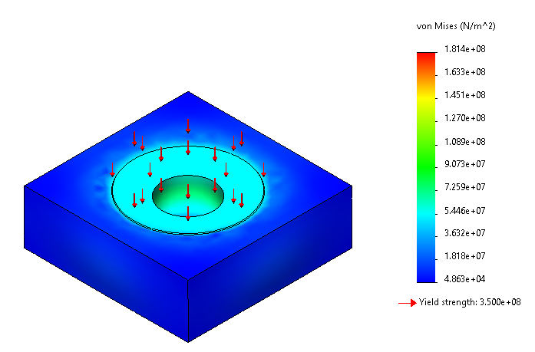

 |  |  | psi
 |  |  | 13,549

 |  |  | 12,197

 |  |  | 10,838

 |  |  | 9,486

 |  |  | 8,134

 |  |  | 67,094

 |  |  | 53,680

 |  |  | 40,273

 |  |  | 26,858

 |  |  | 13,444

 |  |  | 34,899

 |  | STRESS
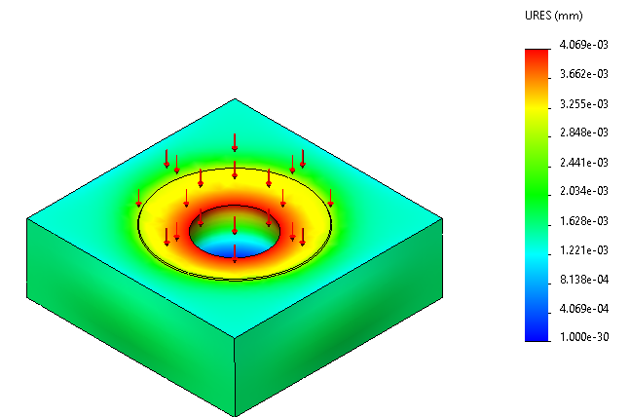

 |  | DISPLACEMENT

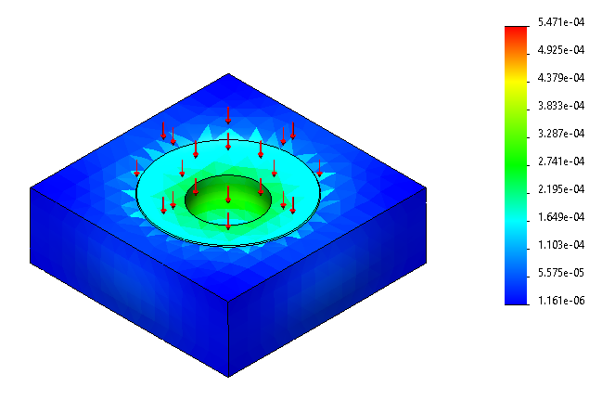

 |  | STRAIN

MATH TOOLS
M271 BOLTED CONNECTIONS EXCEL CALCULATIONS
 | © Copyright John Andrew P.E. 4 March 2008
 | MATH TOOLS
Spread Sheet Method:
1. Type in values for the input data.
2. Excel will make the calculations.
Excel's GOAL SEEK
Excel's, "Goal Seek" adjusts one Input value to cause a Calculated formula cell to equal a given value.
When using Excel's Goal Seek, unprotect the spread sheet by selecting: Drop down menu: Tools > Protection > Unprotect Sheet > OK
When Excel's Goal Seek is not needed, restore protection with:
Drop down menu: Tools > Protection > Protect Sheet > OK

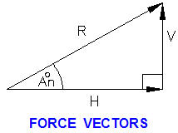
 |  | Input
 | Horizontal force, H = | 12.0 | kips
 | Vertical force, V = | 16.0 | kips
 |  | Calculation
 | Resultant force, R = | ( H^2 + V^2 )^(1/2)
 | = | 20.00 | kips
 | Angle, A = | 57.30 * ATAN(V / H)
 |  | 53.13 | deg

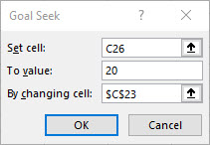
EXAMPLE-1: SOLVE VECTOR PROBLEM WITH GOAL SEEK
Design parameters can be optimized by using, Goal seek:
Set the above horizontal vector, H = 12 (blue cell C22), vertical vector, V = 6 (yellow cell C23), the resultant, R = 13.42 (green cell C26) and angle, A = 26.57 (cell C28).
Use "Goal Seek" to calculate the vertical force, V if the resultant, R is changed to 20 kips and the horizontal force, H remains unchanged at 12.0 kips.
1. Select the "live" formula cell above, (Green) C26.
2. Select: Data (or Tools) > What-If Analysis > Goal Seek > Pick "To value:" > 20 > By changing: > Pick number in the yellow cell, C23 > OK.
3. The resultant R is changed to 20.0 (cell C26) and V is changed to 16 (cell C23).

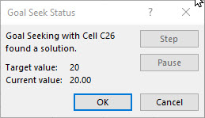

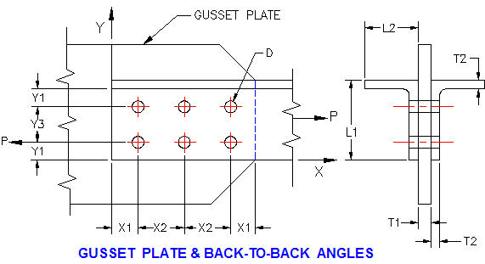

PROBLEM-1: DETERMINE GUSSET STRENGTH WITH GOAL SEEK
Two L4 x 3 x 3/8 inch angles made of ASTM A36 steel are connected to a 5/8 inch gusset plate, above. A36 steel has an ultimate strength, Su = 58 ksi and a yield stress, Sy = 36 ksi. (AISC code: load is in one leg of each angle, net angle area is only 85% effective)
1. Determine the allowable load, P for a safety factor of 2.0 if there are six 3/4 inch diameter bolts. Ans: 73 kips.
2. Use, "Goal Seek" to find the bolt diameter, D for a net area strength,
Ppt = 136 kips. Ans: 1.00 in dia. (Hint, pick live cell D128 first)

BOLTS IN DOUBLE SHEAR |  |  | Input |  | FASTENER | ALLOWABLE
 |  | Bolt allowable shear stress, Sbs = | 30 | ksi |  | SHEAR KSIa
 |  | Plate ultimate tension stress, Su = | 58 | ksi | RIVETS
 |  | Plate yield stress, Sy = | 36 | ksi | A502 Grade 1 | 17.50
 |  | Number of bolts, N = | 6 |  | A502 Grade 2 | 22.00
 |  | Bolt diameter, D = | 0.500 | in
 |  | Gusset thickness, T1 = | 0.625 | in | BOLTS
 |  | Angle leg thickness, T2 = | 0.375 | in | A307 | 10.00
 |  | Angle leg length, L1 = | 5.000 | in | A325-Nb | 21.00
 |  | Angle leg length, L2 = | 3.000 | in | A325-Xb | 30.00
 |  | Bolt location dimension, X1 = | 2.000 | in | A490-Nb | 28.00
 |  | Bolt location dimension, X2 = | 3.000 | in | A490-Xc | 40.00
 |  | Bolt location dimension, Y2 = | 2.000 | in | A325-F | 17.50
 |  | Bolt location dimension, Y3 = | 3.000 | in | A490-F | 22.00

Fastener Notes:
a Stresses are to be applied to nominal fastener diameter.
b Threads are include in the shear plane.
c Threads are exclude from the shear plane.
 |  |  | Calculations
 |  |  | Single Shear
 |  | Plate tension per net area, Sptn = | 0.5 * Su
 |  |  | 29 | ksi
 |  | Plate tension per gross area, Sptg = | 0.6 * Sy
 |  |  | 21.6 | ksi
 |  | Spb1 = | Su * X1 / (2 * D)
 |  |  | 116.00 | ksi
 |  | Spb2 = | (Su / 2) * ((Y3 / D) - 0.5)
 |  |  | 159.50 | ksi
 |  | Spb3 = | 1.5 * Su
 |  |  | 87.00 | ksi
 |  |  | Bolts
 |  | Bolt double shear strength, Pbs = | 2 * N * Sbs * Pi * D^2 / 4
 |  | = | 70.7 | kips
 |  |  | Angles
 |  | Two angles no holes, tension, Pat = | 2 * Sptg * (L1+L2-T2) * T2
 |  | = | 123.5 | kips | Section area with no holes
 |  | Bolt hole diameter, Dh = | D + 1/8
 |  |  | 0.625 | in
 |  | Two angles net tension area, Aan = | 2 * [((L1+L2-T2) * T2) - 2 * ((D+.125) * T2)]
 |  |  | 4.78 | in^2
 |  | Angle net area tension strength, Ppt = | 0.85 * Sptn * Agt |  | 85% effective strength
 |  | = | 117.9 | kips
 |  | Plate bearing strength, Ppb1 = | N * Spb1 * T1 * D
 |  | = | 217.5 | kips | N bolt bearing strength-1
 |  | Plate bearing strength, Ppb2 = | N * Spb2 * T1 * D
 |  | = | 299.1 | kips | N bolt bearing strength-2
 |  | Plate bearing strength, Ppb3 = | N * Spb3 * T1 * D
 |  | = | 163.1 | kips | N bolt bearing strength-3

 |  |  | Input
 |  | Minimum failure load above, Pf = | 70.00 | kips
 |  | Applied load, Pa = | 35 | kips

 |  |  | Calculations
 |  | Connection efficiency, e = | Pf / Ppm
 |  | = | 57%
 |  | Safety Factor, SF = | Pa / Pf
 |  | = | 2.00

