Overview
 | S239-BEAM SPREADSHEET CALCULATIONS |  |  | 5 PDH
 | © Copy Write John Andrew P.E. 15 Aug 2010 |  | Rev: Oct 24, 2022 |  | SCROLL TO BOTTOM FOR:
 |  |  |  |  | AISC Properites Viewer
PDH Course Overview
Engineering Calculations with Spread Sheets
Engineering new or upgraded: buildings, machines, chemical processes, or anything else involves the well being of mankind. Safety and accuracy is essential. Spreadsheets can facilitate optimum results.
Some advantages of spreadsheet calculations over hand written include:
1. easier to read.
2. better recall from archives.
3. greater accuracy.
4. faster with repeat use.
5. graphs are created automatically.
6. numerous useful formulas.
7. "Goal Seek" enables optimization.
8. solve any equation with, "Solver".
9. solve sets of linear and non-linear equations.
10. calculations and graphs may be pasted into
documents and slide show presentations.
Spread Sheet Method
Step-1 Open "Excel".
Step-2 Select drop-down menu, Insert.
Step-3 Make a sketch of the loaded beam with the Shapes toolbar.
Step-4 Type a symbol for the unknown in one cell.
Step-5 Add the formula for the unknown in the adjacent cell to the right.
Step-6 Copy the formula into the cell below and type an = sign at the left side.
Step-7 Select the bottom formula cell and press the F2 key to edit.
Step-8 Typing" = " at the left end of the cell activates math functions.
Step-9 Pick a symbol in the formula, delete it, and pick the cell containing the numerical value of the symbol.
Step-10 Repeat Step-10 for each symbol in the formula.
Step-11 Press enter and Excel will perform the calculation.
Step-12 Study the example spreadsheet calculations in this course.
Excel's "GOAL SEEK" Click "Math Tools" Tab below for more
A. Excel's, "Goal Seek" adjusts one input value to cause a calculated formula cell to equal the desired value that you type in the Goal Seek dialog box,
To value: [ ]
B. When using Goal Seek unprotect the spread sheet by selecting: Drop down menu:
Tools > Protection > Unprotect Sheet > OK
C. When Excel's Goal Seek is not needed, restore protection with drop down menu:
Tools > Protection > Protect Sheet > OK

 |  |  |  |  |  | W

 |  |  |  |  | X

 |  |  |  |  |  | L

 |  |  |  |  | R1 |  | R2

 |  |  |  |  |  | Load W = | 2000.0 | lbs
 |  |  |  |  |  | Beam Length L = | 100.0 | in
 |  |  |  |  |  | Load location X = | 20 | in

 |  |  |  |  |  | R1 + R2 = | W
 |  |  |  |  |  | R2*L= | W*X
 |  |  |  |  |  | R2 = | W*X/L
 |  |  |  |  |  | = | 2000*20/100
 |  |  |  |  |  | = | =2000*20/100
 |  |  |  |  |  | = | 400 | lbs
 |  |  |  |  |  | R1= | W-R2
 |  |  |  |  |  | = | =2000-400
 |  |  |  |  |  | = | 1600 | lbs

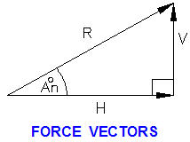
V is the vertical component of resultant force R.
H is the horizontal component of resultant force R.
Forces V and H replace force R.

 | 1. Type in each "input" data value. | Input
 | Horizontal component force, H = | 12.0
 | Vertical component force, V = | 6.0

 | 2. Excel will make the calculations. | Calculation
 | Resultant force, R = | ( H^2 + V^2 )^(1/2)
 | = | 13.4 | < Copy of cell above.
 | Angle, An = | 57.30 * ATAN(V / H)
 |  | 26.57 | deg

 | 3. Use "Goal Seek" to optimize.
 | What must force V will give a resultant R of 15?

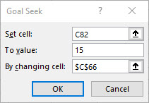
 |  | Input
 | Horizontal component force, H = | 12.0
 | Vertical component force, V = | 9.0 | < Cell C65
 |  | Calculation
 | Resultant force, R = | ( H^2 + V^2 )^(1/2)
 | = | 15.0 | < Cell C68
 | Angle, An = | 57.30 * ATAN(V / H)
 |  | 36.87 | deg

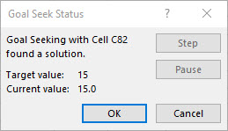
 | 4. Data > What If Analysis > Goal Seek

 | TYPICAL STEEL STRUCTURE DETAILS
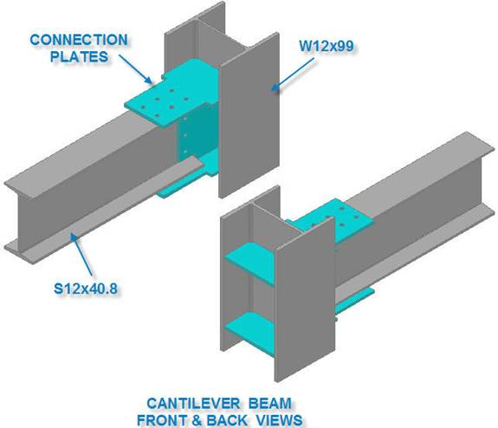

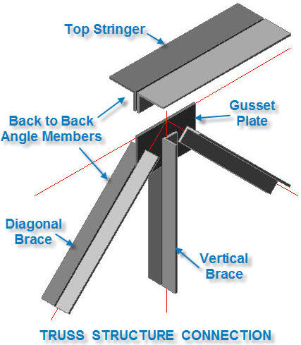

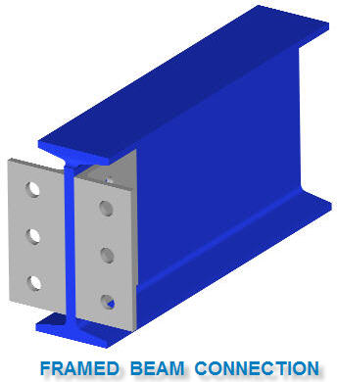

 | Use the AISC "Manual of Steel Construction to engineer beam connections.

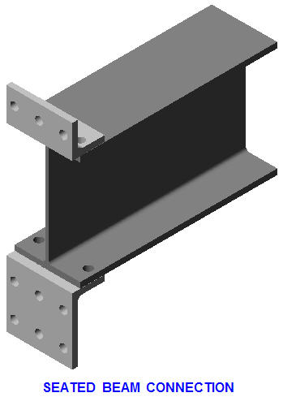

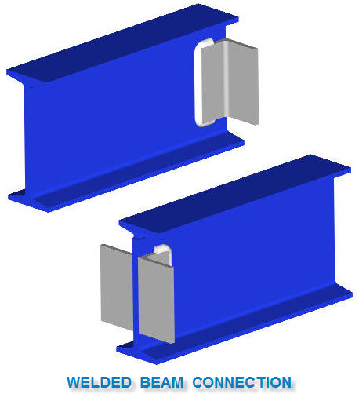

AISC PROPERTIES VIEWER
http://www.scribd.com/doc/1023890/AISC-Properties-Viewer
Copy and paste the above AISC Properties Viewer if you wish to download the spread sheet below.

https://www.engineersedge.com/materials/aisc_structural_shapes/aisc_structural_shapes_viewer.htm

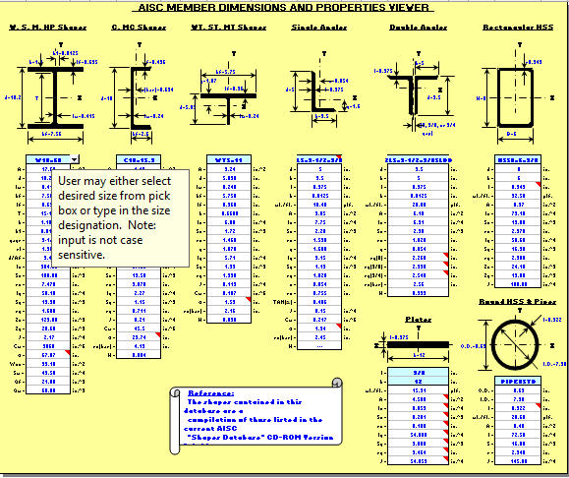

 | https://www.engineersedge.com/materials/aisc_structural_shapes/aisc_structural_shapes_viewer.htm

 | http://www.scribd.com/doc/1023890/AISC-Properties-Viewer

DISCLAIMER: The materials contained in the online course are not intended as a representation or warranty on the part of PDHonline.org or any other person/organization named herein. The materials are for general information only. They are not a substitute for competent professional advice. Application of this information to a specific project should be reviewed by a registered professional engineer. Anyone making use of the information set forth herein does so at their own risk and assumes any and all resulting liability arising therefrom.

 | This is the end of this Worksheet

Cantilever
 | BEAM SPREADSHEET CALCULATIONS
 | © Copy Write John Andrew P.E. 15 Aug 2010

 | CASE-A CANTILEVER WITH LOAD AT ANY POINT
 | Beam Shear & Moment Diagrams
Nomanclature
a = load location from left end, in
b = load location from right end, in
E = modulus of elasticity, lbs/in2
Fa = allowable stress, lbs/in2
I = section second moment of area about the horizontal X-X axis, in4
L = beam span in inches
Lf = beam span in feet
M = beam or truss moment, in-lbs
P = concentrated load, lbs
R = support reaction force, lbs
SF = safety factor
Sx = beam section modulus about the horizontal axis, in3
V = beam shear force, lbs
w = beam weight per foot, lb/ft
x = location on beam, in
y = beam vertical deflection under load, in
θ = beam end slope, rad or deg

BEAM CALCULATION METHOD
Step-1 Type beam load and properties data under "Input" below.
Step-2 Excel will, "Calculate" beam: shear, moment, and deflection due to the consentrated load "P" lbs and the distributed load "w" lbs/ft.
Notes:
1. Distributed load w can include the weight of the beam pluss any additional distributed load.
2. Do not delete load P when calculating the moment due to w and vise versa.
Ref: | http://www.linsgroup.com/MECHANICAL_DESIGN/Beam/beam_formula.htm
 | SAMPLE AISC STANDARD WIDE FLANGE BEAMS
 |  |  | w | Ix | Sx
 |  |  | lb/ft | in^4 | in^3
 |  | W12x40 | 40 | 307 | 51.50
 |  | W12x72 | 72 | 597 | 97.40
 |  | W12x120 | 120 | 1070 | 163.0

 |  | W14x61 | 61 | 640 | 92.10
 |  | W14x283 | 283 | 3840 | 459.0
 |  | W14x500 | 500 | 8210 | 838.0

 |  | W16x50 | 50 | 659 | 81.00
 |  | W16x100 | 100 | 1500 | 177.0

 |  | W18x60 | 60 | 984 | 108.00
 |  | W18x158 | 158 | 3060 | 310.0
 |  | W18x283 | 283 | 564 | 6160

 |  | W24x62 | 62 | 1560 | 132.0
 |  | W24x250 | 250 | 8490 | 644.0
 |  | W24x450 | 450 | 17100 | 1170
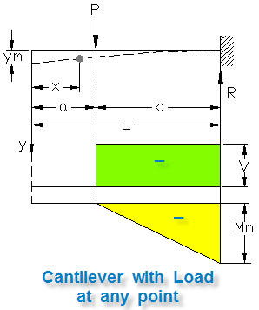

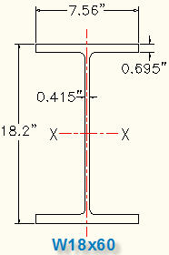

 | Effect of load P only | INPUT
 | Load, P = | 15000 | lbs | feet | 18
 | Load location in inches, a = | 80 | in | inches = | feet * 12
 | Beam span in feet, Lf = | 18 | ft | = | 216
 | Location in inches from free end, x = | 120 | in
 | AISC Beam Section = | W18x60
 | Beam weight per foot, w = | 60 | lbs/ft
 | Beam section modulus about x-x, Sx = | 108 | in^3
 | Section 2nd moment of area about x-x, I = | 984 | in^4
 | Modulus of elasticity, E = | 29000000 | lbs/in^2
 | Allowable tension/compression stress, Fa = | 22000 | lbs/in^2
 |  | CALCULATE
 | Beam span in inches, L = | Lf * 12
 | = | 216 | in
 | Right support force, R = | P
 | = | 15000 | lbs
 | Max beam shear force, V = | - R
 | = | -15000 | lbs
 | b = | (L - a)
 | = | 136 | in
 | Moment at x if x > a, Mx1 = | - P*(x - a)
 | = | -600000 | in-lbs
 | Max moment, Mm = | - P * b
 | = | -2040000 | in-lbs

 | Beam Deflection due to P only | CALCULATE continued
 | Max beam deflection at x = 0, yMP = | (P*b^2/(6*E*I))*(3*L - b)
 | = | 0.830 | in
 | Beam deflection at x < a, y = | (P*b^2/(6*E*I))*(3*L - 3*x - b)
 | = | 0.246 | in | x > a Not OK
 | Beam deflection at x = a, ya = | P*b^3/(3*E*I)
 | = | 0.441 | in
 | Beam deflection at x > a, y = | (P*(L - x)^2/(6*E*I))*(3*b - L + x)
 | = | 0.252 | in | x > a, OK
 | Max allowable deflection = | L / 360
 | = | 0.600 | in

 | End Slopes due to P only | CALCULATE continued
 | Beam left end slope, θL = | (P*L^2) / (2*E*I)
 |  | 0.0123 | radians | 0.703 | deg
 | Beam right end slope, θR = | 0

 | CASE-B CANTILEVER WEIGHT LOAD w LB/FT
 | Beam Shear & Moment Diagrams
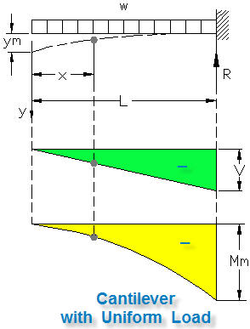

 | Effect of beam weight only | CALCULATE continued
 | Total beam weight, W = | w * Lf
 | = | 1080 | lbs
 | Right support force, RB = | W
 | = | 1080 | lbs
 | Max beam shear force, V = | RB
 | = | 1080 | lbs
 | Beam shear force at x, V = | - (w/12)*x
 | = | -600 | lbs
 | Max beam moment, Mm = | - (w/12) * L^2 / 2
 | = | -116640 | in-lbs
 | Moment at x, Mx2 = | -((w/12)*x^2 / 2)
 | = | -36000 | in-lbs

 | Effect of beam weight only | CALCULATE continued
 | Beam deflection due to load w at x, yX = | ((w/12)/(24*E*I))*((3*L^4 - 4*L^3*x + x^4))
 | = | 0.014 | in
 | Max beam deflection due to load w, yMW = | ((w/12)*L^4) / (8*E*I)
 | = | 0.048 | in
 | Max allowable deflection = | L / 360
 | = | 0.600 | in

 | Effect of beam weight only
 | End Slopes | CALCULATE continued
 | Beam left end slope, θL = | ((w/12)*L^3) / (6*E*I)
 | = | 0.00029429772918 | radians | 0.017 | deg
 | Beam right end slope, θR = | 0

 | CASE-C CANTILEVER WEIGHT AND CONCENTRATED LOADS
 | SET x = L ABOVE FOR MAX MOMENT
 | Total moment at x if x > a, MxT = | Mx1 + Mx2
 |  | -636000 | in-lbs | x > a, OK
 | Moment stress at x, Fx = | MxT / Sx
 | = | 5889 | lbs/in^2
 | Safety Factor at x, SFx = | Fa / Fx
 | = | 3.74 | SFx > 2.00, OK

 | Total Cantilever Deflection due to beam weight and load P.
Principal of Superposition
Within the elastic limit the total deflection at a point in a beam is equal to the sum of the deflections due to all of the apllied loading systems.

 | Total beam deflection at x if x < a, yX = | yA + yB
 | = | 0.260 | in | x > a, OK
 | Max beam deflection at free end, yMAX = | yMW + yMB
 | = | 0.877 | in
 | Max allowable deflection = | Li / 360
 | = | 0.600 | in

 | Total Beam Slope at x
 | Total beam end slope (at x = 0), θt = | θA + θB
 |  | 0.01256 | radians | 0.72 | deg

 | EXAMPLE: CANTILEVER WITH CONCENTRATED LOAD
EMAMPLE:
Given the cantilever data below calculate the maximum moment and free end deflection due to load P only. Do not include the weight of the beam.

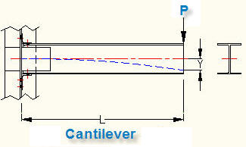

 |  | Load, P = | 15000 | lbs
 |  | Load location in inches, a = | 0 | in
 |  | Beam span in feet, Lf = | 18 | ft
 |  | Location in inches, x = | 0 | in
 |  | AISC Beam Section = | W12x40
 |  | Beam weight per foot, w = | 40 | lbs/ft
 |  | Beam section modulus, Sx = | 51.5 | in^3
 |  | Section 2nd moment of area about x-x, I = | 307 | in^4
 |  | Modulus of elasticity, E = | 29000000 | lbs/in^2
 |  | Allowable tension/compression stress, Fa = | 22000 | lbs/in^2
The beam data in yellow above is copied and pasted into the "INPUT" data cells below.
Note: Load location, x = a = 0 inches.

 | Effect of load P only | INPUT
 | Load, P = | 600 | lbs | feet | 10
 | Load location in inches, a = | 100 | in | inches = | feet * 12
 | Beam span in feet, Lf = | 18 | ft | = | 120
 | Location in inches, x = | 50 | in
 | AISC Beam Section = | W12x40
 | Beam weight per foot, w = | 40 | lbs/ft
 | Beam section modulus, Sx = | 51.5 | in^3
 | Section 2nd moment of area about x-x, I = | 307 | in^4
 | Modulus of elasticity, E = | 29000000 | lbs/in^2
 | Allowable tension/compression stress, Fa = | 22000 | lbs/in^2
 |  | CALCULATE
 | Beam span in inches, L = | Lf * 12
 | = | 216 | in
 | Right support force, R = | P
 | = | 600 | lbs
 | Max beam shear force, V = | - R
 | = | -600 | lbs
 | b = | (L - a)
 | = | 116 | in
 | Moment at x if x > a, Mx1 = | - P*(x - a)
 | = | 30000 | in-lbs
 | Max moment, Mm = | - P * b
 | = | -69600 | in-lbs

 | Beam Deflection | CALCULATE continued
 | Max beam deflection at x = 0, yM = | (P*b^2/(6*E*I))*(3*L - b)
 | = | 0.080 | in
 | Beam deflection at x < a, y = | (P*b^2/(6*E*I))*(3*L - 3*x - b)
 | = | 0.058 | in | x > a, OK
 | Beam deflection at x = a, ya = | P*b^3/(3*E*I)
 | = | 0.035 | in
 | Beam deflection at x > a, y = | (P*(L - x)^2/(6*E*I))*(3*b - L + x)
 | = | 0.056 | in | x < a, Not OK
 | Max allowable deflection = | L / 360
 | = | 0.600 | in

 | CASE-C CANTILEVER FREE TO DEFLECT BUT NOT ROTATE
 | Beam Shear & Moment Diagrams

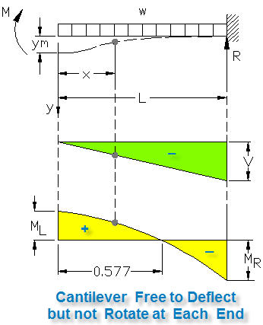

 | Effect of distributed load w only | INPUT
 | AISC Beam Section = | W12x72 |  | feet | 10
 | Beam weight per foot, w = | 72 | lbs/ft | inches = | feet * 12
 | Beam span in feet, L = | 20 | ft | = | 120
 | Location in inches, x = | 100 | in
 | Beam section modulus, Sx = | 97.4 | in^3
 | Section moment area about x-x, I = | 579 | in^4
 | Modulus of elasticity, E = | 29000000 | lbs/in^2
 | Allowable stress, Fa = | 22000 | lbs/in^2
 |  | CALCULATE
 | Beam span in inches, Li = | L * 12
 | = | 240 | in
 | Right support force, R = V = | w*L
 | = | 1440 | lbs
 | Max moment is at fixed end, MR = | -(w/12)*L^2 / 3
 | = | -115200 | in-lbs
 | Moment at deflected end, ML = | (w/12)*L^2 / 6
 |  | 57600 | in-lbs
 | Moment at x, Mx = | (w/12)*(L^2 - 3*x^2) / 6
 |  | 27600 | in-lbs
 | Moment stress at x, Fx = | MxT / Sx
 | = | 283 | lbs/in^2
 | Safety Factor at x, SFx = | Fa / Fx
 | = | 77.64 | SFx > 2.00, OK

 | Beam Deflection | CALCULATE
 | Max deflection at x = 0, ym = | (w/12)*L^4 / (24*E*I)
 | = | 0.049 | in | OK
 | Beam deflection at x, yx = | (w/12)*(L^2 - x^2)^2 / (24*E*I)
 | = | 0.034 | in
 | Max allowable deflection = | Li / 360
 | = | 0.667 | in
 | End Slopes
 | Beam left end slope, θL = | 0

 | Beam right end slope, θR = | 0

 | CASE-D CANTILEVER WITH END LOAD
 | Beam Shear & Moment Diagrams
Input the maximum moment, allowable stress and safety factor below and use the AISC spreadsheet table to calculate the beam section modulus Sx that will support the moment M at the allowable bending stress Fa.

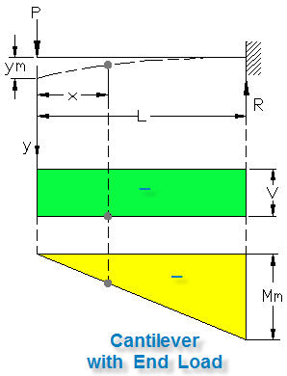

 | Determine Steel Member Section Size based on estimated section modulus Sx
 |  | INPUT
 | Moment in beam, M = | 190000 | in-lbs
 | Allowable material stress, Fa = | 22000 | lbs/in^2
 | Design Safety Factor, SF = | 2.50
 |  | CALCULATE
 | Required beam section modulus, Sx = | SF * M / Fa
 | = | 21.59 | in^3
Open the AISC Structural Steel Sections spreadsheet or other table.
Select a beam section with a section modulus Sx equal to or a small amount greater than the required Sx calculated above.
There may be more than one beam section with the required Sx or slightly larger.

 |  | Select Beam Section Sx
 |  | INPUT
 | Select beam from tables = | W14x61
 | Actual beam section modulus, Sx = | 92.1 | in^3

 | Determine Member Section Size based on estimated section modulus Sx
 |  | INPUT
 | Max moment in beam, M = | 2552000 | in-lbs
 | Allowable material stress, Fa = | 22000 | lbs/in^2
 | Safety Factor, SF = | 2.5
 |  | CALCULATE
 | Minimum beam section modulus, Sx = | SF * M / Fa
 | = | 290.00 | in^3

Ref: | http://www.linsgroup.com/MECHANICAL_DESIGN/Beam/beam_formula.htm
 | This is the end of this Worksheet

Beam Pined
BEAM SPREADSHEET CALCULATIONS
© Copy Write John Andrew P.E. 15 Aug 2010

SAMPLE AISC STANDARD WIDE FLANGE BEAMS

BEAM CALCULATION METHOD
Step-1 Type beam load and properties data under "Input" below.
Step-2 Excel will, "Calculate" beam: shear, moment, and deflection due to the consentrated load "P" lbs and the distributed load "w" lbs/ft.
Notes:
1. Distributed load w can include the weight of the beam pluss any additional distributed load.
2. Do not delete load P when calculating the moment due to w and vise versa.
 |  | w | Ix | Sx
 |  | lb/ft | in^4 | in^3
 | W12x40 | 40 | 307 | 51.50
 | W12x72 | 72 | 597 | 97.40
 | W12x120 | 120 | 1070 | 163.0

 | W14x61 | 61 | 640 | 92.10
 | W14x283 | 283 | 3840 | 459.0
 | W14x500 | 500 | 8210 | 838.0

 | W16x50 | 50 | 659 | 81.00
 | W16x100 | 100 | 1500 | 177.0

 | W18x60 | 60 | 984 | 108.00
 | W18x158 | 158 | 3060 | 310.0
 | W18x283 | 283 | 564 | 6160

 | W24x62 | 62 | 1560 | 132.0
 | W24x250 | 250 | 8490 | 644.0
 | W24x450 | 450 | 17100 | 1170

CASE-A BEAM PINNED BOTH ENDSS WITH LOAD AT ANY POINT
Beam Shear & Moment Diagrams

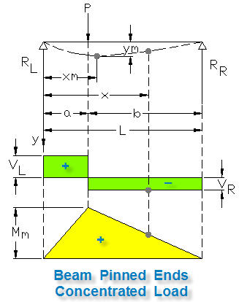

Effect of load P only | INPUT |  | feet | 10
Load, P = | 10000 | lbs | inches = | feet * 12
Load location in inches, a = | 100 | in | = | 120
Beam span in feet, Lf = | 20 | ft
Location in inches from left end, x = | 120 | in (x < or = b)
Beam Section = | W12x72
Beam weight per foot, w = | 72 | lbs/ft
Beam section modulus, Sx = | 97.40 | in^3
Section moment area about x-x, I = | 597 | in^4
Modulus of elasticity, E = | 29000000 | lbs/in^2
Allowable stress, Fa = | 22000 | lbs/in^2
 | CALCULATE
Beam span in inches, L = | Lf * 12
= | 240 | in
Beam dimension in inches, b = | L - a
 | 140 | in
Left support force, RL = VL = | P * b / L
= | 5833 | lbs
Right support force, RR = VR = | -(P - R1A)
= | -4167 | lbs
Max moment at load P, x = a, Mm = | P*a*b /L
= | 583333 | in-lbs
Max moment at x > a, Mx = | RL*x - P*(x - a)
= | 500000 | in-lbs | x > a, OK

Max Beam Deflection due to load P | CALCULATE
Max beam deflection due to load P, yM = | (0.06415*P*b/(E*I*L))*((L^2 - b^2)^1.5)
= | 0.160 | in
Max beam deflection location, xm = | (a*(L + b) / 3)^0.5
= | 112.546 | in

Beam Deflection at x | CALCULATE
Beam deflection at x due to load P, yp = | (P*b/(6*E*I*L))*((L^2*x - b^2*x - x^3)
= | 0.159 | in

End Slopes | CALCULATE
Beam left end slope, θL = | "-((P*a*b)*(1 +b/Li))/(6*E*I)
= | -0.0021339135011 | radians | -0.122 | deg
Beam right end slope, θR = | ((P*a*b)*(1 +a/L))/(6*E*I)
= | 0.0019092910273 | radians | 0.109 | deg

CASE-B BEAM PINNED BOTH ENDS - BEAM WEIGHT ONLY
Beam Shear & Moment Diagrams
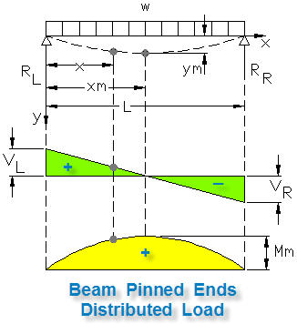

Effect of beam weight only | CALCULATE continued
Total beam weight, W = | w * L
= | 1440 | lbs
Left support force, RL = | W / 2
= | 720 | lbs
Max beam moment, Mm = | (w/12) * Li^2 / 8
= | 43200 | in-lbs
Moment at x, Mx2 = | (w*x / 24)*(L - x)
= | 43200 | in-lbs
Moment at x = a, Ma = | (w*a / 24)*(L - a)
= | 42000
Left beam shear force, VL = | R1
= | 720 | lbs
Right beam shear force, VR = | -(W - R1)
= | -720 | lbs

 | CALCULATE continued
Beam deflection due to load w at x, yb = | (w/(24*E*I))*((L^3*x - 2*L*x^3 + x^4))
= | 0.180 | in
Max beam deflection due to load w , ym = | (5*w*L^4) / (384*E*I)
(at x = L / 2), = | 0.180 | in

End Slopes | CALCULATE continued
Beam left end slope, θR = | "-((w*L^3) / (24*E*I)
= | -0.00240 | radians | -0.137 | deg
Beam right end slope, θL = | ((w*L^3) / (24*E*I)
= | 0.00240 | radians | 0.137 | deg

CASE-C BEAM PINNED ENDS, CONCENTRATED LOAD & BEAM WEIGHT
Beam Shear & Moment Diagrams
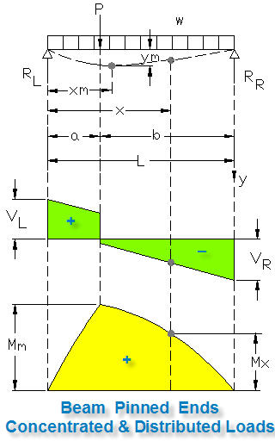

Loading due to P & w | CALCULATE continued
Left support force, RL = | R1A + R1B
= | 6553 | lbs
Right support force, RR = | P + W - R1
= | 4887 | lbs
Left beam shear force, VL = | R1
= | 6553 | lbs
Right beam shear force, VR = | R2
= | 4887 | lbs
From "Input" above, b = | 100 | in
Max moment (at load P), Mmm = | Mm + Ma
= | 625333 | in-lbs
Total moment stress, Fm = | Mmm / Sx
= | 6420 | lbs/in^2
Beam Safety Factor, SF = | Fa / Fm
= | 3.43 | SFx > 2.00, OK

At location x
Total moment at x, Mx = | Mx1 + Mx2
= | 543200 | in-lbs | x > a, Not OK
Moment stress at x, Fx = | Mt / Sx
= | 5577 | lbs/in^2 | x > a, Not OK
Safety Factor at x, SFx = | Fa / Fx
= | 3.94 | SFx > 2.00, OK

Total Beam Deflection at x
Total beam deflection at x if x > a , y = | ya + yb |  | x > a, Not OK
= | 0.339 | in | OK
Max allowable deflection = | L / 360
= | 0.667 | in

Beam Single Load Moment
 | INPUT
Load, P = | 5000 | lbs |  | feet | 10
Load location in inches, a = | 100 | in |  | inches = | feet * 12
Beam span in feet, Lf = | 18 | ft |  | = | 120
Location in inches, x = | 120 | in (x < or = b)
Beam Section = | W12x72
Beam weight per foot, w = | 72 | lbs/ft
Beam section modulus, Sx = | 97.40 | in^3
Section moment area about x-x, I = | 597 | in^4
Modulus of elasticity, E = | 29000000 | lbs/in^2
Allowable stress, Fa = | 22000 | lbs/in^2
 | CALCULATE
Beam span in inches, L = | Lf * 12
= | 216 | in
Beam dimension in inches, b = | L - a
= | 116 | in
Left support force, RL = VL = | P * b / L
= | 2685 | lbs
Right support force, RR = VR = | -(P - R1)
= | -2315 | lbs
Max moment (at load P), Mm = | RL * a
= | 268519 | in-lbs
Moment at x if x > a, MA = | R1A * x
= | 700000 | in-lbs | x > a OK

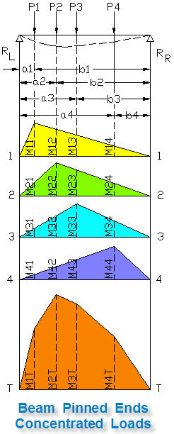
CASE-D BEAM PINNED ENDS WITH MULTIPLE CONCENTRATED LOADS
Beam Moment Diagrams

Beam Moment Diagram Calculation |  |  | INPUT |  | INPUT
 | Load |  | Location |  | Moment
 | Pn, lbs |  | an, in |  | Mnn, in-lbs
P1 = | 5000 | a1 = | 50 | M11 = | 268519
P2 = | 6000 | a2 = | 100 | M22 = | 322222
P3 = | 7000 | a3 = | 150 | M33 = | 320833
P4 = | 8000 | a4 = | 200 | M44 = | 118519
W = | 26000
 | CALCULATE
Beam dimension in inches, b1 = | L - a4 = | 190 | in
Beam dimension in inches, b2 = | L - a3 = | 140 | in
Beam dimension in inches, b3 = | L - a2 = | 90 | in
Beam dimension in inches, b4 = | L - a1 = | 40 | in
...
 | INPUT from above
 | CALCULATE
Moment stress at x, Fx = | Mt / Sx
= | 8039 | lbs/in^2
Safety Factor at x, SFx = | Fa / Fx
= | 2.74 | SFx > 2.00, OK

CASE-D BEAM PINNED AT BOTH ENDS
Beam Shear & Moment Diagrams

Input the maximum moment, allowable stress and safety factor below and use the AISC spreadsheet table to calculate the beam section modulus Sx that will support the moment M at the allowable bending stress Fa.

Determine Member Section Size based on estimated section modulus Sx
 | INPUT
Max moment in beam, M = | 200500 | in-lbs
Allowable material stress, Fa = | 22000 | lbs/in^2
Safety Factor, SF = | 2.5
 | CALCULATE
Minimum beam section modulus, Sx = | SF * M / Fa
= | 22.78 | in^3
Open the AISC Structural Steel Sections spreadsheet or other table.
Select a beam section with a section modulus Sx equal to or a small amount greater than the required Sx calculated above.
There may be more than one beam section with the required Sx or slightly larger.

 | Select Beam Section Sx
 | INPUT
Select beam from tables = | W14x43
Actual beam section modulus, Sx = | 62.6 | in^3

This is the end of this Worksheet

Beam Fixed
S239 BEAM SPREADSHEET CALCULATIONS
© Copy Write John Andrew P.E. 15 Aug 2010

BEAM CALCULATION METHOD
Step-1 Type beam load and properties data under "Input" below.
Step-2 Excel will, "Calculate" beam: shear, moment, and deflection due to the consentrated load "P" lbs and the distributed load "w" lbs/ft.
Notes:
1. Distributed load w can include the weight of the beam pluss any additional distributed load.
2. Do not delete load P when calculating the moment due to w and vise versa.
SAMPLE AISC STANDARD WIDE FLANGE BEAMS
 |  | w | Ix | Sx
 |  | lb/ft | in^4 | in^3
 | W12x40 | 40 | 307 | 51.50
 | W12x72 | 72 | 597 | 97.40
 | W12x120 | 120 | 1070 | 163.0

 | W14x61 | 61 | 640 | 92.10
 | W14x283 | 283 | 3840 | 459.0
 | W14x500 | 500 | 8210 | 838.0

 | W16x50 | 50 | 659 | 81.00
 | W16x100 | 100 | 1500 | 177.0

 | W18x60 | 60 | 984 | 108.00
 | W18x158 | 158 | 3060 | 310.0
 | W18x283 | 283 | 564 | 6160

 | W24x62 | 62 | 1560 | 132.0
 | W24x250 | 250 | 8490 | 644.0
 | W24x450 | 450 | 17100 | 1170

CASE-A BEAM FIXED BOTH ENDS WITH LOAD AT ANY POINT
Beam Shear & Moment Diagrams
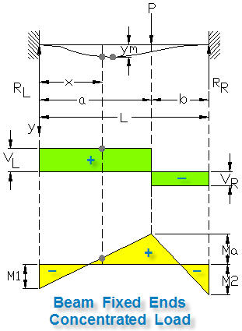

Effect of load P only | INPUT
Load, P = | 5000 | lbs | feet | 10
Load location in inches, a = | 120 | in | inches = | feet * 12
Beam span in feet, Lf = | 18 | ft | = | 120
Location must be less than a, x = | 80 | in
AISC Beam Section = | W18x60
Beam weight per foot, w = | 60 | lbs/ft
Beam section modulus, Sx = | 108 | in^3
...
Max Beam Deflection | CALCULATE
Desired deflection location at, xD = | 113.68 | in
 | CALCULATE
Desired deflection at xD if x < a, y1 = | ((2*P*a^3*b^2)/((3*E*I)*(3*a + b)^2))
= | 0.009 | in | x < a, OK

CASE-B FIXED BOTH ENDS BEAM WITH UNIFORM LOAD
Beam Shear & Moment Diagrams

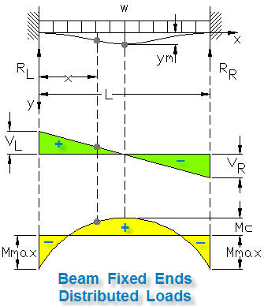

Effect of distributed load w only | CALCULATE continued
Left support force, RL = VL = | (w/12)*L / 2
= | 540 | lbs
Right support force, RR = VR = | (w/12)*L / 2
= | 540 | lbs
Moment at center span x = L/2, Mc = | (w/12)*L^2 / 24
= | 9720 | in-lbs
Moment at x = 0, M1 = | (w/12)*L^2 / 12
= | 19440 | in-lbs
...
Max Beam Deflection due to w only | CALCULATE contnued
Max beam deflection at x = L / 2, yM = | ((w/12)*L^4)/(384*E*I)
= | 0.0010 | in
Beam deflection at x, y2 = | (((w/12)*x^2)/((24*E*I))*(L - x)^2)
= | 0.0009 | in

CASE-C FIXED BOTH ENDS, CONCENTRATED & UNIFORM LOADS
Beam Shear & Moment Diagrams
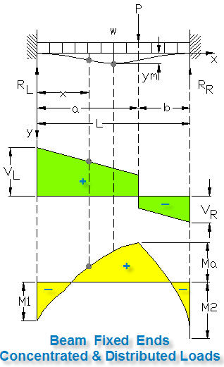

Principal of Superposition
Within the elastic limit the total deflection at a point in a beam is equal to the sum of the deflections due to all of the loading systems applied.

 | CALCULATE contnued
Load location in inches from above, a = | 120 | in
Location in inches from above, x = | 80 | in
Total moment at x if x < a, MXT = | Mx1 + Mx2
= | 56045 | in-lbs | x < a, OK

Total deflection at x if x < a, y = | y1 + y2
 | 0.010 | in | x < a, OK

CASE-D FIXED ONE END WITH CONCENTRATED LOAD
Beam Shear & Moment Diagrams

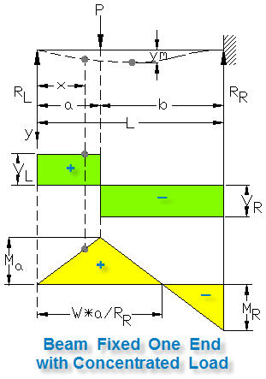

Effect of load P only | INPUT
Load, P = | 5000 | lbs | feet | 10
Load P location in inches, a = | 120 | in | inches = | feet * 12
Beam span in feet, Lf = | 18 | ft | = | 120
Location in inches, x = | 80 | in
AISC Beam Section = | W12x72
Beam weight per foot, w = | 72 | lbs/ft
Beam section modulus, Sx = | 97.40 | in^3
Section moment area about x-x, I = | 597 | in^4
Modulus of elasticity, E = | 29000000 | lbs/in^2
...
Beam deflection at: x < a, y = | ((P*b^2*x)/(12*E*I*L^3))*(3*L + a)
= | 0.014 | in | x < a, OK
Beam deflection at: x >= a, ya = | ((P*a/(12*E*I*L^3))*(L - x)^2*(3*L^2*x - a^2*x - 2*a^2*L)
= | 0.020 | in | x < a, Not OK

CASE-E FIXED ONE END WITH UNIFORM LOAD
Beam Shear & Moment Diagrams
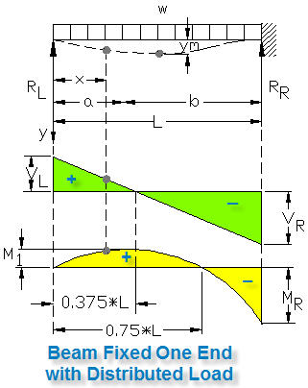

Effect of beam weight only | CALCULATE continued
Total uniform load, W = | w*Lf |  | Lf = feet
= | 1296 | lbs
Left support force, RL = VL = | 3*(w/12)*L / 8 |  | L = inches
= | 486
Right support force, RR = VR = | -5*(w/12)*L / 8
= | -810
Moment at x = a, Ma = | (-w/12)*(3*a*L - 4*a^2)
 | -120960 | in-lbs
Moment x = 0.375*L, M1 = | (9 / 128)*((w/12)*L^2)
...
Beam deflection due to beam weight | CALCULATE continued
Max beam deflection, yM = | ((w/12)*L^4 / (185*E*I)
= | 0.0041 | in
Beam deflection at x, yx = | ((w/12)*x / (48*E*I))*(L^3 - 3*L*x^2 + 2*x^3)
= | 0.0040 | in

CASE-F FIXED ONE END WITH CONCENTRATED & UNIFORM LOADS
Beam Shear & Moment Diagrams

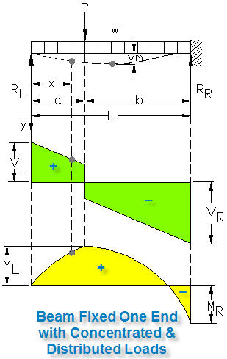

Loading due to P & w | CALCULATE continued
Left support force, RL = VL = | R1A + R1B
= | 1748 | lbs
Right support force, RR = VR = | P + W - RL
= | 4548 | lbs
At location x
Total moment at x if x < a, Mx = | (RL * x) - ((w/12) * x^2 / 2)
= | 120640 | in-lbs | x < a, OK
Total moment at x if x > a, Mx = | (RL * x) - ((w/12) * x^2 / 2) - (P*(a - x))
...
Total Beam Deflection at x
Total beam deflection at x , y = | ya + yb
= | 0.024 | in | OK
Max allowable deflection = | L / 360
= | 0.600 | in

CASE-G FIXED ONE END OP END FREE TO DEFLECT BUT NOT ROTATE
Beam Shear & Moment Diagrams

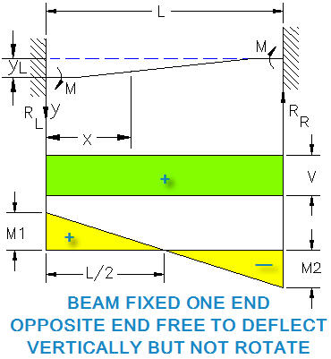

Effect of load RL only | INPUT
Load, RL = | 7936 | lbs | feet | 10
Load P location in inches, a = | 120 | in | inches = | feet * 12
Beam span in feet, Lf = | 18 | ft | = | 120
Location in inches, x = | 80 | in
AISC Beam Section = | W12x72
Beam weight per foot, w = | 72 | lbs/ft
Beam section modulus, Sx = | 97.40 | in^3
Section moment area about x-x, I = | 597 | in^4
...

Continuous Beam
BEAM SPREADSHEET CALCULATIONS
© Copy Write John Andrew P.E. 15 Aug 2010

BEAM CALCULATION METHOD
Step-1 Type beam load and properties data under "Input" below.
Step-2 Excel will, "Calculate" beam: shear, moment, and deflection due to the consentrated load "P" lbs and the distributed load "w" lbs/ft.
Notes:
1. Distributed load w can include the weight of the beam pluss any additional distributed load.
2. Do not delete load P when calculating the moment due to w and vise versa.
SAMPLE AISC STANDARD WIDE FLANGE BEAMS
 |  | w | Ix | Sx
 |  | lb/ft | in^4 | in^3
 | W12x40 | 40 | 307 | 51.50
 | W12x72 | 72 | 597 | 97.40
 | W12x120 | 120 | 1070 | 163.0

 | W14x61 | 61 | 640 | 92.10
 | W14x283 | 283 | 3840 | 459.0
 | W14x500 | 500 | 8210 | 838.0

 | W16x50 | 50 | 659 | 81.00
 | W16x100 | 100 | 1500 | 177.0

 | W18x60 | 60 | 984 | 108.00
 | W18x158 | 158 | 3060 | 310.0
 | W18x283 | 283 | 564 | 6160

 | W24x62 | 62 | 1560 | 132.0
 | W24x250 | 250 | 8490 | 644.0
 | W24x450 | 450 | 17100 | 1170

CASE-A CONTINUOUS BEAM PINNED WITH CONCENTRATED LOAD
Beam Shear & Moment Diagrams
Two Equal Spans
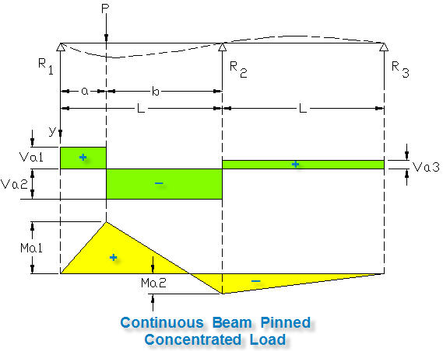

Effect of load P only | INPUT
Load, P = | 5000 | lbs |  | feet | 10
Load location in inches, a = | 100 | in |  | inches = | feet * 12
Beam span in feet, Lf = | 18 | ft |  | = | 120
Load location from left support, x = | 120 | in (x < or = b)
Beam Section = | W12x72
Beam weight per foot, w = | 72 | lbs/ft
Beam section modulus, Sx = | 97.40 | in^3
Section moment area about x-x, I = | 597 | in^4
Modulus of elasticity, E = | 29000000 | lbs/in^2
...
Shear, Va1 = | R1
= | 2231 | lbs
Shear, Va2 = | (P*a / (4*L^3))*(4*L^2 + b*(L + a))
= | 2769 | lbs

CASE-B CONTINUOUS BEAM PINNED WITH DISTRIBUTED LOAD
Beam Shear & Moment Diagrams
Two Equal Spans
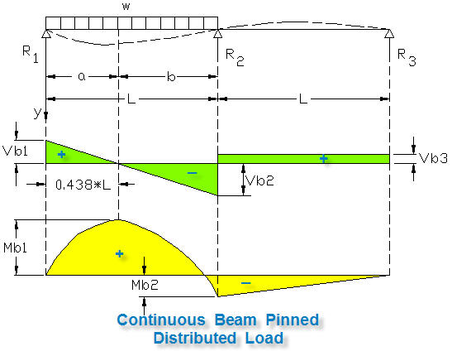

Effect of contiuous beam weight only | CALCULATE continued |  |  | feet | 10
Beam single span in inches, L = | Lf * 12 |  |  | inches = | feet * 12
= | 216 | in |  | = | 120
b = | L - a
= | 116 | in
Left support force, R1 = Vb1 = | 7*(w/12)*L / 16
= | 567 | lbs
Support force at x = L, R2 = Vb2 = | - 5*(w/12)*L / 8
= | -810 | lbs
...
Moment at x = a, Mb2 = | - (w/12)*L^2 / 16
= | -17496 | in-lbs
Moment at x if x < L, Mx = | ((w/12)*x)*(7*L - 8*x)) / 16
= | 24840 | in-lbs | x > a Not OK

CASE-B CONTINUOUS BEAM PINNED WITH DISTRIBUTED LOAD
Beam Shear & Moment Diagrams
Two Equal Spans
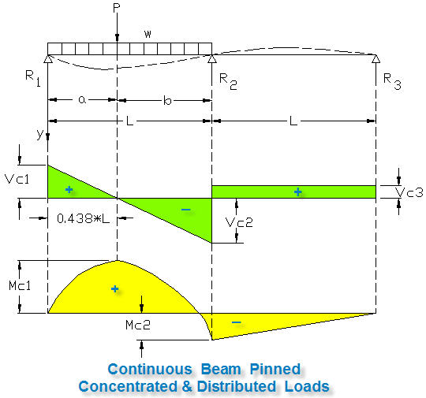

 | CALCULATE continued
Case C = | Case A + Case B
Left support force, R1 = Vc1 = | Va1 + Vb1 |  |  | feet | 10
= | 2798 | lbs |  | inches = | feet * 12
Support force at x = L, R2 = Vc2 = | Va2 + Vb2 |  |  | = | 120
= | -2215 | lbs
Right support force, R3 = Vc3 = | Va3 + Vb3
= | 86 | lbs
Case C = | Case A + Case B
...

Math Tools
BEAM SPREADSHEET CALCULATIONS
© Copy Write John Andrew P.E. 15 Aug 2010

 | MATH TOOLS
Spread Sheet Method:
1. Type in values for the input data.
2. Excel will make the calculations.
Excel's GOAL SEEK
Excel's, "Goal Seek" adjusts one Input value to cause a Calculated formula cell to equal a given value.
When using Excel's Goal Seek, unprotect the spread sheet by selecting: Drop down menu: Tools > Protection > Unprotect Sheet > OK
When Excel's Goal Seek is not needed, restore protection with:
Drop down menu: Tools > Protection > Protect Sheet > OK
 |  |  |  |  |  |  | Excel Workbook - new version
 |  |  |  |  |  |  | When using Excel's Goal Seek, unprotect the spread
 |  |  |  |  |  |  | sheet by selecting: Drop down menu: Home > Format >
 |  |  |  |  |  |  | Unprotect Sheet > OK. When Excel's
 |  |  |  |  |  |  | Goal Seek is not needed, restore protection with:
 |  |  |  |  |  |  | Drop down menu: Format > Protect Sheet.

 |  |  |  |  |  |  | GOAL SEEK METHOD-NEW
 |  |  |  |  |  |  | Step-1 Select cell containg a formula: C26
 |  |  |  |  |  |  | Step-2 Select: Data > What-If Analysis > Goal Seek
 |  |  |  |  |  |  | Step-3 To value: 14000, for example
 |  |  |  |  |  |  | Step-4 Pick cell containing value to be changed by Excel:C22 > OK
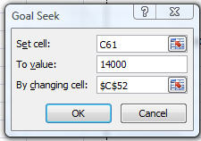

 |  | Input
 | Horizontal force, H = | 12.0 | kips
 | Vertical force, V = | 6.0 | kips
 |  | Calculation
 | Resultant force, R = | ( H^2 + V^2 )^(1/2)
 | = | 13.4 | kips
 | Angle, A = | 57.30 * ATAN(V / H)
 |  | 26.57 | deg
 |  |  |  |  |  |  | Excel-97 2003 - old version
EXAMPLE-1: SOLVE VECTOR PROBLEM WITH GOAL SEEK
Design parameters can be optimized by using, Goal seek:
Set the above horizontal vector, H = 12 (blue cell C22), vertical vector, V = 6 (yellow cell C23), the resultant, R = 13.42 (green cell C26) and angle, A = 26.57 (cell C28).
Use "Goal Seek" to calculate the vertical force, V if the resultant, R is changed to 20 kips and the horizontal force, H remains unchanged at 12.0 kips.
1. Select the "live" formula cell above, (Green) C26.
2. Select: Tools > Goal Seek > Pick "To value:" > 20 > By changing: > Pick number in the yellow cell, C23 > OK.
3. The resultant R is changed to 20.0 (cell C26) and V is changed to 16 (cell C23).
 |  |  |  |  |  |  | When using Excel's Goal Seek, unprotect the spread
 |  |  |  |  |  |  | sheet by selecting: Drop down menu: Tools >
 |  |  |  |  |  |  | Protection > Unprotect Sheet > OK. When Excel's
 |  |  |  |  |  |  | Goal Seek is not needed, restore protection with:
 |  |  |  |  |  |  | Drop down menu: Format > Protect Sheet.

 |  |  |  |  |  |  | GOAL SEEK METHOD-OLD
 |  |  |  |  |  |  | Step-1 Select cell containg a formula: C26
 |  |  |  |  |  |  | Step-2 Select: Tools > Goal Seek
 |  |  |  |  |  |  | Step-3 To value: 14000, for example
 |  |  |  |  |  |  | Step-4 Pick cell containing value to be changed by Excel: C22 > OK

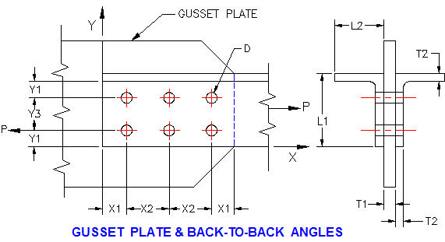

PROBLEM-1: DETERMINE GUSSET STRENGTH WITH GOAL SEEK
Two L4 x 3 x 3/8 inch angles made of ASTM A36 steel are connected to a 5/8 inch gusset plate, above. A36 steel has an ultimate strength, Su = 58 ksi and a yield stress, Sy = 36 ksi. (AISC code: load is in one leg of each angle, net angle area is only 85% effective)
1. Determine the allowable load, P for a safety factor of 2.0 if there are six 3/4 inch diameter bolts. Ans: 73 kips.
2. Use, "Goal Seek" to find the bolt diameter, D for a net area strength,
Ppt = 136 kips. Ans: 1.00 in dia. (Hint, pick live cell D128 first)

BOLTS IN DOUBLE SHEAR |  |  | Input |  | FASTENER | ALLOWABLE
 |  | Bolt allowable shear stress, Sbs = | 30 | ksi |  | SHEAR KSIa
 |  | Plate ultimate tension stress, Su = | 58 | ksi | RIVETS
 |  | Plate yield stress, Sy = | 36 | ksi | A502 Grade 1 | 17.50
 |  | Number of bolts, N = | 6 |  | A502 Grade 2 | 22.00
 |  | Bolt diameter, D = | 0.500 | in
 |  | Gusset thickness, T1 = | 0.625 | in | BOLTS
 |  | Angle leg thickness, T2 = | 0.375 | in | A307 | 10.00
 |  | Angle leg length, L1 = | 5.000 | in | A325-Nb | 21.00
 |  | Angle leg length, L2 = | 3.000 | in | A325-Xb | 30.00
 |  | Bolt location dimension, X1 = | 2.000 | in | A490-Nb | 28.00
 |  | Bolt location dimension, X2 = | 3.000 | in | A490-Xc | 40.00
 |  | Bolt location dimension, Y2 = | 2.000 | in | A325-F | 17.50
 |  | Bolt location dimension, Y3 = | 3.000 | in | A490-F | 22.00
Fastener Notes:
a Stresses are to be applied to nominal fastener diameter.
b Threads are include in the shear plane.
c Threads are exclude from the shear plane.
 |  |  | Calculations
 |  |  | Single Shear
 |  | Plate tension per net area, Sptn = | 0.5 * Su
 |  |  | 29 | ksi
 |  | Plate tension per gross area, Sptg = | 0.6 * Sy
 |  |  | 21.6 | ksi
 |  | Spb1 = | Su * X1 / (2 * D)
 |  |  | 116.00 | ksi
 |  | Spb2 = | (Su / 2) * ((Y3 / D) - 0.5)
 |  |  | 159.50 | ksi
 |  | Spb3 = | 1.5 * Su
 |  |  | 87.00 | ksi
 |  |  | Bolts
 |  | Bolt double shear strength, Pbs = | 2 * N * Sbs * Pi * D^2 / 4
 |  | = | 70.7 | kips
 |  |  | Angles
 |  | Two angles no holes, tension, Pat = | 2 * Sptg * (L1+L2-T2) * T2
 |  | = | 123.5 | kips | Section area with no holes
 |  | Bolt hole diameter, Dh = | D + 1/8
 |  |  | 0.625 | in
 |  | Two angles net tension area, Aan = | 2 * [((L1+L2-T2) * T2) - 2 * ((D+.125) * T2)]
 |  |  | 4.78 | in^2
...
 |  |  | Input
 |  | Minimum failure load above, Pf = | 70.00 | kips
 |  | Applied load, Pa = | 35 | kips

 |  |  | Calculations
 |  | Connection efficiency, e = | Pf / Ppm
 |  | = | 57%
 |  | Safety Factor, SF = | Pa / Pf
 |  | = | 2.00

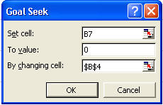
GOAL SEEK

1. Find X when Y = 0 with Goal Seek.
X = | 1.4 | Cell $B$4

Y = | 2*X^5 - 3*X^2 - 5
Y = | -0.12352 | Cell $B$7

Solution
Select: Cell B7>Tools >Goal Seek>
X = | 1.4041

Y = | 2*X^5 - 3*X^2 - 5
Y = | 4.4266812438E-12

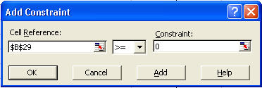

SOLVER
2. Find X when Y = 0 with Solver.
X = | 1.4

Y = | 2*X^5 - 3*X^2 - 5
Y = | -0.12352
Solution
Select: Cell B26>Tools >Solver >By Changing Cells>B23>Add>B23> (>=) >0
X = | 1.4041 | Cell $B$23

Y = | 2*X^5 - 3*X^2 - 5
Y = | 4.4266812438E-12 | Cell $B$26
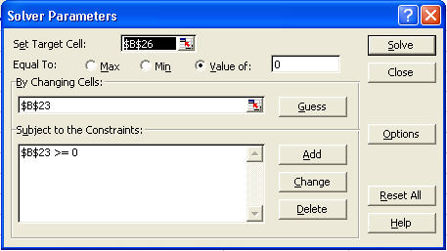

 | This is the end of this spreadsheet

